Introduction
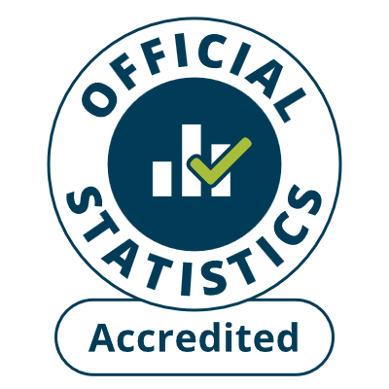
About the Ambulance Quality Indicators (AQI)
The AQI comprise the Systems Indicators (AmbSYS), in this spreadsheet,
and separate files of Clinical Outcomes (AmbCO) data. Each month, NHS
England publishes them, with a Statistical Note summarising the data, at
www.england.nhs.uk/statistics/statistical-work-areas/ambulance-quality-indicators
which also holds the specification for each indicator, and other supporting material.

Source | NHS Ambulance Services in England, via the AmbSYS collection in the Strategic
 | Data Collection System (SDCS), except for Calls indicators A124 and A125 from
 | the Intelligent Routing Platform (IRP).

Contents of this Systems Indicators spreadsheet:
 | Response times |  | Handovers |  | NoC, CPR |  | HCP to Sep 2019
 | Incidents |  | Validation and assessment |  |  |  | Section 136
 | Calls |  | Resources |  | HCP, IFT |  | ICB lookup

Median | A median call answer time of 7 seconds means that half the calls were
 | answered in less than 7 seconds. The median is identical to the 50th centile.
Centile | A 90th centile incident response time of 13 minutes means that 9 out
 | of 10 incidents were responded to in less than 13 minutes.
 | Annual centiles for England, regions, and trusts, are the means of monthly centiles
 | for the area, weighted by the counts of incidents/calls.

Coverage | Ambulance Services provided Systems Indicators starting from the following dates:
 | 2017-08-01 | East Midlands (EMAS)
 | 2017-08-07 | North West (NWAS)
 | 2017-09-01 | Yorkshire (YAS)
 | 2017-09-09 | West Midlands (WMAS)
 | 2017-11-01 | North East, East of England, London, South Central (NEAS, EEAST, LAS, SCAS)
 | 2017-11-23 | South Western (SWAS)
 | 2017-12-01 | South East Coast (SECAmb)
 | 2018-04-01 | Isle of Wight (IOW)
 | See notes under individual tables for data items not supplied until after these dates.

Isle of Wight | Until 9 October 2018, IOW Ambulance Service continued to use the old
 | Red 1 / Red 2 / Green categories operationally, and then assign each incident to the
 | new categories C1 to C4 for data reporting, so its response times reflected the old
 | category used for each incident, rather than the new category assigned to.

Definitions | NHS England reviews the specifications about once a year, leading to definition changes
 | for some indicators. These are listed in the 20230825 specification PDF on the above website.
 | Ambulance Services implemented the 2018 definitional changes on these dates:
Change |  | EMAS | EEAST | LAS | NEAS | NWAS | SCAS | SECAmb | SWAST | WMAS | YAS
C1 can be downgraded |  | 2018-07-02 | 2018-06-06 | x | 2018-07-30 | 2018-07-05 | 2018-07-01 | 2018-07-05 | 2018-06-21 | 0 | 2018-06-12
Re-categorisation during call |  | " | 2018-06-01 | x | " | " | " | " | 2018-06-07 | 2018-07-05 | 2018-05-25
Categorise as per Care Plan |  | " | 0 | x | 0 | x | x | " | 2018-06-28 | 0 | 0
Clock start at time of upgrade |  | " | 0 | x | 2018-07-01 | 2018-07-05 | 2018-07-01 | " | 2018-06-21 | 0 | 0
Defibrillator will not stop clock |  | " | 2018-07-01 | 0 | 2018-07-30 | " | " | " | " | 2018-07-05 | 2018-05-25
 | 0 | Already in use, no change needed |  |  |  |  | x | Change not made

Other indicators may be disrupted when Emergency Operations Centres (EOCs) changed triage systems:
YAS EOC in York: partial switch from AMPDS to NHS Pathways on 20 Jun 2025.
EMAS EOCs switch from AMPDS to NHS Pathways: 8 Nov in Lincolnshire, 15 Nov 2023 in Nottinghamshire.
NWAS EOCs to NHS Pathways: Lancashire 29 March, Manchester 26 July, Merseyside 9 August 2022.

Media contact | NHS England Media Team: 0113 825 0958 or |  |  |  |  | nhsengland.media@nhs.net

Produced by | Operational Insights, Transformation Directorate, NHS England
 | england.999iucdata@nhs.net
 | 07918 336050 (Ian Kay)

Published | 2025-09-11

Status | These official statistics were independently reviewed by the Office for Statistics
 | Regulation in May 2015. They comply with the standards of trustworthiness, quality and value
 | in the Code of Practice for Statistics and should be labelled "accredited official statistics".

