Risk Management Matrix
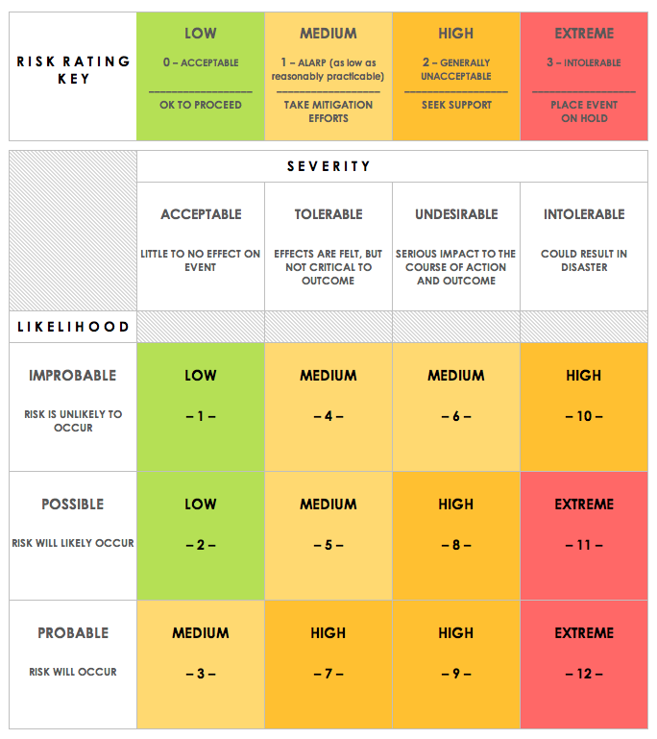
RISK MANAGEMENT MATRIX
NAME | ECG SMARTWATCH PROJECT |  |  |  | OBJECTIVE |  |  |  | DELIVER RISK CONTROL PLAN AND DESIRED ACTIONS, AT DESIGN REPORT RELEASE
REF/ID | PRE-MITIGATION |  |  |  | TYPE | ASSIGNED OWNER | DUE DATE | ACTION ID | MITIGATIONS / WARNINGS / REMEDIES | POST-MITIGATION |  |  |  | RISK SEVERITY KEY | RISK LIKELIHOOD KEY | RISK LEVEL KEY | ACCEPTABLE TO PROCEED? KEY
ID | RISK | RISK SEVERITY | RISK LIKELIHOOD | RISK LEVEL | TIMING / TECHNICAL / COST / RESOURCE AND SKILLS / REGULATORY / PROCESS / COMMUNICATION / ORGANISATION |  |  |  |  | RISK SEVERITY | RISK LIKELIHOOD | RISK LEVEL | ACCEPTABLE TO PROCEED?
ECGSM_01 | BATTERY AUTONOMY | UNDESIRABLE | POSSIBLE | HIGH | TECHNICAL | POWER USAGE TEAM | 2021-04-01 | ECG_ACT_01 | CONSUMPTION SIMULATION, BENCHMARK | unDESIRABLE | POSSIBLE | MEDIUM | YES | ACCEPTABLE | IMPROBABLE | LOW | YES
ECGSM_02 | LACK OF VALIDATION TESTING | TOLERABLE | POSSIBLE | HIGH | TIMING | VALIDATION TEAM | 2021-04-01 | ECG_ACT_02 | INCLUDE VALIDATION PLAN | TOLERABLE | IMPROBABLE | LOW | YES | TOLERABLE | POSSIBLE | MEDIUM | NO
ECGSM_03 | HOUSING NOT WATERPROOF | UNDESIRABLE | PROBABLE | HIGH | TECHNICAL | MECHANICAL TEAM | 2021-04-01 | ECG_ACT_03 | IMPROVED SEALING DESIGN | UNDESIRABLE | IMPROBABLE | LOW | YES | UNDESIRABLE | PROBABLE | HIGH
ECGSM_04 | FITNESS DATA PRIVACY | INTOLERABLE | PROBABLE | EXTREME | REGULATORY | LEGAL TEAM | 2020-12-18 | ECG_ACT_04 | ENSURE SAFE ENCRYPTING OF DATA STORAGE | INTOLERABLE | POSSIBLE | MEDIUM | YES | INTOLERABLE |  | EXTREME
ECGSM_05 | WATCH SIZE NOT FITTING | UNDESIRABLE | POSSIBLE | HIGH | TECHNICAL | MECHANICAL TEAM | 2020-12-18 | ECG_ACT_05 | BENCHMARK AVERAGE USER WRIST SIZE | UNDESIRABLE | IMPROBABLE | MEDIUM | YES
ECGSM_06 | CHARGER MONITORING FAILURE LEADING TO BATTERY OVERVOLTAGE | INTOLERABLE | POSSIBLE | EXTREME | SAFETY | POWER MANAGEMENT TEAM | 2020-12-18 | ECG_ACT_06 | ADD OVERVOLTAGE CHARGIN PROTECTION | INTOLERABLE | IMPROBABLE | HIGH
ECGSM_07 | POWER MONITORING: FAST BATTERY SOC DEPLETION | UNDESIRABLE | POSSIBLE | HIGH | TECHNICAL | POWER MANAGEMENT TEAM | 2020-12-18 | ECG_ACT_07 | ADJUST DISPLAY TIME STRATEGY | UNDESIRABLE | POSSIBLE | HIGH
ECGSM_08 | ACUTATOR LINEAR VIBRATION: MOTOR NOT OPERATING | UNDESIRABLE | POSSIBLE | HIGH | TECHNICAL | HARDWARE TEAM | 2020-12-18 | ECG_ACT_08 | RELIABILITY TESTING | UNDESIRABLE | IMPROBABLE | MEDIUM | YES
ECGSM_09 | ACUTATOR LINEAR VIBRATION: MOTOR OPERATING ERRONEOUSLY | INTOLERABLE | POSSIBLE | EXTREME | TECHNICAL | HARDWARE TEAM | 2020-12-18 | ECG_ACT_09 | VALIDATION PLAN | INTOLERABLE | IMPROBABLE | HIGH
ECGSM_10 | STORAGE: DATA NOT STORED (POSITION, MAP) | UNDESIRABLE | POSSIBLE | HIGH | TECHNICAL | SYSTEM TEAM | 2020-12-18 | ECG_ACT_10 | VALIDATION PLAN | UNDESIRABLE | IMPROBABLE | MEDIUM | YES
ECGSM_11 | SENSOR - CUSTOMER ERRONEOUSLY ALARMED BY HEART RATE INFORMATION TOO HIGH | INTOLERABLE | PROBABLE | EXTREME | TECHNICAL | SYSTEM TEAM | 2020-12-11 | ECG_ACT_11 | VALIDATION PLAN | INTOLERABLE | POSSIBLE | HIGH
ECGSM_12 | SENSOR - CUSTOMER ERRONEOUSLY ALARMED BY HEART RATE INFORMATION TOO HIGH | INTOLERABLE | PROBABLE | EXTREME | TECHNICAL | SYSTEM TEAM | 2020-12-11 | ECG_ACT_12 | VALIDATION PLAN | INTOLERABLE | POSSIBLE | HIGH
ECGSM_13 | SENSOR - CUSTOMER ERRONEOUSLY ALARMED BY SP2 INFORMATION TOO HIGH | UNDESIRABLE | PROBABLE | HIGH | TECHNICAL | SYSTEM TEAM | 2020-12-11 | ECG_ACT_13 | VALIDATION PLAN | UNDESIRABLE | POSSIBLE | HIGH
ECGSM_14 | SENSOR - CUSTOMER ERRONEOUSLY ALARMED BY SP2 INFORMATION TOO HIGH | UNDESIRABLE | PROBABLE | HIGH | TECHNICAL | SYSTEM TEAM | 2020-12-11 | ECG_ACT_14 | VALIDATION PLAN | UNDESIRABLE | POSSIBLE | HIGH
ECGSM_15 | SENSOR - 3 AXIS ACCELEROMETER - SENSITIVITY TO MOTION TOO LOW | UNDESIRABLE | POSSIBLE | HIGH | TECHNICAL | SYSTEM TEAM | 2020-12-11 | ECG_ACT_15 | VALIDATION PLAN | UNDESIRABLE | IMPROBABLE | MEDIUM | YES
ECGSM_16 | SENSOR - 3 AXIS ACCELEROMETER - SENSITIVITY TO MOTION TOO HIGH | UNDESIRABLE | POSSIBLE | HIGH | TECHNICAL | SYSTEM TEAM | 2020-12-11 | ECG_ACT_16 | VALIDATION PLAN | UNDESIRABLE | IMPROBABLE | MEDIUM | YES
ECGSM_17 | SENSOR - ECG - INTERMITTENT FAILURE TO CAPTURE | INTOLERABLE | POSSIBLE | EXTREME | TECHNICAL | HARDWARE TEAM | 2020-12-11 | ECG_ACT_17 | VALIDATION AND TESTING OF CAPTURE THRESHOLD ON DATABASE CARDIAC MALFUNCTION, METABOLIC ABNORMALITIES AND OR DRUGS IMPACTS | INTOLERABLE | IMPROBABLE | HIGH
ECGSM_18 | SENSOR - ECG - OVERSENSING CAPTURE FAILURE | UNDESIRABLE | POSSIBLE | HIGH | TECHNICAL | HARDWARE TEAM | 2020-12-11 | ECG_ACT_18 | VALIDATION PLAN | UNDESIRABLE | IMPROBABLE | MEDIUM | YES
ECGSM_19 | SENSOR - GPS RECEIVER SIGNAL INTERFERENCE | UNDESIRABLE | POSSIBLE | HIGH | TECHNICAL | HARDWARE TEAM | 2020-12-11 | ECG_ACT_19 | VALIDATION AND TESTING ON URBAN, DENSE AREA | UNDESIRABLE | IMPROBABLE | MEDIUM | YES
ECGSM_20 | SENSOR - GPS SIGNAL SPOOFING | UNDESIRABLE | POSSIBLE | HIGH | TECHNICAL | HARDWARE TEAM | 2020-12-11 | ECG_ACT_20 | VALIDATION PLAN | UNDESIRABLE | IMPROBABLE | MEDIUM | YES
ECGSM_21 | CAPACITIVE TOUCH OLED DISPLAY: not operating | INTOLERABLE | POSSIBLE | EXTREME | TECHNICAL | HARDWARE TEAM | 2020-12-11 | ECG_ACT_21 | VALIDATION PLAN | INTOLERABLE | IMPROBABLE | HIGH
ECGSM_22 | CAPACITIVE TOUCH OLED DISPLAY: intermittent display | INTOLERABLE | POSSIBLE | EXTREME | TECHNICAL | HARDWARE TEAM | 2020-12-11 | ECG_ACT_22 | VALIDATION PLAN | INTOLERABLE | IMPROBABLE | HIGH
ECGSM_23 | CAPACITIVE TOUCH OLED DISPLAY: operating intempestively | UNDESIRABLE | POSSIBLE | HIGH | TECHNICAL | HARDWARE TEAM | 2020-12-11 | ECG_ACT_23 | IDENTIFY ADDITIONAL PROJECT TEAM | UNDESIRABLE | IMPROBABLE | MEDIUM | YES
ECGSM_24 | BLUETOOTH MODULE - FAILURE TO PAIR WITH MOBILE DEVICE | UNDESIRABLE | POSSIBLE | HIGH | TECHNICAL | SW TEAM | 2020-12-11 | ECG_ACT_24 | VALIDATION PLAN | UNDESIRABLE | IMPROBABLE | MEDIUM | YES
ECGSM_25 | BLUETOOTH MODULE - FAILURE TO UPLOAD DATA TO MOBILE DEVICE | UNDESIRABLE | POSSIBLE | HIGH | TECHNICAL | SW TEAM | 2020-12-11 | ECG_ACT_25 | VALIDATION PLAN | UNDESIRABLE | IMPROBABLE | MEDIUM | YES
ECGSM_26 | BLUETOOTH MODULE - FAILURE TO DOWNLOAD DATA FROM MOBILE DEVICE | UNDESIRABLE | POSSIBLE | HIGH | TECHNICAL | SW TEAM | 2020-12-11 | ECG_ACT_26 | DEFINE USE CYCLES FOR MISSION PROFILE | UNDESIRABLE | IMPROBABLE | MEDIUM | YES
ECGSM_27 | BUTTON SENSOR NOT OPERATING: USER INPUT NOT DETECTED | INTOLERABLE | POSSIBLE | EXTREME | TECHNICAL | SW TEAM | 2020-12-11 | ECG_ACT_27 | VALIDATION PLAN | INTOLERABLE | IMPROBABLE | HIGH
ECGSM_28 | STAFF AVAILABILITY AFTER REPORT DELIVERY | TOLERABLE | PROBABLE | HIGH | RESOURCE | MANAGEMENT | 2020-12-11 | ECG_ACT_28 | FUND RAISING | TOLERABLE | POSSIBLE | MEDIUM | YES

