Sheet1
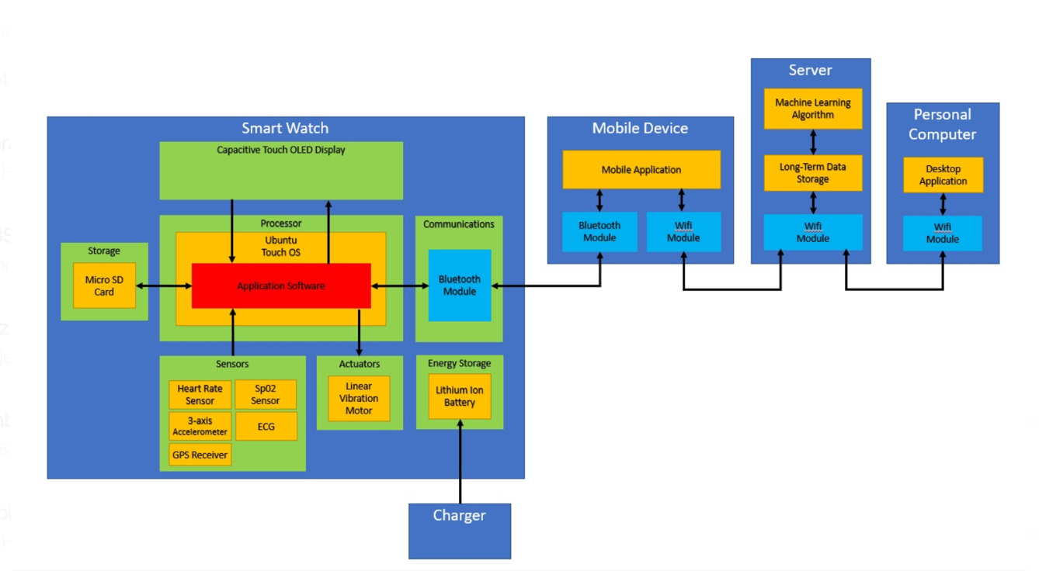
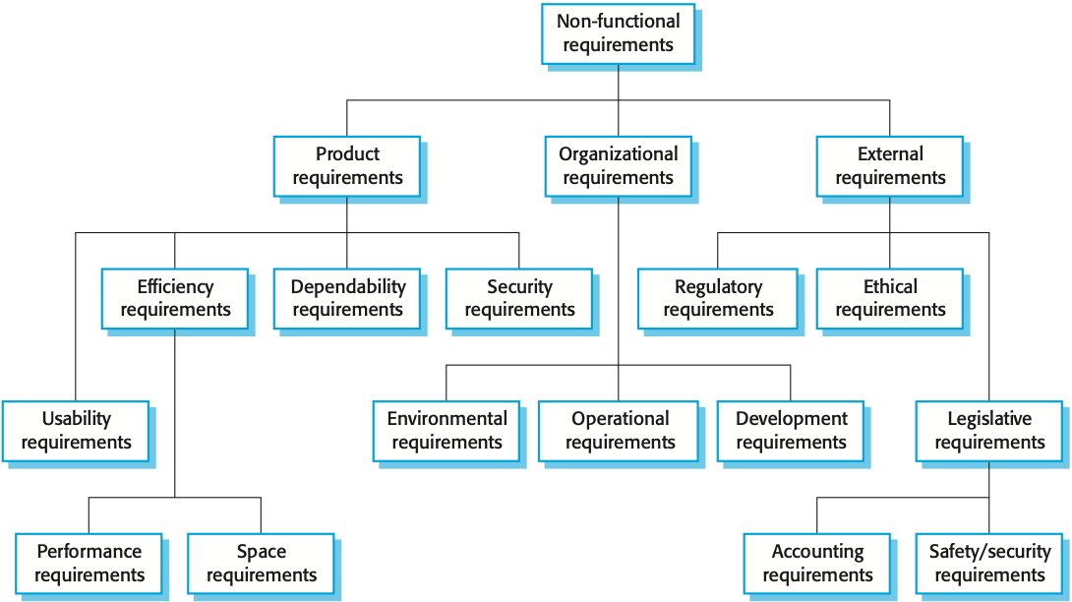
 |  | NON FUNCTIONAL REQUIREMENTS

 |  |  | PRIORITY
User Inputs:
 | - button (A)
 | - button (B)

CLOCK |  |  | HIGH
 | The clock shall activate when button A is pressed for more than 3 seconds. |  | HIGH
 | The clock shall deactivate when buttons A+B are pressed for more than 3 seconds. |  | HIGH
 | At power-on the clock shall read the settings and load the clock time from mobile phone. If connection is not available, default 00:00 is used. |  | HIGH | USER REQUIREMENTS | CONSULT TIME (HOURS, MINUTES, SECONDS)
 |  |  |  |  | CONSULT DAILY ACTIVITY - STEP COUNTS
DISPLAY |  |  |  |  | CONSULT HEART RATE over 30 seconds recording
 |  |  |  |  | CONSULT SLEEP TIME
 | Display - views |  |  |  | CONSULT MAP POSITION
 | - Clock with hands: default view at start-up |  | LOW |  | CONSULT SMARTWATCH DATA ON MOBILE DEVICE
 | The watch shall display the current time using clock with hands display (hours, minutes and seconds hands) |  | LOW
 | The watch shall change to "Clock with digits" when button A is pressed. |  | LOW | SYSTEM ARCHITECTURE
 | The watch shall change to "Change display view" view when button B is pressed. |  | LOW |  |  | FUNCTION | DESCRIPTION | INPUTS | SOURCE | OUTPUTS | DESTINATION
 |  |  |  | SYSTEM REQUIREMENTS SPECIFICATION | DISPLAY TIME (HOURS, MINUTES, SECONDS) | FUNCTION CLOCK |  | TICK | INTERNAL CLOCK
 | - Clock with digits: |  | HIGH |  | DISPLAY DAILY ACTIVITY - STEP COUNTS | MOTION |  | ACCELERATION MEASURE | ACCELEROMETER | STEPS
 | The watch shall display the current time using clock with digits (hours and minutes) |  | HIGH |  | DISPLAY HEART RATE over 30 seconds recording | HEART RATE |  | ? | ?
 | The watch shall display the battery life indicator. |  | HIGH |  | DISPLAY SLEEP TIME | SLEEP TIME |  | ? | SPO2 | SLEEP DURATION
 | The watch shall change to "Clock with hands" when button A is pressed. |  | HIGH |  | DISPLAY MAP POSITION | MAP POSITION |  | GPS TIME SIGNAL | GPS RECEIVER | LATITUDE, LONGITUDE
 | The watch shall change to "Change display view" view when button B is pressed. |  | HIGH |  | DISPLAY SMARTWATCH DATA ON MOBILE DEVICE | NEWS |  | DATA | BLUETOOTH MODULE | ?
 |  |  |  |  |  | WEATHER |  | DATA | BLUETOOTH MODULE | TEMPERATURE, CURRENT WEATHER
 | - Change display view: |  |  |  | DISPLAY BATTERY SOC | POWER MANAGER |  |  | ENERGY STORAGE
 | Display options are:
 | News |  | LOW
 | Weather |  | LOW
 | Step counts |  | HIGH
 | Heart rate |  | HIGH | PRODUCT REQUIREMENT
 | ECG |  | HIGH | USABILITY | The smartwatch shall be used by any human user aged [7;77]
 | Sp02 |  | HIGH | USABILITY | The smartwatch shall be worn all day [day;night]
 | Map |  | HIGH | ENVIRONMENTAL | The smartwatch shall be water proof (IP4X) / human sweat proof
 | Settings |  | HIGH | ENVIRONMENTAL | The smartwatch shall be used in temperature range [-20;50] degC
 | Power off |  | HIGH | OPERATIONAL | By default, the smartwatch shall display continuously the clock view
 | The watch shall change selected view when button A is pressed. |  |  | SPACE | The smartwatch shall be stored in casing of [L, W, H] cm
 | The watch shall activate the selected view when button B is pressed. |  |  | PERFORMANCE | The smartwatch shall have a battery autonomy greater than 24h @0 months, 23h @6months, 22h @12 months, 20h@24 months.
 | The watch shall deactivate when "Power off" is selected.

 | Q1: select display view back to clock with hands?
NEWS |  |  |  | PERFORMANCE | News data size?
 | - News view: |  | LOW | PERFORMANCE | Continuous communication by Bluebooth to mobile device
 | The watch shall connect to the mobile phone to retrieve the news info through the Bluetooth connection. If connection is available, the news page is displayed otherwise an error message is displayed. |  | LOW | OPERATIONAL | On News view mode, the smartwatch shall download by Bluetooth the news data configured by the mobile device.
 | The watch shall change to "Change display view" view when button B is pressed. |  | LOW | OPERATIONAL | On News view mode, if the smartwatch cannot download the news data within 2 seconds, it shall display Error Message for 5 seconds.
 |  |  |  | OPERATIONAL | On News view mode, the smartwatch shall display the news data, configured by the mobile device.
 | Q2: Other attributes for continuous Bluetooth communication with companion device (smartphone, server, cloud service, …)
 |  |  |  | PERFORMANCE | Continuous communication by Bluebooth to mobile device
WEATHER |  |  |  | OPERATIONAL | On Weather view mode, the smartwatch shall download by Bluetooth the temperature and weather information from the mobile device.
 | - Weather view: |  | LOW | OPERATIONAL | On Weather view mode, if the smartwatch cannot download the temperature and weather information within 2 seconds, it shall display an Error message during 5 seconds.
 | The watch shall connect to the mobile phone to retrieve the weather info through the bluetooth connection. If connection is available, the weather page is displayed otherwise an error message is displayed. |  | LOW | OPERATIONAL | On Weather view mode, the smartwatch shall display the temperature and weather information for 5 seconds.
 | The watch shall change to "Change display view" view when button B is pressed. |  | LOW
HEART RATE |  |  | HIGH
 | - Heart rate view: |  | HIGH | PERFORMANCE | FITNESS TRACKER
 | The watch shall display the current heart rate. If not available, an error message is displayed. |  | HIGH
 | The watch shall change to "Change display view" view when button B is pressed. |  | HIGH
ECG |  |  | HIGH | LEGISLATION | GDPR CONFIDENTIAL DATA
 | - ECG view: |  | HIGH | PERFORMANCE | FITNESS TRACKER
 | The watch shall display the ECG. If not available, an error message is displayed. |  | HIGH
 | The watch shall change to "Change display view" view when button B is pressed. |  | HIGH
SLEEP |  |  | HIGH | PERFORMANCE
 | The watch shall display the recorded Sleep time. If not available, an error message is displayed. |  | HIGH | OPERATION
 | The watch shall change to "Change display view" view when button B is pressed. |  | HIGH
MAP |  |  | HIGH
 |  |  | HIGH
 | - Map view: |  | HIGH
 | The watch shall connect to the mobile phone to retrieve the map info through the Bluetooth, according to the position indicated by the GPS tracker. If connection is not available or GPS position is not available with enough precision (100 m), an error message is displayed. |  | HIGH
 | The watch shall dynamically display a dot over the map to indicate the GPS position of the watch. |  | HIGH
 | Default zoom is 100%. The watch shall change the zoom option when button A is pressed circularly between these values: 75% - 50% - 25% - 100% - 150% - 200% - 100% |  | HIGH
 | The watch shall change to "Change display view" when button B is pressed. |  | HIGH
SETTINGS
 | - Settings view:
 | A list of options are available:
 | 1)brightness bar |  | HIGH
 | 2)bluetooth on/off
 | 3)news notification on/off |  | LOW
 | 4)far from home app notification on/off (for elderly mostly) |  | LOW
 | 5)health status check on/off |  | HIGH
 | 6)change home position to current GPS position |  | LOW
 | 7)return to change view menu

 | The watch shall change option when button A is pressed (default brightness).
 | The watch shall change option value or activate the selected option when button B is pressed.
 | 1) Brightness setting (default 50%)
 | The watch shall change the brightness option when button A is pressed circularly between these values: 100% - 75% - 50% - 25% | to update | HIGH | PERFORMANCE | DEFAULT BRIGHTNESS SETTING

 | 2) Activate or deactivate bluetooth (default on)
 | 3) If activated, news are notified and displayed in any view except hand clock view (default off) |  | LOW
 | 4) If activated, a notification is sent when GPS position is more than 5km from configured home position (walk distance) (default off) |  | LOW
 | 5) If activated, a notification is sent when when health status is considered problematic according to AI algorithm (default off) |  | HIGH
 | 6) Set the home position used in point 4 as the current GPS position. If GPS is not availble with enough precision (100 m), an error message is displayed. |  | LOW
 | 7) Return to change view menu and save the current settings on storage card.
 | When a notification is sent a vibration is also sent through actuators (except for news notification). |  | HIGH |  | On HEALTH STATUS CHECK, or ACTIVITY REMINDER
POWER MANAGER
 | Power management (background) |  | HIGH
 | The clock shall go to low-power stand-by mode when a movement is not detected from accelerometer for at least 5 seconds. |  | HIGH | PERFORMANCE | On clock display mode, the Motion function shall turn off the clock view when the Motion Function does not sense motion for more than 5 seconds.
 | The clock shall reactivate from low power mode when a movement is detected from accelerometer. |  | HIGH | PERFORMANCE | The Motion function shall be running in low power mode (stand-by mode).
 | The power value is always measured in background and when under 10%, a vibration is sent through actuators and the display change to low brightness. When it returns over 10%, it recovers the saved brightness setting. |  | HIGH | DEPENDABILITY | The Power Manager function shall trigger the actuator (X times during X sec), when battery SOC is lower than 10%.
 | The power value is always measured in background and when under 10%, a vibration is sent through actuators and the display change to low brightness. When it returns over 10%, it recovers the saved brightness setting. |  | HIGH | DEPENDABILITY | The Power Manager function shall set the display brightness to 25%, when battery SOC is lower than 10%.
 |  |  |  | DEPENDABILITY | The Power Manager function shall set the display brightness to 100%, when battery SOC is greater than 10%.

