Sheet1
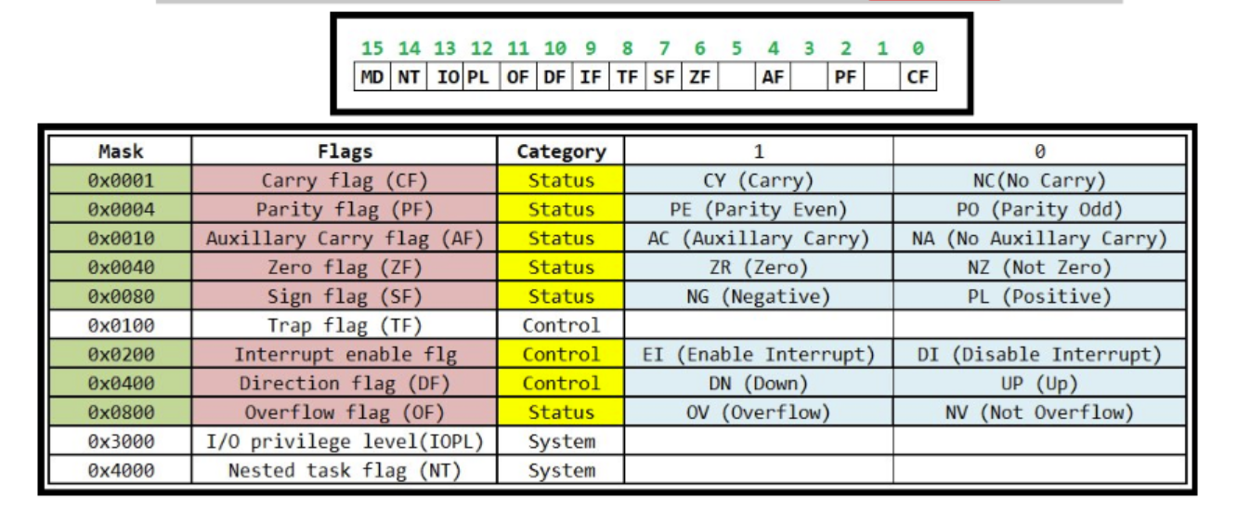
 | 15 | 14 | 13 | 12 | 11 | 10 | 9 | 8 | 7 | 6 | 5 | 4 | 3 | 2 | 1 | 0
7282 | 0 | 0 | 0 | 1 | 0 | 0 | 1 | 0 | 1 | 0 | 0 | 0 | 0 | 0 | 1 | 0

