quotation
JIANGXI AICARE MEDICAL TECHNOLOGY CO.,LTD.
Add:No.6, South Side of Nanhuan Road, Le'an County, Fuzhou City,Jiangxi Province, China
Contact: Hanson Han Tel/Whatsapp:+86 13691698605 Email: hanmeng@spt-tek.com

Photos | Item# | Specification | Accessories | MOQ | Inner / Pcs | Master Ctn Size | EXW without battery (RMB/pc， with VAT)
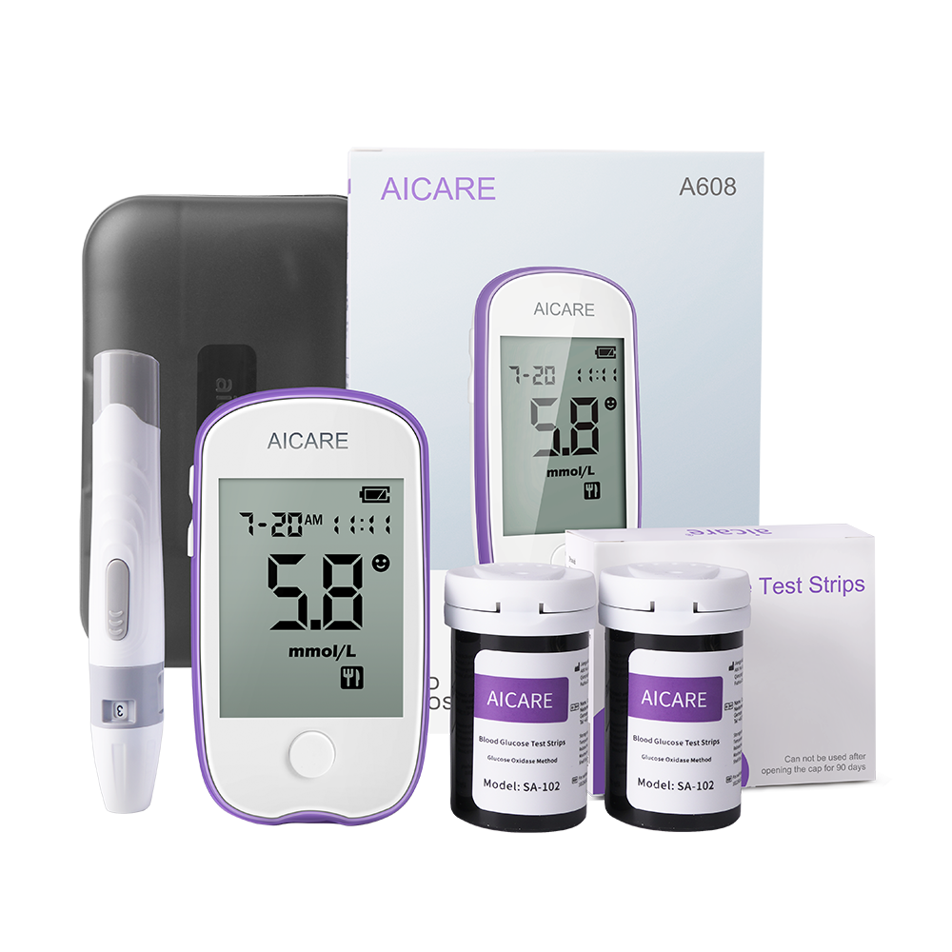 | BGM-A608 | Utilizing glucose oxidase method and biometric sensing technology for better accuracy 0.7μL minimal blood sampling, almost painless, 5 seconds to swiftly measure blood glucose levels 99 data memory, able to check the average values of the latest 7 days, 14 days, and 30 days of testing. High-resolution large screen, allowing elderly individuals to see and hear clearly Long standby time, reducing battery replacement frequency, saving and convenient | A608 meter*1,carry box*1,lancing device*1,user manual, CR2032*1 battery option | 4000 | 50 | 60*26.5*35CM/10.5KG | ￥22.00
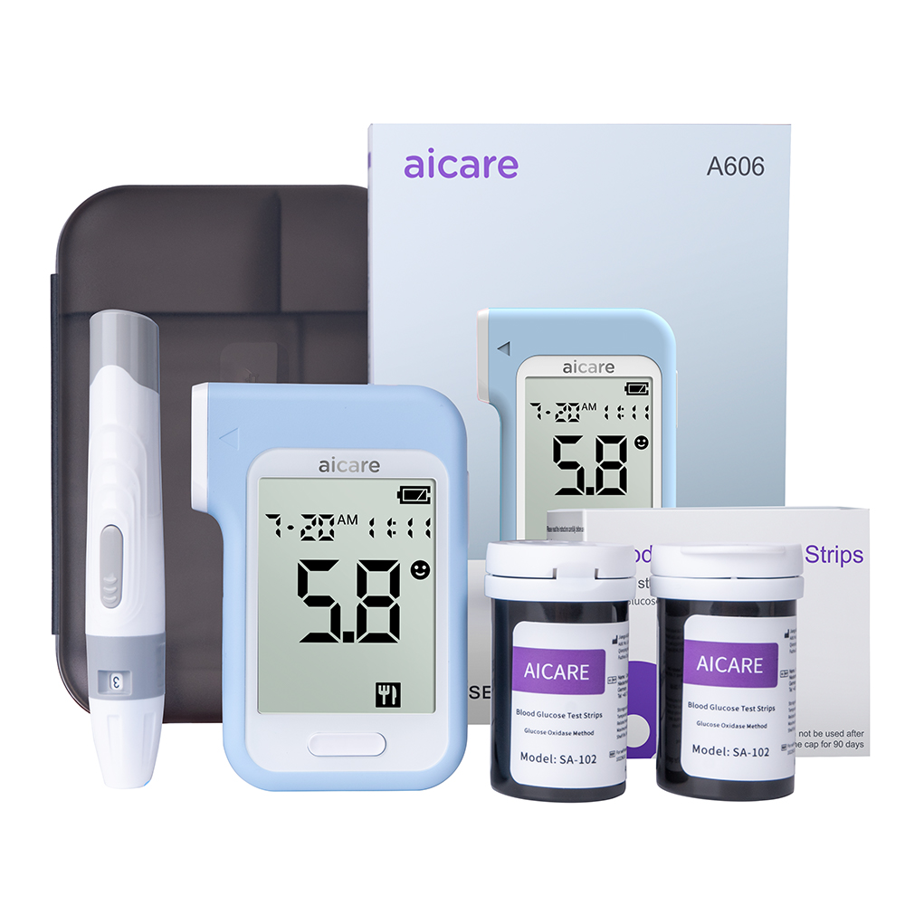 | BGM-A606 | Glucose oxidase technology measurement, stable readings, reliable results 0.7μL minimal blood sampling, 5 seconds for rapid blood glucose testing, no need to wait One-touch strip ejection, convenient and hygienic, avoiding cross-contamination High-resolution large screen, convenient for middle-aged and elderly individuals to view measurement data 99 data memory, able to check the average values of the latest 7 days, 14 days, and 30 days of testing. Before meal and after meal separated records. | A606 meter*1,carry box*1,lancing device*1,user manual, CR2032*1 battery option | 4000 | 50 | 60*26.5*35CM/10.5KG | ￥25.00
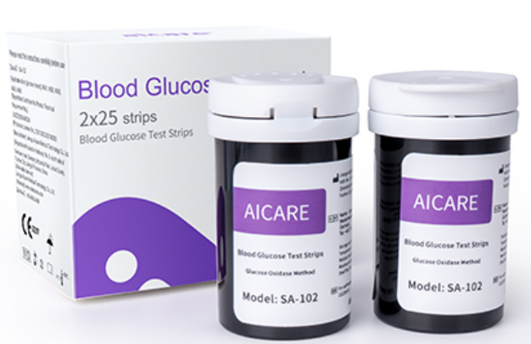 | SA-102 | RBC extrusion compensation Glucose Oxidase Technology Micro blood collection>=0.7uL | 2 bottleX25PCS/one box | 8000 | 100 | 38*25*27cm/5.3kg | ￥12.00
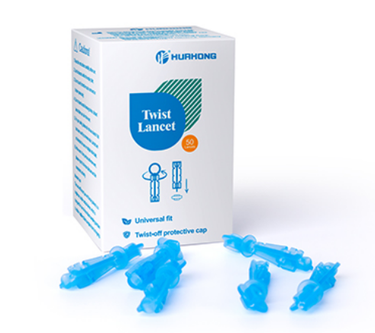 | lancet-30g type |  | 50 pcs/box | 8000 | 400 | 420*342*337MM/9.8KG | ￥1.20
Price Term & Warranty |  | 1. Payment item: 30~40% as deposit in advance, and balance before shipment.
 |  | 2.OEM customized services:Logo&Packaging box: MOQ 3000pcs;
 |  | 3. Offer validity : Validity before 31st May.,2025

