XF-1
Appearance | Specifications |  | Model XF-1
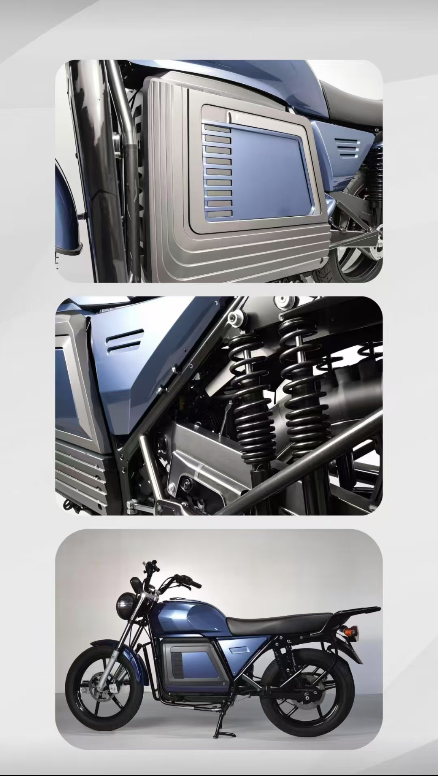 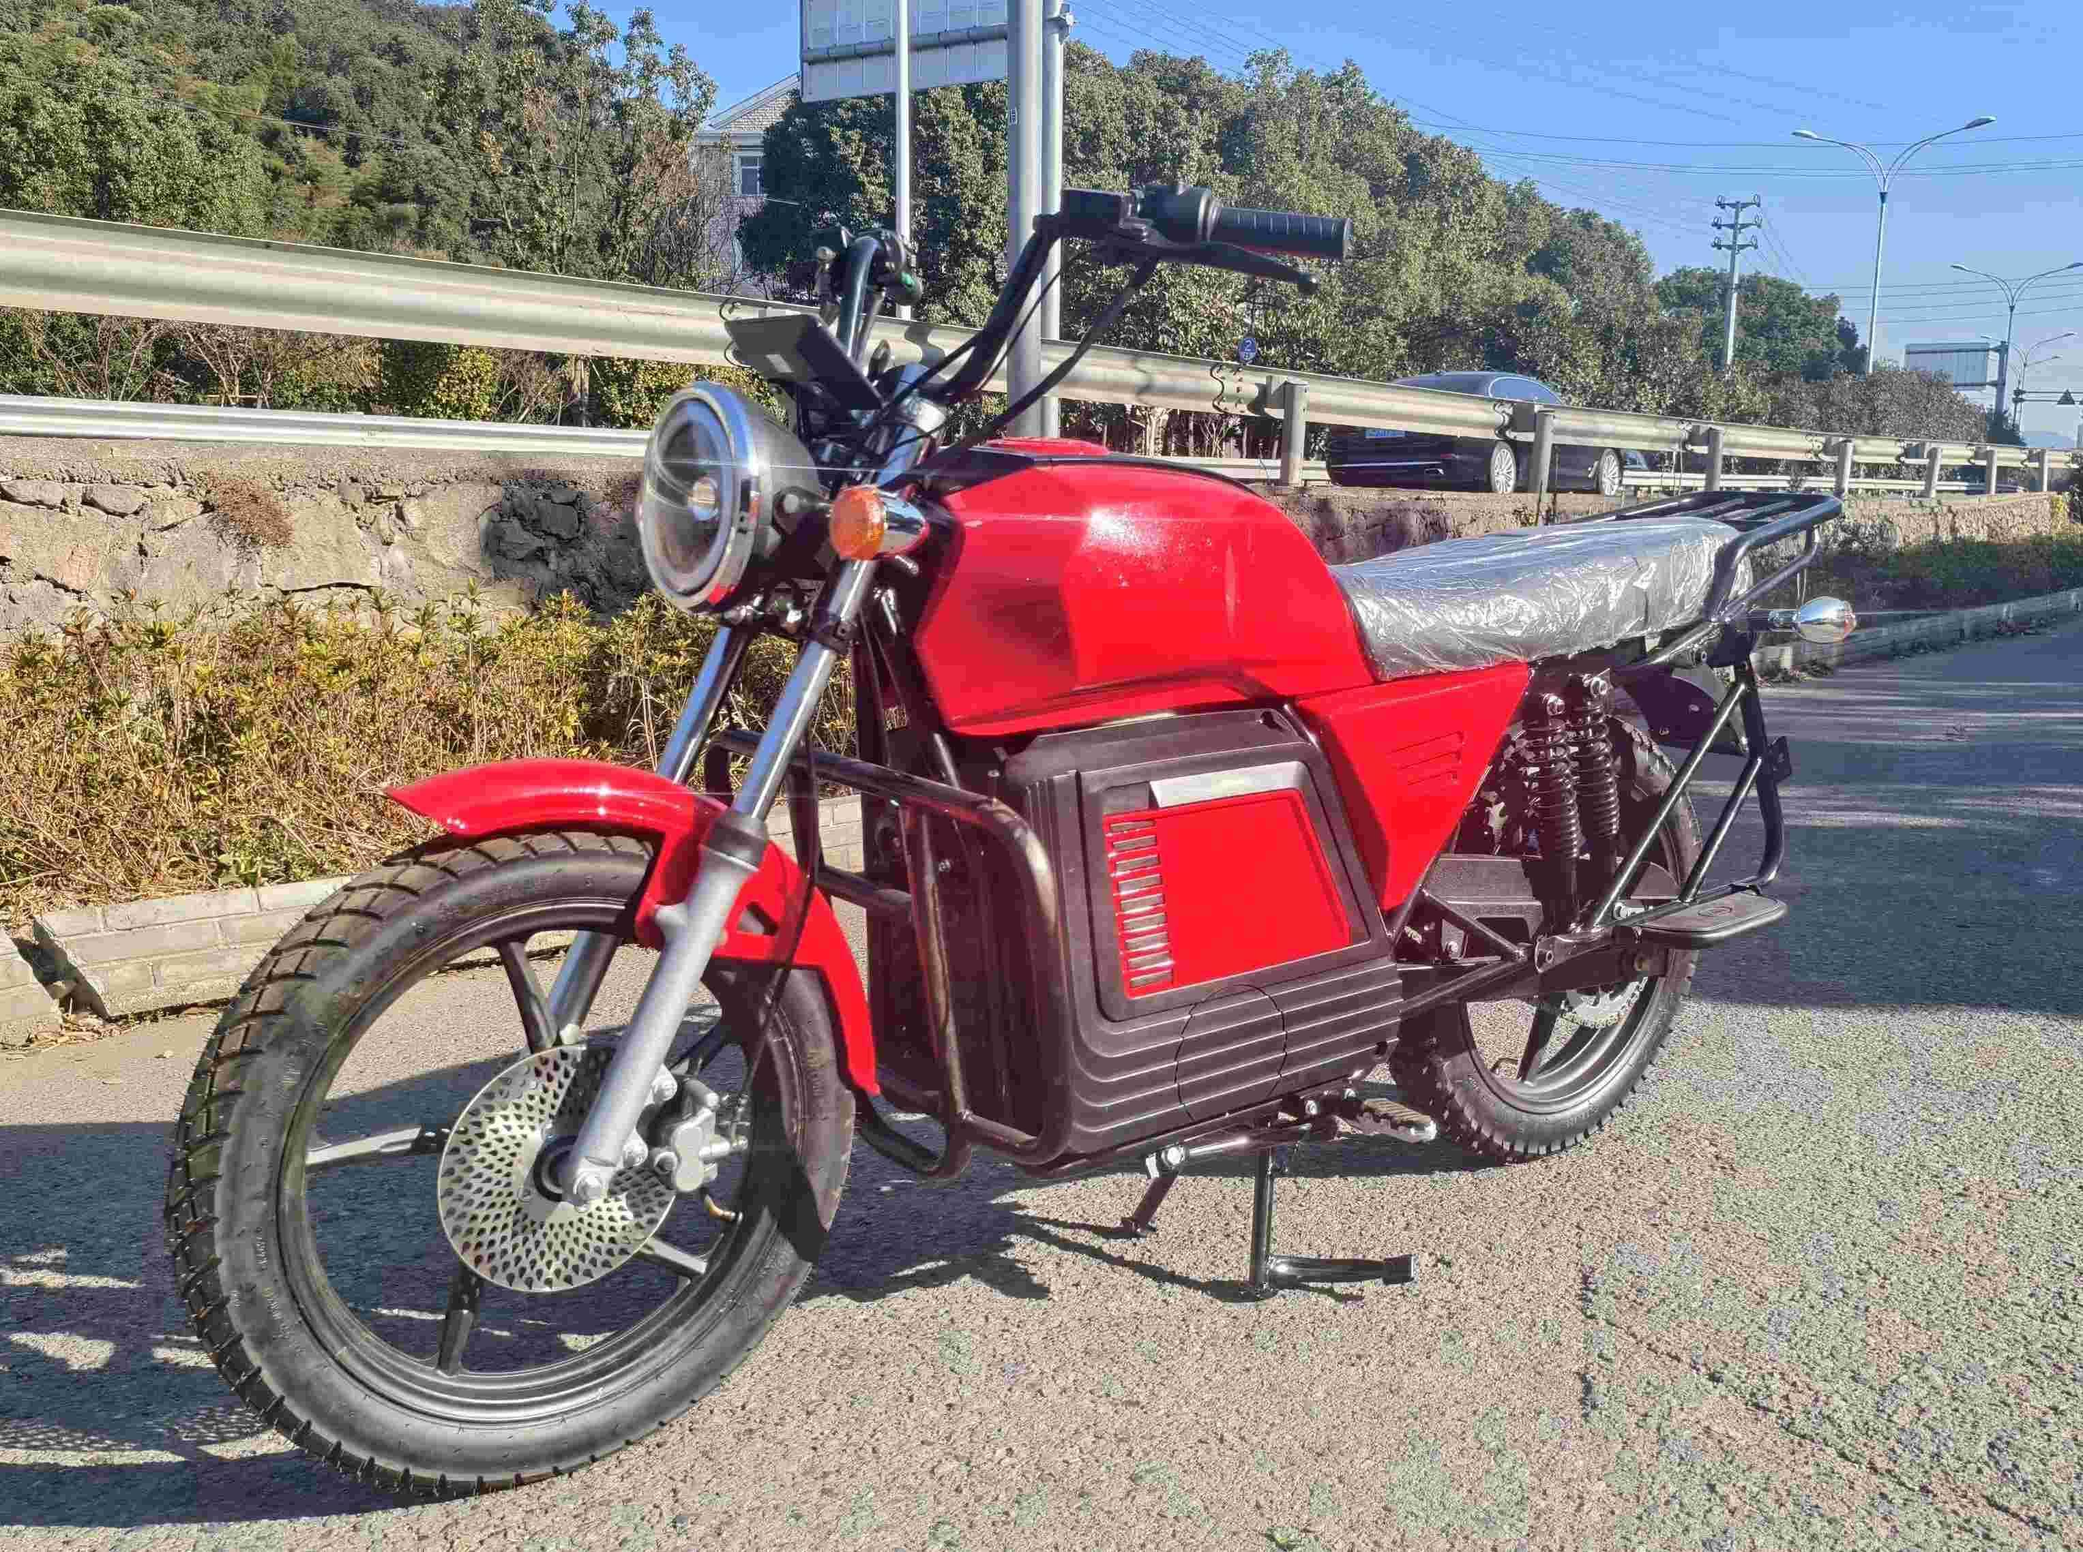 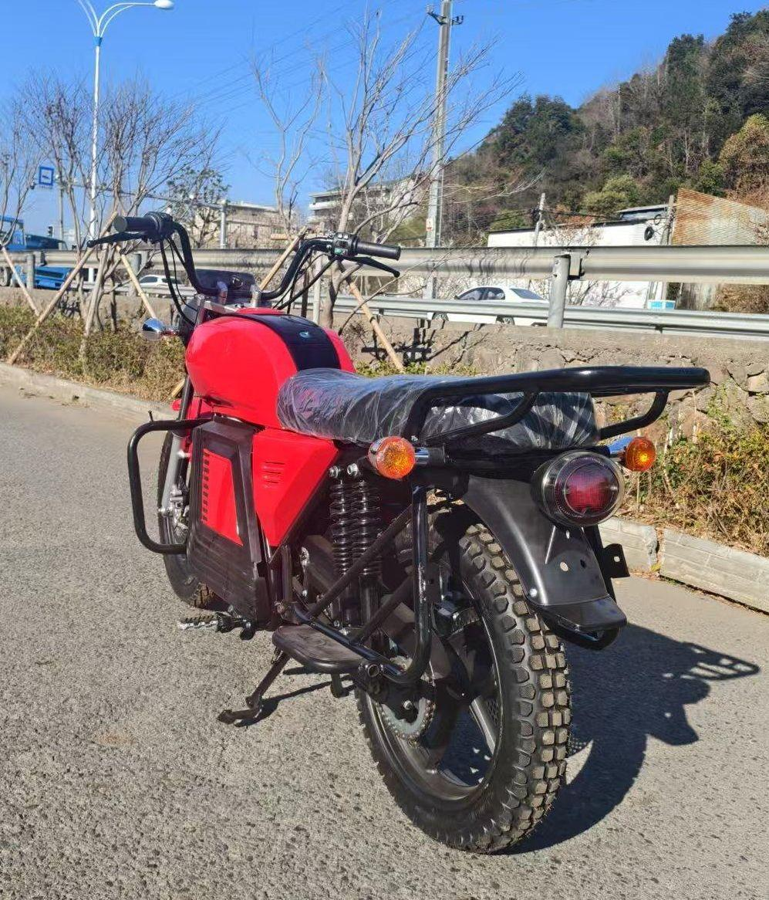 | Power specifications | Motor Power | 4000W Mid Motor
 |  | Max. Speed | 90 Km/h
 |  | Controller | 150A
 |  | Battery Capacity | 72V45AH Removable Lithium battery
 |  | Charging Period | 4.5 Hour (AC220V)
 |  | Range / Per charge | 100 Km
 | Electrical specifications | Start Mode | Key Start
 |  | Speedometer | Digital
 |  | Headlights | LED
 |  | USB Port | USB-A*1
 |  | Burglar Alarm | YES
 | Bodywork Specification | FR Rim | Aluminum alloy
 |  | FR&RR Tyre | FR 2.75-18; RR 3.5-17 Tubeless
 |  | FR Brake | Disc Brake
 |  | RR Brake | Disc Brake
 |  | Shock Absorber | FR Hydraulic & FR Spring
 |  | Dimension | 2040mm*800mm*1056mm
 |  | Wheelbase | 1440mm
 |  | Ground clearance | 180mm
 | Packaging specifications | Accessories | Rearview Mirror; User’s manual; Steel guard;
 |  | Packaging material | Carton with steel bracket
 |  | Gross Weight | 120 Kg
 |  | PCS / 40HQ | 72 PCS (SKD)
 | EXW PRICE 不含税 |  | EV: CNY 4980 Battery: CNY 2530 Charger: CNY 230

