testing
 |  |  |  |  |  |  |  |  |  |  |  | Settings:
 | BambuLab PET-CF (vs PPA-CF data from previous video) |  |  |  |  |  |  |  |  | From previous video: |  | PET-CF | 270/90°C | Printed on BambuLab X1C, Engineering plate + glue stick, flow 8 mm³/s
 | MyTechFun, 2024-10-27 |  |  |  |  |  |  |  |  |  |  | PPA-CF | 290/100°C | Printed on BambuLab X1C, Engineering plate + glue stick, flow 8 mm³/s
 | Test object on Printables: |  | https://www.printables.com/model/465670-mytechfun-test-objects |  |  |  |  |  |  |  |  | PET-CF anneal = |  | 110°C / 2h Enough for my small test objects
Deformation in the creep test
 | RAW DATA:
 | Creep test C-bending, reference surface [mm] (default 12mm), constant load 1,25 kg
 |  | No Load | 0 | 1 | 2 | 3 | 4 | 5
 | PET-CF | 12 | 12.59 | 12.61 | 12.64 | 12.67 | 12.69 | 12.70
 | PPA-CF | 12 | 12.35 | 12.39 | 12.41 | 12.42 | 12.44 | 12.45
 | The difference between 2 days:
 |  | 1 | 2 | 3 | 4 | 5
 | PET-CF | 0.02 | 0.03 | 0.03 | 0.02 | 0.01
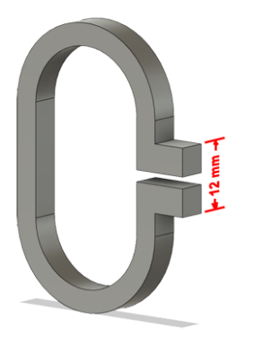
 | PPA-CF | 0.04 | 0.02 | 0.01 | 0.02 | 0.01
Creeping (changes between 2 days)



Tensile test, break load (kg)
Layer adhesion test, break load (kg)
 | Tensile test, break load (kg)
 |  | Test 1 | Test 2 | Average (kg) | MPa
 | PET-CF | 108.0 | 115.5 | 111.8 | 68.5
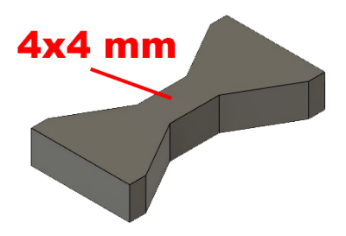
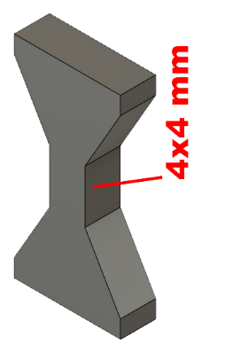
 | PET-CF anneal | 102.6 | 131.0 | 116.8 | 71.6
 | PPA-CF | 170.6 | 159.5 | 165.1 | 101.2
 | Min area 4x4mm

 | Layer adhesion test, break load (kg)
 |  | Test 1 | Test 2 | Average | MPa
 | PET-CF | 46.3 | 46.7 | 46.5 | 28.5
 | PET-CF anneal | 50.4 | 51.8 | 51.1 | 31.3
 | PPA-CF | 34.8 | 36.4 | 35.6 | 21.8
 | Min area 4x4mm, vertical test specimen


Shear stress, horizontal, break load (kg)
Vertical objects, break load (kg)
 | Shear stress test, break load (kg)
 | HORIZONTAL
 |  | Break kg | MPa
 | PET-CF | 208.4 | 52.1
* | PPA-CF | 296.0 | 73.9
 | *over 296 kg (out of my range)

 | Area: 2 x Ø 5 mm

 | VERTICAL
 |  | Break kg | MPa
 | PET-CF | 75.5 | 18.9
 | PPA-CF | 82.5 | 20.6

 | Area: 2 x Ø 5 mm

Bending test, deformation after 30 sec. (mm)
 | Bending. Deformation at given load after 30 sec, (mm)
 |  | 1.25kg | 2.5kg | 5kg | 10kg
 | PET-CF | 0.14 | 0.25 | 0.46 | 0.87
 | PET-CF anneal | 0.19 | 0.31 | 0.54 | 0.95
 | PPA-CF | 0.09 | 0.16 | 0.29 | 0.54
 | Bending ISO178 (dist. Between supports 50mm)
 | More info about bending in next graph
 | (smaller values are better)



 | Bending, deformation at given load after 1", 30" and 60"
 |  | 1,25kg 1" | 1,25kg 30" | 1,25kg 60" | 2,5kg 1" | 2,5kg 30" | 2,5kg 60" | 5kg 1" | 5kg 30" | 5kg 60" | 10kg 1" | 10kg 30" | 10kg 60"
 | PET-CF | 0.14 | 0.14 | 0.14 | 0.25 | 0.25 | 0.25 | 0.46 | 0.46 | 0.46 | 0.86 | 0.87 | 0.87
 | PET-CF anneal. | 0.18 | 0.19 | 0.19 | 0.31 | 0.31 | 0.31 | 0.53 | 0.54 | 0.55 | 0.93 | 0.95 | 0.95
 | PPA-CF | 0.09 | 0.09 | 0.09 | 0.16 | 0.16 | 0.16 | 0.29 | 0.29 | 0.29 | 0.53 | 0.54 | 0.54

Bending, deformation at load

1,25 kg 2.5 kg 5 kg 10 kg

(horizontal) Load at 90° [Nm]
(vertical) Max Nm
 | Torque (twist) test, Nm
 | HORIZONTAL
 |  | Load at 90° | Max Nm | Approx turns
 | PET-CF | 1.5 | 1.5 | 0.3
 | PPA-CF | 2.3 | 2.3 | 0.24
 | *PPA-CF break was at approx 85° (not 90°)
 | but for better comparison, I am using this number.


 | VERTICAL (layer adhesion is important)
 |  | Load at 90° | Max Nm | Approx turns
 | PET-CF | - | 1.6 | 0.2
 | PPA-CF | 1.9 | 1.9 | 0.25

E break [kJ/m²]
 | Izod impact test, E break in Joules
 |  | dH [mm] | E br [J] | kJ/m²
 | PET-CF | 50 | 0.245 | 7.66
 | PET-CF anneal | 29 | 0.142 | 4.45
 | PPA-CF | 53 | 0.260 | 8.12
 | 0,5 kg hammer


Temperature, deform °C
 | Temperature test
 |  | Deform °C
 | PET-CF | 120
 | PET-CF anneal | 210 | *
 | PPA-CF | 210 | *
 | *probably even more, the experiment was stopped at this temperature
 | This is only a 20-minute test,

 | it is not recommended to use object continuously at this temp.

 | Price
 |  | USD / 1 kg
 | PET-CF | 85
 | PPA-CF | 200

 | *calculated for 1 kg

