Sheet1
 |  |  |  |  |  |  |  |  |  |  | Settings:
Tinmorry PLA-CF vs PETG-CF |  |  |  |  |  |  |  |  |  |  | PLA-CF | 240/65°C | X1C, Flow: 16 mm³/s (hardened steel nozzle)
MyTechFun, 2024-11-07 |  |  |  |  |  |  |  |  |  |  | PETG-CF | 260/80°C | X1C, Flow: 16 mm³/s (hardened steel nozzle)
Test object on Printables: |  | https://www.printables.com/model/465670-mytechfun-test-objects |  |  |  |  |  |  |  |  |  |  | Both textured PEI, no glue
Deformation in the creep test
RAW DATA:
Creep test C-bending, reference surface [mm] (default 12mm), constant load 1,25 kg
 | No Load | 0 | 1 | 2 | 3 | 4 | 5
PLA-CF | 12 | 14.03 | 14.14 | 14.20 | 14.25 | 14.29 | 14.32
PETG-CF | 12 | 14.75 | 14.84 | 14.90 | 14.97 | 15.04 | 15.11
Very constant room temperature (basement)

The difference between 2 days:
 | 1 | 2 | 3 | 4 | 5
PLA-CF | 0.11 | 0.06 | 0.05 | 0.04 | 0.03
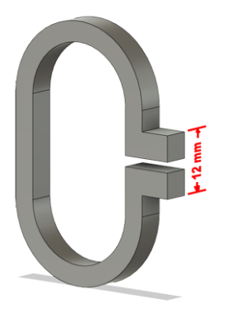
PETG-CF | 0.09 | 0.06 | 0.07 | 0.07 | 0.07

Creeping (changes between 2 days)
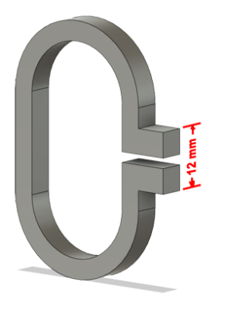

Tensile test, break load (kg)
Layer adhesion test, break load (kg)
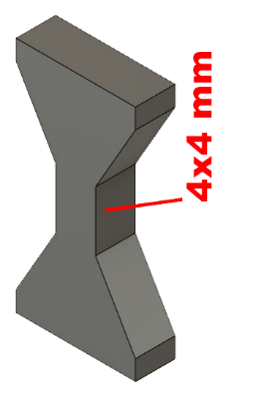
Tensile test, break load (kg)
 | Test 1 | Test 2 | Average (kg) | MPa
PLA-CF | 97.1 | 94.7 | 95.9 | 58.8
PETG-CF | 91.1 | 91.8 | 91.4 | 56.1
Min area 4x4mm

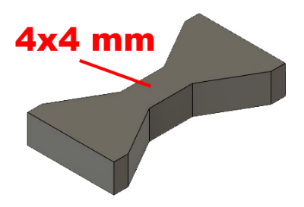

Layer adhesion test, break load (kg)
 | Test 1 | Test 2 | Average | MPa
PLA-CF | 59.4 | 57.8 | 58.6 | 35.9
PETG-CF | 53.9 | 57.8 | 55.8 | 34.2
Min area 4x4mm, vertical test specimen


Shear stress, horizontal, break load (kg)
Vertical objects, break load (kg)
Shear stress test, break load (kg)
HORIZONTAL
 | Break kg | MPa
PLA-CF | 174.8 | 43.7
PETG-CF | 122.7 | 30.7
Area: 2 x Ø 5 mm

VERTICAL
 | Break kg | MPa
PLA-CF | 113.2 | 28.3
PETG-CF | 115.0 | 28.7
Area: 2 x Ø 5 mm

Bending test, deformation after 30 sec. (mm)
Bending. Deformation at given load after 30 sec, (mm)
 | 1.25kg | 2.5kg | 5kg | 10kg
PLA-CF | 0.20 | 0.37 | 0.73 | 1.46
PETG-CF | 0.30 | 0.56 | 1.09 | 2.30

Bending ISO178 (dist. Between supports 50mm)
More info about bending in next graph
(smaller values are better)



Bending, deformation at given load after 1", 30" and 60"
 | 1,25kg 1" | 1,25kg 30" | 1,25kg 60" | 2,5kg 1" | 2,5kg 30" | 2,5kg 60" | 5kg 1" | 5kg 30" | 5kg 60" | 10kg 1" | 10kg 30" | 10kg 60"
PLA-CF | 0.19 | 0.20 | 0.20 | 0.37 | 0.37 | 0.38 | 0.72 | 0.73 | 0.73 | 1.42 | 1.46 | 1.47
PETG-CF | 0.29 | 0.30 | 0.30 | 0.56 | 0.56 | 0.56 | 1.09 | 1.09 | 1.09 | 2.25 | 2.30 | 2.34

Bending, deformation at load

1,25 kg 2.5 kg 5 kg 10 kg

(horizontal) Load at 90° [Nm]
(vertical) Max Nm
Torque (twist) test, Nm
HORIZONTAL
 | Load at 90° | Max Nm | Approx turns
PLA-CF | 2 | 2.1 | 0.8
PETG-CF | 1.5 | 1.6 | 0.8


VERTICAL (layer adhesion is important)
 | Load at 90° | Max Nm | Approx turns
PLA-CF | - | 2 | 0.5
PETG-CF | - | 1.3 | 0.4

E break [kJ/m²]
Izod impact test, E break in Joules
 | dH [mm] | E br [J] | kJ/m²
PLA-CF | 28 | 0.137 | 4.3
PETG-CF | 19 | 0.093 | 2.9



Temperature, deform °C
Temperature test
 | Deform °C
PLA-CF | 57
PETG-CF | 75

This is only a 15-minute test,
it is not recommended to use object continuously at this temp.


Price (2024-11-06)
 | USD
PLA-CF | 29.51
PETG-CF | 29.51

