Sheet1
 |  |  |  |  |  |  |  |  |  |  | Settings:
BambuLab PC (3 colors: white, transparent, clear black ) |  |  |  |  |  |  |  |  |  |  | White | 280/110°C | Printed on BambuLab X1C, Engineering plate + glue stick, Flow 18
MyTechFun, 2024-09-29 |  |  |  |  |  |  |  |  |  |  | Transparent | 280/110°C | same g-code
Test object on Printables: |  | https://www.printables.com/model/465670-mytechfun-test-objects |  |  |  |  |  |  |  |  | Clear Black | 280/110°C | same g-code
Deformation in the creep test
RAW DATA:
Creep test C-bending, reference surface [mm] (default 12mm), constant load 1,25 kg
 | No Load | 0 | 1 | 2 | 3 | 4 | 5
White | 12 | 15.84 | 16.02 | 16.16 | 16.19 | 16.21 | 16.24
Transparent | 12 | 16.07 | 16.19 | 16.30 | 16.38 | 16.40 | 16.40
Clear Black | 12 | 16.07 | 16.25 | 16.39 | 16.50 | 16.56 | 16.58

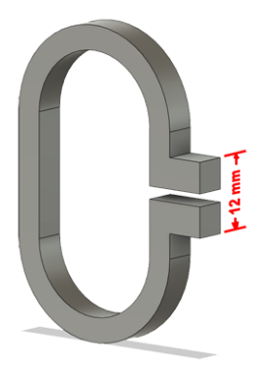
The difference between 2 days:
 | 1 | 2 | 3 | 4 | 5
White | 0.18 | 0.14 | 0.03 | 0.02 | 0.03
Transparent | 0.12 | 0.11 | 0.08 | 0.02 | 0.00
Clear Black | 0.18 | 0.14 | 0.11 | 0.06 | 0.02
Creeping (changes between 2 days)



Tensile test, break load (kg)
Layer adhesion test, break load (kg)
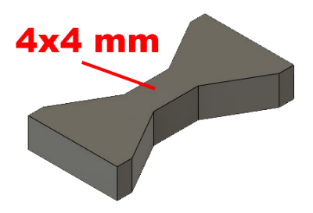
Tensile test, break load (kg)
 | Test 1 | Test 2 | Average (kg) | MPa
White | 111.6 | 108.5 | 110.1 | 67.5
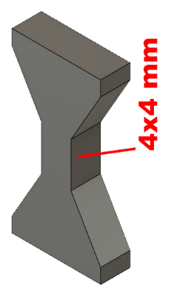
Transparent | 92.0 | 88.1 | 90.1 | 55.2
Clear Black | 119.2 | 116.7 | 118.0 | 72.3
Min area 4x4mm

Layer adhesion test, break load (kg)
 | Test 1 | Test 2 | Average | MPa
White | 45.9 | 49.2 | 47.6 | 29.2
Transparent | 55.7 | 48.2 | 52.0 | 31.9
Clear Black | 45.5 | 52.5 | 49.0 | 30.0
Min area 4x4mm, vertical test specimen


Shear stress, horizontal, break load (kg)
Vertical objects, break load (kg)
Shear stress test, break load (kg)
HORIZONTAL
 | Break kg | MPa
White | 176.3 | 44.0
Transparent | 186.1 | 46.5
Clear Black | 177.5 | 44.3
Area: 2 x Ø 5 mm

VERTICAL
 | Break kg | MPa
White | 102.2 | 25.5
Transparent | 110.7 | 27.7
Clear Black | 104.2 | 26.0
Area: 2 x Ø 5 mm

Bending test, deformation after 30 sec. (mm)
Bending. Deformation at given load after 30 sec, (mm)
 | 1.25kg | 2.5kg | 5kg | 10kg
White | 0.31 | 0.65 | 1.27 | 2.52
Transparent | 0.31 | 0.64 | 1.24 | 2.48
Clear Black | 0.30 | 0.64 | 1.24 | 2.50

Bending ISO178 (dist. Between supports 50mm)
More info about bending in next graph
(smaller values are better)



Bending, deformation at given load after 1", 30" and 60"
 | 1,25kg 1" | 1,25kg 30" | 1,25kg 60" | 2,5kg 1" | 2,5kg 30" | 2,5kg 60" | 5kg 1" | 5kg 30" | 5kg 60" | 10kg 1" | 10kg 30" | 10kg 60"
White | 0.31 | 0.31 | 0.31 | 0.65 | 0.65 | 0.65 | 1.26 | 1.27 | 1.27 | 2.48 | 2.52 | 2.53
Transparent | 0.31 | 0.31 | 0.32 | 0.64 | 0.64 | 0.64 | 1.24 | 1.24 | 1.24 | 2.46 | 2.48 | 2.49
Clear Black | 0.30 | 0.30 | 0.30 | 0.64 | 0.64 | 0.64 | 1.24 | 1.24 | 1.25 | 2.46 | 2.50 | 2.51

Bending, deformation at load

1,25 kg 2.5 kg 5 kg 10 kg

(horizontal) Load at 90° [Nm]
(vertical) Max Nm

Torque (twist) test, Nm
HORIZONTAL
 | Load at 90° | Max Nm | Approx turns
White | 1.5 | 1.6 | 0.8
Transparent | 2 | 2 | 0.4
Clear Black | 1.5 | 1.5 | 0.4

VERTICAL (layer adhesion is important)
 | Load at 90° | Max Nm | Approx turns
White | - | 1.5 | 0.1
Transparent | - | 1.7 | 0.1
Clear Black | - | 1.6 | 0.1

E break [kJ/m²]
Izod impact test, E break in Joules
 | dH [mm] | E br [J] | kJ/m²
White | 5.5 | 0.027 | 0.84
Transparent | 5 | 0.025 | 0.77
Clear Black | 6.5 | 0.032 | 1.00
*no break, breaking energy bigger than this number
0,5 kg hammer


Temperature, deform °C
Temperature test
 | Deform °C
White | 103
Transparent | 105
Clear Black | 115

This is only a 15-minute test,
it is not recommended to use object continuously at this temp.


Shrinking of 80 mm
 | L (mm) | Shrink. in %
White | 79.73 | 0.34%
Transparent | 79.60 | 0.50%
Clear Black | 79.72 | 0.35%

