Sheet1

 | JLC3DP SLA (JLC Black Resin) vs SLS (Nylon 3201PA-F)
 | MyTechFun, 2024-11-23
 | Test object on Printables: |  | https://www.printables.com/model/465670-mytechfun-test-objects
Deformation in the creep test
 | RAW DATA:
 | Creep test C-bending, reference surface [mm] (default 12mm), constant load 1,25 kg
 |  | No Load | 0 | 1 | 2 | 3 | 4 | 5
 | JLC Black Resin | 12 | 15.50 | 16.65 | 17.05 | 17.16 | 17.31 | 17.43
 | Nylon SLS | 12 | 21.01 | 27.70 | 29.76 | 30.92 | 31.88 | 32.90

 | The difference between 2 days:
 |  | 1 | 2 | 3 | 4 | 5
 | JLC Black Resin | 1.15 | 0.40 | 0.11 | 0.15 | 0.12
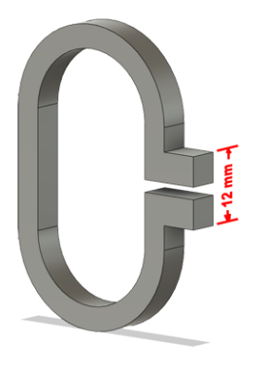
 | Nylon SLS | 6.69 | 2.06 | 1.16 | 0.96 | 1.02

Creeping (changes between 2 days)



Tensile test, break load (kg)
Layer adhesion test, break load (kg)
 | Tensile test, break load (kg)
 |  | Test 1 | Test 2 | Average (kg) | MPa
 | JLC Black Resin | 134.8 | 137.3 | 136.1 | 83.4
 | Nylon SLS | 62.1 | 60.0 | 61.1 | 37.4
 | Min area 4x4mm
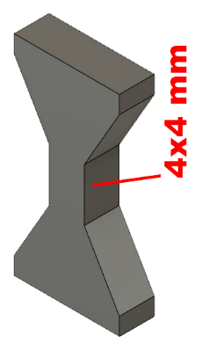
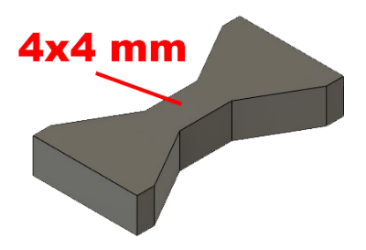

 | Layer adhesion test, break load (kg)
 |  | Test 1 | Test 2 | Average | MPa
 | JLC Black Resin | 131.1 | 134.1 | 132.6 | 81.3
 | Nylon SLS | 41.4 | 41.7 | 41.6 | 25.5
 | Min area 4x4mm, vertical test specimen

Hook, Break kg

 | Hook, break load
 |  | Break kg
 | JLC Black Resin | 34.5 | +70%
 | Nylon SLS | 20.1
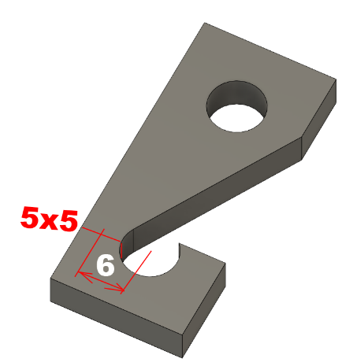

Shear stress, horizontal, break load (kg)

 | Shear stress, break load
 | JLC Black Resin | 150.1 | 37.5 | +19%
 | Nylon SLS | 126.2 | 31.5
 | Area: 2 x Ø 5 mm



Bending test, deformation after 30 sec. (mm)
 | Bending. Deformation at given load after 30 sec, (mm)
 |  | 1.25kg | 2.5kg | 5kg | 10kg
 | JLC Black Resin | 0.32 | 0.60 | 1.18 | 2.41
 | Nylon SLS | 0.68 | 1.31 | 2.60 | 7.26

 | Bending ISO178 (dist. Between supports 50mm)
 | More info about bending in next graph
 | (smaller values are better)



 | Bending, deformation at given load after 1", 30" and 60"
 |  | 1,25kg 1" | 1,25kg 30" | 1,25kg 60" | 2,5kg 1" | 2,5kg 30" | 2,5kg 60" | 5kg 1" | 5kg 30" | 5kg 60" | 10kg 1" | 10kg 30" | 10kg 60"
 | JLC Black Resin | 0.30 | 0.32 | 0.32 | 0.58 | 0.60 | 0.61 | 1.13 | 1.18 | 1.19 | 2.31 | 2.41 | 2.44
 | Nylon SLS | 0.63 | 0.68 | 0.69 | 1.25 | 1.31 | 1.33 | 2.46 | 2.60 | 2.66 | 5.97 | 7.26 | 7.92

Bending, deformation at load

1,25 kg 2.5 kg 5 kg 10 kg

(horizontal) Load at 90° [Nm]

 | Torque (twist) test, Nm
 | HORIZONTAL
 |  | Load at 90° | Max Nm | Approx turns
* | JLC Black Resin | 2.5 | 2.5 | 0.24 | +67%
 | Nylon SLS | 1.4 | 1.5 | 0.5

* | Break was just below 90°

E break [kJ/m²]
 | Izod impact test, E break in Joules
 |  | dH [mm] | E br [J] | kJ/m²
 | JLC Black Resin | 12 | 0.059 | 1.8
 | Nylon SLS | 17 | 0.083 | 2.6



Temperature, deform °C
 | Temperature test
 |  | Deform °C
 | JLC Black Resin | 117
 | Nylon SLS | 175
 | The JLC was very soft at 124°C when I took it out.

 | This is only a 15-minute test,
 | it is not recommended to use object continuously at this temp.

