Sheet1
BambuLab ASA-CF (vs ASA from earlier video) |  |  |  |  |  |  |  |  |  |  | Settings:
MyTechFun, 2024-11-14 |  |  |  |  |  |  |  |  |  |  | ASA-CF | 270/90 | flow 12 mm³/s
Test object on Printables: |  | https://www.printables.com/model/465670-mytechfun-test-objects |  |  |  |  |  |  |  |  | ASA | 270/90 | flow 18 mm³/s
 |  |  |  |  |  |  |  |  |  |  | Printed on BambuLab X1C (engineering plate)
RAW DATA:
Creep test (changes on reference dimension)
Creep test C-bending, reference surface [mm] (default 12mm), constant load 1,25 kg
 | No Load | Day 0 | Day 1 | Day 2 | Day 3 | Day 4 | Day 5

ASA-CF | 12 | 15.07 | 15.19 | 15.36 | 15.51 | 15.54 | 15.53
ASA | 12 | 16.73 | 17.63 | 17.90 | 17.95 | 18.01 | 18.04

C-bending: Creeping calculated from raw data (difference between two days)
 | Day 1 | Day 2 | Day 3 | Day 4 | Day 5
ASA-CF | 0.12 | 0.17 | 0.15 | 0.03 | -0.01
ASA | 0.9 | 0.27 | 0.05 | 0.06 | 0.03

Tensile test, break load (kg)
Layer adhesion test, break load (kg)
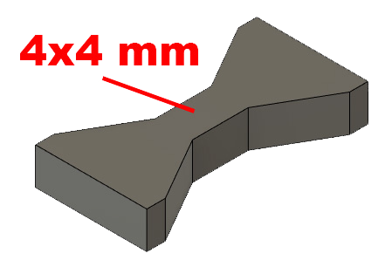
Tensile test, break load (kg)
 | Test 1 | Test 2 | Average (kg) | MPa
ASA-CF | 73.2 | 71.1 | 72.15 | 44.2
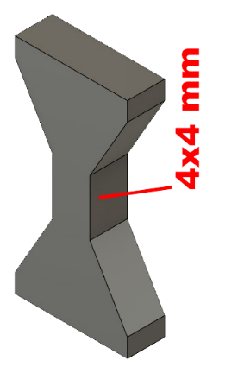
ASA | 61.6 | 66.5 | 64.05 | 39.3
Min area 4x4mm

Layer adhesion test, break load (kg)
 | Test 1 | Test 2 | Average | MPa
ASA-CF | 21.8 | 22.4 | 22.1 | 13.6
ASA | 33 | 32.7 | 32.85 | 20.1
ASA-CF 280°C 0% | 29.8 | 33.3 | 31.55 | 19.3
Min area 4x4mm, vertical test specimen


Shear stress, break load (kg)
Shear stress test, horizontal, break load (kg)
 | Break kg | MPa
ASA-CF | 152.7 | 38.1
ASA | 121.3 | 30.3
ASA-CF vertic. | 57.6 | 14.4
Area: 2 x Ø 5 mm

Bending test, deformation after 30 sec. (mm)
Bending. Deformation at given load after 30 sec, (mm)
 | 1.25kg | 2.5kg | 5kg | 10kg
ASA-CF | 0.22 | 0.43 | 0.83 | 1.74
ASA | 0.37 | 0.78 | 1.54 | 3.57

Bending ISO178 (dist. Between supports 50mm)
More info about bending in next graph
(smaller values are better)



Bending, deformation at given load after 1", 30" and 60"
 | 1,25kg 1" | 1,25kg 30" | 1,25kg 60" | 2,5kg 1" | 2,5kg 30" | 2,5kg 60" | 5kg 1" | 5kg 30" | 5kg 60" | 10kg 1" | 10kg 30" | 10kg 60"
ASA-CF | 0.22 | 0.22 | 0.23 | 0.42 | 0.43 | 0.43 | 0.81 | 0.83 | 0.83 | 1.64 | 1.74 | 1.76
ASA | 0.36 | 0.37 | 0.37 | 0.76 | 0.78 | 0.78 | 1.51 | 1.54 | 1.55 | 3.22 | 3.57 | 3.72

Bending, deformation at load

1,25 kg 2.5 kg 5 kg 10 kg

Load at 90° [Nm]
Torque (twist) test, Nm
 | Load at 90° | Max Nm | Approx turns
ASA-CF | 1 | 1 | 1
ASA | 1.2 | 1.3 | 1


ASA-CF vertical |  | 1,1

E break [kJ/m²]
Izod impact test, E break in Joules
 | dH [mm] | E br [J] | kJ/m²
ASA-CF | 32 | 0.157 | 4.9
ASA | 294 | 1.442 | 45.1
*ASA test object bended, resulting breaking friction
this means the real breaking energy is lower than presented.



Temperature, deform °C
Temperature test
 | Deform °C
ASA-CF | 101
ASA | 90

This is only a 15-minute test,
it is not recommended to use object continuously at this temp.


Shrinking, designed 80mm (XY direction)
ASA-CF | 79.84 | 0.20%
ASA | 79.62 | 0.48%

