Sheet1

 |  |  |  |  |  |  |  |  |  |  | Settings:
Eryone PETG vs PETG-CF |  |  |  |  |  |  |  |  |  |  | PETG | 250/80°C | P1P, Flow: 7 mm³/s, 0.4mm nozzle
MyTechFun, 2024-10-30 |  |  |  |  |  |  |  |  |  |  | PETG-CF | 250/80°C | X1C, Flow: 7 mm³/s (hardened steel nozzle)
Test object on Printables: |  | https://www.printables.com/model/465670-mytechfun-test-objects |  |  |  |  |  |  |  |  |  |  | Both textured PEI, no glue
Deformation in the creep test
RAW DATA:
Creep test C-bending, reference surface [mm] (default 12mm), constant load 1,25 kg
 | No Load | 0 | 1 | 2 | 3 | 4 | 5
PETG | 12 | 16.81 | 17.12 | 17.27 | 17.35 | 17.43 | 17.53
PETG-CF | 12 | 15.03 | 15.37 | 15.48 | 15.57 | 15.61 | 15.63

The difference between 2 days:
 | 1 | 2 | 3 | 4 | 5
PETG | 0.31 | 0.15 | 0.08 | 0.08 | 0.10
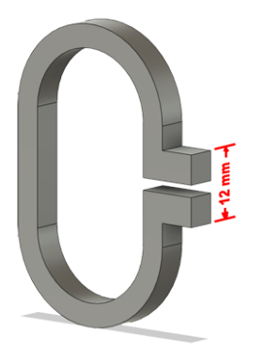
PETG-CF | 0.34 | 0.11 | 0.09 | 0.04 | 0.02

Creeping (changes between 2 days)



Tensile test, break load (kg)
Layer adhesion test, break load (kg)
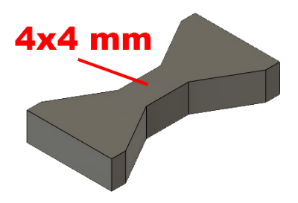
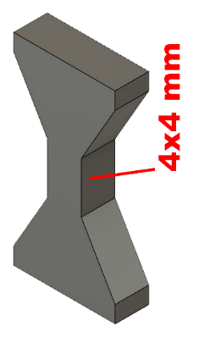
Tensile test, break load (kg)
 | Test 1 | Test 2 | Average (kg) | MPa
PETG | 84.0 | 86.5 | 85.3 | 52.3
PETG-CF | 81.4 | 77.8 | 79.6 | 48.8
Min area 4x4mm

Layer adhesion test, break load (kg)
 | Test 1 | Test 2 | Average | MPa
PETG | 42.6 | 43.7 | 43.2 | 26.5
PETG-CF | 41.9 | 40.8 | 41.3 | 25.4
Min area 4x4mm, vertical test specimen


Shear stress, horizontal, break load (kg)
Vertical objects, break load (kg)
Shear stress test, break load (kg)
HORIZONTAL
 | Break kg | MPa
PETG | 112.5 | 28.1
PETG-CF | 116.4 | 29.1
Area: 2 x Ø 5 mm

VERTICAL
 | Break kg | MPa
PETG | 92.2 | 23.0
PETG-CF | 99.7 | 24.9
Area: 2 x Ø 5 mm

Bending test, deformation after 30 sec. (mm)
Bending. Deformation at given load after 30 sec, (mm)
 | 1.25kg | 2.5kg | 5kg | 10kg
PETG | 0.29 | 0.69 | 1.43 | 3.01
PETG-CF | 0.32 | 0.62 | 1.19 | 2.64

Bending ISO178 (dist. Between supports 50mm)
More info about bending in next graph
(smaller values are better)



Bending, deformation at given load after 1", 30" and 60"
 | 1,25kg 1" | 1,25kg 30" | 1,25kg 60" | 2,5kg 1" | 2,5kg 30" | 2,5kg 60" | 5kg 1" | 5kg 30" | 5kg 60" | 10kg 1" | 10kg 30" | 10kg 60"
PETG | 0.29 | 0.29 | 0.30 | 0.69 | 0.69 | 0.69 | 1.43 | 1.43 | 1.43 | 2.96 | 3.01 | 3.03
PETG-CF | 0.32 | 0.32 | 0.32 | 0.61 | 0.62 | 0.62 | 1.18 | 1.19 | 1.22 | 2.52 | 2.64 | 2.68

Bending, deformation at load

1,25 kg 2.5 kg 5 kg 10 kg

(horizontal) Load at 90° [Nm]
(vertical) Max Nm
Torque (twist) test, Nm
HORIZONTAL
 | Load at 90° | Max Nm | Approx turns
PETG | 0.9 | 1.3 | 1
PETG-CF | 1.2 | 1.4 | 1


VERTICAL (layer adhesion is important)
 | Load at 90° | Max Nm | Approx turns
PETG | - | 1.1 | 0.2
PETG-CF | - | 1.2 | 0.3

E break [kJ/m²]
Izod impact test, E break in Joules
 | dH [mm] | E br [J] | kJ/m²
PETG | 18 | 0.088 | 2.8
PETG-CF | 12 | 0.059 | 1.8



Temperature, deform °C
Temperature test
 | Deform °C
PETG | 67
PETG-CF | 83

This is only a 15-minute test,
it is not recommended to use object continuously at this temp.

