Sheet1
 |  |  |  |  |  |  |  |  |  |  | Settings:
AddNorth PETG vs RigidX |  |  |  |  |  |  |  |  |  |  | PETG | 260/85°C | P1P, Flow: 12 mm³/s
MyTechFun, 2024-12-22 |  |  |  |  |  |  |  |  |  |  | RigidX | 265/70°C | X1C, Flow: 11.5 mm³/s
Test object on Printables: |  | https://www.printables.com/model/465670-mytechfun-test-objects |  |  |  |  |  |  |  |  |  |  | Both textured PEI, no glue
Deformation in the creep test
RAW DATA:
Creep test C-bending, reference surface [mm] (default 12mm), constant load 1,25 kg
 | No Load | 0 | 1 | 2 | 3 | 4 | 5
PETG | 12 | 17.39 | 18.66 | 19.12 | 19.43 | 19.64 | 19.76
RigidX | 12 | 14.65 | 14.87 | 15.00 | 15.08 | 15.12 | 15.14
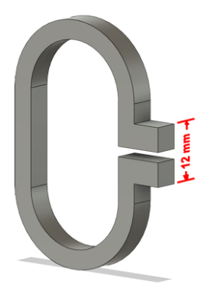
Very constant room temperature (basement)

The difference between 2 days:
 | 1 | 2 | 3 | 4 | 5
PETG | 1.27 | 0.46 | 0.31 | 0.21 | 0.12
RigidX | 0.22 | 0.13 | 0.08 | 0.04 | 0.02

Creeping (changes between 2 days)

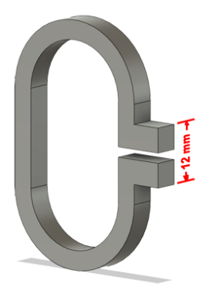

Tensile test, break load (kg)
Layer adhesion test, break load (kg)
Tensile test, break load (kg)
 | Test 1 | Test 2 | Average (kg) | MPa
PETG | 81.1 | 75.7 | 78.4 | 48.1
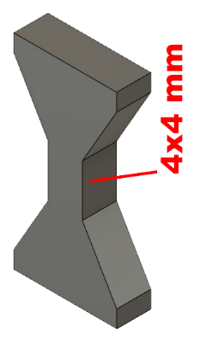
RigidX | 83.9 | 88.9 | 86.4 | 53.0
Min area 4x4mm

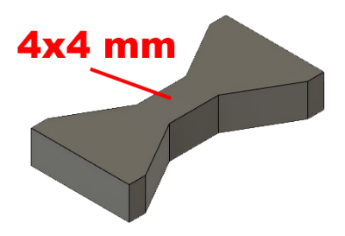

Layer adhesion test, break load (kg)
 | Test 1 | Test 2 | Average | MPa
PETG | 28.5 | 22.6 | 25.6 | 15.7
RigidX | 32.7 | 32.9 | 32.8 | 20.1
Min area 4x4mm, vertical test specimen


Shear stress, horizontal, break load (kg)
Vertical objects, break load (kg)
Shear stress test, break load (kg)
HORIZONTAL
 | Break kg | MPa
PETG | 123.8 | 30.9
RigidX | 133.2 | 33.3
Area: 2 x Ø 5 mm

VERTICAL
 | Break kg | MPa
PETG | 64.1 | 16.0
RigidX | 82.9 | 20.7
Area: 2 x Ø 5 mm

Bending test, deformation after 30 sec. (mm)
Bending. Deformation at given load after 30 sec, (mm)
 | 1.25kg | 2.5kg | 5kg | 10kg
PETG | 0.50 | 0.93 | 1.81 | 3.80
RigidX | 0.21 | 0.41 | 0.80 | 1.75

Bending ISO178 (dist. Between supports 50mm)
More info about bending in next graph
(smaller values are better)



Bending, deformation at given load after 1", 30" and 60"
 | 1,25kg 1" | 1,25kg 30" | 1,25kg 60" | 2,5kg 1" | 2,5kg 30" | 2,5kg 60" | 5kg 1" | 5kg 30" | 5kg 60" | 10kg 1" | 10kg 30" | 10kg 60"
PETG | 0.49 | 0.50 | 0.50 | 0.93 | 0.93 | 0.94 | 1.80 | 1.81 | 1.82 | 3.70 | 3.80 | 3.82
RigidX | 0.20 | 0.21 | 0.21 | 0.40 | 0.41 | 0.41 | 0.78 | 0.80 | 0.80 | 1.66 | 1.75 | 1.77

Bending, deformation at load

1,25 kg 2.5 kg 5 kg 10 kg

(horizontal) Load at 90° [Nm]
(vertical) Max Nm
Torque (twist) test, Nm
HORIZONTAL
 | Load at 90° | Max Nm | Approx turns
PETG | 0.9 | 1.3 | 1
RigidX | 1.2 | 1.5 | 1


VERTICAL (layer adhesion is important)
 | Load at 90° | Max Nm | Approx turns
PETG | - | 1 | 0.3
RigidX | - | 1.2 | 0.3

E break [kJ/m²]
Izod impact test, E break in Joules
 | dH [mm] | E br [J] | kJ/m²
PETG | 21 | 0.103 | 3.2
RigidX | 18 | 0.088 | 2.8



Temperature, deform °C
Temperature test
 | Deform °C
PETG | 63
RigidX | 88

This is only a 15-minute test,
it is not recommended to use object continuously at this temp.


Price (2024-12-22)
 | $ / spool | spool (g) | $ / kg
PETG | 30 | 750 | 40
RigidX | 50 | 500 | 100

Sheet2
MyTechFun Statistics
Notifications ON
Subscribers | 59600
Views | 5000

Notifications ON | 4000
Others | 1000

