testing

 |  |  |  |  |  |  |  |  |  |  |  | Settings:
 | BambuLab PPA-CF (vs PA6-CF data from previous video) |  |  |  |  |  |  |  |  | From previous video: |  | PPA-CF | 290/100°C | Printed on BambuLab X1C, Engineering plate + glue stick, flow 8 mm³/s
 | MyTechFun, 2024-10-20 |  |  |  |  |  |  |  |  |  |  | PA6-CF | 275/100°C | Printed on BambuLab X1C, Engineering plate + glue stick, flow 8 mm³/s
 | Test object on Printables: |  | https://www.printables.com/model/465670-mytechfun-test-objects
Deformation in the creep test
 | RAW DATA:
 | Creep test C-bending, reference surface [mm] (default 12mm), constant load 1,25 kg
 |  | No Load | 0 | 1 | 2 | 3 | 4 | 5
 | PPA-CF | 12 | 12.35 | 12.39 | 12.41 | 12.42 | 12.44 | 12.45
 | PA6-CF | 12 | 13.02 | 13.59 | 13.73 | 13.74 | 13.82 | 13.92
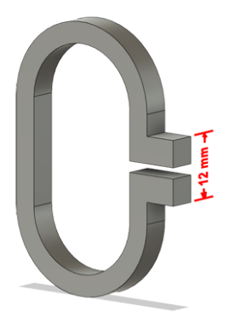
 | The difference between 2 days:
 |  | 1 | 2 | 3 | 4 | 5
 | PPA-CF | 0.04 | 0.02 | 0.01 | 0.02 | 0.01
 | PA6-CF | 0.57 | 0.14 | 0.01 | 0.08 | 0.10
Creeping (changes between 2 days)



Tensile test, break load (kg)
Layer adhesion test, break load (kg)
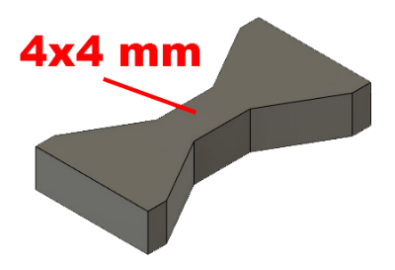
 | Tensile test, break load (kg)
 |  | Test 1 | Test 2 | Average (kg) | MPa
 | PPA-CF | 170.6 | 159.5 | 165.1 | 101.2
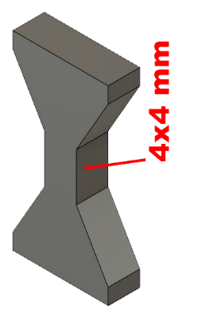
 | PA6-CF | 129.1 | 127.8 | 128.5 | 78.8
 | Min area 4x4mm

 | Layer adhesion test, break load (kg)
 |  | Test 1 | Test 2 | Average | MPa
* | PPA-CF | 34.8 | 36.4 | 35.6 | 21.8
 | PA6-CF | 36.7 | 40.2 | 38.5 | 23.6
 | Min area 4x4mm, vertical test specimen

 | *temp range: 280-320°C, printed on 290°C (default settings)
 | Could be the reason for "only" good layer adhesion.


Shear stress, horizontal, break load (kg)
Vertical objects, break load (kg)
 | Shear stress test, break load (kg)
 | HORIZONTAL
 |  | Break kg | MPa
* | PPA-CF | 296.0 | 73.9
** | PA6-CF | 210.0 | 52.5
 | *over 296 kg (out of my range)
 | **over 210 kg (out of range)
 | Area: 2 x Ø 5 mm

 | VERTICAL
 |  | Break kg | MPa
 | PPA-CF | 82.5 | 20.6
 | PA6-CF | 110.8 | 27.7

 | Area: 2 x Ø 5 mm

Bending test, deformation after 30 sec. (mm)
 | Bending. Deformation at given load after 30 sec, (mm)
 |  | 1.25kg | 2.5kg | 5kg | 10kg
 | PPA-CF | 0.09 | 0.16 | 0.29 | 0.54
 | PA6-CF | 0.13 | 0.28 | 0.54 | 1.07
 | Bending ISO178 (dist. Between supports 50mm)
 | More info about bending in next graph
 | (smaller values are better)



 | Bending, deformation at given load after 1", 30" and 60"
 |  | 1,25kg 1" | 1,25kg 30" | 1,25kg 60" | 2,5kg 1" | 2,5kg 30" | 2,5kg 60" | 5kg 1" | 5kg 30" | 5kg 60" | 10kg 1" | 10kg 30" | 10kg 60"
 | PPA-CF | 0.09 | 0.09 | 0.09 | 0.16 | 0.16 | 0.16 | 0.29 | 0.29 | 0.29 | 0.53 | 0.54 | 0.54
 | PA6-CF | 0.12 | 0.13 | 0.13 | 0.27 | 0.28 | 0.29 | 0.53 | 0.54 | 0.55 | 1.03 | 1.07 | 1.09

Bending, deformation at load

1,25 kg 2.5 kg 5 kg 10 kg

(horizontal) Load at 90° [Nm]
(vertical) Max Nm
 | Torque (twist) test, Nm
 | HORIZONTAL
 |  | Load at 90° | Max Nm | Approx turns
 | PPA-CF | 2.3 | 2.3 | 0.24
 | PA6-CF | 2 | 2.5 | 0.8
 | *PPA-CF break was at approx 85° (not 90°)
 | but for better comparison, I am using this number.


 | VERTICAL (layer adhesion is important)
 |  | Load at 90° | Max Nm | Approx turns
 | PPA-CF | 1.9 | 1.9 | 0.22
 | PA6-CF | 1.9 | 1.9 | 0.25

E break [kJ/m²]
 | Izod impact test, E break in Joules
 |  | dH [mm] | E br [J] | kJ/m²
 | PPA-CF | 53 | 0.260 | 8.12
 | PA6-CF | 54 | 0.265 | 8.28
 | 0,5 kg hammer


Temperature, deform °C
 | Temperature test
 |  | Deform °C
 | PPA-CF | 208 | *
 | PA6-CF | 200
 | *probably even more, the experiment was stopped at this temperature
 | This is only a 20-minute test,
 | it is not recommended to use object continuously at this temp.

drying
PPA-CF drying 120°C , spool+filament (g)
PPA-CF, drying in oven 120°C

h | g | change (g) | Moisture% | M%+spool
0 | 955.30 |  | 0.68% | 0.54%
0.5 | 954.42 | 0.88 | 0.57% | 0.45%
1 | 953.82 | 0.6 | 0.49% | 0.39%
1.5 | 953.24 | 0.58 | 0.41% | 0.33%
2 | 952.70 | 0.54 | 0.34% | 0.27%
2.5 | 952.20 | 0.5 | 0.27% | 0.22%
3 | 951.73 | 0.47 | 0.21% | 0.17%
3.5 | 951.46 | 0.27 | 0.18% | 0.14%
4 | 951.20 | 0.26 | 0.14% | 0.11%
4.5 | 950.99 | 0.21 | 0.12% | 0.09%
5 | 950.86 | 0.13 | 0.10% | 0.08%

Perfectly dry: | 950.12 | g
Spool: | 195.00 | g
(I predict that there was no moisture in spool)

Vacuum container
 | g
Before | 919.42
After 2 weeks

PPA-CF drying 120°C , Moisture %

y = 950.1209 + (954.3378 - 950.1209)/(1 + (x/2.446315)^2.183457)
h | calc. m
10 | 950.30719997

$M\%=\frac{m−m_{dry}}{m−m_{spool}}×100 [\%$]

