Sheet1
 |  |  |  |  |  |  |  |  |  |  | Settings:
Siraya Tech ABS-GF vs ASA-GF |  |  |  |  |  |  |  |  |  |  | ABS-GF | 270/100°C | X1C, Flow: 16 mm³/s (hardened steel nozzle)
MyTechFun, 2024-12-08 |  |  |  |  |  |  |  |  |  |  | ASA-GF | 270/100°C | X1C, Flow: 16 mm³/s (hardened steel nozzle)
Test object on Printables: |  | https://www.printables.com/model/465670-mytechfun-test-objects
Deformation in the creep test
RAW DATA:
Creep test C-bending, reference surface [mm] (default 12mm), constant load 1,25 kg
 | No Load | 0 | 1 | 2 | 3 | 4 | 5
ABS-GF | 12 | 14.29 | 14.45 | 14.48 | 14.50 | 14.51 | 14.52
ASA-GF | 12 | 14.39 | 14.75 | 14.87 | 14.92 | 14.93 | 14.94
Very constant room temperature (basement)

The difference between 2 days:
 | 1 | 2 | 3 | 4 | 5
ABS-GF | 0.16 | 0.03 | 0.02 | 0.01 | 0.01
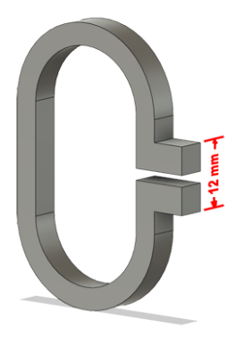
ASA-GF | 0.36 | 0.12 | 0.05 | 0.01 | 0.01

Creeping (changes between 2 days)
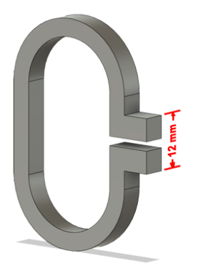

Tensile test, break load (kg)
Layer adhesion test, break load (kg)
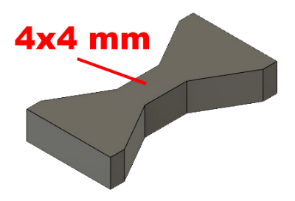
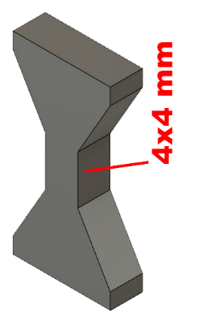
Tensile test, break load (kg)
 | Test 1 | Test 2 | Average (kg) | MPa
ABS-GF | 66.4 | 63.3 | 64.9 | 39.8
ASA-GF | 65.3 | 63.3 | 64.3 | 39.4
Min area 4x4mm

Layer adhesion test, break load (kg)
 | Test 1 | Test 2 | Average | MPa
ABS-GF | 35.5 | 30.6 | 33.1 | 20.3
ASA-GF | 23.4 | 22.8 | 23.1 | 14.2
Min area 4x4mm, vertical test specimen


Shear stress, horizontal, break load (kg)
Vertical objects, break load (kg)
Shear stress test, break load (kg)
HORIZONTAL
 | Break kg | MPa
ABS-GF | 141.6 | 35.4
ASA-GF | 135.6 | 33.9
Area: 2 x Ø 5 mm

VERTICAL
 | Break kg | MPa
ABS-GF | 80.9 | 20.2
ASA-GF | 56.7 | 14.2
Area: 2 x Ø 5 mm

Bending test, deformation after 30 sec. (mm)
Bending. Deformation at given load after 30 sec, (mm)
 | 1.25kg | 2.5kg | 5kg | 10kg
ABS-GF | 0.28 | 0.52 | 0.97 | 1.98
ASA-GF | 0.24 | 0.49 | 0.95 | 2.00

Bending ISO178 (dist. Between supports 50mm)
More info about bending in next graph
(smaller values are better)



Bending, deformation at given load after 1", 30" and 60"
 | 1,25kg 1" | 1,25kg 30" | 1,25kg 60" | 2,5kg 1" | 2,5kg 30" | 2,5kg 60" | 5kg 1" | 5kg 30" | 5kg 60" | 10kg 1" | 10kg 30" | 10kg 60"
ABS-GF | 0.27 | 0.28 | 0.28 | 0.51 | 0.52 | 0.52 | 0.95 | 0.97 | 0.97 | 1.93 | 1.98 | 2.00
ASA-GF | 0.23 | 0.24 | 0.24 | 0.48 | 0.49 | 0.49 | 0.93 | 0.95 | 0.96 | 1.95 | 2.00 | 2.03

Bending, deformation at load

1,25 kg 2.5 kg 5 kg 10 kg

(horizontal) Load at 90° [Nm]
(vertical) Max Nm
Torque (twist) test, Nm
HORIZONTAL
 | Load at 90° | Max Nm | Approx turns
ABS-GF | 1.1 | 1.1 | 0.25
ASA-GF | 0.8 | 0.8 | 0.25


VERTICAL (layer adhesion is important)
 | Load at 90° | Max Nm | Approx turns
ABS-GF | - | 1.3 | 0.1
ASA-GF | - | 0.8 | 0.1

E break [kJ/m²]
Izod impact test, E break in Joules
 | dH [mm] | E br [J] | kJ/m²
ABS-GF | 41 | 0.201 | 6.3
ASA-GF | 36 | 0.177 | 5.5



Temperature, deform °C
Temperature test
 | Deform °C
ABS-GF | 101
ASA-GF | 101

This is only a 15-minute test,
it is not recommended to use object continuously at this temp.


Price (2024-11-06)
 | USD
ABS-GF | 35
ASA-GF | 40

