Sheet1

 |  |  |  |  |  |  |  |  |  |  | Settings:
AzureFilm PLA Prime (vs annealed version) |  |  |  |  |  |  |  |  |  |  | Reference | 250/65°C | Flow: 20 mm³/s, 0.4mm nozzle
MyTechFun, 2024-08-11 |  |  |  |  |  |  |  |  |  |  | Annealed | 250/65°C | Annealed on 120°C 1h + cooling with oven
Test object on Printables: |  | https://www.printables.com/model/465670-mytechfun-test-objects |  |  |  |  |  |  |  |  | Printed on BambuLab K1C
Deformation in the creep test
RAW DATA:
Creep test C-bending, reference surface [mm] (default 12mm), constant load 1,25 kg
 | No Load | 0 | 1 | 2 | 3 | 4 | 5
Reference | 12 | 14.20 | 15.54 | 15.89 | 16.31 | 16.70 | 17.11
Annealed | 12 | 14.16 | 14.42 | 14.67 | 14.86 | 15.02 | 15.15

The difference between 2 days:
 | 1 | 2 | 3 | 4 | 5
Reference | 1.34 | 0.35 | 0.42 | 0.39 | 0.41
Annealed | 0.26 | 0.25 | 0.19 | 0.16 | 0.13

Creeping (changes between 2 days)


Tensile test, break load (kg)
Layer adhesion test, break load (kg)
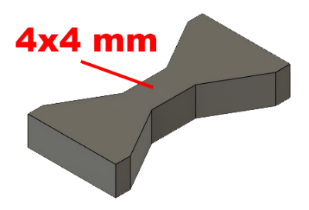
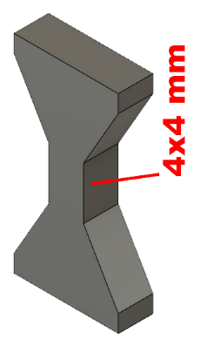
Tensile test, break load (kg)
 | Test 1 | Test 2 | Average (kg) | MPa
Reference | 63.4 | 62.8 | 63.1 | 38.7
Annealed | 59.2 | 60.6 | 59.9 | 36.7
Min area 4x4mm

Layer adhesion test, break load (kg)
 | Test 1 | Test 2 | Average | MPa
Reference | 32.2 | 34.1 | 33.2 | 20.3
Annealed | 22.0 | 21.3 | 21.7 | 13.3
Min area 4x4mm, vertical test specimen

Layer adhesion (2 walls, 20% infill)

Layer adhesion test (hollow inside), break load (kg)
 | Test 1 | Test 2 | Average | MPa
Reference | 60.6 | 50.0 | 55.3 | 33.9
Annealed | 37.3 | 36.6 | 37.0 | 22.7
Min area 10x10mm, 2 walls, 20% infill, vertical test specimen


Shear stress, horizontal, break load (kg)
Vertical objects, break load (kg)
Shear stress test, break load (kg)
HORIZONTAL
 | Break kg | MPa
Reference | 142.2 | 35.5
Annealed | 154.7 | 38.6
Area: 2 x Ø 5 mm

VERTICAL
 | Break kg | MPa
Reference | 52.6 | 13.1
Annealed | 39.2 | 9.8
Area: 2 x Ø 5 mm

Bending test, deformation after 30 sec. (mm)
Bending. Deformation at given load after 30 sec, (mm)
 | 1.25kg | 2.5kg | 5kg | 10kg
Reference | 0.24 | 0.49 | 0.94 | 2.41
Annealed | 0.22 | 0.43 | 0.85 | 2.01

Bending ISO178 (dist. Between supports 50mm)
More info about bending in next graph
(smaller values are better)



Bending, deformation at given load after 1", 30" and 60"
 | 1,25kg 1" | 1,25kg 30" | 1,25kg 60" | 2,5kg 1" | 2,5kg 30" | 2,5kg 60" | 5kg 1" | 5kg 30" | 5kg 60" | 10kg 1" | 10kg 30" | 10kg 60"
Reference | 0.23 | 0.24 | 0.24 | 0.48 | 0.49 | 0.49 | 0.92 | 0.94 | 0.96 | 2.09 | 2.41 | 2.62
Annealed | 0.22 | 0.22 | 0.22 | 0.42 | 0.43 | 0.43 | 0.83 | 0.85 | 0.85 | 1.85 | 2.01 | 2.11

Bending, deformation at load

1,25 kg 2.5 kg 5 kg 10 kg

(horizontal) Load at 90° [Nm]
(vertical) Max Nm
Torque (twist) test, Nm
HORIZONTAL
 | Load at 90° | Max Nm | Approx turns
Reference | 1.3 | 1.5 | 1.5
Annealed | 1.4 | 1.4 | 1


VERTICAL (layer adhesion is important)
 | Load at 90° | Max Nm | Approx turns
Reference | - | 1.2 | 0.1
Annealed | - | 1.2 | 0.1

E break [kJ/m²]
Izod impact test, E break in Joules
 | dH [mm] | E br [J] | kJ/m²
Reference | 200 | 0.981 | 30.7
Annealed | 187 | 0.917 | 28.7



Temperature, deform °C
Temperature test
 | Deform °C
Reference | 70
Annealed | 161

This is only a 15-minute test,
it is not recommended to use object continuously at this temp.

