Sheet1
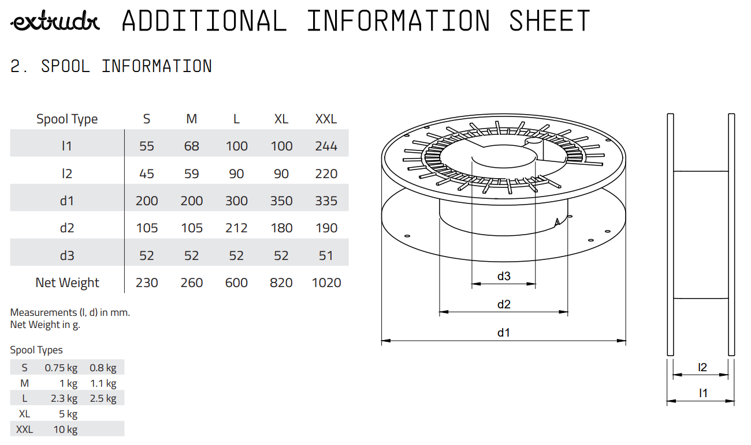
Extrudr PETG filaments (PETG, PCTG, XPETG CF) |  |  |  |  |  |  |  |  |  |  | Settings:
MyTechFun, 2023-02-24 |  |  |  |  |  |  |  |  |  |  | PETG | 230/85 | air 20-30% | 0.4 mm hardened nozzle
 |  |  |  |  |  |  |  |  |  |  | PCTG | 270/100 | air 20-30% | 0.4 mm hardened nozzle
 |  |  |  |  |  |  |  |  |  |  | Carbon | 240/85 | air 20-30% | 0.4 mm hardened nozzle, only for layer adhesion 0.6mm (clog with 0.4mm)
RAW DATA:
Creep test C-bending, reference surface [mm] (default 12mm), constant load 1,25 kg

 | No Load | Day 0 | Day 1 | Day 2 | Day 3 | Day 4 | Day 5 | Day 6 | Day 7
PETG | 12 | 16.33 | 16.58 | 16.76 | 16.9 | 17 | 17.1 | 17.17 | 17.21
PCTG | 12 | 16.91 | 18.23 | 18.72 | 18.96 | 19.12 | 19.16 | 19.18 | 19.2
Carbon | 12 | 14.55 | 14.75 | 14.81 | 14.82 | 14.8 | 14.83 | 14.82 | 14.86

C-bending: Creeping calculated from raw data (difference between two days)
 | Day 1 | Day 2 | Day 3 | Day 4 | Day 5 | Day 6 | Day 7
PETG | 0.25 | 0.18 | 0.14 | 0.1 | 0.1 | 0.07 | 0.04
PCTG | 1.32 | 0.49 | 0.24 | 0.16 | 0.04 | 0.02 | 0.02
Carbon | 0.2 | 0.06 | 0.01 | -0.02 | 0.03 | -0.01 | 0.04

Tensile test, break load (kg)
Layer adhesion test, break load (kg)
Tensile test, break load (kg)
 | Test 1 | Test 2 | Average (kg) | MPa
PETG | 78.8 | 80.4 | 79.6 | 48.8
PCTG | 81.6 | 78.4 | 80 | 49.1
Carbon | 76.2 | 72.8 | 74.5 | 45.7
Min area 4x4mm

Layer adhesion test, break load (kg)
 | Test 1 | Test 2 | Average | MPa
PETG | 15.8 | 16 | 15.9 | 9.7
PCTG | 16.4 | 16.2 | 16.3 | 10.0
Carbon | 22.8 | 23.6 | 23.2 | 14.2
PETG brass n. | 23.4 | 21.2 | 22.3 | 13.7
PCTG brass n. | 20.4 | 23.4 | 21.9 | 13.4
Min area 4x4mm, vertical test specimen

PCTG layer adhesion (dif. temperatures)
Layer adhesion test, break load (kg)
 | Test 1 | Test 2 | Test 3 | Test 4 | Average | MPa
PCTG 250°C | 7.6 | 10.2 | 8 |  | 8.6 | 5.3
PCTG 270°C | 11.4 | 10.2 | 10.2 | 12.2 | 11 | 6.7
PCTG 290°C | 15.6 | 13 | 14 | 14.8 | 14.35 | 8.8
Reference PLA | 59.2 | 64.8 |  |  | 62 | 38.0
Min area 4x4mm, vertical test specimen

Shear stress, break load (kg)
Shear stress test, break load (kg)
 | Break kg | MPa
PETG | 137 | 34.2
PCTG | 135.6 | 33.9
Carbon | 143.2 | 35.8
Area: 2 x Ø 5 mm



Bending test, deformation after 30 sec. (mm)
Bending. Deformation at given load after 30 sec, (mm)
 | 1.25kg | 2.5kg | 5kg | 10kg
PETG | 0.44 | 0.74 | 1.39 | 2.87
PCTG | 0.49 | 0.92 | 1.78 | 3.88
Carbon | 0.25 | 0.47 | 0.92 | 1.99
Bending ISO178 (dist. Between supports 50mm)
More info about bending in next graph
(smaller values are better)



Bending, deformation at given load after 1", 30" and 60"
 | 1,25kg 1" | 1,25kg 30" | 1,25kg 60" | 2,5kg 1" | 2,5kg 30" | 2,5kg 60" | 5kg 1" | 5kg 30" | 5kg 60" | 10kg 1" | 10kg 30" | 10kg 60"
PETG | 0.43 | 0.44 | 0.44 | 0.74 | 0.74 | 0.74 | 1.38 | 1.39 | 1.39 | 2.83 | 2.87 | 2.87
PCTG | 0.48 | 0.49 | 0.49 | 0.92 | 0.92 | 0.93 | 1.77 | 1.78 | 1.79 | 3.81 | 3.88 | 3.91
Carbon | 0.24 | 0.25 | 0.25 | 0.47 | 0.47 | 0.47 | 0.90 | 0.92 | 0.92 | 1.93 | 1.99 | 2.01

Bending, deformation at load

1.25 kg 2.5 kg 5 kg 10 kg

Torque test (Nm)
 | PETG | PCTG | Carbon
Load at 90° |  | 0.8 | 1
Max Nm | 0.8 | 1.1 | 1.3

Torque (twist) test, Nm
 | Load at 90° | Max Nm | Approx turns
PETG |  | 0.8 | 0.2
PCTG | 0.8 | 1.1 | 1.2
Carbon | 1 | 1.3 | 1



E break [kJ/m²]
Izod impact test, E break in Joules
 | dH [mm] | E br [J] | kJ/m²
PETG | 20.5 | 0.101 | 3.1
PCTG | 25 | 0.123 | 3.8
Carbon | 23 | 0.113 | 3.5



Temperature, deform °C
Temperature test
 | Deform °C
PETG | 61
PCTG | 74
Carbon | 75

This is only a 15-minute test,
it is not recommended to use object continuously at this temp.


Hardness Shore D, average
 | Shore D
PETG | 68.2
PCTG | 69.5
Carbon | 71.5


Durometer

Price in EUR and EUR/kg
 | PETG | PCTG | Carbon
EUR | 39.0 | 30.0 | 50.0
EUR/kg | 35.5 | 37.5 | 62.5
Price (in EU, but for relative comparison)
 | EUR | Weight [kg] | EUR/kg
PETG | 39 | 1.1 | 35.5
PCTG | 30 | 0.8 | 37.5
Carbon | 50 | 0.8 | 62.5


Bigger spools available too
 | EUR | Weight [kg] | EUR/kg
PETG | 70 | 2.5 | 28.0
PCTG | -
Carbon | 150 | 2.5 | 60.0

Weight of spools only in downloadable PDF (hard to find)

