Sheet1

 |  |  |  |  |  |  |  |  |  |  |  | Settings:
 | Siraya Tech PET-CF (vs ABS-GF from previous video) |  |  |  |  |  |  |  |  |  |  | ABS-GF | 270/100°C | X1C, Flow: 16 mm³/s (hardened steel nozzle)
 | MyTechFun, 2024-12-12 |  |  |  |  |  |  |  |  |  |  | PET-CF | 300/100°C | X1C, Flow: 8 mm³/s (hardened steel nozzle)
 | Test object on Printables: |  | https://www.printables.com/model/465670-mytechfun-test-objects
Deformation in the creep test
 | RAW DATA:
 | Creep test C-bending, reference surface [mm] (default 12mm), constant load 1,25 kg
 |  | No Load | 0 | 1 | 2 | 3 | 4 | 5
 | ABS-GF | 12 | 14.29 | 14.45 | 14.48 | 14.50 | 14.51 | 14.52
 | PET-CF | 12 | 12.12 | 12.16 | 12.17 | 12.19 | 12.21 | 12.22
 | Very constant room temperature (basement)

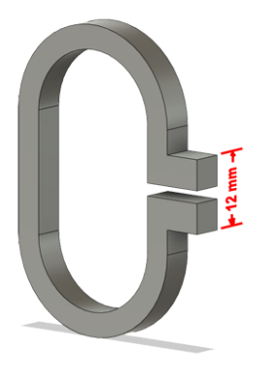
 | The difference between 2 days:
 |  | 1 | 2 | 3 | 4 | 5
 | ABS-GF | 0.16 | 0.03 | 0.02 | 0.01 | 0.01
 | PET-CF | 0.04 | 0.01 | 0.02 | 0.02 | 0.01

Creeping (changes between 2 days)
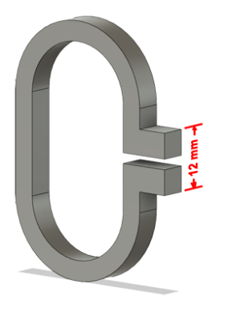

Tensile test, break load (kg)
Layer adhesion test, break load (kg)
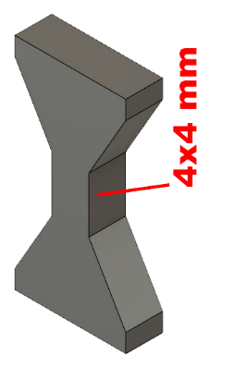
 | Tensile test, break load (kg)
 |  | Test 1 | Test 2 | Average (kg) | MPa
 | ABS-GF | 66.4 | 63.3 | 64.9 | 39.8
 | PET-CF | 96.6 | 112.2 | 104.4 | 64.0
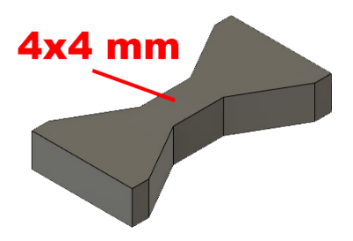
 | Min area 4x4mm

 | Layer adhesion test, break load (kg)
 |  | Test 1 | Test 2 | Average | MPa
 | ABS-GF | 35.5 | 30.6 | 33.1 | 20.3
 | PET-CF | 46.3 | 45.3 | 45.8 | 28.1
 | Min area 4x4mm, vertical test specimen


Shear stress, horizontal, break load (kg)
Vertical objects, break load (kg)
 | Shear stress test, break load (kg)
 | HORIZONTAL
 |  | Break kg | MPa
 | ABS-GF | 141.6 | 35.4
 | PET-CF | 231.4 | 57.8
 | Area: 2 x Ø 5 mm

 | VERTICAL
 |  | Break kg | MPa
 | ABS-GF | 80.9 | 20.2
 | PET-CF | 106.0 | 26.5
 | Area: 2 x Ø 5 mm

Bending test, deformation after 30 sec. (mm)
 | Bending. Deformation at given load after 30 sec, (mm)
 |  | 1.25kg | 2.5kg | 5kg | 10kg
 | ABS-GF | 0.28 | 0.52 | 0.97 | 1.98
 | PET-CF | 0.16 | 0.27 | 0.48 | 0.87

 | Bending ISO178 (dist. Between supports 50mm)
 | More info about bending in next graph
 | (smaller values are better)



 | Bending, deformation at given load after 1", 30" and 60"
 |  | 1,25kg 1" | 1,25kg 30" | 1,25kg 60" | 2,5kg 1" | 2,5kg 30" | 2,5kg 60" | 5kg 1" | 5kg 30" | 5kg 60" | 10kg 1" | 10kg 30" | 10kg 60"
 | ABS-GF | 0.27 | 0.28 | 0.28 | 0.51 | 0.52 | 0.52 | 0.95 | 0.97 | 0.97 | 1.93 | 1.98 | 2.00
 | PET-CF | 0.16 | 0.16 | 0.16 | 0.27 | 0.27 | 0.27 | 0.48 | 0.48 | 0.48 | 0.86 | 0.87 | 0.87

Bending, deformation at load

1,25 kg 2.5 kg 5 kg 10 kg

(horizontal) Load at 90° [Nm]
(vertical) Max Nm
 | Torque (twist) test, Nm
 | HORIZONTAL
 |  | Load at 90° | Max Nm | Approx turns
 | ABS-GF | 1.1 | 1.1 | 0.25
 | PET-CF | 1.4 | 1.4 | 0.25


 | VERTICAL (layer adhesion is important)
 |  | Load at 90° | Max Nm | Approx turns
 | ABS-GF | - | 1.3 | 0.1
 | PET-CF | - | 1.4 | 0.1

E break [kJ/m²]
 | Izod impact test, E break in Joules
 |  | dH [mm] | E br [J] | kJ/m²
 | ABS-GF | 41 | 0.201 | 6.3
 | PET-CF | 25 | 0.123 | 3.8



Temperature, deform °C
 | Temperature test
 |  | Deform °C
 | ABS-GF | 101
* | PET-CF | 212
 | *over 212°C, the experiment was stopped here

 | This is only a 15-minute test,
 | it is not recommended to use object continuously at this temp.

