Sheet1
 |  |  |  |  |  |  |  |  |  |  |  | Settings:
 | Geeetech PLA, PETG, ABS+ |  |  |  |  |  |  |  |  |  |  | PLA | 220/65°C | P1P, Flow: 12 mm³/s, 0.4mm nozzle
 | MyTechFun, 2024-09-26 |  |  |  |  |  |  |  |  |  |  | PETG | 250/70°C | P1P, Flow: 12 mm³/s, 0.4mm nozzle
 | Test object on Printables: |  | https://www.printables.com/model/465670-mytechfun-test-objects |  |  |  |  |  |  |  |  | ABS+ | 250/90°C | Printed on BambuLab X1C, Engineering plate + glue stick, Flow 15
Deformation in the creep test
 | RAW DATA:
 | Creep test C-bending, reference surface [mm] (default 12mm), constant load 1,25 kg
 |  | No Load | 0 | 1 | 2 | 3 | 4 | 5
 | PLA | 12 | 15.56 | 16.95 | 17.40 | 17.86 | 18.30 | 18.62
 | PETG | 12 | 16.84 | 17.66 | 17.83 | 18.06 | 18.32 | 18.51
 | ABS+ | 12 | 15.94 | 16.76 | 16.79 | 16.85 | 16.91 | 17.00

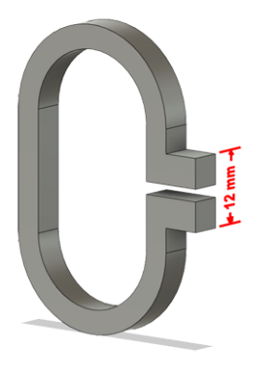
 | The difference between 2 days:
 |  | 1 | 2 | 3 | 4 | 5
 | PLA | 1.39 | 0.45 | 0.46 | 0.44 | 0.32
 | PETG | 0.82 | 0.17 | 0.23 | 0.26 | 0.19
 | ABS+ | 0.82 | 0.03 | 0.06 | 0.06 | 0.09
Creeping (changes between 2 days)



Tensile test, break load (kg)
Layer adhesion test, break load (kg)
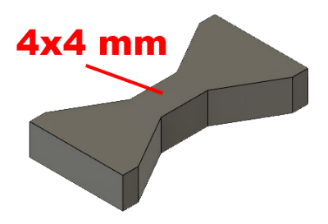
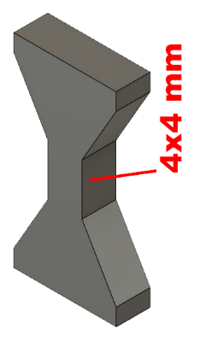
 | Tensile test, break load (kg)
 |  | Test 1 | Test 2 | Average (kg) | MPa
 | PLA | 96.2 | 89.5 | 92.9 | 56.9
 | PETG | 90.3 | 93.2 | 91.8 | 56.3
 | ABS+ | 68.2 | 70.0 | 69.1 | 42.4
 | Min area 4x4mm

 | Layer adhesion test, break load (kg)
 |  | Test 1 | Test 2 | Average | MPa
 | PLA | 26.9 | 26.5 | 26.7 | 16.4
 | PETG | 51.1 | 46.5 | 48.8 | 29.9
 | ABS+ | 20.9 | 16.5 | 18.7 | 11.5
 | Min area 4x4mm, vertical test specimen


Shear stress, horizontal, break load (kg)
Vertical objects, break load (kg)
 | Shear stress test, break load (kg)
 | HORIZONTAL
 |  | Break kg | MPa
 | PLA | 158.4 | 39.6
 | PETG | 118.6 | 29.6
 | ABS+ | 129.8 | 32.4
 | Area: 2 x Ø 5 mm

 | VERTICAL
 |  | Break kg | MPa
 | PLA | 71.0 | 17.7
 | PETG | 90.6 | 22.6
 | ABS+ | 40.4 | 10.1
 | Area: 2 x Ø 5 mm

Bending test, deformation after 30 sec. (mm)
 | Bending. Deformation at given load after 30 sec, (mm)
 |  | 1.25kg | 2.5kg | 5kg | 10kg
 | PLA | 0.30 | 0.58 | 1.11 | 2.15
 | PETG | 0.39 | 0.79 | 1.52 | 3.11
 | ABS+ | 0.35 | 0.72 | 1.38 | 2.96

 | Bending ISO178 (dist. Between supports 50mm)
 | More info about bending in next graph
 | (smaller values are better)



 | Bending, deformation at given load after 1", 30" and 60"
 |  | 1,25kg 1" | 1,25kg 30" | 1,25kg 60" | 2,5kg 1" | 2,5kg 30" | 2,5kg 60" | 5kg 1" | 5kg 30" | 5kg 60" | 10kg 1" | 10kg 30" | 10kg 60"
 | PLA | 0.29 | 0.30 | 0.30 | 0.57 | 0.58 | 0.58 | 1.09 | 1.11 | 1.11 | 2.09 | 2.15 | 2.17
 | PETG | 0.39 | 0.39 | 0.39 | 0.79 | 0.79 | 0.79 | 1.51 | 1.52 | 1.52 | 3.06 | 3.11 | 3.14
 | ABS+ | 0.34 | 0.35 | 0.36 | 0.71 | 0.72 | 0.72 | 1.37 | 1.38 | 1.39 | 2.80 | 2.96 | 3.03

Bending, deformation at load

1,25 kg 2.5 kg 5 kg 10 kg

(horizontal) Load at 90° [Nm]
(vertical) Max Nm

 | Torque (twist) test, Nm
 | HORIZONTAL
 |  | Load at 90° | Max Nm | Approx turns
 | PLA | 1.7 | 1.9 | 1
 | PETG | 1.4 | 1.6 | 1
 | ABS+ | 1.3 | 1.3 | 0.5

 | VERTICAL (layer adhesion is important)
 |  | Load at 90° | Max Nm | Approx turns
 | PLA | - | 1.5 | 0.1
 | PETG | - | 1.3 | 0.1
 | ABS+ | - | 1.2 | 0.1

E break [kJ/m²]
 | Izod impact test, E break in Joules
 |  | dH [mm] | E br [J] | kJ/m²
 | PLA | 21 | 0.103 | 3.2
 | PETG | 17 | 0.083 | 2.6
* | ABS+ | 303 | 1.486 | 46.4
 | *no break, breaking energy bigger than this number
 | 0,5 kg hammer


Temperature, deform °C
 | Temperature test
 |  | Deform °C
 | PLA | 52
 | PETG | 68
 | ABS+ | 92

 | This is only a 15-minute test,
 | it is not recommended to use object continuously at this temp.


 | Shrinking of 80 mm
 |  | L (mm) | Shrink. in %
 | PLA | 79.90 | 0.12%
 | PETG | 79.96 | 0.05%
 | ABS+ | 79.63 | 0.46%

