Sheet1

Creality Hyper PLA |  |  |  |  |  |  |  |  |  |  | Settings:
MyTechFun, 2023-10-02 |  |  |  |  |  |  |  |  |  |  | Hyper PLA | 215/60°C | Ender-5 S1
 |  |  |  |  |  |  |  |  |  |  | CR-PLA | 215/60°C | Ender-5 S1
 |  |  |  |  |  |  |  |  |  |  | Average PLA |  | Average PLA from earlier tests, printed slower on Prusa MK3S or Ender3 S1
 |  |  |  |  |  |  |  |  |  |  | Speed was close to 250 mm/s, but probably it was lower due small area and acceleration limit

Creep test (changes on reference dimension)
RAW DATA:
Creep test C-bending, reference surface [mm] (default 12mm), constant load 1,25 kg
 | No Load | Day 0 | Day 1 | Day 2 | Day 3 | Day 4 | Day 5 | Day 6

Hyper PLA | 12 | 15.36 | 16.61 | 17.08 | 17.27 | 17.41 | 17.56 | 17.66

C-bending: Creeping calculated from raw data (difference between two days)
 | Day 1 | Day 2 | Day 3 | Day 4 | Day 5 | Day 6
Hyper PLA | 1.25 | 0.47 | 0.19 | 0.14 | 0.15 | 0.1

Layer adhesion, break load (kg)
Hook test, break load (kg)
Tensile test, break load (kg)
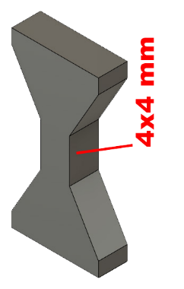
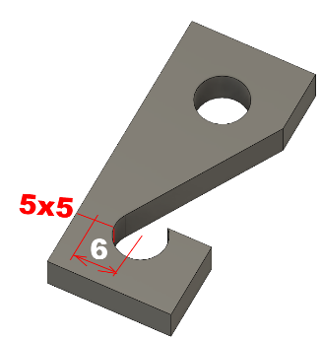
Layer adhesion test
 | Test 1 | Test 2 | Test 3 | Test 4 | Average (kg) | MPa
Hyper PLA | 57.2 | 56.1 | 57.8 | 59.3 | 57.6 | 35.3
CR-PLA | 19.2 | 13.5 | 16.4 | 16.7 | 16.5 | 10.1
Average PLA |  |  |  |  | 37.5 | 23.0
Min area 4x4mm

Hook test, break load (kg)
 | Test 1 | Test 2 | Average | MPa
Hyper PLA | 34.1 | 34.5 | 34.3 | 21.0
CR-PLA | 22.9 | 21.4 | 22.15 | 13.6
Min area 4x4mm, vertical test specimen

Tensile test, break load (kg)
 | Test 1 | Test 2 | Average | MPa
Hyper PLA | 96.1 | 94.9 | 95.5 | 58.6
Average PLA |  |  | 85.9 | 52.7
Min area 4x4mm, vertical test specimen

Shear stress, break load (kg)
Shear stress test, break load (kg)
 | Break kg | MPa
Hyper PLA | 159 | 39.7
Average PLA | 137 | 34.2
Area: 2 x Ø 5 mm



Bending test, deformation after 30 sec. (mm)
Bending. Deformation at given load after 30 sec, (mm)
 | 1.25kg | 2.5kg | 5kg | 10kg
Hyper PLA | 0.27 | 0.51 | 0.99 | 1.99

Bending ISO178 (dist. Between supports 50mm)
More info about bending in next graph
(smaller values are better)



Bending, deformation at given load after 1", 30" and 60"
 | 1,25kg 1" | 1,25kg 30" | 1,25kg 60" | 2,5kg 1" | 2,5kg 30" | 2,5kg 60" | 5kg 1" | 5kg 30" | 5kg 60" | 10kg 1" | 10kg 30" | 10kg 60"
Hyper PLA | 0.26 | 0.27 | 0.27 | 0.50 | 0.51 | 0.51 | 0.97 | 0.99 | 1.00 | 1.93 | 1.99 | 2.02

Bending, deformation at load

1,25 kg 2.5 kg 5 kg 10 kg

Torque (twist) test, Nm
 | Load at 90 | Max Nm
Hyper PLA | 1.4 | 1.4
Average PLA | 1.5 | 1.6




Izod impact test, E break in kJoules/m2
 | dH [mm] | E br [J] | kJ/m²
Hyper PLA | 44 | 0.216 | 6.7
Average PLA |  |  | 7.8

Temperature test
 | Deform °C
Hyper PLA | 53
Average PLA | 50-55

This is only a 10-minute test,
it is not recommended to use object continuously at this temp.

