Sheet1
 |  |  |  |  |  |  |  |  |  |  | Settings:
BambuLab PA6-CF vs PA6-GF |  |  | (A) = annealed 100°C / 1.5h cooling with oven |  |  |  |  |  |  |  | PA6-CF | 275/100°C | Printed on BambuLab X1C, Engineering plate + glue stick, flow 8 mm³/s
MyTechFun, 2024-10-06 |  |  |  |  |  |  |  |  |  |  | PA6-GF | 265/100°C | Printed on BambuLab X1C, Engineering plate + glue stick, flow 10.5 mm³/s
Test object on Printables: |  | https://www.printables.com/model/465670-mytechfun-test-objects
Deformation in the creep test
RAW DATA:
Creep test C-bending, reference surface [mm] (default 12mm), constant load 1,25 kg
 | No Load | 0 | 1 | 2 | 3 | 4 | 5
PA6-CF | 12 | 13.02 | 13.59 | 13.73 | 13.74 | 13.82 | 13.92
PA6-GF | 12 | 14.32 | 16.18 | 16.63 | 16.89 | 17.09 | 17.34
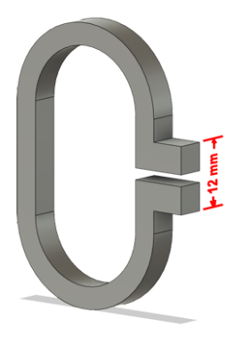
PA6-CF (A) | 12 | 12.28 | 12.79 | 12.97 | 13.08 | 13.10 | 13.12
PA6-GF (A) | 12 | 13.08 | 14.06 | 14.30 | 14.38 | 14.40 | 14.41
The difference between 2 days:
 | 1 | 2 | 3 | 4 | 5
PA6-CF | 0.57 | 0.14 | 0.01 | 0.08 | 0.10
PA6-GF | 1.86 | 0.45 | 0.26 | 0.20 | 0.25
PA6-CF (A) | 0.51 | 0.18 | 0.11 | 0.02 | 0.02
PA6-GF (A) | 0.98 | 0.24 | 0.08 | 0.02 | 0.01
Creeping (changes between 2 days)



Tensile test, break load (kg)
Layer adhesion test, break load (kg)
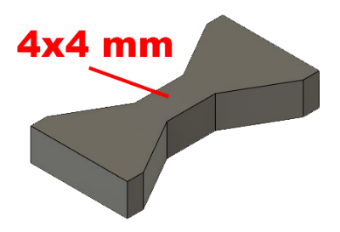
Tensile test, break load (kg)
 | Test 1 | Test 2 | Average (kg) | MPa
PA6-CF | 129.1 | 127.8 | 128.5 | 78.8
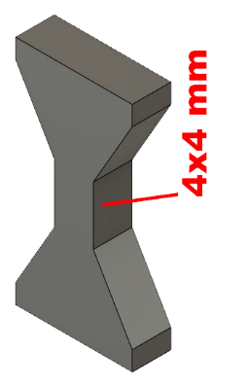
PA6-GF | 103.6 | 110.3 | 106.9 | 65.6
PA6-CF (A) | 153.7 | 156.8 | 155.3 | 95.2
PA6-GF (A) | 121.7 | 118.6 | 120.2 | 73.7
Min area 4x4mm

Layer adhesion test, break load (kg)
 | Test 1 | Test 2 | Average | MPa
PA6-CF | 36.7 | 40.2 | 38.5 | 23.6
PA6-GF | 15.7 | 15.6 | 15.6 | 9.6
PA6-CF (A) | 41.0 | 34.0 | 37.5 | 23.0
PA6-GF (A) | 13.9 | 19.9 | 16.9 | 10.4
Min area 4x4mm, vertical test specimen


Shear stress, horizontal, break load (kg)
Vertical objects, break load (kg)
Shear stress test, break load (kg)
HORIZONTAL
 | Break kg | MPa
PA6-CF | 210.0 | 52.5
PA6-GF | 210.0 | 52.5
*over 210 kg (out of range)
Area: 2 x Ø 5 mm

VERTICAL
 | Break kg | MPa
PA6-CF | 110.8 | 27.7
PA6-GF | 72.5 | 18.1

Area: 2 x Ø 5 mm

Bending test, deformation after 30 sec. (mm)
Bending. Deformation at given load after 30 sec, (mm)
 | 1.25kg | 2.5kg | 5kg | 10kg
PA6-CF | 0.13 | 0.28 | 0.54 | 1.07
PA6-GF | 0.29 | 0.55 | 1.07 | 2.15
PA6-CF (A) | 0.17 | 0.32 | 0.59 | 1.15
PA6-GF (A) | 0.24 | 0.47 | 0.89 | 1.78
Bending ISO178 (dist. Between supports 50mm)
More info about bending in next graph
(smaller values are better)



Bending, deformation at given load after 1", 30" and 60"
 | 1,25kg 1" | 1,25kg 30" | 1,25kg 60" | 2,5kg 1" | 2,5kg 30" | 2,5kg 60" | 5kg 1" | 5kg 30" | 5kg 60" | 10kg 1" | 10kg 30" | 10kg 60"
PA6-CF | 0.12 | 0.13 | 0.13 | 0.27 | 0.28 | 0.29 | 0.53 | 0.54 | 0.55 | 1.03 | 1.07 | 1.09
PA6-GF | 0.26 | 0.29 | 0.30 | 0.53 | 0.55 | 0.56 | 1.02 | 1.07 | 1.09 | 2.09 | 2.15 | 2.24
PA6-CF (A) | 0.17 | 0.17 | 0.17 | 0.31 | 0.32 | 0.32 | 0.58 | 0.59 | 0.60 | 1.13 | 1.15 | 1.18
PA6-GF (A) | 0.23 | 0.24 | 0.25 | 0.45 | 0.47 | 0.47 | 0.87 | 0.89 | 0.91 | 1.73 | 1.78 | 1.81

Bending, deformation at load

1,25 kg 2.5 kg 5 kg 10 kg

(horizontal) Load at 90° [Nm]
(vertical) Max Nm

Torque (twist) test, Nm
HORIZONTAL
 | Load at 90° | Max Nm | Approx turns
PA6-CF | 2 | 2.5 | 0.8
PA6-GF | 1.3 | 2.4 | 1

VERTICAL (layer adhesion is important)
 | Load at 90° | Max Nm | Approx turns
PA6-CF | 1.9 | 1.9 | 0.25
PA6-GF | - | 1.0 | 0.1

E break [kJ/m²]
Izod impact test, E break in Joules
 | dH [mm] | E br [J] | kJ/m²
PA6-CF | 54 | 0.265 | 8.28
PA6-GF | 49 | 0.240 | 7.51
PA6-CF (A) | 52 | 0.255 | 7.97
PA6-GF (A) | 55 | 0.270 | 8.43
0,5 kg hammer


Temperature, deform °C
Temperature test
 | Deform °C
PA6-CF | 200
PA6-GF | 200
PA6-CF (A) | 200
PA6-GF (A) | 200
The deformation didn't started on 225°C but the object partly melted.
This is only a 20-minute test,
it is not recommended to use object continuously at this temp.


Shrinking of 80 mm
 | L (mm) | Shrink. in %
PA6-CF | 80.35 | -0.44%
PA6-GF | 79.90 | 0.12%
PA6-CF (A) | 80.30 | -0.37%
PA6-GF (A) | 79.85 | 0.19%

Better dimensional stability with GF version!

