AB Hydrogen Production Calcs
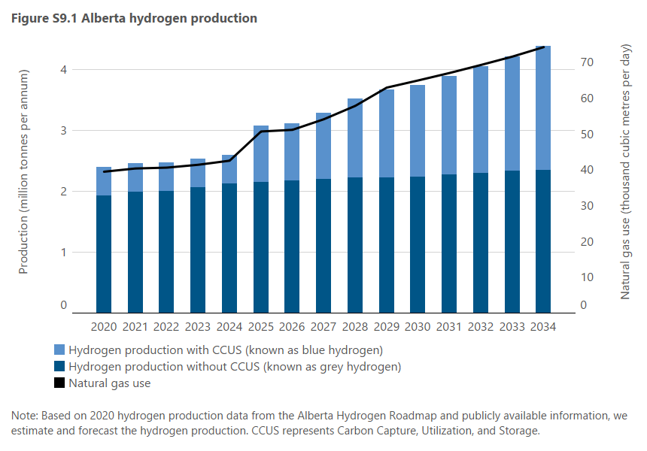
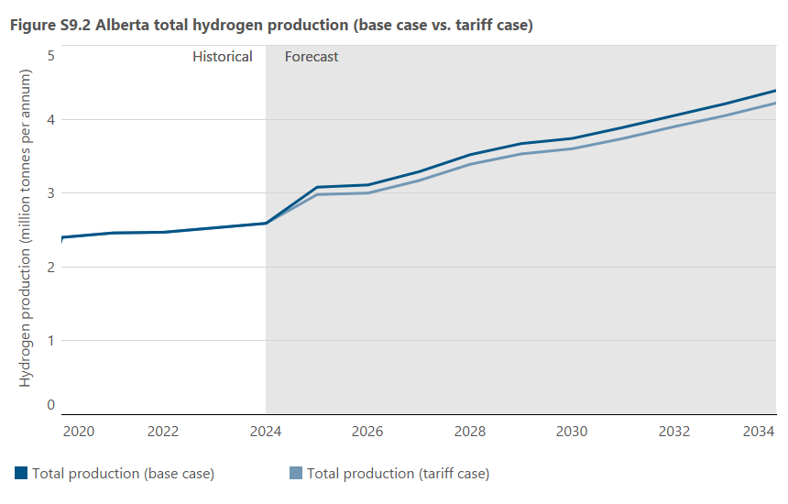
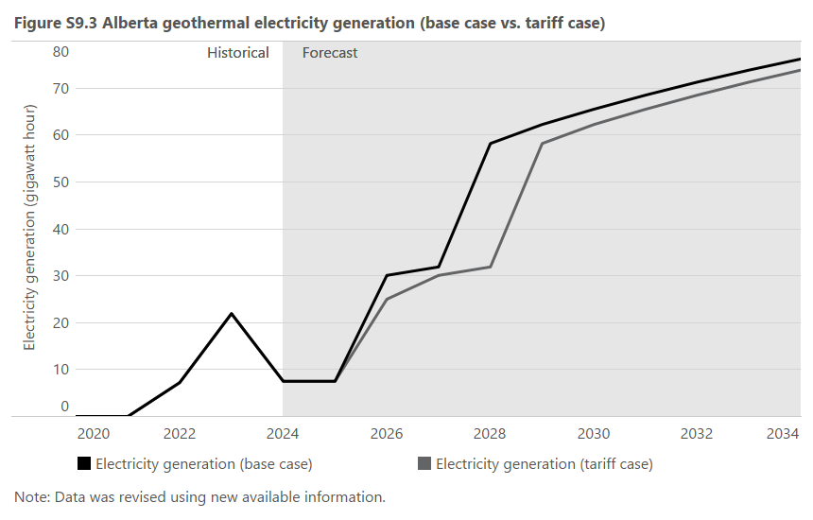
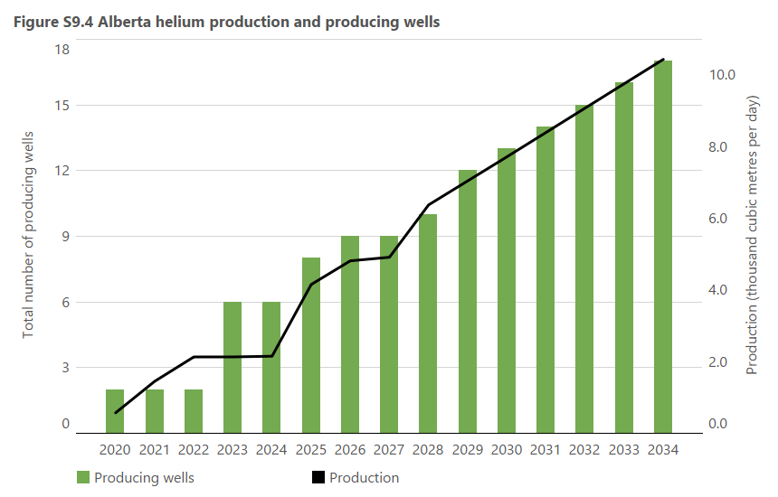
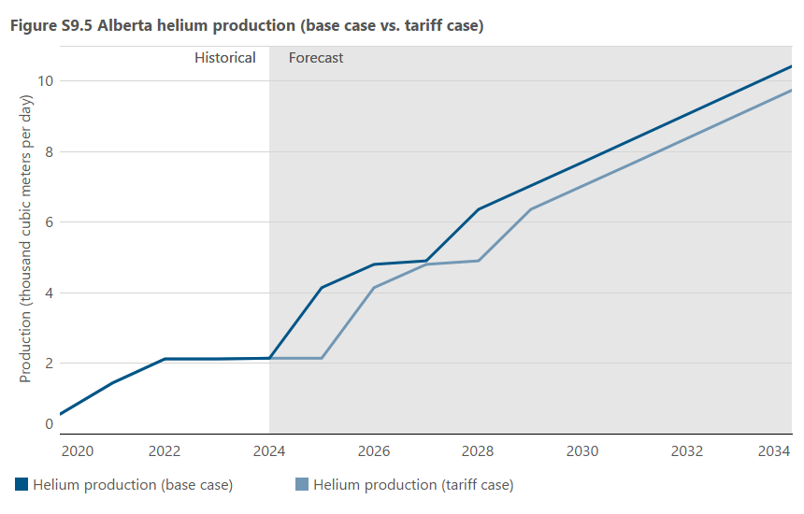
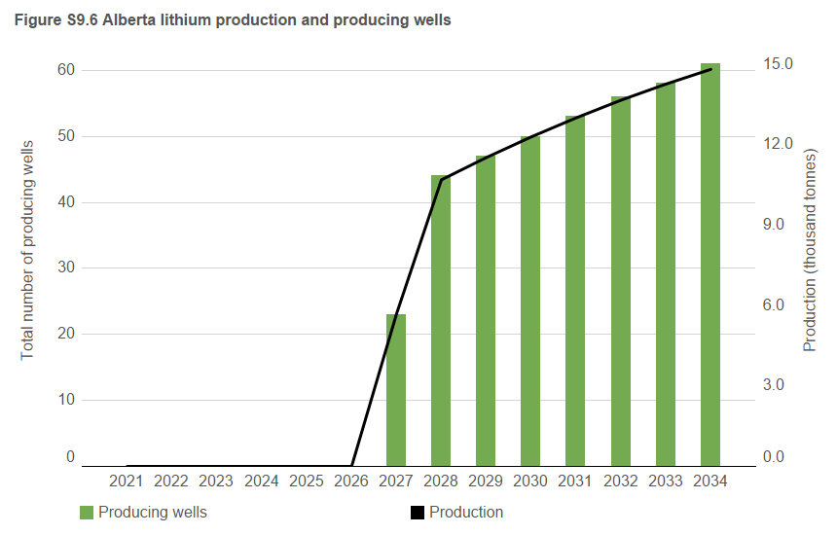

Figure S9.1 |  |  |  | Figure S9.2 |  |  | Figure S9.3 |  |  | Figure S9.4 |  |  | Figure S9.5 |  |  | Figure S9.6
Year |  |  |  | Year |  |  | Year |  |  | Year |  |  | Year |  |  | Year
 | Hydrogen production without CCUS | Hydrogen production with CCUS | Natural gas use |  | Total production (base case) | Total production (tariff case) |  | Electricity generation (base case) | Electricity generation (tariff case) |  | Production | Producing wells |  | Production (base case) | Production (tariff case) |  | Production | Producing wells
 | (106 tpa) | (106 tpa) | (103 m3/d) |  | (106 tpa) | (106 tpa) |  | (GWh) | (GWh) |  | (103 m3/d) | Number of wells |  | (103 m3/d) | (103 m3/d) |  | (103 tonnes) | Number of wells
2020 | 1.9 | 0.5 | 39.4 | 2014 | 0.0 | 0.0 | 2020 | 0.0 | 0.0 | 2020 | 0.6 | 2 | 2020 | 0.6 | 0.6 | 2020 | 0.0 | 0
2021 | 2.0 | 0.5 | 40.3 | 2015 | 0.0 | 0.0 | 2021 | 0.0 | 0.0 | 2021 | 1.5 | 2 | 2021 | 1.5 | 1.5 | 2021 | 0.0 | 0
2022 | 2.0 | 0.5 | 40.6 | 2016 | 0.0 | 0.0 | 2022 | 7.2 | 7.2 | 2022 | 2.1 | 2 | 2022 | 2.1 | 2.1 | 2022 | 0.0 | 0
2023 | 2.1 | 0.5 | 41.4 | 2017 | 0.0 | 0.0 | 2023 | 21.9 | 21.9 | 2023 | 2.1 | 6 | 2023 | 2.1 | 2.1 | 2023 | 0.0 | 0
2024 | 2.1 | 0.5 | 42.5 | 2018 | 0.0 | 0.0 | 2024 | 7.5 | 7.5 | 2024 | 2.2 | 6 | 2024 | 2.2 | 2.2 | 2024 | 0.0 | 0
2025 | 2.2 | 0.9 | 50.7 | 2019 | 0.0 | 0.0 | 2025 | 7.5 | 7.5 | 2025 | 4.2 | 8 | 2025 | 4.2 | 2.2 | 2025 | 0.0 | 0
2026 | 2.2 | 0.9 | 51.1 | 2020 | 2.4 | 2.4 | 2026 | 30.1 | 25.0 | 2026 | 4.8 | 9 | 2026 | 4.8 | 4.2 | 2026 | 0.0 | 0
2027 | 2.2 | 1.1 | 54.1 | 2021 | 2.5 | 2.5 | 2027 | 31.9 | 30.1 | 2027 | 4.9 | 9 | 2027 | 4.9 | 4.8 | 2027 | 5.7 | 23
2028 | 2.2 | 1.3 | 57.8 | 2022 | 2.5 | 2.5 | 2028 | 58.2 | 31.9 | 2028 | 6.4 | 10 | 2028 | 6.4 | 4.9 | 2028 | 10.7 | 44
2029 | 2.2 | 1.5 | 62.9 | 2023 | 2.5 | 2.5 | 2029 | 62.2 | 58.2 | 2029 | 7.0 | 12 | 2029 | 7.0 | 6.4 | 2029 | 11.5 | 47
2030 | 2.2 | 1.5 | 64.9 | 2024 | 2.6 | 2.6 | 2030 | 65.5 | 62.2 | 2030 | 7.7 | 13 | 2030 | 7.7 | 7.0 | 2030 | 12.3 | 50
2031 | 2.3 | 1.6 | 67.0 | 2025 | 3.1 | 3.0 | 2031 | 68.5 | 65.5 | 2031 | 8.4 | 14 | 2031 | 8.4 | 7.7 | 2031 | 13.0 | 53
2032 | 2.3 | 1.8 | 69.2 | 2026 | 3.1 | 3.0 | 2032 | 71.3 | 68.5 | 2032 | 9.1 | 15 | 2032 | 9.1 | 8.4 | 2032 | 13.7 | 56
2033 | 2.3 | 1.9 | 71.5 | 2027 | 3.3 | 3.2 | 2033 | 73.8 | 71.3 | 2033 | 9.8 | 16 | 2033 | 9.8 | 9.1 | 2033 | 14.3 | 58
2034 | 2.4 | 2.0 | 74.2 | 2028 | 3.5 | 3.4 | 2034 | 76.2 | 73.8 | 2034 | 10.4 | 17 | 2034 | 10.4 | 9.8 | 2034 | 14.8 | 61
Any discrepancies are due to rounding. |  |  |  | 2029 | 3.7 | 3.5 | Any discrepancies are due to rounding. |  |  | Any discrepancies are due to rounding. |  |  | Any discrepancies are due to rounding. |  |  | Any discrepancies are due to rounding.
Data are sourced from the Alberta Hydrogen Roadmap and publicly available information. |  |  |  | 2030 | 3.7 | 3.6 | Data are sourced from AESO and publicly available information. |  |  | Data are sourced from Petrinex and publicly available information. |  |  | Data are sourced from Petrinex and publicly available information. |  |  | Data are sourced from publicly available information.
(106 tpa) = million tonnes per annum. |  |  |  | 2031 | 3.9 | 3.7 | (GWh) = gigawatt hour. |  |  | (103 m3/d) = thousand cubic metres per day. |  |  | (103 m3/d) = thousand cubic metres per day. |  |  | (103 tonnes) = thousand tonnes.
(103 m3/d) = thousand cubic metres per day. |  |  |  | 2032 | 4.1 | 3.9
 |  |  |  | 2033 | 4.2 | 4.1
 |  |  |  | 2034 | 4.4 | 4.2
 |  |  |  | Any discrepancies are due to rounding.
 |  |  |  | Data are sourced from the Alberta Hydrogen Roadmap and publicly available information.
 |  |  |  | (106 tpa) = million tonnes per annum.

