Category Statistics
country | US

Parent Category Outcomes
Cuenta de outcomes | Etiquetas de columna
Etiquetas de fila | canceled | failed | live | successful | Total general
theater | 26 | 349 | 12 | 525 | 912
Total general | 26 | 349 | 12 | 525 | 912

Subcategory Statistics
country | US
Parent category | theater
Subcategory Outcomes
Cuenta de outcomes | Etiquetas de columna
Etiquetas de fila | failed | live | successful | Total general
plays | 250 | 9 | 412 | 671
Total general | 250 | 9 | 412 | 671

Outcomes Based on Launch Date
Años | (Todas)
Parent category | theater
 | canceled | failed | live | successful
ene | 7 | 33 | 2 | 56
feb | 3 | 39 | 8 | 71
mar | 3 | 33 | 14 | 56
abr | 2 | 40 |  | 71
may | 3 | 52 |  | 111
jun | 4 | 49 |  | 100
jul | 1 | 50 |  | 87
ago | 4 | 47 |  | 72
sep | 4 | 34 |  | 59
oct |  | 50 |  | 65
nov | 3 | 31 |  | 54
dic | 3 | 35 |  | 37
Cuenta de outcomes | Etiquetas de columna
Etiquetas de fila | canceled | failed | live | successful | Total general
ene | 7 | 33 | 2 | 56 | 98
feb | 3 | 39 | 8 | 71 | 121
mar | 3 | 33 | 14 | 56 | 106
abr | 2 | 40 |  | 71 | 113
may | 3 | 52 |  | 111 | 166
jun | 4 | 49 |  | 100 | 153
jul | 1 | 50 |  | 87 | 138
ago | 4 | 47 |  | 72 | 123
sep | 4 | 34 |  | 59 | 97
oct |  | 50 |  | 65 | 115
nov | 3 | 31 |  | 54 | 88
dic | 3 | 35 |  | 37 | 75
Total general | 37 | 493 | 24 | 839 | 1393

Kickstarter
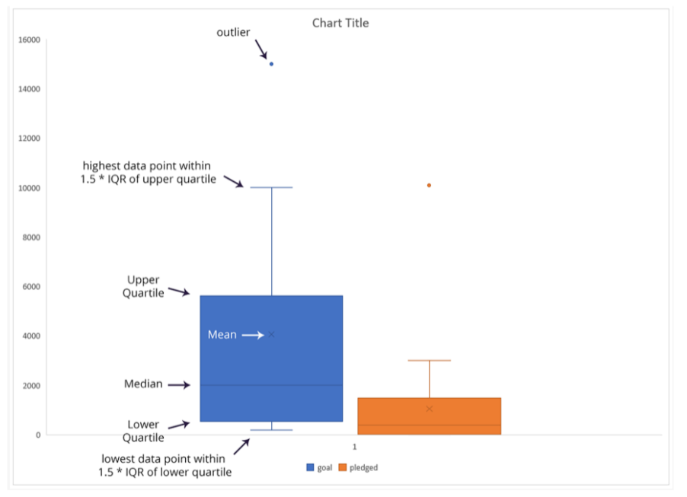
id | name | blurb | goal | pledged | outcomes | country | currency | deadline | launched_at | staff_pick | backers_count | spotlight | Category and Subcategory | Percentage Funded | Average Donation | Parent category | Subcategory | Date Created Conversion | Date Ended Conversion
...

