Spaceshot Components
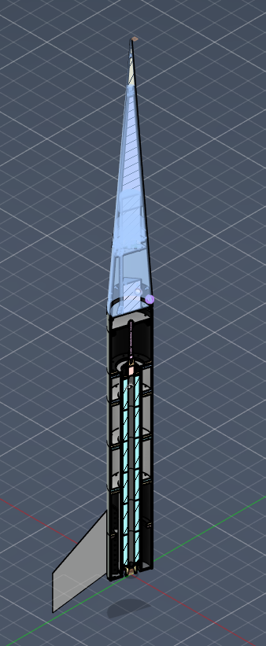
COMPONENT | Notes | PROSPECT 2 (top) - "Prospect II - FULL ASSEMBLY" in Prospect II folder |  |  |  |  |  |  | EUREKA 3 (bottom) - "ASSEM_Engine&MVA v8" in Ablative V3 folder
 |  | Mass (g) | Moment of Inertia (wrt CG) (g cm^2) |  |  | Center of Gravity (cm, cm, cm) RAW | Center of Gravity (z cm from BOTTOM) | Center of Gravity (z cm from nosecone TOP) | Mass (g) | Moment of Inertia (wrt CG) (g cm^2) |  |  | Center of Gravity (cm, cm, cm) RAW | Center of Gravity (z cm from BOTTOM) | Center of Gravity (z cm from Bulkhead CG)
 |  |  | Pitch (I_xx) | Yaw (I_yy) | Roll (I_zz) |  |  |  |  | Pitch (I_xx) | Yaw (I_yy) | Roll (I_zz)
Nosecone | Nosecone (upper and lower) | 3982.172 | 3.68E+06 | 3.68E+06 | 2.08E+05 | 0.006, -0.113, 179.445 | 179.445 | 97.205
Drogue Parachute | Upper Eyebolt, Nosecone Tip, Drogue Parachute | 867.444 | 6.82E+05 | 6.82E+05 | 4426.61 | -1.038E-05, 8.324E-06, 95.742 | 233.087 | 43.563
Main Parachute | Main Subtube, Lower Drogue Eyebolt, Main Eyebolt Nut, Drogue Eyebolt Nuts, Main Parachute, other screws, eyebolt spacers, Lower Eyebolt, Forward Coupler, "Black-Oxide" screws, Subtube retainer, "Partial THread" | 1862.037 | 1.32E+05 | 1.34E+05 | 43585.268 | -0.196, 0.07, 40.11 | 177.455 | 99.195
Avbay (w/ Coupler) | Avbay Assembly, M6x16 bolts, Black Box, Aft Coupler (without lower bolts and bolt ring) | 1472.254 | 1.26E+05 | 1.28E+05 | 53334.585 | 0.876, -0.365, 6.8 | 144.145 | 132.505
Avbay (w/o Coupler) |  | 1110.471 | 89995.452 | 91500.88 | 21394.214 | 1.154, -0.47, 8.629 | 145.974 | 130.676

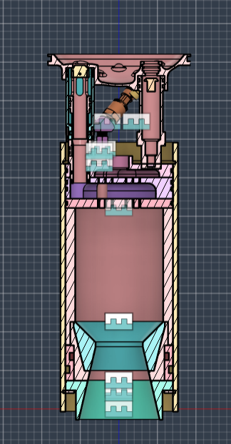
Bulkhead | Bulkhead Sleeve Bottom (BODY38 ONLY) |  |  |  |  |  |  |  | 569.874 | 13628.317 | 14326.027 | 26569.957 | -0.011, 0.203, 44.163 | 44.163 | 1.8791
IPA Poppet Valve | IPA Poppet |  |  |  |  |  |  |  | 374.404 | 5204.431 | 5204.432 | 638.538 | -4.153, 0, 36.932 | 36.932 | 9.1101
Nitrous Poppet Valve | Nitrous Poppet |  |  |  |  |  |  |  | 1495.596 | 4.16E+05 | 2.08E+05 | 2.15E+05 | 5.432, 8.314, 43.044 | 43.044 | 2.9981
Other Valves | Short Tail Amazons, High Presure Brass Pipe Fittings, Female smth |  |  |  |  |  |  |  | 487.114 | 1.31E+04 | 7.76E+03 | 1.39E+04 | -0.359, 0.585, 37.956 | 37.956 | 8.0861
Injector | Injector |  |  |  |  |  |  |  | 5389.35 | 95764.276 | 9.68E+04 | 1.46E+05 | 0.127, -0.014, 29.212 | 29.212 | 16.8301
Exterior | CHAMBER:1 |  |  |  |  |  |  |  | 7906.469 | 1.00E+06 | 1.00E+06 | 4.23E+05 | 0, 6.244E-10, 17.151 | 17.151 | 28.8911
Engine (w/ Fin Mounts) | Nozzle Carrier, Phenolic Liner v7.5 NOT v7, Nozzle Extension, Retainng Ring, "Component2:1", Fin Mounts |  |  |  |  |  |  |  | 26011.07 | 3.80E+06 | 3.80E+06 | 1.21E+06 | 0, 7.712E-10, 14.729 | 14.729 | 31.3131
Engine (w/o Fin Mounts) |  |  |  |  |  |  |  |  | 15524.486 | 1.12E+06 | 1.12E+06 | 5.38E+05 | 0, 1.292E-09 | 10.46 | 35.5821

