Gaussina Vermelha
...
-1.51 | 3.6077548946
-1.749 | 4.5727934401
-1.978 | 5.6046258037
-0.796 | 1.4051947128
-2.582 | 8.8292719855
-2.115 | 6.2720648946
-1.35 | 3.0255439855
-0.963 | 1.8290103492
-1.787 | 4.736756531
-1.14 | 2.3390921674
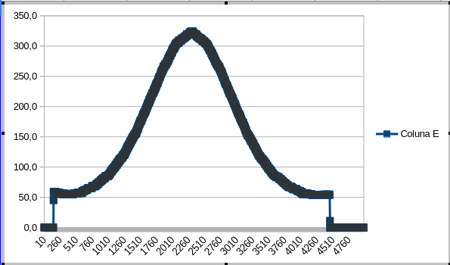
-2.168 | 6.5403412583
-1.008 | 1.9527521674
-1.233 | 2.6322112583
-1.546 | 3.7458083492
-0.48 | 0.75587216736
-1.79 | 4.7498239855
0.294 | 0.0091028946281
1.162 | 0.59689671281
2.422 | 4.1314258037
2.531 | 4.5864116219
2.79 | 5.7628367128
 | 59.134603
 | 59.145086
 | 59.795032
 | 60.8014
 | 61.482795
 | 66.325941
 | 71.420679
 | 79.859494
 | 88.088649
 | 98.382955
 | 108.928853
 | 120.37227691
 | 142.84831783
 | 167.59097124
 | 191.52019694
 | 216.25334406
 | 244.21022901
 | 268.81966314
 | 288.72312054
 | 308.21572942
 | 316.26118462
 | 322.91455443
 | 317.63628929
 | 313.66962084
 | 296.72213306
 | 279.56933825
 | 255.8031022
 | 231.53557531
 | 205.20775615
 | 179.42577587
 | 153.65990455
 | 132.09895658
 | 110.29121723
 | 99.336908
 | 91.30693
 | 82.102856
 | 72.563326
 | 68.03467
 | 61.786802
 | 57.76133
 | 56.880758
 | 56.859792
 | 56.859792
 | 56.859792
3.058 | 7.1213774401
3.288 | 8.4018292583
4.196 | 14.490134349
3.345 | 8.7355176219
3.082 | 7.2500458037
2.273 | 3.5479147128
3.067 | 7.1694930764
1.37 | 0.96155853099
1.71 | 1.7439603492
1.82 | 2.0465903492
2.026 | 2.6784298037
0.768 | 0.14333107645
1.239 | 0.72180471281
0.837 | 0.2003376219
...

