Prefrontal
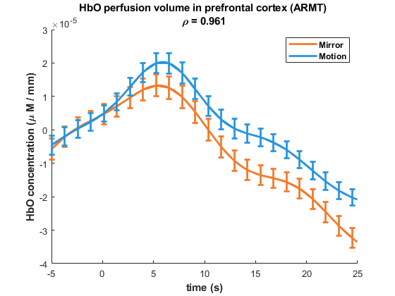
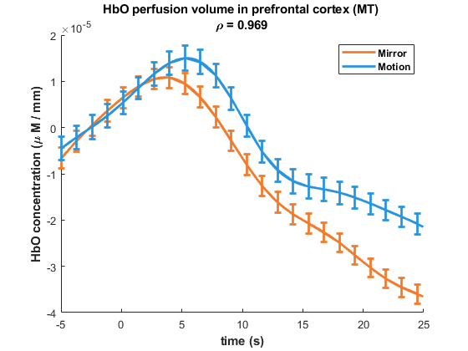
raw beta value | ARMT_mirror | -2.85E-05 | -1.47E-04 | 0.00045674939731 | 0 | 9.99E-05 | 9.43E-05 | -3.78E-05 | -6.81E-05 | 0.00049996485493 | 7.23E-05 | 0.00019090395034 | 0.00015764042741 | -0.00030161036869 | 4.56E-05 | 5.53E-05 | 5.15E-05 | 2.82E-06 | 8.64E-05 | 0 | 5.48E-05 | 8.65E-05 | 0.00014819204165 | 0.00015779249273 | -9.70E-05 | 0.00022945965335 | 0.00035468887901 | 3.14E-05 | -8.44E-05 | -1.40E-05 | -2.48E-06 | -0.00017841504875 | 0.00034574115397 | 0 | 9.27E-05 | -0.00010975860017 | 9.86E-07 | 6.89E-06 | 0.00014308430495 | 4.72E-05 | 0 | 0.00020480890801 | 1.88E-05 | 6.17E-05 | 4.75E-06 | 5.18E-05 | 1.54E-05 | 5.59E-05 | 2.39E-06 | 4.49E-05 | -1.36E-07 | 8.76E-05 | 0.00013074922026 | -0.00014818925544 | 0.00027010156769 | 0.00025277904282 | 9.64E-05 | 4.74E-05 | 1.54E-05 | 8.88E-05 | -0.0004057316215 | 0.00031199670481 | 5.58E-05 | 9.82E-05 | -0.00019601381971 | -2.73E-06 | -4.96E-05 | 0.00023666841297 | -0.00036354599473 | 0 | -0.00013952046726 | 0 | 0.00011633030532 | 7.14E-05 | 8.19E-05 | -2.93E-08 | 0.00010823384689 | 0.00054912540621 | 9.71E-05 | -5.92E-05 | 1.06E-05 | -1.80E-06 | -0.00028896786883 | 0.0003052659138 | 0.0002038301354 | 2.34E-05 | 1.50E-06 | 5.45E-05 | 2.78E-05 | -0.00056988329443 | 0.00040737763905 | -7.93E-05 | -5.75E-05 | -0.00042708436579 | -2.54E-07 | 0 | 0.00036946030591 | 2.21E-05 | 0.00020336366566 | 0.00020882028765 | -3.02E-05 | 7.20E-05 | 0.00010935814757 | 9.86E-05 | -8.01E-05 | 5.49E-05 | -7.80E-05 | 8.54E-05 | 4.18E-05 | 0.00029392262884 | 5.78E-05 | -0.00013146202101 | 0.00018462518986 | 0.00012067666693 | -3.05E-06 | 6.00E-05 | 1.28E-05 | -2.45E-05 | -0.00036530670394 | 0.00024602433654 | -1.58E-05 | 0.00038382140266 | -0.00060732526312 | 7.17E-05 | -5.10E-05 | 0.00049527883419 | 0.00013654004117 | 0 | 0.00018286134305 | 3.90E-05 | 6.92E-05 | 0 | 0.00015738803232 | -0.00049857382159 | 2.40E-05 | 0.00026972650107 | 9.53E-05 | 0.00013284856948 | 0.00042757551493 | 6.51E-05 | -0.0001719813891 | 0.00021091437366 | 0.00038762188951 | 3.31E-05 | 4.70E-05 | -7.43E-05 | -8.62E-07 | -0.00011605593065 | 0.00017159248992 | -1.93E-05 | 0.00014630270326 | -1.25E-05 | -5.20E-05 | 1.73E-05 | 0.00038492892672 | -8.04E-06 | 0.00020040384521 | 0.00019802200351 | -7.36E-06 | -1.73E-05 | -2.53E-05 | 0.00010382200736 | -7.06E-05 | 1.29E-06 | -0.00012229612728 | 9.77E-06 | 0.00013941438778 | 0.00025938651935 | -1.57E-05 | -5.09E-05 | 0.00025545820331 | 1.87E-05 | 4.43E-05 | 0.00012817994364 | -3.07E-05
 | ARMT_ motion | 5.92E-05 | -0.00022766888688 | 4.80E-04 | 0 | 0.00031420652211 | 0 | 0 | 0 | 0.00049087476143 | 8.52E-05 | 7.60E-05 | 9.48E-05 | 0.00011761703416 | -8.82E-05 | 0.00012921262748 | 0.00011807844118 | 0 | 0.00017669747678 | 4.30E-05 | 0.00011659423331 | 0.00011953600348 | 0.0002875483154 | 0.00017181250784 | -0.00015546213762 | 0.00029332467515 | 0.00027494520377 | 4.78E-05 | -5.66E-05 | 5.79E-05 | -3.75E-06 | 0.00011557485971 | 0.0003120818121 | -4.26E-05 | 0.00048905128408 | 0 | 0 | 0 | 0.00034632049009 | 3.22E-05 | -0.00011361985897 | 8.58E-05 | 6.19E-05 | 3.32E-06 | -0.00014260022747 | 9.15E-05 | 0 | 0.00011510714112 | 3.26E-05 | 7.42E-05 | 0.00017642463755 | 0.00019078742283 | 6.87E-05 | -0.0002400662442 | 0.00017538001979 | 0.00024650751394 | 7.04E-05 | 5.97E-05 | 8.36E-05 | 0.00011822215664 | -0.00027650604553 | 0.00029211953762 | 1.06E-05 | 0 | 8.37E-05 | -8.66E-05 | -0.00016915985898 | 0.00037525144154 | 6.60E-05 | -0.00012667575282 | 3.21E-05 | 0.00017891106322 | -3.21E-05 | -0.00010666578066 | 0.00021940221171 | 0 | 6.52E-05 | -0.00052669035034 | 7.35E-05 | 0.00016676531197 | 0.00026230266227 | 8.99E-05 | -0.00020566327451 | 9.14E-05 | 0.00017782534977 | -8.78E-06 | 3.54E-05 | 0.00011487632654 | 2.76E-05 | -4.27E-05 | 0.00060339600116 | 9.09E-06 | 0.00012873032774 | -0.00056592738377 | 0 | 0 | 0.00031908117339 | 1.46E-05 | 6.32E-05 | 8.32E-05 | 7.69E-05 | -6.38E-05 | 9.52E-05 | 0.00013252061657 | 0 | 0.00011563490587 | 2.82E-05 | 0.00011114439415 | 0.00016518653967 | 0.00037643248888 | 7.32E-06 | -0.0002256281778 | 7.40E-05 | 0.00018602075932 | 5.17E-05 | -4.07E-06 | 7.39E-05 | 9.78E-05 | -0.0001937645139 | 0.00036765640041 | 1.07E-05 | 0.00011885531112 | -8.47E-05 | -6.21E-05 | 0 | 0.00029839793544 | -4.60E-05 | 9.86E-05 | 0.00015735602103 | 2.58E-05 | -4.89E-05 | 4.54E-05 | 7.63E-05 | 0 | 1.52E-05 | 2.69E-05 | 1.88E-05 | 0.00010563220118 | 0.0001417017879 | 5.14E-05 | -6.85E-05 | 0.00018037758519 | 0.00013980546815 | 6.89E-05 | 0.00012280011694 | -7.31E-05 | 7.46E-05 | -0.00035856098917 | 0.00043995721328 | 1.05E-05 | 0.00031406553398 | -1.28E-05 | -0.00017624166923 | 0.00030335082762 | 0.00047599032519 | -3.36E-05 | -0.00021641478702 | -0.00017473092679 | 0.00054244730805 | -2.75E-05 | 0 | 0.00013177450343 | 0 | 0 | 0 | 0.0001089883502 | 0.00016611494739 | 0.00045156831944 | 0.00017364529186 | -0.00022883709256 | 0.00013337954848 | 0.00022300421993 | 0.00020702884106 | 9.91E-05 | 0.0001144348262
 | MT_mirror | 2.56E-04 | -2.81E-05 | 0 | 0.00016912591206 | -5.89E-06 | 3.40E-05 | 2.64E-05 | 8.40E-05 | 0.00099056585565 | 0.00035984139826 | 2.92E-05 | -3.77E-06 | -8.89E-06 | 2.83E-05 | 4.90E-05 | 0.00021801555518 | -0.00016434925597 | 5.93E-05 | -4.68E-05 | 3.75E-06 | 0.00010779668345 | -7.14E-05 | 0.00020362058406 | 0.000106755939 | 1.14E-05 | 0.00024963794007 | -6.66E-05 | 0.00016210389303 | 5.24E-05 | 0 | 8.52E-05 | -2.10E-05 | 6.31E-05 | -1.15E-05 | 9.51E-05 | 7.55E-05 | -7.28E-06 | 9.86E-07 | -0.00010496192521 | 0 | -0.00018302502034 | 7.08E-05 | 0.00022624182855 | -4.49E-05 | 4.89E-05 | -2.56E-05 | -2.47E-05 | -6.18E-06 | -8.45E-05 | 0.00016853063672 | 3.28E-05 | 7.16E-05 | 8.14E-06 | 2.23E-05 | 0.00033490331042 | -0.00016210811692 | 0 | -5.87E-05 | -7.98E-05 | 0.00024880783016 | 0.00018462855175 | -9.04E-05 | 8.46E-05 | 3.51E-05 | -5.26E-05 | 0.0004308715236 | -0.00018667299384 | -0.0002232476833 | 4.52E-05 | 0.00038560306152 | 0 | -0.00024053217369 | -4.30E-05 | 6.90E-05 | 0.00019240524181 | -0.0001061355373 | 0.00019133625137 | 0.00010496691874 | 0.00017472015874 | 0.00023398936378 | 5.31E-05 | 0.00022188937381 | -4.39E-06 | 0 | 2.83E-05 | -8.36E-05 | 3.81E-05 | -2.18E-05 | 2.36E-05 | 0 | 0.00032016254973 | -2.31E-05 | 0.00013867818742 | 7.04E-06 | -3.41E-05 | 4.11E-05 | 0.00025911474241 | 6.13E-05 | -0.00016640048779 | -1.85E-05 | 7.17E-05 | 0.0001148712119 | -5.94E-05 | 0.0001545814739 | 7.30E-05 | 4.06E-05 | 7.72E-05 | -1.08E-05 | -2.25E-05 | -0.00011048587117 | 0 | -9.84E-05 | -0.00019761833233 | 1.16E-05 | -3.29E-05 | -0.00013122869654 | 0 | 0.00032251940644 | -8.98E-05 | 0.00040451318934 | 0.00025487473801 | 0 | 7.75E-05 | 0.00079373332751 | -0.00013709006418 | 0 | -3.70E-05 | 6.30E-05 | 1.77E-05 | 1.17E-06 | 0.00011570476981 | 2.68E-05 | 4.75E-06 | 0.00016295351903 | 2.39E-05 | 3.53E-05 | -7.92E-05 | 0 | 7.60E-05 | -0.00020746307469 | 5.34E-05 | -1.00E-05 | -3.51E-05 | 0 | 0.00033101935667 | -0.00017856591424 | 0.00014943209176 | -3.10E-05 | -6.42E-05 | -0.00010672191258 | 0.00016579477846 | -6.11E-05 | -0.0003748892474 | 6.15E-06 | 3.06E-05 | -1.73E-05 | -6.54E-05 | 0.00011045512249 | -9.72E-06 | -2.25E-06 | 0.00013514655455 | 5.14E-05
 | MT_motion | 3.54E-04 | 7.31E-05 | 0.00E+00 | 0.00024020161825 | -1.02E-05 | 1.63E-05 | 4.50E-06 | -0.00014070069409 | 7.06E-05 | 3.75E-04 | -2.42E-05 | 0.00E+00 | 0 | 8.66E-05 | 0.0001498379246 | 0.0002326418404 | -0.00046408274876 | -0.00079831190584 | -2.60E-05 | 2.27E-05 | 4.34E-05 | -5.91E-05 | 0.00021117333691 | 4.84E-05 | -4.09E-05 | 3.80E-05 | -3.64E-05 | 1.70E-04 | 4.90E-05 | 6.65E-04 | 0.00013315004111 | -6.85E-05 | 4.33E-05 | 2.71E-06 | 3.01E-05 | -2.97E-05 | 0.00028316503395 | 4.09E-06 | 0.00E+00 | 0 | -9.64E-05 | 1.18E-04 | 1.81E-04 | -0.00010534832023 | -1.11E-04 | -2.78E-05 | -1.84E-05 | 4.54E-05 | -8.52E-05 | 0.00017115026397 | 3.85E-05 | -5.05E-06 | -4.20E-05 | 6.04E-05 | 0.00027626215596 | -3.54E-04 | 0.00E+00 | 1.30E-04 | -0.00012808515185 | 0.00022107000621 | 1.63E-05 | -3.86E-05 | -0.00013870942413 | 3.56E-04 | 6.92E-05 | 9.18E-05 | 0.00018836444022 | 5.36E-05 | 0.00013258165576 | 2.48E-04 | 0.00064297951751 | 0.00E+00 | -4.04E-05 | 0.00010772238708 | 0.00010958487215 | -1.81E-04 | 1.29E-05 | 4.58E-05 | -1.71E-05 | 0.00014253619096 | 8.42E-05 | 0.00020897790839 | -1.32E-04 | 0 | 2.11E-04 | -2.99E-04 | 2.26E-05 | -1.02E-05 | -7.04E-05 | 0 | 3.93E-04 | 7.30E-05 | 0 | 0 | 7.10E-05 | 8.92E-05 | 3.17E-04 | -1.62E-04 | 0.00E+00 | -3.13E-05 | 2.72E-05 | 5.82E-05 | -2.42E-05 | 8.92E-05 | -5.83E-06 | -1.03E-05 | -2.60E-05 | -1.29E-05 | 0.00023089492499 | -1.07E-04 | 0.00056546387565 | 7.02E-05 | -0.00011307027001 | 4.42E-05 | -2.52E-06 | 6.28E-05 | 3.70E-04 | 0.00025090882379 | -1.20E-05 | 8.97E-05 | 0 | 2.49E-05 | 1.20E-05 | 0.00023468520882 | 8.13E-06 | 0.00E+00 | -1.03E-05 | 2.04E-05 | -1.08E-06 | -2.40E-05 | 1.00E-04 | 1.27E-05 | -7.97E-06 | 2.76E-05 | -1.88E-05 | 1.72E-04 | 6.41E-05 | 0 | -1.67E-04 | -2.70E-04 | 0.00013023006993 | 2.94E-05 | 1.71E-04 | -0.00048122449894 | 2.61E-04 | -8.78E-06 | -7.20E-05 | 0.00035344991701 | -9.37E-05 | 4.29E-05 | -1.17E-04 | 0.00055665969888 | 0 | 1.96E-05 | 4.56E-05 | 0.00010276644054 | -3.82E-05 | 0.00017187654988 | -1.79E-05 | -1.35E-05 | 0.00017926527737 | -7.03E-07
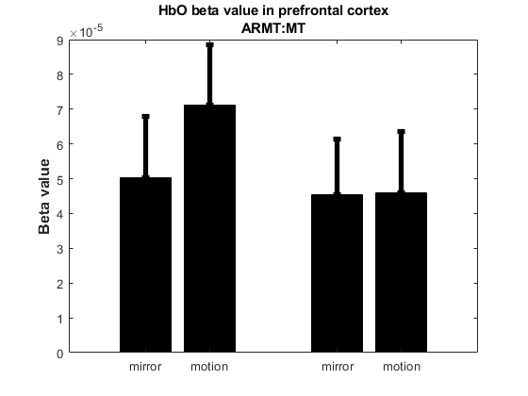
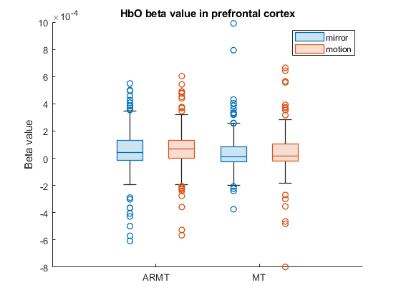
P value of beta value result
ARMT (bilateral comparison) | MT (bilateral comparison) | mirror (ARMT vs MT) | motion (ARMT vs MT)
0.1102 | 0.9788 | 0.7977 | 0.1827

result | mean | std
ARMT_mirror | 5.02E-05 | 0.00017742887998
ARMT_ motion | 7.13E-05 | 0.000172259572
MT_mirror | 4.54E-05 | 0.00016013992168
MT_motion | 4.59E-05 | 0.00017568764408

motor_all_channel
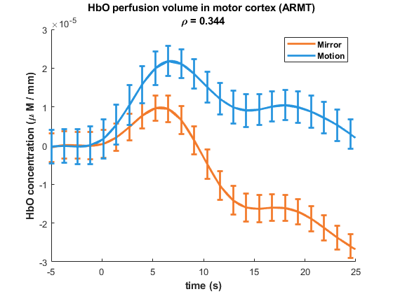
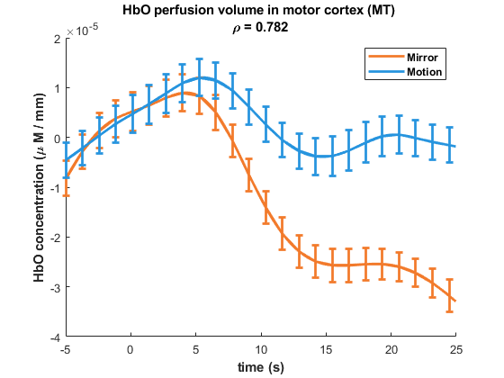
raw beta value | ARMT_mirror | 5.38E-05 | -0.00055945028482 | 0.00021771420615 | 2.65E-08 | 0.00027474547156 | -9.82E-05 | 4.50E-05 | 1.30E-06 | 0.00057852742066 | 0.00014689513615 | -3.60E-05 | -3.70E-05 | 4.43E-05 | 5.11E-05 | 0.00010853717158 | 6.59E-05 | 0.00027729432499 | -0.00014784412599 | 0.00030561849846 | 0.00010856315602 | 0.00011506103909 | 0.00039608484098 | 4.39E-05 | -0.00020121895549 | 0.00031430691921 | 2.90E-05 | -6.47E-06 | -4.59E-06 | 1.73E-05 | -1.87E-05 | 0 | 0.00021634250924 | 7.04E-06 | 0.00035857258714 | -3.16E-05 | -0.00013505983784 | -0.00016571116384 | 0.00066853971684 | -3.34E-06 | -9.24E-05 | 7.47E-05 | 6.52E-06 | -7.93E-06 | 0 | 7.39E-05 | 0.00013611665451 | 9.43E-05 | 9.49E-05 | 2.07E-05 | 0.00021262178347 | 0.00035761839288 | 1.24E-05 | -0.00031966509791 | 0.00022553760703 | 0.00013981457545 | 1.70E-05 | 5.04E-05 | -1.20E-05 | -0.0001290811336 | -0.00090015794977 | -3.59E-06 | 0 | 0.00012695605561 | 3.71E-05 | 1.06E-05 | 4.42E-05 | 0.00043563566776 | -5.12E-05 | -0.00019553774478 | 6.26E-05 | 4.95E-05 | -3.93E-05 | -0.00010665185041 | 0.00011538808023 | 1.17E-05 | -0.0001691177739 | 0.0001871819202 | 7.13E-05 | 0.00021174173493 | 0.00039044285046 | 2.50E-05 | -0.00017863603255 | 0.00022969491172 | 0.00022436252481 | 0.0001469491509 | 7.98E-05 | 1.72E-05 | 4.39E-05 | -0.0002752169515 | 0.00011954001386 | 0 | 0.00035425713211 | 9.99E-05 | -0.00015548486257 | -0.00010997772911 | 0.00049551661185 | -4.68E-05 | -2.28E-05 | 8.75E-05 | -3.49E-05 | -3.49E-05 | -8.96E-06 | 0.00012852233262 | -0.00020977515011 | 0.00015662417276 | 5.81E-05 | 1.67E-05 | 8.38E-05 | 0.00026827903873 | 2.84E-05 | -0.00034629232386 | 0.00023525341471 | -2.68E-05 | -5.65E-05 | 5.71E-05 | 2.04E-05 | -5.31E-06 | -0.00018906836996 | 7.04E-05 | 0 | 0.000265167282 | 1.84E-05 | -0.00011337678406 | -0.00014683512819 | 0.00036329002691 | 3.98E-05 | -2.60E-06 | 0.00012436318157 | -9.84E-05 | 5.20E-05 | -1.31E-05 | 0.00010698850075 | -0.00034801072165 | 5.62E-05 | -0.00016457075237 | 1.20E-05 | -3.79E-05 | 0.0001002853435 | 7.35E-05 | -0.00025774035519 | 0.00020860118972 | 0.00020560619513 | 1.78E-05 | 0.00010498849736 | 3.33E-05 | 2.71E-05 | -0.0004726574336 | -0.0001552278541 | -4.39E-05 | 0 | -4.33E-05 | -0.00011456699974 | -0.00012814372486 | 0.00053191122011 | 0 | 0 | 9.41E-05 | -1.84E-06 | 3.46E-05 | 3.73E-05 | 0.00013387011871 | -0.00014576552198 | 1.40E-05 | 2.12E-05 | -2.16E-06 | 6.29E-05 | 0.00022861302804 | 0.00012632538623 | -0.00036148459806 | 0 | 6.55E-05 | -4.02E-05 | 0.00011303082867 | 1.98E-05 | 1.93E-05 | -0.00029751717806 | 7.01E-05 | 0 | 0.00035395189561 | 9.27E-06 | -0.00016209954282 | -0.00015544671207 | 0.0007407905615 | -2.92E-05 | -0.00018390556343 | 2.22E-05 | -6.54E-05 | -6.80E-05 | -0.00010688791435 | 9.92E-05 | -9.73E-06 | 0.00010089556868 | -4.98E-05 | -5.02E-05 | 0.00012766436102 | 0.00022035924919 | 2.62E-05 | -0.00040991476731 | 0.00027608493882 | 8.47E-05 | 7.10E-05 | 5.66E-05 | -1.84E-05 | -3.45E-06 | -0.00024605454365 | 0.00036229290674 | 0 | 0.00026835286009 | -0.00012322800264 | -0.00015474236648 | -0.00025171849516 | 0.00072224554544 | -3.56E-05 | -0.0001969625295 | 3.74E-05 | -3.21E-05 | -6.19E-05 | -0.0001407753064 | 6.07E-05 | 0.00035562287345 | 5.94E-06 | -4.46E-05 | -1.94E-05 | 0.00015251286665 | 0.00013841150529 | -6.10E-06 | -0.00024214354124 | 0.00021507025005 | 0.00017441895946 | 0.00024602352909 | 0.00018547620286 | -1.72E-05
 | ARMT_ motion | 0.00013154341087 | -0.00028303549861 | 0.00028827044009 | 8.70E-05 | 2.98E-05 | -0.00024243757469 | 0.00044696067666 | -0.00026413908959 | 0.00046216385576 | 7.51E-05 | -0.00027468973624 | -0.00010115857022 | 0.00036746182996 | -8.33E-05 | 0.00024960372336 | 0.00014832868754 | 0.00017047708284 | -0.00010482794512 | 0.0005404110916 | 6.83E-05 | 0.00010172303312 | 0.00025620849921 | 0.00018873913075 | -0.0001134105267 | 0.00020247351157 | 0.00032498516689 | 0.00018556681264 | 1.26E-06 | 9.60E-05 | 9.74E-05 | -2.51E-05 | -2.52E-05 | -8.15E-05 | 0.00033134151798 | -0.00019066452851 | -0.00019001767571 | -0.00033593437522 | 0.00042725305016 | 2.00E-06 | 0 | 0.00020542213703 | 8.37E-05 | -2.18E-05 | 0 | 0.00012417678601 | 0 | -0.00013253309773 | 0.00059534558078 | 0.00010544344542 | 0.0001123467822 | 0.00037335352713 | 4.61E-05 | -0.00037925031094 | 0.0002388901441 | -2.95E-05 | 0.00053210488094 | 2.42E-05 | 2.45E-05 | -0.0001463997052 | 0.00023782167173 | 9.47E-06 | -0.00036896517883 | 0.00021943889447 | -0.00010139188594 | -0.0001654346634 | -0.00013581992362 | 0.00053764093536 | -7.27E-05 | -0.00011874949272 | 3.97E-05 | 0.00014022465955 | 0 | 0 | 0.00010964913214 | -0.00023814966389 | 4.01E-05 | 0.00019260579564 | 4.75E-05 | 0.00020265024293 | 0.00034800689973 | 8.35E-05 | -0.0002487755029 | 0.0001348281531 | -3.21E-05 | 0.00014973797495 | 7.80E-05 | -7.34E-05 | 9.83E-05 | 0.00026159322408 | 9.76E-05 | 0 | 0.00026996261176 | 0.00019688200189 | -5.64E-05 | 0.00010846778176 | 0.00016113616214 | 3.81E-05 | 2.30E-05 | 0.0001736081586 | 0.00010464065374 | -5.93E-05 | -2.47E-05 | 0.00011156488424 | 1.46E-08 | -0.00012478739089 | 0.00046086173877 | 0.00015995517959 | 0.00034278221044 | 0.00013860917307 | 6.71E-05 | -0.00028849112629 | 0.00026080680226 | 0.00010909436278 | -2.20E-05 | 7.10E-05 | 2.96E-05 | 9.01E-05 | -0.00021789600426 | 9.54E-05 | 1.20E-06 | 0.00020103210703 | 0 | 0 | 0 | 0.00029970261477 | 0.00010421262999 | 0.00025651528886 | 0.00012660274286 | 2.93E-05 | -5.00E-05 | 7.15E-05 | 0.00012393379729 | 0 | 2.36E-05 | 5.31E-05 | 0.00012025403031 | 0.0001083185317 | 7.53E-05 | 7.24E-05 | -0.00023850787728 | 0.0001256942918 | -1.18E-06 | -1.52E-06 | 0.00015436304064 | 2.83E-05 | 7.43E-05 | -0.00042094803159 | -0.00028252432806 | 0 | 0 | 0 | 0 | 0 | 0.00026380492386 | 2.84E-05 | -0.00011074871689 | 2.09E-05 | 6.88E-05 | -4.45E-05 | 3.18E-05 | 0.00012844572161 | 0 | 2.51E-05 | 0.00011653175064 | 0.00016654292024 | 0.00013558876292 | 0.00013939833435 | 5.01E-05 | -0.00027811520563 | 5.88E-05 | -0.00021543005318 | 4.93E-05 | 0.00011587863799 | 2.81E-05 | 0.00011776043132 | -0.000478563458 | 0 | 0 | 0.00023038909144 | 0 | 0 | 0 | 0.00041967621881 | 1.50E-05 | -0.00022347351178 | 7.84E-05 | -2.67E-06 | -4.58E-05 | 4.21E-05 | 0.00010268143749 | -0.00013778619158 | -8.39E-05 | 4.32E-05 | 0.00010177030945 | 6.19E-05 | 0.00017524393163 | 2.61E-05 | -0.0003329131035 | 0 | 4.27E-05 | 0.00032822635066 | 0.00018772441402 | -1.41E-05 | 3.50E-05 | -3.27E-05 | -2.08E-05 | -0.0001081876413 | 0.0002188882461 | -0.00018901380561 | -0.00011052051731 | -0.00024157894385 | 0.0005336842995 | -4.24E-05 | -0.00030075529579 | 0.00023824259918 | -3.70E-06 | -6.40E-05 | -0.00015900211078 | 5.77E-05 | 0 | 2.93E-06 | -0.0001430814341 | 2.37E-06 | 0.00014880534266 | 0.0001569568469 | 5.00E-06 | -0.00016322999833 | 0.00020310634965 | -3.17E-05 | 0.00056809870239 | 0.00010672375793 | -3.40E-06
 | MT_mirror | 0.00012726013628 | -0.00026941930092 | 0 | -2.20E-05 | -0.00010879489543 | 0.0002424104835 | -0.00013663660597 | 3.73E-05 | -0.00029968181894 | 0.00028358985397 | 5.32E-05 | 0.00059678646382 | -7.95E-05 | -0.00022289635095 | 2.65E-05 | 0.00043752760196 | 0.00013306378598 | 2.32E-05 | -6.27E-05 | 8.98E-05 | 0.00013762959032 | -0.00013746688986 | 0.00021339233114 | -1.82E-05 | 6.65E-05 | 0.00021464750073 | -9.34E-06 | 1.14E-05 | -0.0002433189919 | 0 | -0.00020020343399 | -0.00024650526783 | 0.00015999508148 | -7.37E-05 | -1.23E-05 | 0.00032093649711 | 0.00036184887943 | 2.61E-05 | 0.00021723905842 | -8.13E-05 | 0.00022960819118 | 6.24E-05 | 0.00017481652906 | 0.00020098172815 | 0.00016619863365 | -3.00E-05 | 0.00010421339984 | 0.00015135028359 | 4.95E-05 | 0.00022233416972 | -2.88E-05 | 3.46E-06 | 0.00031937886069 | -2.50E-06 | -0.00014743922337 | -0.00023757315601 | 0 | -0.0001205444787 | -0.00020355781432 | 6.13E-05 | -1.39E-05 | -4.92E-05 | -0.00010310983874 | 0.00037554514781 | -4.44E-05 | 0.00032753452582 | 2.30E-05 | 0 | 1.71E-05 | 0.00046406602403 | -0.00013330816894 | -0.00023615394565 | -1.88E-05 | 5.59E-05 | 0.00011443303009 | 4.99E-05 | 9.25E-05 | -7.06E-05 | -2.56E-05 | 0.00021717876784 | 4.78E-05 | 0.000192859285 | -0.00015817824117 | 0 | -4.34E-05 | -5.38E-05 | 0.00023247108575 | -2.57E-05 | -4.94E-05 | 9.63E-05 | 0.00013452753934 | -1.37E-06 | 0.00035078148914 | 0.00021631393595 | -2.01E-05 | 4.35E-05 | -0.00018467312062 | 5.68E-05 | 4.27E-05 | 1.31E-05 | 5.25E-05 | 9.07E-05 | -0.00018085909425 | 0.00019750555814 | 2.44E-05 | 0.00019684183667 | 0.00021366328337 | -4.90E-07 | 0.00025332304621 | 1.37E-05 | 0 | -0.00011605517574 | -1.48E-05 | 0.0001141337125 | 1.42E-05 | -6.31E-05 | 0.00012593393603 | 0.00026253023387 | 0.00012177683791 | 0.00018036888255 | -5.40E-05 | 1.12E-05 | 0.00012230396054 | 0.00026093027925 | 3.67E-05 | 3.91E-05 | 3.25E-05 | 4.19E-05 | 2.30E-05 | -0.00025081768474 | 0.00022275077436 | 3.93E-05 | 0.00015634873957 | 0.00027118518144 | -2.27E-05 | 0.00016567148978 | -0.00043825185093 | 0 | -0.00028195825214 | -0.00011039349684 | 0.00011382806505 | 9.15E-06 | -0.00028068958991 | 0.00017630902428 | 0.00033787375714 | 1.77E-05 | 0.00094873377058 | 0.00018837765592 | 6.58E-05 | 8.98E-05 | 0.00020231333321 | 9.06E-05 | 0.00011969599162 | 5.06E-05 | 1.88E-05 | 7.36E-05 | -0.00021707454702 | 0.00017672573505 | -2.54E-06 | 9.72E-05 | 0.00025035278017 | -1.15E-05 | 0.00015610512697 | -8.34E-05 | 0 | -0.00019979657874 | -0.00010363421473 | 0.00019243180584 | -0.00019624570957 | -0.00014777048881 | 0.00012277541133 | 0.00029638420474 | -3.52E-05 | -3.28E-05 | 8.91E-05 | 0.00012599117489 | 9.06E-05 | 0.00041865473659 | -1.07E-05 | 5.42E-05 | 6.33E-05 | 9.57E-05 | 7.58E-05 | -0.00013849723261 | 0.0002106018848 | -8.12E-06 | 0.00010534876304 | 0.00029656957234 | 4.67E-05 | -2.85E-05 | -7.30E-05 | 0 | -0.00024966768172 | -0.0001522112685 | 3.79E-05 | 1.40E-05 | -0.00011194391001 | 9.97E-05 | 0.00035017490952 | -9.55E-05 | 0.00018862611864 | 6.09E-06 | 0.00035997495892 | 7.37E-05 | 0.00015260798875 | 2.53E-05 | 0.00011609750653 | 2.97E-05 | 6.82E-05 | 0.0001298775116 | 3.11E-05 | 0.00015350765389 | 2.52E-05 | -3.11E-05 | 0.00026331998007 | 1.63E-05
 | MT_motion | 0.00022370401586 | -0.00034874202099 | 0 | -0.00028059119086 | -0.00017198237406 | 0.00019409754696 | -4.44E-05 | 0.00022953344463 | -5.72E-05 | 0.00042810784682 | 2.28E-05 | 0.00037661939823 | 0.00010173638563 | -0.00018042466171 | 8.69E-05 | 0.00020134878717 | 0.00018982583409 | 0 | -2.23E-06 | 8.72E-05 | 9.94E-05 | -0.00019209694115 | 9.36E-05 | 2.95E-05 | 5.65E-05 | 0.00012042272891 | -5.09E-06 | 0.00015206412658 | -0.00024224900782 | 0 | -0.0004743867888 | -0.00026681721783 | 0.00010260204547 | -6.63E-05 | -0.00034118532708 | 0.00039006962201 | 0.00031362894063 | 2.35E-05 | 0.00013591250916 | 8.17E-05 | 0.00013843234572 | 5.78E-05 | 0.00011741290855 | 8.87E-05 | 0 | -2.66E-07 | 7.99E-05 | 0.00010423273722 | -7.99E-05 | 9.54E-05 | -2.29E-05 | 6.73E-06 | 0.00030175160498 | -3.04E-05 | -0.0001813402728 | -0.00022572794441 | 0 | -0.00033366061851 | -0.00016589206004 | 0.00010395394693 | 2.90E-05 | -0.000213624556 | 0.00086638829641 | 0.00021239595813 | -7.17E-05 | 0.00034033139813 | 7.32E-05 | 0.00010529243396 | 2.70E-06 | -0.00015703493126 | 0.0001193759695 | 0 | 9.46E-06 | 8.87E-05 | 4.19E-05 | -1.46E-05 | 6.75E-05 | 1.50E-05 | -2.26E-06 | 0.00018954623367 | 4.16E-05 | 0.00021021595056 | -4.87E-05 | 0 | -0.0003156327678 | -0.00013193278617 | 0.00032165172272 | 0.00018397364111 | -0.00011439091645 | 4.86E-05 | 0.000222241723 | 5.77E-05 | 0.00019017767746 | 0.00014271179123 | 4.51E-05 | 0.00012095111001 | 0.00029440557047 | -2.60E-05 | 0 | 1.63E-05 | 4.80E-05 | 4.17E-05 | -0.00010278446244 | -0.00017076220174 | 6.61E-05 | 0.00012222779947 | 0.00022478617883 | 2.45E-05 | 0.00011062778569 | -4.78E-05 | 0 | -0.00029508432895 | -4.94E-05 | 0.00016256657098 | 5.10E-05 | -0.00011452651877 | 4.49E-05 | 9.19E-05 | 7.38E-05 | 0 | 0.00018211040193 | -1.31E-05 | 0.00013192987537 | 0.00035577055419 | -4.83E-05 | 0 | 1.72E-06 | 4.56E-05 | 8.99E-05 | -0.00019456935057 | 7.95E-05 | -3.58E-05 | 8.70E-05 | 7.03E-05 | -1.74E-05 | 0.00016187453418 | -0.00064675127681 | 0 | -0.00063211964287 | -0.00012435032099 | 0.00011501989573 | 7.72E-05 | -0.00051380858069 | 0.00017790201785 | 0.00017484848501 | 8.43E-05 | 0 | 8.50E-05 | 0.000157072702 | 7.33E-05 | 0.00026986486727 | -0.00027561817506 | 0 | -6.03E-06 | 1.63E-05 | 8.73E-05 | -1.29E-05 | 6.37E-05 | -1.99E-06 | 0.0001218994906 | 0.00020163451325 | 6.33E-06 | 0.00020154309138 | -1.55E-05 | 0 | -0.0006049935005 | -0.00013351590296 | 0.00018106390082 | 3.77E-05 | -0.00019334217893 | 3.37E-06 | 0.00027100688181 | 7.73E-05 | 0 | 0.00010372869242 | -1.80E-05 | 0.00013206720443 | 0.0012447536683 | -3.60E-05 | 0 | 6.24E-05 | 8.77E-05 | 5.17E-05 | -0.00038735117053 | 0.00019471725076 | 3.63E-05 | 0.00022670289866 | 0.00026843270413 | -1.67E-05 | 9.17E-05 | -0.00010088518055 | 0 | -0.00045352267879 | -0.00016948836548 | 5.71E-05 | 0.00011286501523 | -8.94E-05 | 0 | 0.00029652928026 | -3.72E-05 | 3.09E-05 | -3.47E-05 | -0.00017642820846 | 3.25E-05 | 0.00049257865103 | 0.00012274636844 | 0 | -8.43E-06 | 7.04E-05 | 0.00012706084956 | -3.09E-05 | 0.0001764134579 | -2.24E-05 | -4.74E-05 | 0.00031984860477 | 2.56E-05
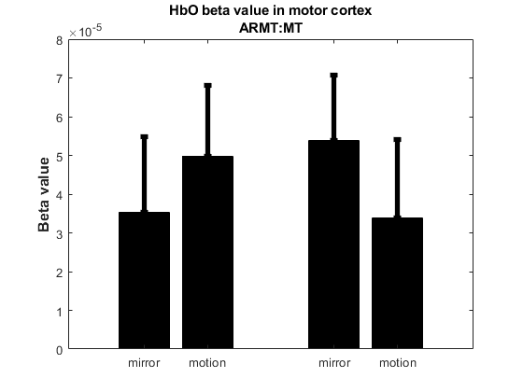
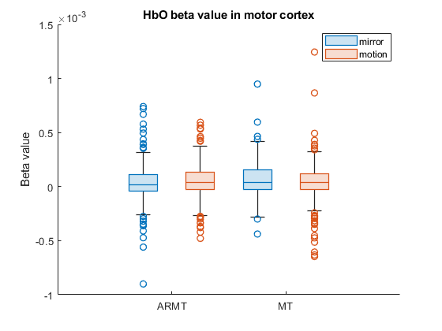
P value of beta value result
ARMT (bilateral comparison) | MT (bilateral comparison) | mirror (ARMT vs MT) | motion (ARMT vs MT)
0.1825 | 0.0842 | 0.2857 | 0.3788

result | mean | std
ARMT_mirror | 3.54E-05 | 0.00019273152291
ARMT_ motion | 4.98E-05 | 0.0001814223564
MT_mirror | 5.38E-05 | 0.00016845864765
MT_motion | 3.39E-05 | 0.00020116652403

