BWRX-300
red = not usable or not used
yellow = derived source, looking for original source instead
green = value utilized

W. Robb Stewart and Koroush Shirvan
https://mitprod-my.sharepoint.com/personal/carrin_mit_edu/_layouts/15/onedrive.aspx?id=%2Fpersonal%2Fcarrin%5Fmit%5Fedu%2FDocuments%2FAttachments%2F194%2DANP%20TR%20CANES%2Epdf&parent=%2Fpersonal%2Fcarrin%5Fmit%5Fedu%2FDocuments%2FAttachments&ga=1
Capital Cost Evaluation of Advanced Water-Cooled Reactor Designs With Consideration of Uncertainty and Risk
2022 | Figure 2.10 and thereafter
Are cooling towers considered in the steel and concrete whole-of-plant totals for all/any of the large LWRs examined, or is once-through cooling assumed in the report for all designs? Do the concrete and steel totals in Figures 2.10, 2.11, and 2.12 consider only building/structural materials? Or do these values also include piping and plant equipment like turbines, reactor, safeguards, radwaste handling, etc.
Yes we have a generic cooling tower. Same as before, cooling tower from site to site varies widely. Steel in those figures does not include equipment but everything else. Not those figures also include some assumed rework which is why numbers change from FOAK to NOAK.

 |  | tons concrete per GW (2.75 tons mass per cubic meter) | tons steel per GW
 | BWRX-300 | 522500 | 55000

Need to add: reactor pressure vessel, equipment materials, cluster control assemblies, copper, lead, aluminum, tungsten, niobium, vanadium, titanium, graphite

12.6% of all balance-of-plant steel, excluding equipment and reactor vessel, is for piping. The remaining 87.4% of steel is structural, embedded, and reinforcing steel.
Of the piping fraction, we assume 88.3% is carbon steel, with the remaining 11.7% is stainless steel
For the remaining construction steel, we assume 66.8% is rebar, with the remaining 33.2% being stainless steel

tonnes/GW | BWRX-300
Carbon steel | 6119.19
Stainless steel | 16770.05
Rebar | 32110.76
Check sum | 55000

Status Report – BWRX-300 (GE Hitachi and Hitachi GE Nuclear Energy), 2019
https://aris.iaea.org/PDF/BWRX-300_2020.pdf
Pressure vessel mass | metric tons
BWRX-300 reactor pressure vessel mass | 485 | https://aris.iaea.org/PDF/BWRX-300_2020.pdf
BWRX-300 reactor pressure vessel mass | 650 metric tons with pressure vessel, self-propelled modularized transports, rigging, and cribbing. | https://www.gevernova.com/content/dam/gepower-new/global/en_US/images/gas-new-site/en/bwrx-300/005N9751_Rev_BWRX-300_General_Description.pdf
Notes | this is lighter than the EPR's pressure vessel but heavier than the AP-1000 pressure vessel. BWRX-300 pressure vessel is rather tall, almost as tall as EPR's pressure vessel, but is smaller in diameter

Metal And Concrete Inputs For Several Nuclear Power Plants
https://pdfs.semanticscholar.org/519e/a5c55a312f3f45ccfcc4a093a941366c6658.pdf
1380 MWe ABWR in Table 3, 1500 MWe ESBWR in Table 4, 1600 MWe EPR in Table 5, 286 MW GR-MHR in Table 6, 1235 MW AHTR-IT in Table 7
Table 8 Specific building volume and specific concrete volume for several BWR turbine building designs
Because detailed plan and elevation drawings of the reactor buildings were available, the reactor building total volume and concrete volume results are among the most accurate in this study.
Such drawings were also available for the remaining structures on the nuclear island (fuel, auxiliary, and safeguard structures) as well as the ABWR and ESBWR turbine building, so volume and concrete estimates for these buildings were also among the most accurate.
Nuclear input includes reactor building (212), reactor auxiliaries (215), radioactive waste building (216), fuel storage (217), half of miscellaneous buildings (218), and all the reactor plant equipment (22). Non-nuclear input includes all others except for the nuclear island input.

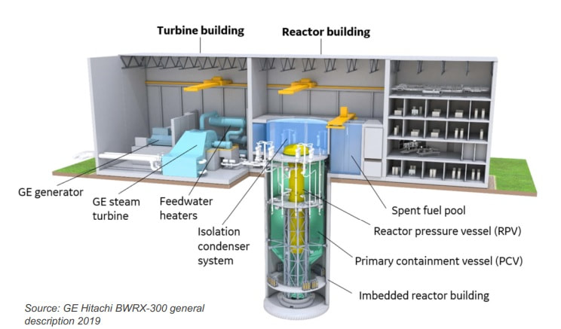
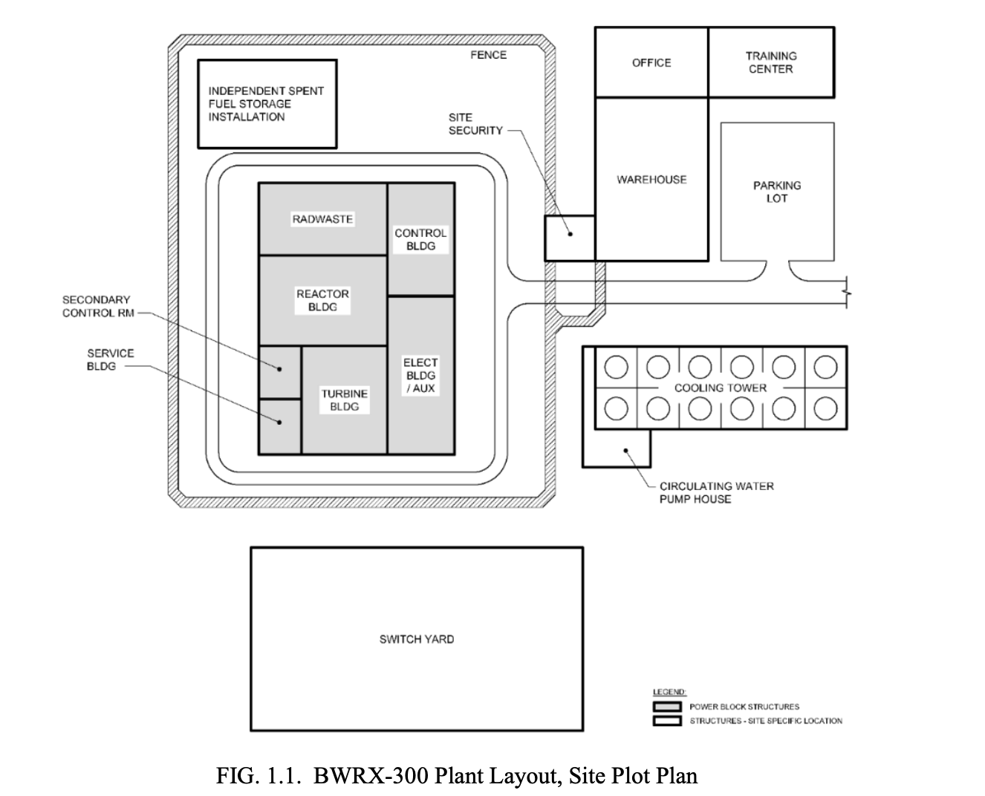

Inclusion and exclusion of equipment-related steel and concrete presented in Peterson et al., 2005 for conventional large reactors
Metal And Concrete Inputs For Several Nuclear Power Plants
green = we assume scaled values from a large conventional reactor. yellow = we assume modified values. red = we exclude, assuming that this equipment does not apply
GE-Hitachi BWRX-300
Reactor equipment | Turbine plant equipment | Electric plant equipment | Miscellaneous equipment
Reactor equipment | Turbine generators | Switchgear | Transportation and lifting equipment
Main heat transfer system | Heat rejection system | Station service equipment | Air and water service systems
Safeguards cooling system | Condensing systems | Switchboards | Comms equipment
Radwaste system | Feed heating systems | Protective equipment | Furnishings and fixtures
Fuel handling system | Other equipment | Structures and enclosure
Other reactor equipment | Instrumentation and control | Power and control wiring
Instrumentation and control |  |  |  |  | Figure source: | https://aris.iaea.org/PDF/BWRX-300_2020.pdf
Notes | Notes | Notes | Notes
Passive cooling ability doesn't mean there isn't some active cooling safeguard redundancy, I assume... | should probably scale the cooling towers assuming forced draft |  | Still onsite staff and facilities, but no dock/helipad required

1970s PWR (1000 MW)
 | Concrete (cubic meters) | Concrete (metric tons) | Total steel/iron (metric tons) | Total metal (metric tons) | Total nonferrous metal (metric tons) | Rebar (metric tons)
Entire plant | 74867 | 205884.25 | 36069 | 36989 | 920 | 9595
Nuclear island (yellow) | 43702 | 120180.5 | 15078 | 15300 | 222
non-nuclear | 31165 | 85703.75 | 20991 | 21688 | 697
Structures and site | 61030 | 167832.5 | 17362 | 17433 | 71 | 8610
Site improvements | 2036 | 5599 | 1711 | 1713 | 2 | 100
Reactor building | 22637 | 62251.75 | 7571 | 7581 | 10 | 5761
Turbine building | 6638 | 18254.5 | 3838 | 3841 | 3 | 381
Intake and discharge | 5506 | 15141.5 | 337 | 338 | 1 | 254
Reactor auxiliaries | 14115 | 38816.25 | 1469 | 1469 | 0 | 1179
Radioactive waste building | n/a | n/a | n/a | n/a | n/a | n/a
Fuel storage | 2985 | 8208.75 | 429 | 430 | 1 | 200
Miscellaneous buildings | 7113 | 19560.75 | 2008 | 2061 | 53 | 735
Guard buildings | n/a | n/a | n/a | n/a | n/a
Reactor plant equipment | 409 | 1124.75 | 4605 | 4790 | 185
Reactor equipment | 56 | 154 | 705 | 712 | 7
Main heat transfer system | 305 | 838.75 | 1891 | 2025 | 134
Safeguards cooling system | 0 | 0 | 474 | 477 | 3
Radwaste system | 0 | 0 | 68 | 68 | 0
Fuel handling systems | 5 | 13.75 | 149 | 149 | 0
Other reactor equipment | 42 | 115.5 | 1056 | 1062 | 6
Instrumentation and control | 0 | 0 | 262 | 297 | 35
Turbine plant equipment | 12711 | 34955.25 | 11846 | 11927 | 81 | 985
Turbine-generators | 4730 | 13007.5 | 4269 | 4324 | 55 | 454
Heat rejection systems | 6310 | 17352.5 | 2512 | 2516 | 4 | 531
Condensing systems | 534 | 1468.5 | 1753 | 1756 | 3
Feed-heating system | 46 | 126.5 | 1590 | 1595 | 5
Other equipment | 1091 | 3000.25 | 1632 | 1634 | 2
Instrumentation and control | 0 | 0 | 91 | 102 | 11
Electric plant equipment | 526 | 1446.5 | 1397 | 1968 | 571
Switchgear | 0 | 0 | 32 | 36 | 4
Station service equipment | 53 | 145.75 | 663 | 690 | 27
Switchboards | 0 | 0 | 87 | 105 | 18
Protective equipment | 0 | 0 | 6 | 45 | 39
Structure and Enclosure | 473 | 1300.75 | 534 | 534 | 0
Power and control wiring | 0 | 0 | 76 | 559 | 483
Miscellaneous equipment | 191 | 525.25 | 859 | 871 | 12
Transportation and lifting equipment | 0 | 0 | 529 | 530 | 1
Air and water service systems | 191 | 525.25 | 239 | 240 | 1
Communications equipment | 0 | 0 | 5 | 7 | 2
Furnishings and fixtures | 0 | 0 | 86 | 94 | 8
*green denotes original calculation. yellow rows denote nuclear inputs (as opposed to non-nuclear materials). Red values for EPR appear to sum up correctly, but the methodology is unclear from the paper.

 | 1970s PWR (1000 MW)
 | Concrete (cubic meters) | Concrete (metric tons) | Total steel/iron (metric tons) | Total metal (metric tons) | Total nonferrous metal (metric tons) | Rebar (metric tons)
Reactor equipment, 1970s PWR | 56 | 154 | 705 | 712 | 7
All other equipment sans reactor equipment | 13780 | 37895 | 18002 | 18844 | 842 | 985
Reactor steel assumed - BWRX-300 pressure vessel mass per GW (300MW reactor) | 0 | 0 | 1616.666667 | 1616.666667 | 0 | 0
Total reactor equipment, BWRX-300, final assumption | 56 | 154 | 1616.666667 | 1616.666667 | 0 | 0

 | tons/GW
Equipment stainless steel | 15400.33333 |  | Fraction of rebar in non-reactor vessel total metal | Fraction of stainless steel in other equipment total metal
Reactor carbon steel | 1616.666667 |  | 0.05715335667 | 0.8935845115
Equipment rebar | 985

 | cubic meters per GW | metric tons per GW
Equipment concrete | 13836 | 38049

We add these totals to our BWRX-300 concrete and steel totals from Stewart and Shirvan, 2022

 | BWRX-300 |  |  | BWRX-300
 | Buildings, cooling towers, piping |  |  | Buildings, cooling towers, piping
Carbon steel | 6119.19 |  | Concrete (from Stewart and Shirvan, row 29 of this sheet) | 522500
Stainless steel | 16770.05 |  |  | Equipment
Rebar | 32110.76 |  | Equipment concrete | 38049
 | Equipment and reactor vessel |  | Total whole-plant concrete | 560549
Equipment stainless steel | 15400.333333 |  | *all units in tons per GW
Reactor carbon steel | 1616.6666667
Equipment rebar | 985
 | Totals
Reactor carbon steel | 1616.666667
Carbon steel (rebar and piping) | 39214.95
Stainless steel | 32170.38333
Total of all steel types | 73002
*all units in metric tonnes per GW

 |  | Reactor carbon steel | Carbon steel | Stainless steel | Total
BWRX-300 | Iron | 1496.548333 | 38854.17246 | 21555.76535 | 61906.48615
 | Nickel | 63.05 | 0 | 3377.89025 | 3440.94025
 | Chromium | 32.33333333 | 0 | 6273.22475 | 6305.558083
 | Manganese | 6.466666667 | 235.2897 | 643.4076667 | 885.1640333
 | Molybdenum | 9.7 | 0 | 0 | 9.7

Pomponi, F. and J. Hart, The greenhouse gas emissions of nuclear energy – Life cycle assessment of a European pressurised reactor.
Applied Energy, 2021. 290: p. 116743 Available from:
https://www.sciencedirect.com/science/article/pii/S0306261921002555.
Steel and concrete numbers are taken from other sources, fuel rod and cluster control assembly estimates are original calculations
We assume the same material intensities for cluster control assemblies as for the AP1000 and EPR, as this should scale predictably with capacity.
 | tons/GW
Boron | 0.275
Silver | 0.75
Indium | 0.140625
Cadmium | 0.046875

 | Gibon and Menacho 2023 | https://pubs.acs.org/doi/suppl/10.1021/acs.est.3c03190/suppl_file/es3c03190_si_001.pdf
 | Fizaine, F. and Court, V., (2015), Renewable electricity producing technologies and metal depletion: a sensitivity analysis using the EROI, Ecological Economics, 110, 106–118, https://doi.org/10.1016/j.ecolecon.2014.12.001
 | Valero, A. et al. (2018), Global material requirements for the energy transition. An exergy flow analysis of decarbonisation pathways, Energy, 159, 1175-1184, https://doi.org/10.1016/j.energy.2018.06.149
 | Vidal, O., Goffé, B., and Arndt, N. (2013), Metals for a lowcarbon society, Nature Geoscience, 6(11), 894-896, https://doi.org/10.1038/ngeo1993
 | Bryan, R.H., and I.T. Dudley. Estimated Quantities of Materials Contained in a 1000-MW(e) PWR Power Plant. ORNL-TM-4515. 1974.
 | Moss et al. (2011), Critical Metals in Strategic Energy Technologies: Assessing Rare Metals as Supply-Chain Bottlenecks in Low-Carbon Energy Technologies, EC JRC (Joint Research Center), https://doi.org/10.2790/35716
 | Gibon, Thomas, and Álvaro Hahn Menacho. "Parametric Life Cycle Assessment of Nuclear Power for Simplified Models." Environmental Science & Technology 57, no. 38 (2023): 14194-14205.

 | Copper estimates per GW of nuclear plant capacity range in these sources from 560 to 1470 tons of copper per GW
 | We adopt 1470 tons of copper per GW as an aggressive estimate

 |  | tons/GW | Notes
 | Lead | 47 | Assumed for shielding in Bryan and Dudley 1974. Uncertain estimate.
 |  |  | This is much higher than values given in Moss et al., 2011 (4.3 tons/GW) and Fizaine and Court, 2015 (0.04 tons/GW), so we adopt this value as an aggressive estimate

 |  | tons/GW | Notes
 | Tin | 1.64 | Bryan and Dudley 1974 - assumed to be used in Babbitt metal (4.5% Antimony, 91.0% tin, 4.5% copper) in bearing liners for turbine equipment and generators. More resilient non-tin materials are now used today, so we omit this tin demand.
 | Tin | 4.6 | Moss et al., 2011 - Part of zircaloy 4 composition. Cited source is the AP1000 application for licensing in the UK, link provided is broken, source cannot be found on search engines. This is a fuel material, so we omit here to avoid any double-counting with fuel materials.
 | Aluminum | 64 | Table S9, Gibon and Menacho 2023. Authors cite ecoinvent database.
 | Aluminum | 200 | Valero et al., 2018. Authors cite another Valero et al., 2018 paper that in practice does not appear to provide or justify this value.
 | Aluminum | 560 | Vidal et al., 2013. Authors cite a Quillé construction document for the Flamanville EPR plant, but the link provided is broken while the original document cannot be found on search engines.
 | Aluminum | 18 | Bryan and Dudley 1974 - assumed to be used some roof decks and siding. None assumed in electrical cables or bus bars. Uncertain estimate.
 | Tungsten | 5 | Moss et al., 2011 - cited source is the AP1000 application for licensing in the UK, link provided is broken, source cannot be found on search engines. Limited use of Ni-based superalloys. Some W in high temp turbine blades (Cr-Mo-V-W steel). Nominal figure selected. We adopt this number as an aggressive estimate.
 | Magnesium | 783 | Bryan and Dudley 1974 - assumed to be 85% of asbestos-based (!!!) insulation. Listed under reactor plant equipment, radwaste system, turbine plant equipment, turbine generators, condensing systems, feed-heating system, other equipment, and main heat transfer system. This material is banned under US and EU regulations, and fiberglass-based insulation is primarily used today, so we omit.
 | Manganese | 75 | Valero et al., 2018. Authors cite another Valero et al., 2018 paper that in practice does not appear to provide or justify this value. This will be an alloy component of steels, so we omit here to avoid double-counting.
 | Molybdenum | 71 | Moss et al., 2011 - cited source is Anigstein et al (2001), Potential recycling of scrap metal from nuclear facilities. This gives molybdenum as alloy component of some steels, which we have treated elsewhere. So we omit molybdenum here to avoid double-counting.
 | Molybdenum | 164 | Bryan and Dudley 1974 - assumed to be 0.5% of carbon steel. We have treated carbon steel elsewhere. So we omit molybdenum here to avoid double-counting.
 | Chromium | 415 | Bryan and Dudley 1974 - assumed to be 19% of stainless steel and 15.8% of Inconel. We have treated steel elsewhere. So we omit chromium here to avoid double-counting.
 | Nickel | 485 | Bryan and Dudley 1974 - assumed to be almost entirely (>99.7%) in steel, Inconel, and bronze alloy components. We omit here to avoid double-counting.
 | Niobium | 2 | Moss et al., 2011 - Assumed a nominal 2t for miscellaneous specialist alloy steel applications. We also adopt this assumption.
 | Vanadium | 0.6 | Moss et al., 2011 - V content 0.1-0.5% typically in turbine rotors and similar low alloy steels. Authors assume 0.6 tons/GW. This will fall under our cutoff threshold.
 | Titanium | 1.5 | Moss et al., 2011 - Limited use of Ni-based superalloys. 0.75% content of 409 s/steel, used in steam generators. This will fall under our cutoff threshold.
 | Cobalt, Zinc | 0 | Moss et al., 2011 project no use of cobalt-containing supperalloys. No mention of zinc either.

to-do: graphite, fuel materials, other nonferrous metals...

excluding anything below 2 ton/GW
 | tons/GW, taking highest sourced estimate for each type
 | BWRX-300 | Notes
Reactor carbon steel | 1616.6666667
Carbon steel (rebar and equipment) | 39214.95
Stainless steel | 32170.383333
sum of steel | 73002

 | BWRX-300 | Notes
sum of concrete | 560549

tons/GW | BWRX-300 | Notes
aluminum | 100
chromium | 6305
copper | 1470
graphite | 0
iron | 61906
lead | 47
manganese | 885
molybdenum | 10
nickel | 3441
niobium | 2
silver | 0
tin | 0
tungsten | 5

 | The Environmental Competitiveness of Small Modular Reactors: A Life Cycle Study |  |  |  | Avoiding some duplicate use of Peterson et al., numbers for ASBWR and HTGR
 | Carless, Griffin, and Fischbeck 2016
 | Westinghouse SMR and AP1000, 60 year lifetime assumed
 | 4-Loop Standardized Nuclear Unit Power Plant System (SNUPPS)
 | https://www.sciencedirect.com/science/article/abs/pii/S0360544216310350
 | Table 3

 |  | tons concrete per GW | tons steel per GW, all types | tons rebar per GW | tons other steel per GW
 | Westinghouse SMR (225 MWe theorized) | 316444 | 57777 | 15555 | 42222

 | According to Carless et al., 2016 the assumed W-SMR has 89 fuel assemblies
 | This implies the fuel load is 2.8x higher per unit of nameplate capacity than for the AP1000
 | so based on these two sources below:
 | Pomponi, F. and J. Hart, The greenhouse gas emissions of nuclear energy – Life cycle assessment of a European pressurised reactor.
 | Applied Energy, 2021. 290: p. 116743 Available from:
 | https://www.sciencedirect.com/science/article/pii/S0306261921002555.
 | Generic design assessment AP1000 nuclear power plant design by Westinghouse Electric Company LLC
 | https://assets.publishing.service.gov.uk/media/5a7d008fed915d28e9f39754/geho0510bskh-e-e.pdf
 | The AP1000 reactor core comprises 157 fuel assemblies. Each fuel assembly consists of 264 fuel rods in a 17x17 square array.

 | we scale the cluster control assembly mineral requirements upwards by 2.8x
 |  | EPR and AP1000
 |  | tons/GW
 | Boron | 0.77
 | Silver | 2.1 | <--now above threshold for inclusion
 | Indium | 0.39375
 | Cadmium | 0.13125

 | For steel types, we go back to Carless et al., 2016 values and adopt the same assumptions as for the AP1000 and EPR:
 | Namely, we assume:
 | 12.6% of all balance-of-plant steel, excluding equipment and reactor vessel, is for piping. The remaining 87.4% of steel is structural, embedded, and reinforcing steel.
 | Of the piping fraction, we assume 88.3% is carbon steel, with the remaining 11.7% is stainless steel
 | For the remaining construction steel, we assume 66.8% is rebar, with the remaining 33.2% being stainless steel

 | Westinghouse SMR (225 MWe theorized)
tons steel per GW, all types | 57777
tons rebar per GW | 15555
tons other steel per GW | 42222

total piping steel (12.6%) | 6933.24
carbon steel pipe | 6122.05092
stainless steel pipe | 811.18908

pressure vessel steel | 187 | we very aggressively estimate the pressure vessel to be half the weight of the AP1000 pressure vessel
tons other steel, minus piping and pressure vessel--assumed stainless | 35101.76

total stainless steel | 35912.94908
total carbon steel (pipe + rebar) | 21677.05092
total reactor steel | 187
check sum | 57777

checked scope of Carless et al., 2016 - includes containment building, pressure vessel, and steel liner but probably does not include other balance-of-plant

LFP battery system
red = not usable or not used
yellow = derived source, looking for original source instead
green = value utilized
Operational assumptions:
25 year lifetime, cycles 1x daily

Facility size:
Based on examples below, assume a relatively conservative 2GWh, 500MW storage facility accompanies a 1GW wind or solar farm

Lifetime stored electricity contribution to grid (GWh):
18250

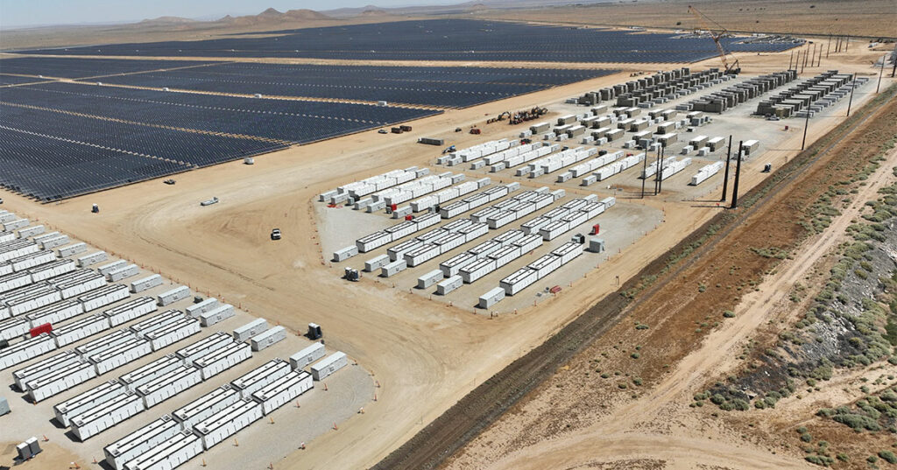
https://www.pv-magazine.com/2024/01/22/largest-us-solar-storage-project-goes-online/
Edwards & Sanborn Solar + Energy Storage project |  |  |  |  |  |  |  | Storage capacity in 60kWh car battery pack equivalents | Storage capacity in 60kWh car battery pack equivalents per GW (DC)
875 MWdc solar project (First solar modules) w 3 GWh of energy storage |  |  |  |  |  |  |  | 50000 | 57142.85714
scaling this plant to the amount of storage to accompany a theoretical 1 GW of solar capacity yields 3.429 GWh
Assuming 4-hour duration, this is 0.857 MW of power capacity
35.0125, -118.1193
https://www.renewableenergyworld.com/solar/utility-scale/intersect-power-turns-on-massive-solar-storage-project-in-california/#gref
Oberon Solar + Storage Project
679 MWp solar project (First Solar modules) w 1 GWh/250MW of co-located Tesla battery storage |  |  |  |  |  |  |  | 16666.66667 | 24545.90083
LiUNA Local 1184, IBEW Local 440
scaling to the amount of storage to accompany 1 GW of solar capacity yields 1.473 GWh

https://www.publicpower.org/periodical/article/california-ccas-announce-commissioning-new-large-scale-solar-and-energy-storage-project
Yellow Pine Solar 1
125MW (AC/DC?) 65MW of four-hour battery storage (260 MWh) |  |  |  |  |  |  |  | 4333.333333 | 26748.97119
Assume 125 MW AC, as some court documents suggest. Assume DC:AC ratio of 1.3
162 MW DC
scaling this plant to the amount of storage to accompany a theoretical 1 GW of solar capacity yields 1.605 GWh
36.0661, -115.7751
https://www.utilitydive.com/news/longroad-battery-energy-storage-system-solar-arizona-public-service-aps/640625/
Longroad Energy Sun Streams 3
285 MWdc + 215MW(AC) / 860 MWh storage system |  |  |  |  |  |  |  | 14333.33333 | 50292.39766
scaling this plant to the amount of storage to accompany a theoretical 1 GW of solar capacity yields 3.017 GWh |  |  |  |  |  |  |  | Average | 39682.53171
33.311061, -112.831827

Transport & Environment (2021), From dirty oil to clean batteries, Table 5 and Figure 17
https://www.transportenvironment.org/wp-content/uploads/2021/07/2021_02_Battery_raw_materials_report_final.pdf
kg of minerals required for a 60 kWh lithium-ion battery pack in an electric vehicle
(kg) | NMC523 | NMC622 | NMC811 | NCA | LFP | kg/kWh | NMC523 | NMC622 | NMC811 | NCA | LFP
Lithium | 7 | 6 | 5 | 6 | 6 | Lithium | 0.1166666667 | 0.1 | 0.08333333333 | 0.1 | 0.1
Cobalt | 11 | 11 | 5 | 2 | 0 | Cobalt | 0.1833333333 | 0.1833333333 | 0.08333333333 | 0.03333333333 | 0
Nickel | 28 | 32 | 39 | 43 | 0 | Nickel | 0.4666666667 | 0.5333333333 | 0.65 | 0.7166666667 | 0
Manganese | 16 | 10 | 5 | 0 | 0 | Manganese | 0.2666666667 | 0.1666666667 | 0.08333333333 | 0 | 0
Graphite | 53 | 50 | 45 | 44 | 66 | Graphite | 0.8833333333 | 0.8333333333 | 0.75 | 0.7333333333 | 1.1
Aluminum | 35 | 33 | 30 | 30 | 44 | Aluminum | 0.5833333333 | 0.55 | 0.5 | 0.5 | 0.7333333333
Copper | 20 | 19 | 20 | 17 | 26 | Copper | 0.3333333333 | 0.3166666667 | 0.3333333333 | 0.2833333333 | 0.4333333333
Phosphate | 0 | 0 | 0 | 0 | 25 | Phosphate | 0 | 0 | 0 | 0 | 0.4166666667
 |  |  |  |  |  |  |  |  |  | Battery mass sanity check: we are missing a lot of battery pack weight, likely 10% cell mass in electrolyte not accounted for, binder, separator, and battery pack casing, plus plastics. We are omitting balance-of-system. |  | https://www.batterydesign.net/cell-to-pack-mass-ratio/
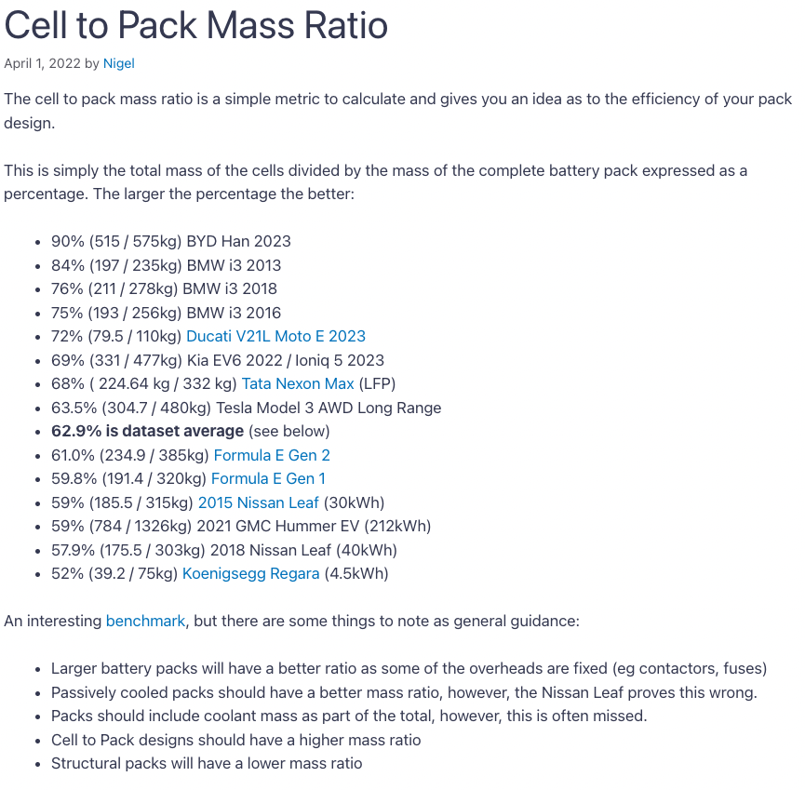
Figure 17 |  |  |  |  |  |  |  |  |  | https://ctsbattery.en.made-in-china.com/product/GZNaxSHjZicr/China-50kwh-60kwh-LFP-Battery-Pack-for-EV-E-Truck-E-Bus-Vans-Construction-Logistic-Car.html
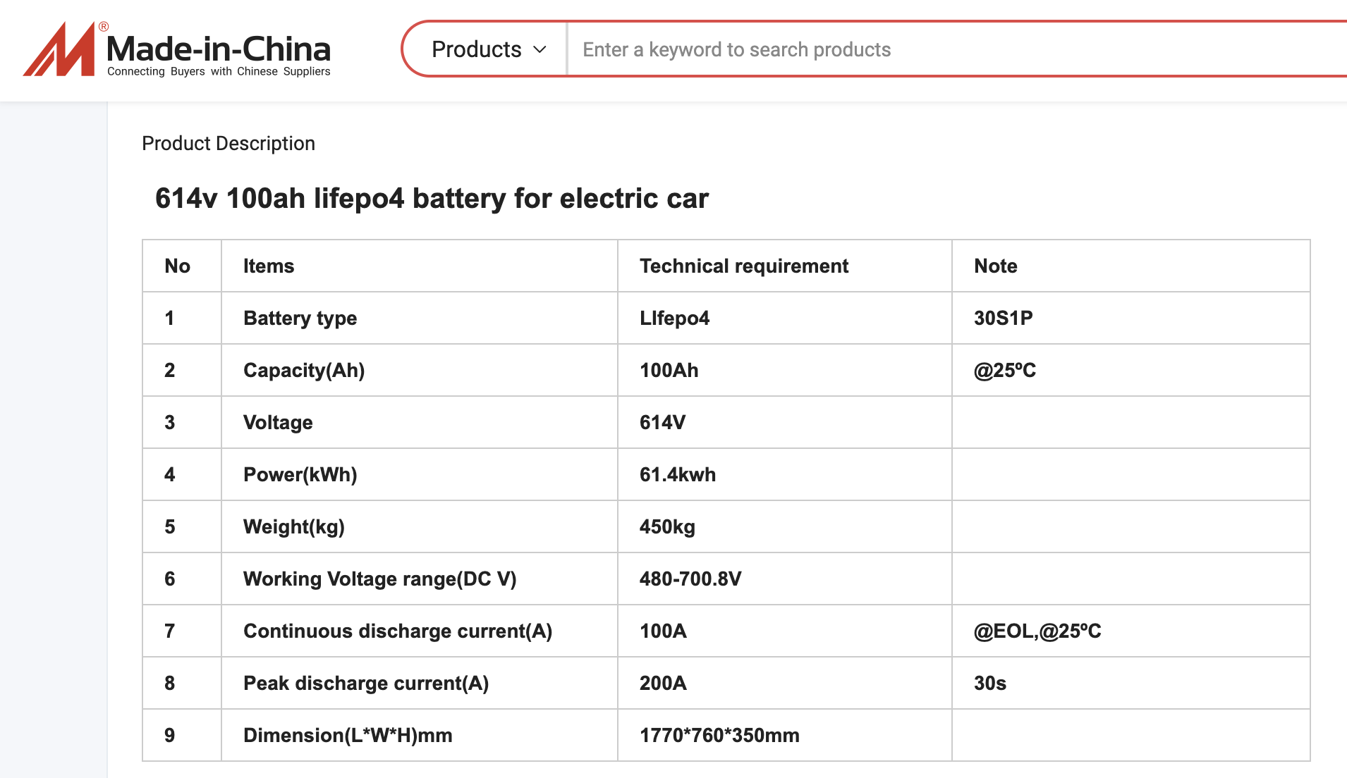
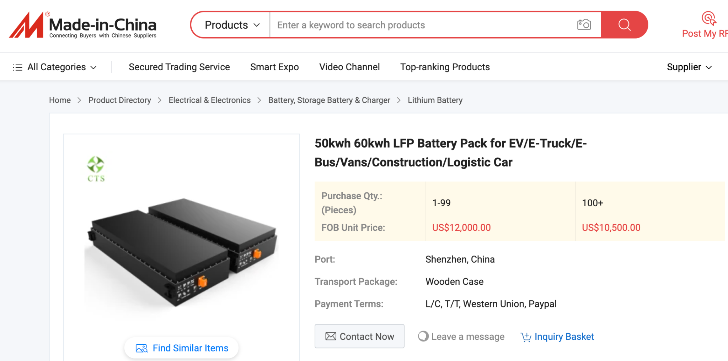
kg/kWh | NMC111 | NMC523 | NMC622 | NMC811 | NMC9.5.5 | NCA | NCA+ | LFP
Lithium | 0.12 | 0.11 | 0.11 | 0.08 | 0.07 | 0.1 | 0.09 | 0.09
Cobalt | 0.34 | 0.19 | 0.18 | 0.08 | 0.04 | 0.13 | 0.04 | 0
Nickel | 0.34 | 0.47 | 0.53 | 0.64 | 0.66 | 0.7 | 0.71 | 0
Graphite | 0.94 | 0.88 | 0.83 | 0.76 | 0.69 | 0.81 | 0.73 | 1.1
Manganese | 0.32 | 0.27 | 0.17 | 0.08 | 0.03 | 0 | 0 | 0
Copper | 0.36 | 0.34 | 0.32 | 0.29 | 0.27 | 0.31 | 0.28 | 0.43
Steel | 0.36 | 0.34 | 0.32 | 0.29 | 0.27 | 0.31 | 0.28 | 0.43
Aluminum | 0.62 | 0.58 | 0.55 | 0.5 | 0.46 | 0.55 | 0.5 | 0.73
Iron |  |  |  |  |  |  |  | 0.69
 |  |  |  |  |  |  | Total mass, 60 kWh | 233.2
Total values
 | LFP | LFP |  |  |  |  | LFP
 | kg/kWh | tons, for a 2GWh (500MW) facility accompanying a 1GW solar/wind farm |  |  |  |  | kg, for the same facility, per GWh contribution to grid
Lithium | 0.09 | 180 |  |  |  |  | 9.863013699
Cobalt | 0 | 0 |  |  |  |  | 0 |  |  | https://dakotalithium.b-cdn.net/wp-content/uploads/2023/08/LiFePO4-Safety-Data-Sheet-Lithium-Iron-Phosphate-Batteries.pdf
Nickel | 0 | 0 |  |  |  |  | 0
Graphite | 1.1 | 2200 |  |  |  |  | 120.5479452
Manganese | 0 | 0 |  |  |  |  | 0
Copper | 0.43 | 860 |  |  |  |  | 47.12328767
Steel | 0.43 | 860 |  |  |  |  | 47.12328767
Aluminum | 0.73 | 1460 |  |  |  |  | 80
Iron | 0.69 | 1380 |  |  |  |  | 75.61643836
Phosphate | 0.42 | 840 |  |  |  |  | 46.02739726
Total materials | 3.89 | 7780 |  |  |  |  | 426.3013699

What steel type to assume?
https://www.ssab.com/en/brands-and-products/docol/recommended-ahss-steels-for-car-applications
This is automotive, prioritizing strength and lightweighting
iron mass % | 94.25

Let's assume standard stainless
Stainless Steel | Element | Composition % |  | tons, in steel
UNS S30400 / SAE 304 | Fe | 67.005 |  | 576.243
https://bssa.org.uk/bssa_articles/chemical-compositions-of-aisi-astm-asme-and-uns-austenitic-stainless-steel-grades/ | Ni | 10.5 |  | 90.3
https://www.theworldmaterial.com/type-304-grade-stainless-steel/ | Cr | 19.5 |  | 167.7
 | Mn | 2 |  | 17.2
FINAL VALUES
 | LFP |  |  |  |  | LFP
 | tons, for a 2GWh (500MW) facility accompanying a 1GW solar/wind farm |  |  |  |  | kg, for the same facility, per GWh contribution to grid
 | (battery cells only, no pack materials or balance of system materials) |  |  |  |  | (battery cells only, no pack materials or balance of system materials)
Lithium | 180 |  |  |  | Lithium | 9.863013699
Chromium | 167.7 |  |  |  | Chromium | 9.189041096
Cobalt | 0 |  |  |  | Cobalt | 0
Nickel | 90.3 |  |  |  | Nickel | 4.947945205
Graphite | 2200 |  |  |  | Graphite | 120.5479452
Manganese | 17.2 |  |  |  | Manganese | 0.9424657534
Copper | 860 |  |  |  | Copper | 47.12328767
Aluminum | 1460 |  |  |  | Aluminum | 80
Iron | 1956.243 |  |  |  | Iron | 107.1913973
Phosphate | 840 |  |  |  | Phosphate | 46.02739726

Comparison with other sources:
2024 numbers in Nijnens et al., 2023
kg/kWh
Li | 0.1
Al | 1.89
Cu | 1.4
Steel | 0.067
Graphite | 1.19
https://www.cell.com/joule/pdf/S2542-4351(23)00411-7.pdf

Deetman et al. Projected material requirements for the global electricity infrastructure: generation, transmission and storage. Resources, Conservation and Recycling 164 (2021): 105200.
kg/kWh |  | % weight
steel | 1.18 | 14.10%
aluminium | 0.42 | 5%
copper | 0.42 | 5%
lithium | 0.1
graphite | 1.09

