Pyrometallurgical sulfide ore
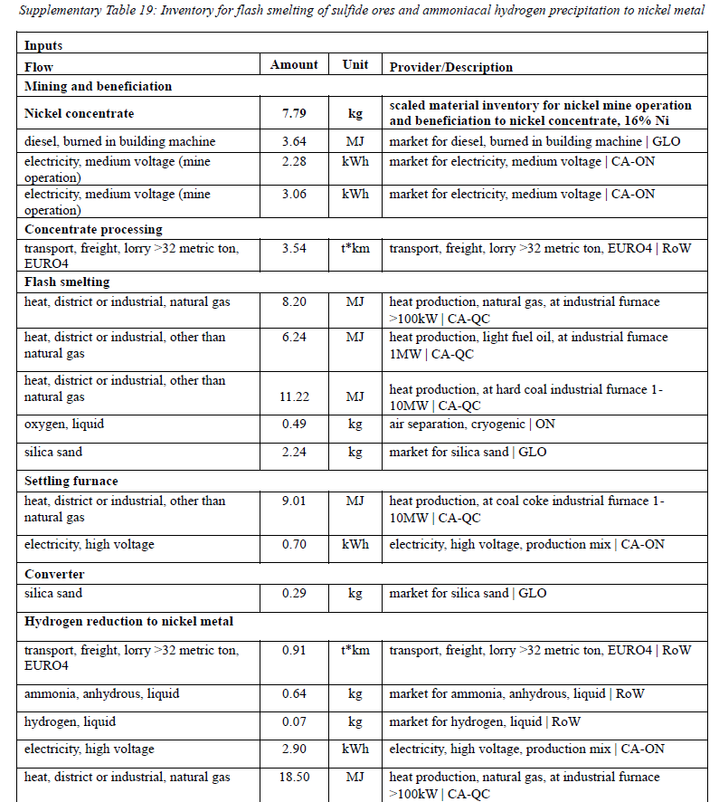
Activity | Pyrometallurical sulfide ore
reference product | Nickel metal
location | CA
amount | 1
unit | kilogram
comment | From Supplementary Table 19 in S1 PDF (flash smelting route).
Exchanges
name | reference product | location | amount | unit | database | type | categories | uncertainty type | pedigree | loc | scale | minimum | maximum
Flash smelting of sulfide ores | Nickel metal | CA | 1 | kilogram | Ni Sofia Roy | production
nickel mine operation and benefication to nickel concentrate, 16% Ni | nickel concentrate, 16% Ni | CA-QC | 7.79 | kilogram | ecoinvent 3.10 cutoff | technosphere
market for diesel, burned in building machine | diesel, burned in building machine | GLO | 3.64 | megajoule | ecoinvent 3.10 cutoff | technosphere
market for electricity, medium voltage | electricity, medium voltage | CA-ON | 2.28 | kilowatt hour | ecoinvent 3.10 cutoff | technosphere
market for electricity, medium voltage | electricity, medium voltage | CA-ON | 3.06 | kilowatt hour | ecoinvent 3.10 cutoff | technosphere
transport, freight, lorry >32 metric ton, EURO4 | transport, freight, lorry >32 metric ton, EURO4 | RoW | 3.54 | ton kilometer | ecoinvent 3.10 cutoff | technosphere
heat production, natural gas, at industrial furnace >100kW | heat, district or industrial, natural gas | CA-QC | 8.2 | megajoule | ecoinvent 3.10 cutoff | technosphere
heat production, light fuel oil, at industrial furnace 1MW | heat, district or industrial, other than natural gas | CA-QC | 6.24 | megajoule | ecoinvent 3.10 cutoff | technosphere
heat production, at hard coal industrial furnace 1-10MW | heat, district or industrial, other than natural gas | CA-QC | 11.22 | megajoule | ecoinvent 3.10 cutoff | technosphere
air separation, cryogenic | oxygen, liquid | ON | 0.49 | kilogram | ecoinvent 3.10 cutoff | technosphere
market for silica sand | silica sand | GLO | 2.24 | kilogram | ecoinvent 3.10 cutoff | technosphere
heat production, at coal coke industrial furnace 1-10MW | heat, district or industrial, other than natural gas | CA-QC | 9.01 | megajoule | ecoinvent 3.10 cutoff | technosphere
electricity, high voltage, production mix | electricity, high voltage | CA-ON | 0.7 | kilowatt hour | ecoinvent 3.10 cutoff | technosphere
market for silica sand | silica sand | GLO | 0.29 | kilogram | ecoinvent 3.10 cutoff | technosphere
transport, freight, lorry >32 metric ton, EURO4 | transport, freight, lorry >32 metric ton, EURO4 | RoW | 0.91 | ton kilometer | ecoinvent 3.10 cutoff | technosphere
market for ammonia, anhydrous, liquid | ammonia, anhydrous, liquid | RoW | 0.64 | kilogram | ecoinvent 3.10 cutoff | technosphere
market for hydrogen, liquid | hydrogen, liquid | RoW | 0.07 | kilogram | ecoinvent 3.10 cutoff | technosphere
electricity, high voltage, production mix | electricity, high voltage | CA-ON | 2.9 | kilowatt hour | ecoinvent 3.10 cutoff | technosphere
heat production, natural gas, at industrial furnace >100kW | heat, district or industrial, natural gas | CA-QC | 18.5 | megajoule | ecoinvent 3.10 cutoff | technosphere

POX leaching of Ni concentrate
Activity | POX leaching of 19% Ni concentrate and refining to nickel metal
reference product | Nickel equivalent
location | CA-NF
amount | 1
unit | kilogram
comment | From Supplementary Table 2: Inventory for POX leaching of 19% Ni concentrate and refining to nickel metal
Exchanges
name | reference product | location | amount | unit | database | type | categories | uncertainty type | pedigree | loc | scale | minimum | maximum
POX leaching of 19% Ni concentrate and refining to nickel metal | Nickel metal | CA-NF | 1 | kilogram | Ni Sofia Roy | production
nickel mine operation and benefication to nickel concentrate, 16% Ni | nickel concentrate, 16% Ni | CA-QC | 4.79 | kilogram | ecoinvent 3.10 cutoff | technosphere
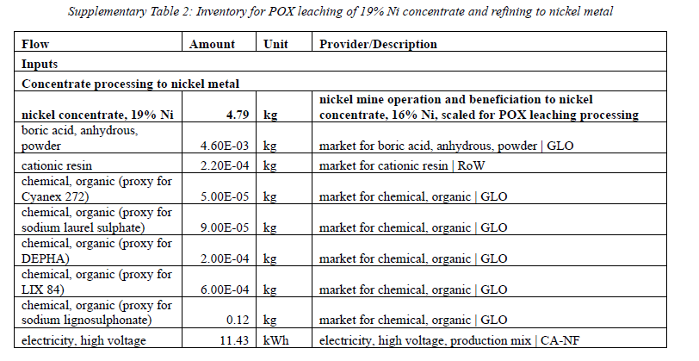
market for boric acid, anhydrous, powder | boric acid, anhydrous, powder | GLO | 0.0046 | kilogram | ecoinvent 3.10 cutoff | technosphere
market for cationic resin | cationic resin | RoW | 0.00022 | kilogram | ecoinvent 3.10 cutoff | technosphere
market for chemical, organic | chemical, organic | GLO | 0.00005 | kilogram | ecoinvent 3.10 cutoff | technosphere
market for chemical, organic | chemical, organic | GLO | 0.00009 | kilogram | ecoinvent 3.10 cutoff | technosphere
market for chemical, organic | chemical, organic | GLO | 0.0002 | kilogram | ecoinvent 3.10 cutoff | technosphere
market for chemical, organic | chemical, organic | GLO | 0.0006 | kilogram | ecoinvent 3.10 cutoff | technosphere
market for chemical, organic | chemical, organic | GLO | 0.12 | kilogram | ecoinvent 3.10 cutoff | technosphere
electricity, high voltage, production mix | electricity, high voltage | CA-NF | 11.43 | kilowatt hour | ecoinvent 3.10 cutoff | technosphere
heat production, light fuel oil, at industrial furnace 1MW | heat, district or industrial, other than natural gas | CA-QC | 0.02 | megajoule | ecoinvent 3.10 cutoff | technosphere
heat production, light fuel oil, at industrial furnace 1MW | heat, district or industrial, other than natural gas | CA-QC | 0.32 | megajoule | ecoinvent 3.10 cutoff | technosphere
market for hydrochloric acid, without water, in 30% solution state | hydrochloric acid, without water, in 30% solution state | RoW | 0.15 | kilogram | ecoinvent 3.10 cutoff | technosphere
market for kerosene | kerosene | RoW | 0.00382 | kilogram | ecoinvent 3.10 cutoff | technosphere
market for limestone, crushed, washed | limestone, crushed, washed | RoW | 2.15 | kilogram | ecoinvent 3.10 cutoff | technosphere
market for oxygen, liquid | oxygen, liquid | RoW | 2.74 | kilogram | ecoinvent 3.10 cutoff | technosphere
market for polyacrylamide | polyacrylamide | GLO | 0.01 | kilogram | ecoinvent 3.10 cutoff | technosphere
market for soda ash, dense | soda ash, dense | GLO | 0.2 | kilogram | ecoinvent 3.10 cutoff | technosphere
market for sodium chloride, powder | sodium chloride, powder | GLO | 0.02 | kilogram | ecoinvent 3.10 cutoff | technosphere
market for sodium hydrogen sulfite | sodium hydrogen sulfite | GLO | 0.02 | kilogram | ecoinvent 3.10 cutoff | technosphere
market for sodium hydrosulfide | sodium hydrosulfide | GLO | 0.02 | kilogram | ecoinvent 3.10 cutoff | technosphere
market for sodium hydroxide, without water, in 50% solution state | sodium hydroxide, without water, in 50% solution state | GLO | 0.01 | kilogram | ecoinvent 3.10 cutoff | technosphere
market for sulfuric acid | sulfuric acid | RoW | 0.62 | kilogram | ecoinvent 3.10 cutoff | technosphere
Carbon dioxide |  |  | 0.0015 | kilogram | biosphere3 | biosphere | air
Chlorine |  |  | 0.0000007 | kilogram | biosphere3 | biosphere | air
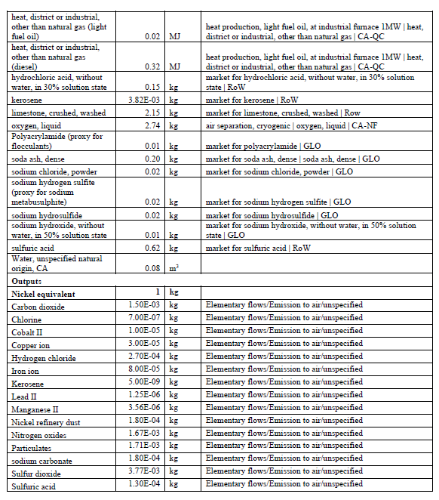
Cobalt II |  |  | 0.00001 | kilogram | biosphere3 | biosphere | air
Copper ion |  |  | 0.00003 | kilogram | biosphere3 | biosphere | air
Hydrogen chloride |  |  | 0.00027 | kilogram | biosphere3 | biosphere | air
Iron ion |  |  | 0.00008 | kilogram | biosphere3 | biosphere | air
Lead II |  |  | 0.00000125 | kilogram | biosphere3 | biosphere | air
Manganese II |  |  | 0.00000356 | kilogram | biosphere3 | biosphere | air
Nickel II |  |  | 0.00018 | kilogram | biosphere3 | biosphere | air
Nitrogen oxides |  |  | 0.00167 | kilogram | biosphere3 | biosphere | air
Particulate Matter, < 2.5 um |  |  | 0.00171 | kilogram | biosphere3 | biosphere | air
Sulfur dioxide |  |  | 0.00377 | kilogram | biosphere3 | biosphere | air
Sulfuric acid |  |  | 0.00013 | kilogram | biosphere3 | biosphere | air
Water, unspecified origin |  |  | 0.08 | cubic meter | biosphere3 | biosphere | natural resource::in ground

