cover page
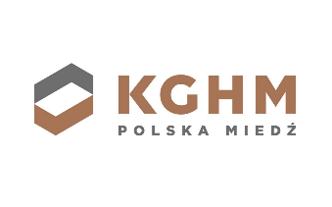

Sustainability Performance Data for 2021

This KGHM 2021 Sustainability Performance Data Spreadsheet presents a summation of our sustainability performance, among others through the GRI indicators applied.

The scope of data included in this report covers both KGHM Polska Miedź S.A. and the KGHM Group.

For more information, please refer to the KGHM's:
Integrated Report 2021 online
Integrated Report 2021 pdf

If you have any further questions on sustainability report or any other related disclosure, please contact our
Investor Relations Department:

+48 76 74 78 280
+48 76 74 78 205
ir(at)kghm.com

Last updated: 8 August 2022

Additional issues_KGHM
Additional information on social issues | Source: https://ec.europa.eu/social/main.jsp?catId=1124&langId=en&intPageId=4719 - an official website of the European Union

In Poland, where KGHM Polska miedź S.A. operates, we act in compliance with strict Polish laws which regulate employees' rights and freedoms, inter alia: Mininum wage: The minimum salary is determined by the Act on miminum salaries with further amendments and the amount is reviewed every year by the State. Additionally in KGHM we have an internal payment and bonus system that is regulated by the Collective Labour Agreement with the trade unions. Working Hours: Polish Labour Law defines the working week as 40 working hours (with average 8 hours per day); additional hours are treated as overtime that need to be paid or exchanged for days off. | Parental leave in Poland - KGHM Polska Miedź S.A.:
 | Parental leave in Poland:
 | There are 3 kinds of leave and paid benefits available during this period.
 | The benefits described are:
 | Maternity allowance and leave
 | Parental allowance and leave
 | Paternity allowance and leave
 | Benefits for the birth of a child are awarded to people with sickness insurance, which is obligatory for all workers in Poland.
 | It is also possible to take out voluntary insurance.
As KGHM Polska Miedź S.A. we offer our employees the following benefits, that are described in job offers at our website: | Maternity allowance and leave are granted to the mother of a child and she may transfer her share to the father,
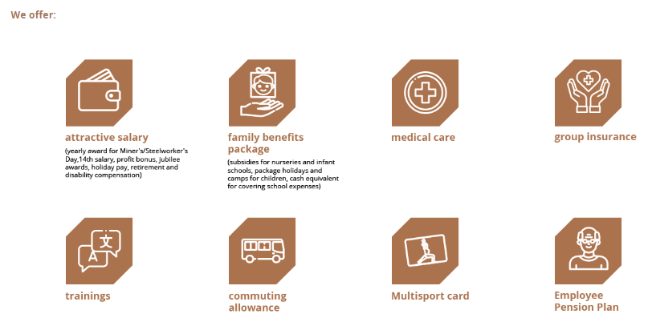
 | on the condition that most of it is enjoyed by the mother.
 | The child's father is entitled to the full maternity allowance when the mother has died or abandoned the child.
 | Parental allowance and leave is granted to both parents in a maximum of four parts,
 | so that the parents may take leave at the same time or in turns.
 | Paternity allowance and leave is granted to an insured father of a child and is independent of the mother's leave.
 | Maternity allowance and leave is granted to the mother of a child but she may give part of it to the father
 | on the condition that most of the leave has been used previously.
 | The child's father is entitled to the full maternity allowance in cases where the mother has died or abandoned the child.
 | Maternity allowance is granted to an insured person who has:
 | had a baby;
 | adopted a child of up to 7 years of age;
 | taken in a child of up to 7 years' old to raise them in a stepfamily.
 | Parental allowance and leave may start once the maternity leave ends.
 | Both parents are granted it in a maximum of four consecutive parts which last for at least 8 weeks.
 | The parents may take leave at the same time or in turns.
 | A written application for parental leave for a mother or father must also be submitted 21 days in advance.
 | Parental leave may be combined with, at most, half-time work for the employer granting the leave.
 | Paternity allowance and leave is independent from maternity leave and is granted entirely to the child's father.
 | It can be taken at once or divided into two parts.
 | Paternity leave may be enjoyed until the child reaches 2 years. If not used, the benefit is forfeited.
 | If the income per capita in a family with a child does not exceed a certain threshold (the so-called income criterion),
 | the family may be entitled to a family allowance and a one-off childbirth grant. You can read more on this topic in "Family benefits».
 | The length of maternity leave depends on the number of children born during one birth:
 | the birth of each child | 20 weeks (at least 14 weeks after the birth only for the mother; the rest may be allocated to the father)

 | birth of a second child | 31 weeks
 | birth of a third child | 33 weeks
 | birth of a fourth child | 35 weeks
 | birth of a fifth and further children | 37 weeks
 | 6 weeks of maternity leave may come before the due date of the birth. The remaining part may be used following the birth.
 | Length of remaining leave:
 | parental leave | 32 weeks in case of single birth and 34 weeks in case of a multiple birth (for the mother or father)
 | paternity leave | 2 weeks (for the father; may be used irrespective of the maternal leave, i.e. at the same time for example)

 | Amount of the benefits
 | The amount of the benefits associated with births is calculated as the average monthly wage paid over the 12 months preceding the leave.
 | The amount of benefits paid is at a flat rate:
 | maternity allowance | 100% of the average
 | parental allowance | 100% of the average for the first 6 weeks of parental leave and 60% of the average for following weeks
 | paternity allowance | 100% of the average

 | Additionally, in 2022, Poland is implementing the work-life balance directive.
 | This means that there will be changes to the leave entitlements due to childcare.

