README
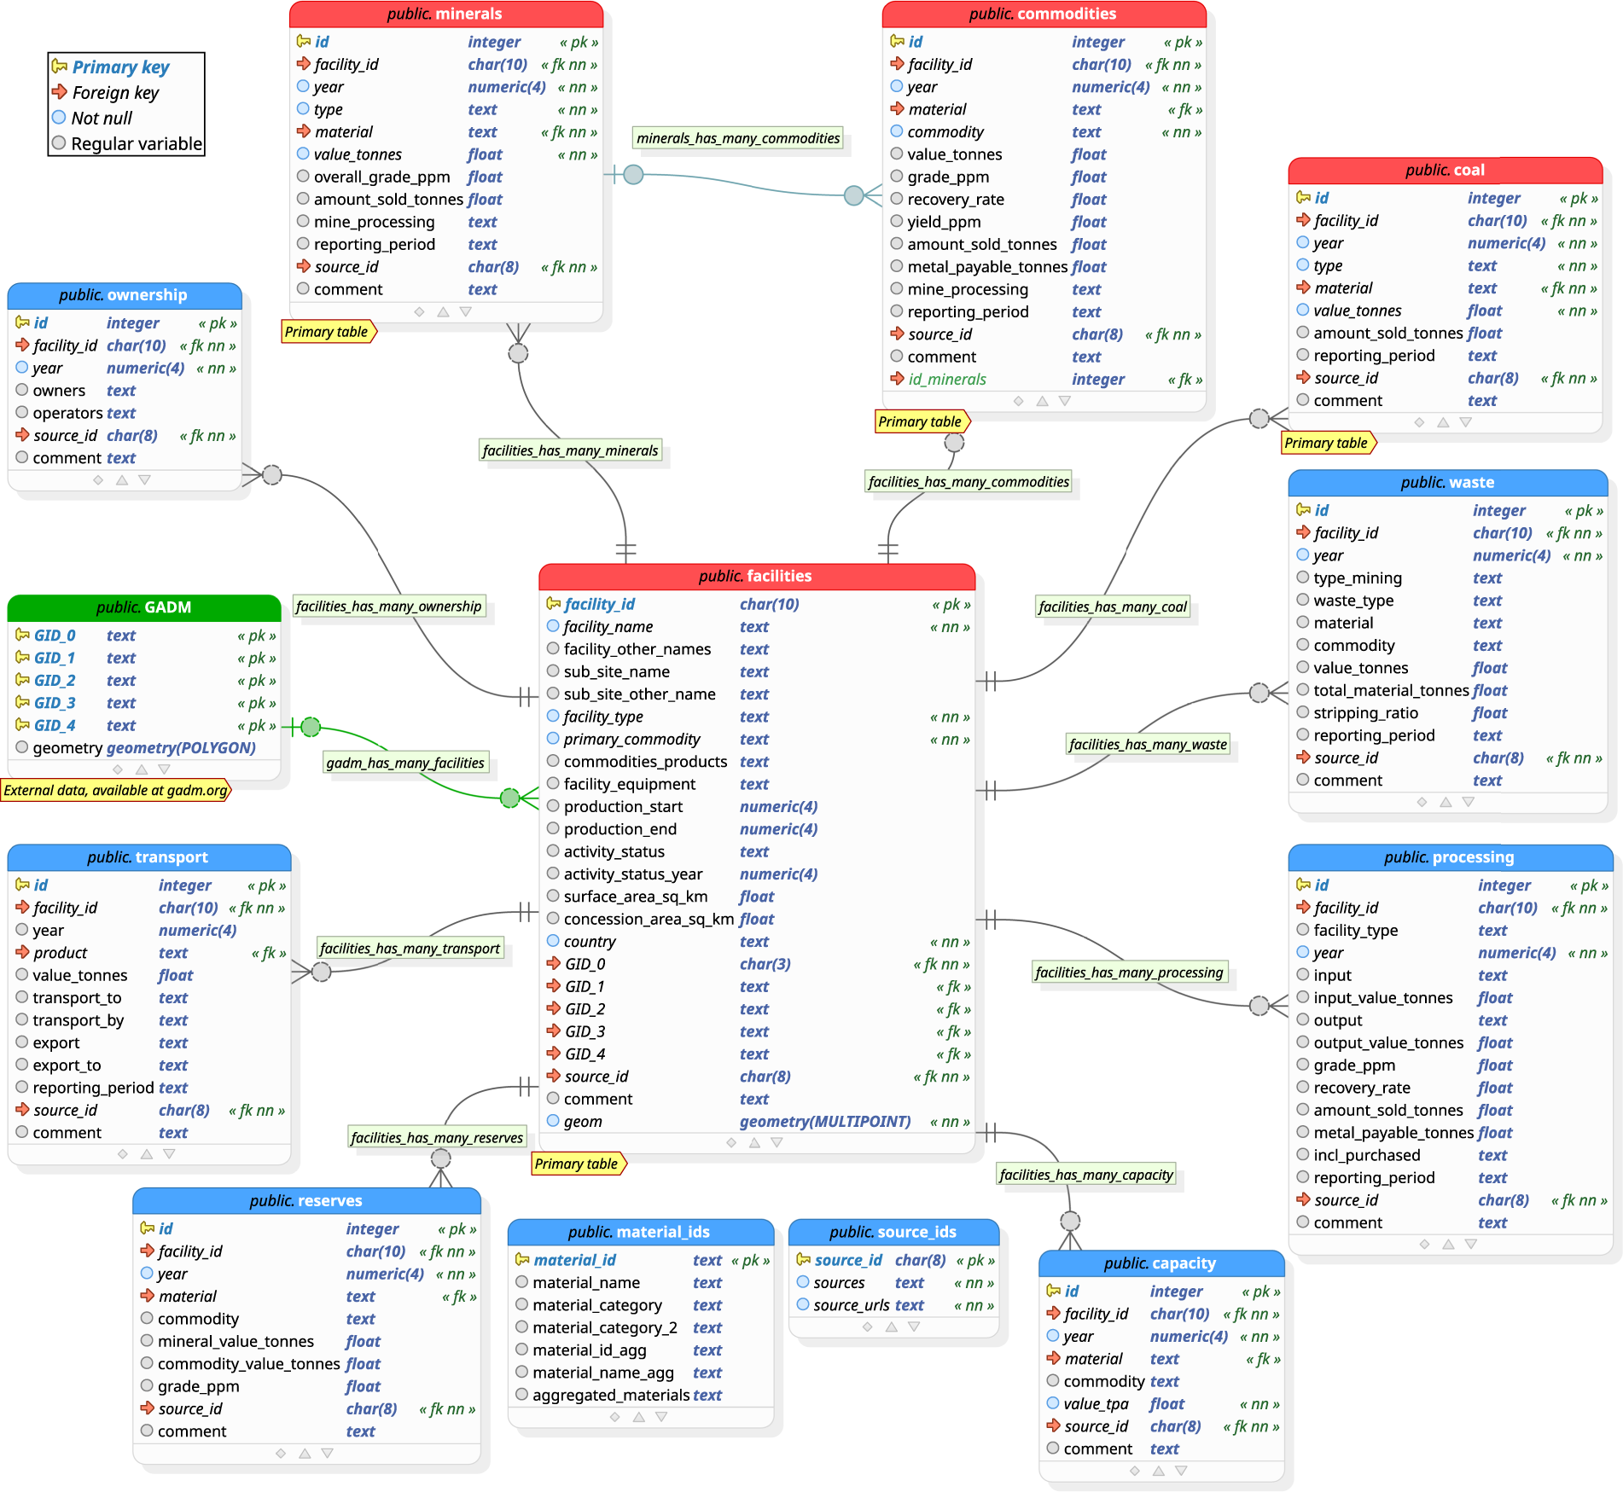
Title of the article:
Authors:
Affiliations:
Journal:

TAB_NAME | DESCRIPTION | SOURCE
facility | It holds data on the general properties of mines and processing facilities, and particularly spatial data on their location. | Jasansky, Simon, Mirko Lieber, Stefan Giljum, and Victor Maus. 2023. “An Open Database on Global Coal and Metal Mine Production.” Scientific Data 10 (1): 52. https://doi.org/10.1038/s41597-023-01965-y.
capacity |  | Jasansky, Simon, Mirko Lieber, Stefan Giljum, and Victor Maus. 2023. “An Open Database on Global Coal and Metal Mine Production.” Scientific Data 10 (1): 52. https://doi.org/10.1038/s41597-023-01965-y.
commodities | store all data on physical mine production = specifies valuable materials contained in minerals | Jasansky, Simon, Mirko Lieber, Stefan Giljum, and Victor Maus. 2023. “An Open Database on Global Coal and Metal Mine Production.” Scientific Data 10 (1): 52. https://doi.org/10.1038/s41597-023-01965-y.
minerals | store all data on physical mine production = metal ore and non-metallic mineral production | Jasansky, Simon, Mirko Lieber, Stefan Giljum, and Victor Maus. 2023. “An Open Database on Global Coal and Metal Mine Production.” Scientific Data 10 (1): 52. https://doi.org/10.1038/s41597-023-01965-y.
reserves |  | Jasansky, Simon, Mirko Lieber, Stefan Giljum, and Victor Maus. 2023. “An Open Database on Global Coal and Metal Mine Production.” Scientific Data 10 (1): 52. https://doi.org/10.1038/s41597-023-01965-y.

