Flowsheets
Norgate&Haque 2012 |  |  | Chen 2018 | Konaré 2024 | Katta2020
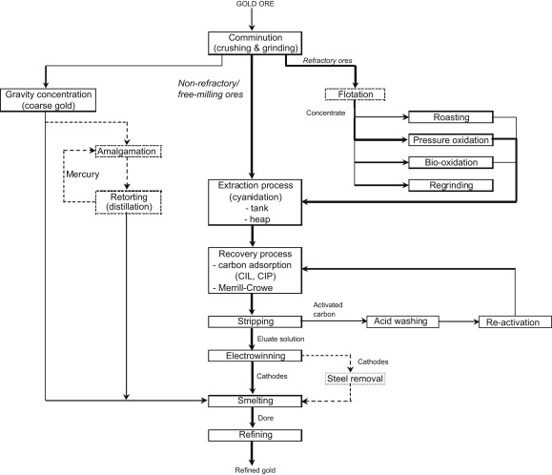
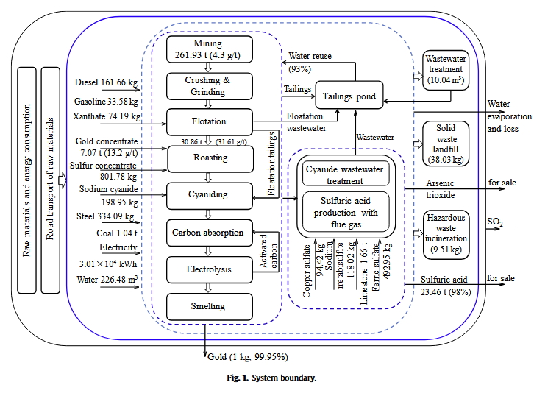
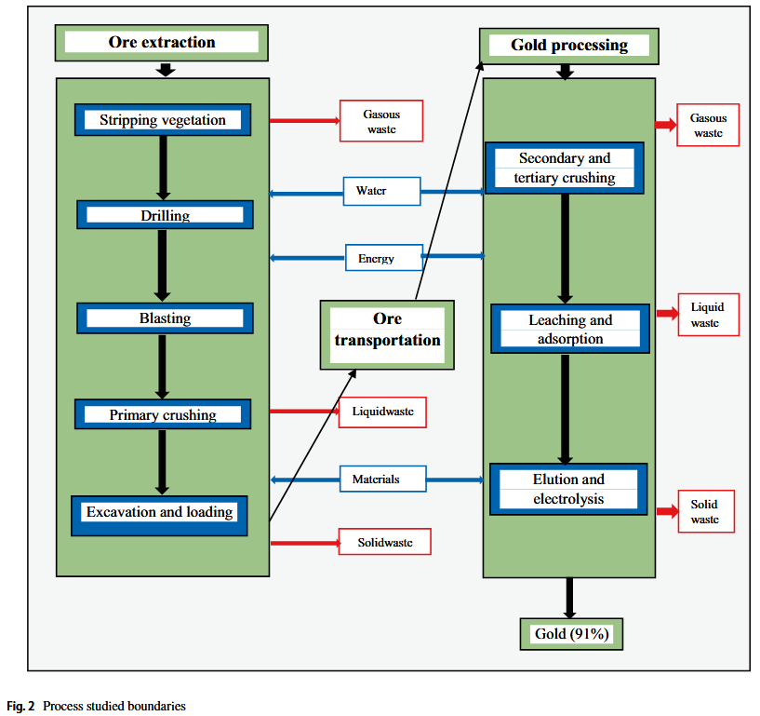
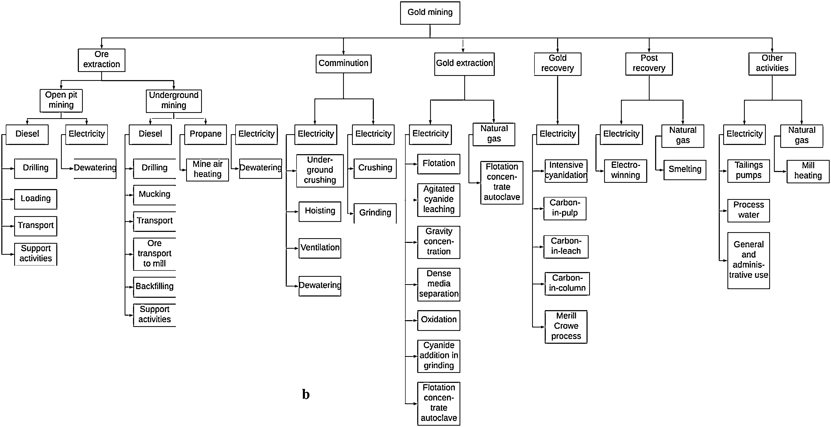

https://transitionaccelerator.ca/wp-content/uploads/2025/06/BMAC_TA_EFL_From_Rocks_To_Power.pdf
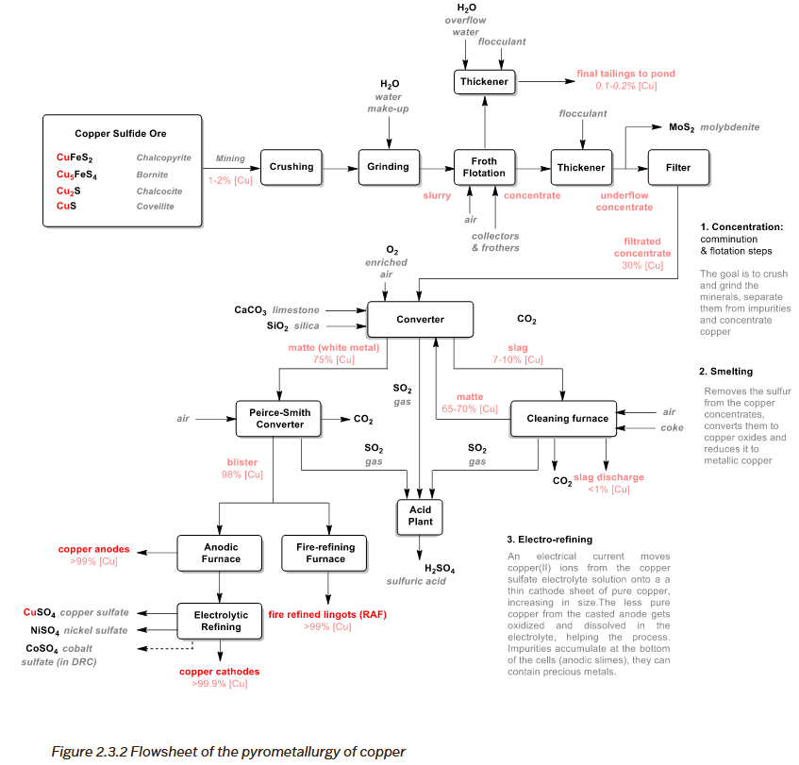
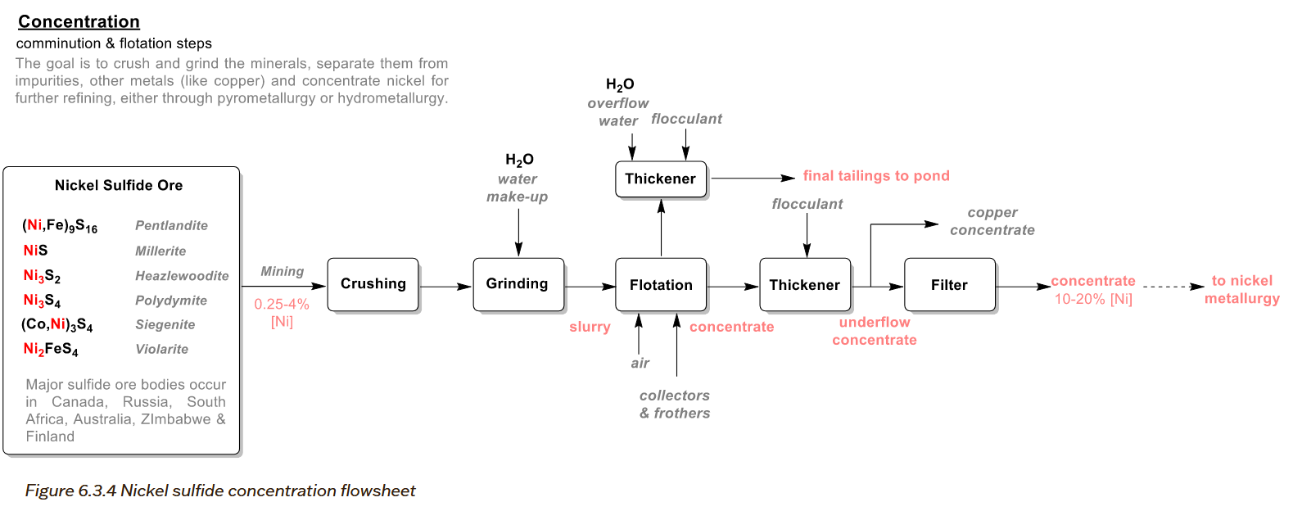

https://minedocs.com/19/Orano_mcclean_lake_mill_site_guide_July_2022.pdf
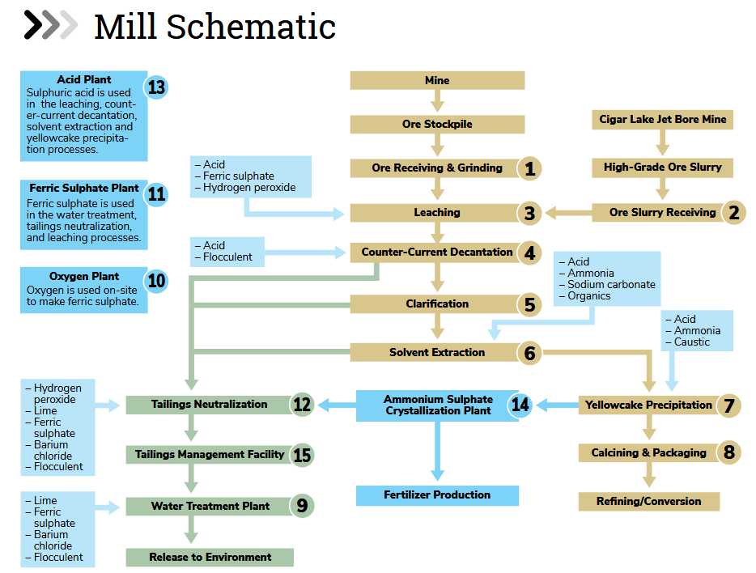

Material Category | Purpose / Function | Typical Examples | Influence of mining method
Explosives | Blasting rock to access ore | ANFO, emulsions, boosters, detonators | Higher in OP (larger blasts); UG uses smaller, more frequent blasts or alternative methods (e.g., Cigar Lake jet boring).
Ground support – cementitious | Underground rock stability, backfill binder | Cement, shotcrete, grout, pastefill binder | Huge in UG, close to zero in OP. Cement is one of the biggest differentiators. Backfill cement only UG or hybrid with stoping methods
Ground support – steel | Structural support in UG mines | Rock bolts, mesh, steel sets | Only UG mines
Grinding media | Milling / comminution energy transfer | Steel balls, rods | Determined by ore hardness & throughput
pH modifiers / alkalis | Controlling flotation & leaching chemistry | Lime, caustic soda (NaOH), soda ash | determined by mineralogy & flowsheet.
Collectors | Making mineral surfaces hydrophobic in flotation | Xanthates (PAX, SIPX), dithiophosphates
Frothers | Creating stable froth for flotation | Polyfroth H57, MIBC, Dowfroth
Depressants | Preventing unwanted minerals from floating | CMC, starch, guar gum
Flocculants / coagulants | Settling/clarification of tailings & process water | Polyacrylamide (PAM), ferric sulfate
Anti-scalants | Preventing scaling in water circuits & heat exchangers | Phosphonates, polymers
Water treatment chemicals | Treating process water, removing impurities | Coagulants, antifoam, dispersants
Cyanide | Gold leaching (CIP, CIL, Merrill-Crowe) | NaCN | Gold specific
Activated carbon | Gold adsorption | Coconut-shell activated carbon | Gold specific
Cyanide detox reagents | Destroying residual cyanide | SO₂ + air, H₂O₂
Acids | Leaching, SX feed preparation | Sulfuric, hydrochloric, nitric acid
Oxidants / Reductants | Leaching, precipitation | Hydrogen peroxide, sulfur dioxide
SX extractants | Solvent extraction chemistry | D2EHPA, Cyanex 272, LIX 984
Precipitants | Recovering metals from pregnant solutions | Lime, magnesia, sulfide reagents
Electrowinning consumables | Refining metals | Anodes, cathode starter sheets
Refractory materials | Smelting furnaces | Magnesia bricks, alumina refractories
Fluxes | Slag formation in smelters | Silica, limestone, fluorspar
Oxygen | Oxidation in smelters or hydromet | Industrial oxygen
Other organics | Minor reagents | Antifoam, dispersants

Archetypes | Category | Relevant? | Purpose / Notes
Free-milling | Explosives | ✓ | Ore + waste blasting (especially OP but also UG)
Free-milling | Cementitious ground support | ✓ UG / — OP | Depends strongly on mining method
Free-milling | Steel ground support | ✓ UG / — OP | For UG stopes, drifts
Free-milling | Grinding media | ✓ | Ball/rod milling
Free-milling | pH modifiers | ✓ | Lime for cyanide leaching and flotation (if any)
Free-milling | Collectors | optional | If gravity + CIP only, minimal; flotation Au circuits use Xanthates
Free-milling | Frothers | optional | Same as above
Free-milling | Depressants | optional | Depending on mineralogy
Free-milling | Flocculants | ✓ | Thickening, tailings
Free-milling | Anti-scalants | ✓ | Water circuits, CIL/CIP
Free-milling | Cyanide | ✓ | Main leaching agent
Free-milling | Activated carbon | ✓ | CIP/CIL
Free-milling | Cyanide detox reagents | ✓ | SO₂/air, H₂O₂
Free-milling | Acids / SX | — | Very rare in free-milling
Free-milling | Oxygen | ✓ | Often injected into leach tanks
Free-milling | Other reagents | ✓ | Antifoam, dispersants

