Flowsheets
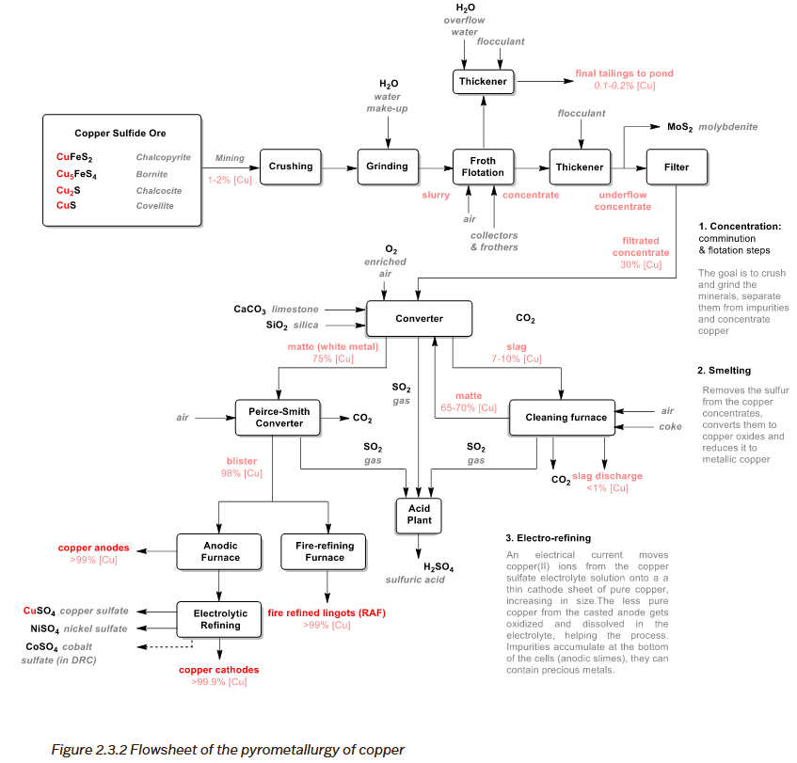
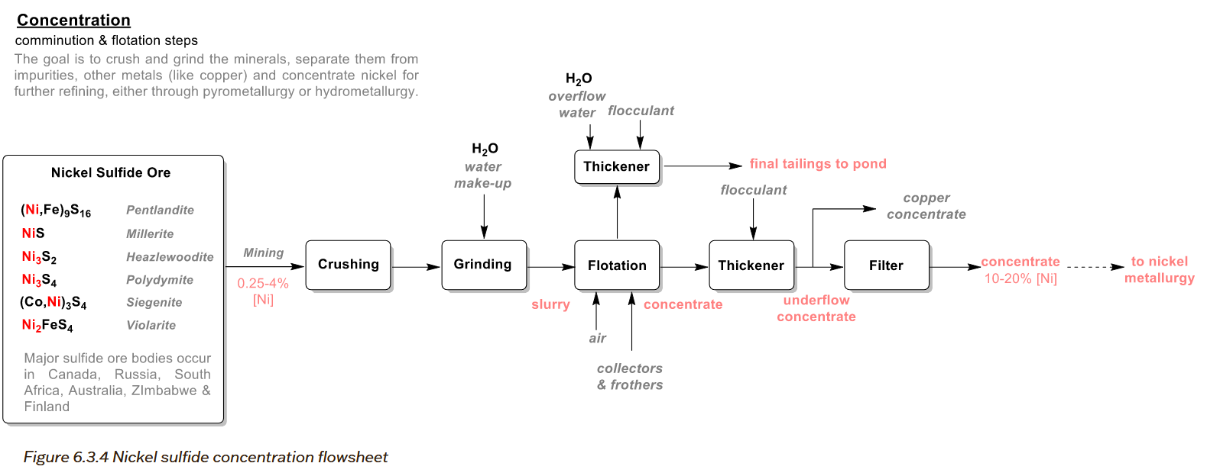

Katta2020
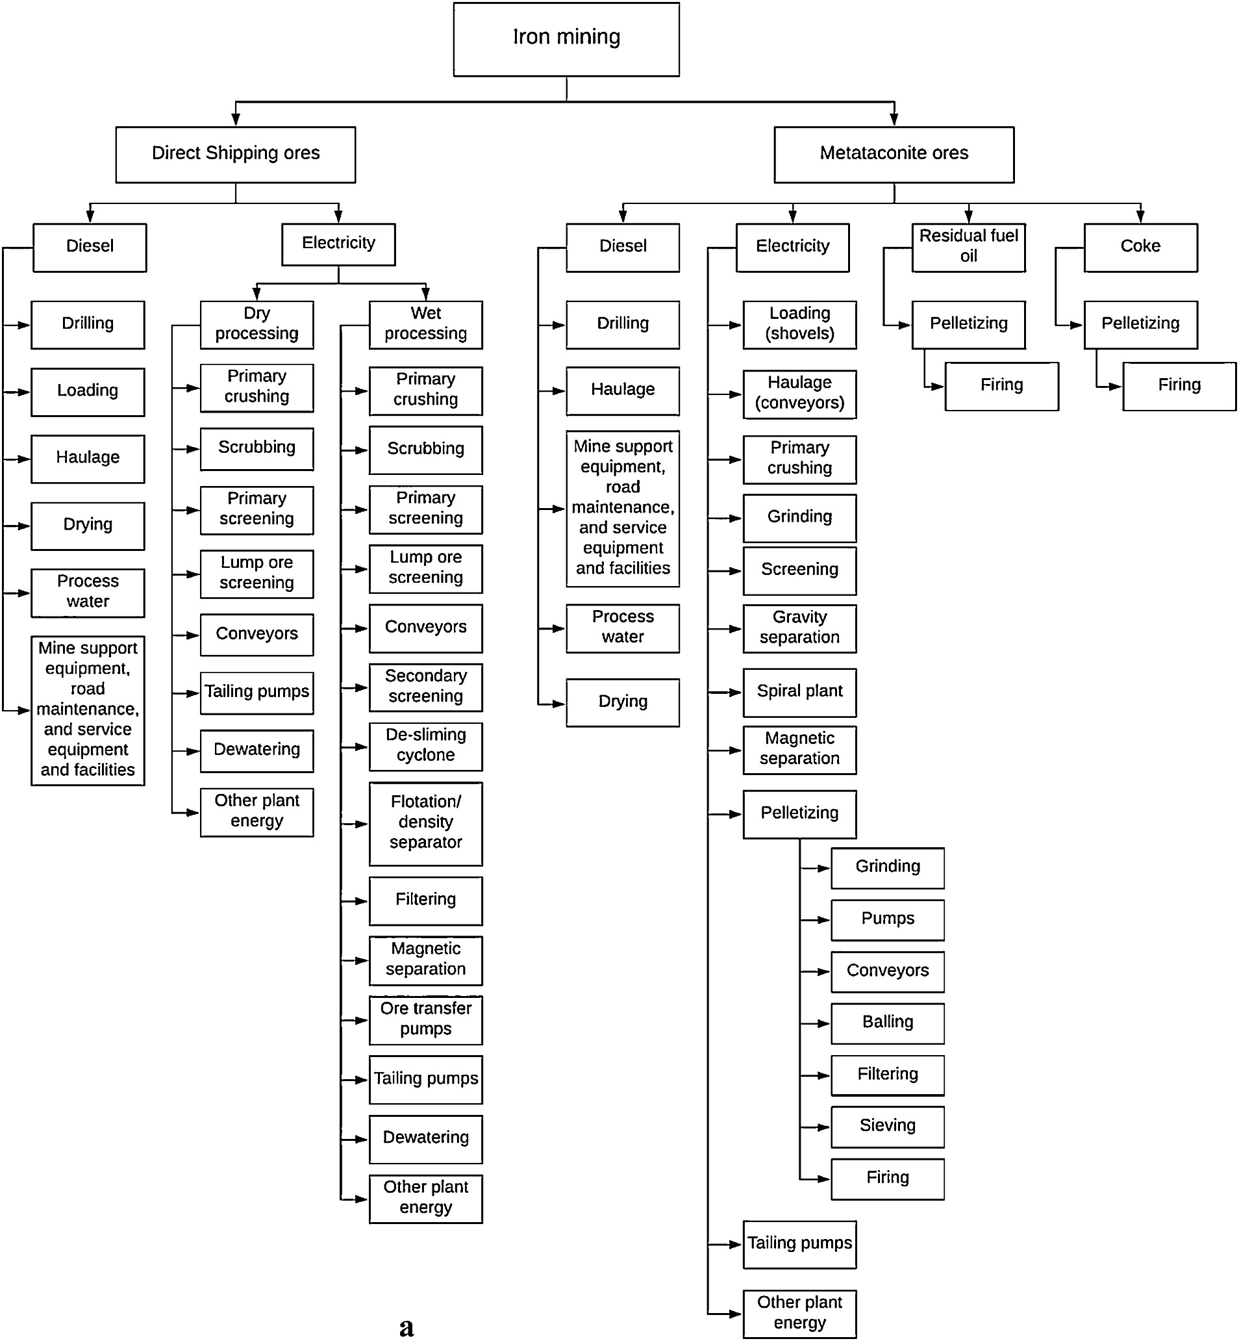

Norgate&Haque 2012 |  | Chen 2018 | Konaré 2024 | Katta2020
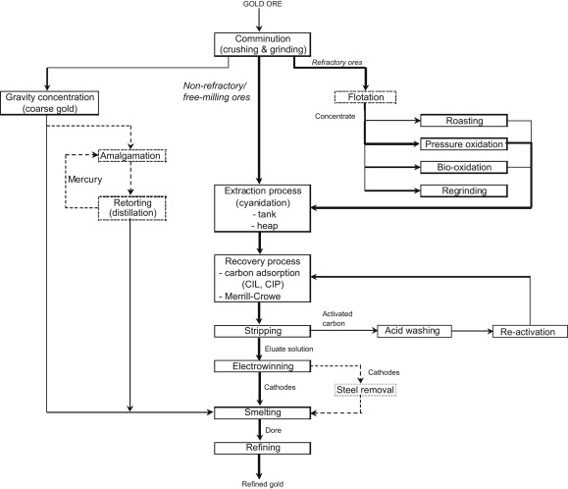
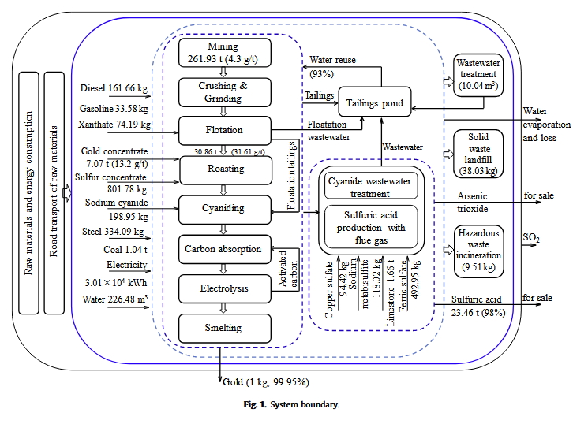
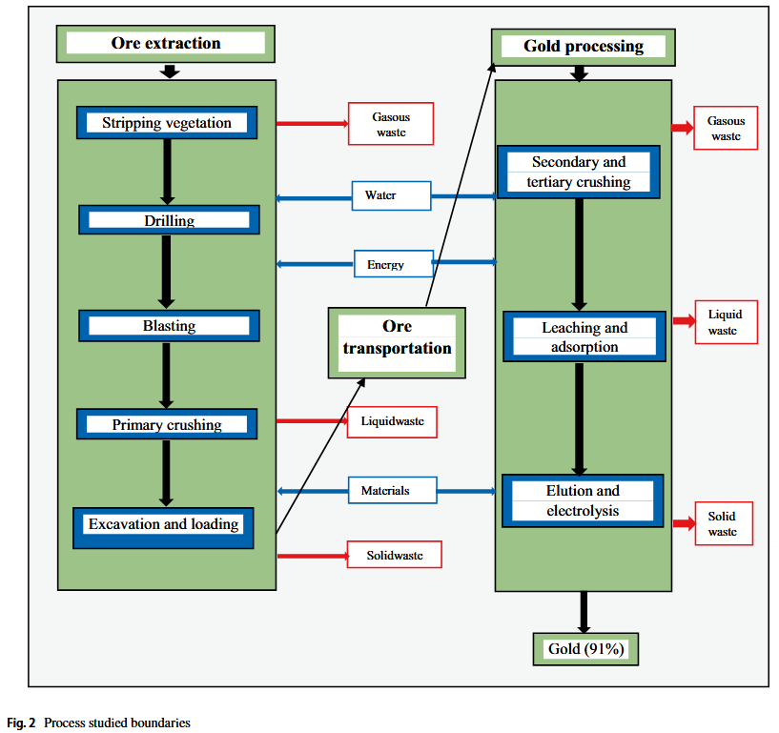

Process box | Material categories
Comminution | Grinding media, Lubricants & oils
Gravity concentration | Lubricants & oils
Cyanidation | Cyanide, Lime, Flocculant, Acids
Flotation | Frother, Flocculant, Lime, Acids, Grinding media
Oxidation (roast/POX/bio) | Acids, Lime
Carbon adsorption | Activated carbon, Acids, Alkalis
Stripping | Alkalis, Acids
Electrowinning | Acids, Steel (optional)
Smelting | Lime / Cement (fluxes)
Refining | Acids

