References
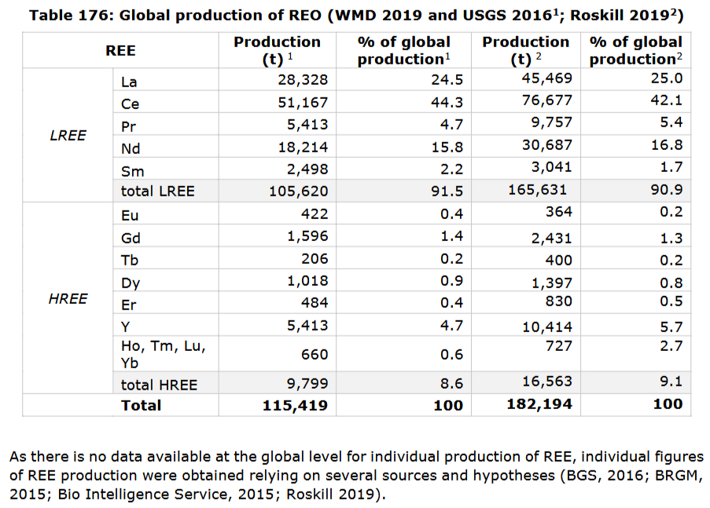
# | Citation
1 | Natural Gas 2021 retrieved from https://yearbook.enerdata.net/natural-gas/world-natural-gas-production-statistics.html [2023-10-05]
2 | World Mining Data (WMD) (https://www.world-mining-data.info/?World_Mining_Data___Data_Section)
3 | USGS Mineral Commodities Summary 2023
4 | World Nuclear Association - Uranium Production Figures, 2013-2022 retrieved from https://world-nuclear.org/information-library/facts-and-figures/uranium-production-figures.aspx
5 | IEA - Coal 2021 retrieved from https://www.iea.org/reports/coal-2021 [2023-10-05]
6 | Crude Oil 2021 retrieved from https://yearbook.enerdata.net/crude-oil/world-production-statistics.html [2023-10-05]
7 | Estimate using % REO produced (European Commission, 2020 criticality study, p. 663) with global prodution statistics of WMD [2], as per Charpentier-Poncelet et al. (2023)
8 | Value for 2016, from BRGM criticality sheet for scandium (https://www.mineralinfo.fr/sites/default/files/upload/documents/Fiches_criticite/fichecriticitescandium180102.pdf), assumed constant over time, as per Charpentier-Poncelet et al. (2023)
9 | Assumption based on a BRGM report. Panorama 2012 du marché des platinoïdes. BRGM/RP-63169-FR (http://infoterre.brgm.fr/rapports/RP-63169-FR.pdf) and Ciacci et al. 2015 (https://doi.org/10.1021/es505515z), as per Charpentier-Poncelet et al. (2023)

 | https://rmis.jrc.ec.europa.eu/uploads/CRM_2020_Factsheets_critical_Final.pdf

