Nassar2022_T6
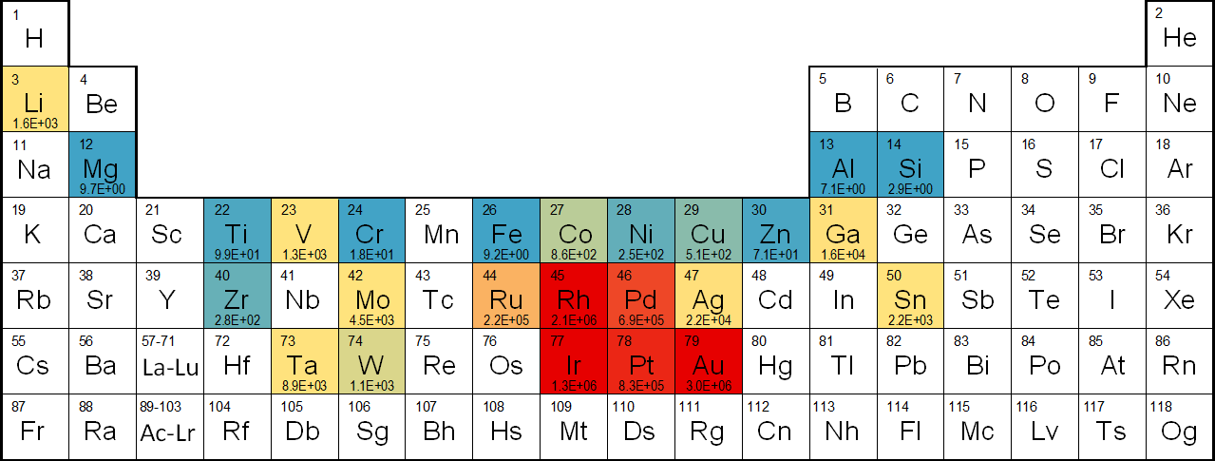
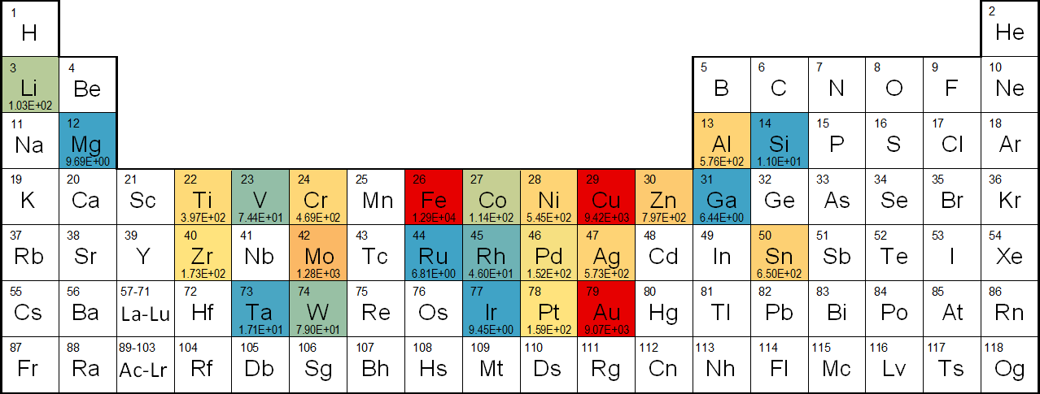
Table S6. Total material mined, waste rock removed, and ore mined by mineral commodity after adjusting for global coverage
 | Coverage (% of global production) | Coverage-adjusted attributable total material extracted (Million metric tons) | Coverage-adjusted attributable waste rock removed (Million metric tons) | Coverage-adjusted attributable ore mined (Million metric tons)
Aluminum | 93% | 5.76E+02 | 2.37E+02 | 3.38E+02
Chromium | 100% | 4.69E+02 | 3.17E+02 | 1.53E+02
Cobalt | 76% | 1.14E+02 | 7.76E+01 | 3.67E+01
Copper | 94% | 9.42E+03 | 6.12E+03 | 3.30E+03
Gallium | 99% | 6.44E+00 | 4.22E+00 | 2.22E+00
Gold | 79% | 9.07E+03 | 6.72E+03 | 2.35E+03
Iridium | 97% | 9.45E+00 | 6.27E+00 | 3.19E+00
Iron | 78% | 1.29E+04 | 8.53E+03 | 4.35E+03
Lithium | 100% | 1.03E+02 | 8.71E+01 | 1.58E+01
Magnesium | 90% | 9.69E+00 | 0.00E+00 | 9.69E+00
Molybdenum | 100% | 1.28E+03 | 8.31E+02 | 4.45E+02
Nickel | 100% | 5.45E+02 | 3.14E+02 | 2.31E+02
Palladium | 93% | 1.52E+02 | 1.04E+02 | 4.76E+01
Platinum | 94% | 1.59E+02 | 1.10E+02 | 4.83E+01
Rhodium | 98% | 4.60E+01 | 3.13E+01 | 1.47E+01
Ruthenium | 96% | 6.81E+00 | 4.52E+00 | 2.28E+00
Silicon | 85% | 1.10E+01 | 6.02E+00 | 4.94E+00
Silver | 100% | 5.73E+02 | 3.90E+02 | 1.83E+02
Tantalum | 100% | 1.71E+01 | 7.15E+00 | 9.98E+00
Tin | 100% | 6.50E+02 | 1.99E+01 | 6.30E+02
Titanium | 90% | 3.97E+02 | 3.81E+01 | 3.59E+02
Tungsten | 99% | 7.90E+01 | 4.52E+01 | 3.38E+01
Vanadium | 99% | 7.44E+01 | 5.33E+01 | 2.11E+01
Zinc | 78% | 7.97E+02 | 5.66E+02 | 2.31E+02
Zirconium | 97% | 1.73E+02 | 1.73E+01 | 1.56E+02
Sum |  | 3.76E+04 | 2.46E+04 | 1.30E+04
Rock-to-metal ratio Low High
Figure S2. Periodic table displaying the 2018 global RMR for the mineral commodities analyzed
Total attributable material extracted (millions of metric tons) Low High
Figure S3. Periodic table displaying the 2018 global total attributable material extracted (ore mined and waste rock removed) in millions of metric tons for the commodities analyzed, after adjusting for global coverage

Nassar2022_T7
Table S7. Percentages of global production with rock-to-metal ratio (RMR) values equal to or less than noted levels
Mineral commodity |  |  | Percentages of global production with RMR values equal to or less than…
 | 5% | 10% | 25% | 33.3% | 50% | 66.6% | 75% | 90% | 95%
Aluminum | 5.5E+00 | 5.5E+00 | 5.5E+00 | 5.8E+00 | 6.2E+00 | 7.3E+00 | 9.3E+00 | 1.4E+01 | Not available
Chromium | 1.3E+01 | 1.3E+01 | 1.4E+01 | 1.7E+01 | 1.7E+01 | 1.9E+01 | 1.9E+01 | 2.3E+01 | 2.9E+01
Cobalt | 2.0E+02 | 2.0E+02 | 3.2E+02 | 4.8E+02 | 6.9E+02 | 1.5E+03 | 3.2E+03 | Not available | Not available
Copper | 6.9E+01 | 1.1E+02 | 2.0E+02 | 3.0E+02 | 3.9E+02 | 6.4E+02 | 7.3E+02 | 1.5E+03 | Not available
Gallium | 1.6E+04 | 1.6E+04 | 1.6E+04 | 1.6E+04 | 1.6E+04 | 1.6E+04 | 1.6E+04 | 1.6E+04 | 1.6E+04
Gold | 2.9E+05 | 5.3E+05 | 1.1E+06 | 1.5E+06 | 3.1E+06 | 5.5E+06 | 8.6E+06 | Not available | Not available
Iridium | 3.8E+05 | 3.8E+05 | 9.5E+05 | 1.1E+06 | 1.1E+06 | 1.2E+06 | 1.3E+06 | 2.6E+06 | 5.2E+06
Iron | 3.4E+00 | 4.0E+00 | 6.9E+00 | 7.1E+00 | 8.6E+00 | 1.3E+01 | 2.1E+01 | Not available | Not available
Lithium | 4.3E+02 | 4.3E+02 | 4.3E+02 | 6.3E+02 | 1.6E+03 | 1.7E+03 | 1.9E+03 | 2.5E+03 | 2.8E+03
Magnesium | 8.7E+00 | 8.7E+00 | 8.7E+00 | 8.7E+00 | 8.7E+00 | 8.7E+00 | 8.7E+00 | 2.0E+01 | Not available
Molybdenum | 9.3E+02 | 9.9E+02 | 1.8E+03 | 2.4E+03 | 3.3E+03 | 4.9E+03 | 8.8E+03 | 9.3E+03 | 9.3E+03
Nickel | 2.1E+01 | 4.6E+01 | 1.0E+02 | 1.8E+02 | 2.9E+02 | 3.0E+02 | 3.0E+02 | 3.0E+02 | 3.0E+02
Palladium | 1.6E+05 | 2.3E+05 | 2.7E+05 | 2.7E+05 | 3.0E+05 | 8.6E+05 | 9.5E+05 | 2.1E+06 | Not available
Platinum | 1.9E+05 | 2.3E+05 | 2.6E+05 | 6.5E+05 | 7.5E+05 | 8.1E+05 | 1.3E+06 | 2.3E+06 | Not available
Rhodium | 6.4E+05 | 6.5E+05 | 1.2E+06 | 1.7E+06 | 1.9E+06 | 2.0E+06 | 2.2E+06 | 4.4E+06 | 5.6E+06
Ruthenium | 7.1E+04 | 7.1E+04 | 1.3E+05 | 2.0E+05 | 2.1E+05 | 2.3E+05 | 2.5E+05 | 3.6E+05 | 6.2E+05
Silicon | 2.9E+00 | 2.9E+00 | 2.9E+00 | 2.9E+00 | 2.9E+00 | 2.9E+00 | 2.9E+00 | Not available | Not available
Silver | 3.5E+03 | 4.6E+03 | 8.2E+03 | 8.7E+03 | 1.4E+04 | 1.7E+04 | 2.2E+04 | 5.4E+04 | 8.5E+04
Tantalum | 5.1E+03 | 5.1E+03 | 5.1E+03 | 5.1E+03 | 5.1E+03 | 5.1E+03 | 6.0E+03 | 1.1E+04 | 3.7E+04
Tin | 6.2E+01 | 6.3E+01 | 1.0E+02 | 1.6E+02 | 3.0E+02 | 1.1E+03 | 7.6E+03 | 7.6E+03 | 7.6E+03
Titanium | 5.5E+00 | 5.5E+00 | 6.8E+01 | 8.5E+01 | 1.2E+02 | 1.4E+02 | 1.4E+02 | 3.0E+02 | Not available
Tungsten | 1.7E+02 | 2.7E+02 | 4.4E+02 | 5.3E+02 | 8.9E+02 | 8.9E+02 | 1.9E+03 | 2.4E+03 | 2.4E+03
Vanadium | 8.3E+02 | 8.3E+02 | 8.3E+02 | 8.3E+02 | 9.8E+02 | 1.2E+03 | 2.6E+03 | 2.6E+03 | 2.6E+03
Zinc | 1.8E+01 | 1.8E+01 | 3.3E+01 | 4.3E+01 | 6.8E+01 | 1.3E+02 | 1.9E+02 | Not available | Not available
Zirconium | 1.0E+02 | 1.0E+02 | 1.7E+02 | 1.8E+02 | 2.7E+02 | 3.2E+02 | 3.2E+02 | 5.6E+02 | 5.6E+02
Precious metals: Gold RMRs for individual operations vary significantly, spanning several orders of magnitude from 1.0 × 105 to 2.2 × 108, and a global, production-weighted mean, (x̄ ) RMR of 3.0 x 106 (n = 777). The one operation with extremely high RMR value of 2.2 × 108, which is the highest RMR of any commodity-operation analyzed, is a result of very low ore grade (0.016 ppm Au) combined with a revenue allocation of 100%. RMR for the platinum-group metals mainly range (minimum and maximum of across their individual interquartile ranges) from 1.7 × 105 to 2.2 × 106. Global RMR are highest for rhodium (x̄ = 2.1 × 106), followed by iridium (x̄ = 1.3 × 106) and platinum (x̄ = 8.3 × 105), and lowest for palladium (x̄ = 6.9 × 105) and ruthenium (x̄ = 2.2 × 105) due mainly to a combination of revenue allocation and ore grades. Silver has the lowest global RMRs of the precious metals (x̄ = 2.2 × 104; n = 627), and individual RMRs ranging from 1.6 × 103 to 2.1 × 107. The extremely high RMR for one operation is a consequence of relatively low ore grade (0.5 ppm Ag), low concentrator recovery rate (30%) and 100% revenue allocation. Ferrous and nonferrous metals: Molybdenum RMRs mostly range (interquartile) between 1.5 × 103 and 4.3 × 103, with a global RMR of 4.5 × 103 (n = 67). Vanadium RMRs vary (minimum and maximum) from 7.5 × 102 to 2.6 × 103 (x̄ = 1.3 × 103; n = 9), with the global RMR heavily influenced by China and Russia operations which produce roughly 80% of the global primary vanadium. Similarly, the tungsten’s global RMR (x̄ = 1.1 × 103; n = 64) is notably influenced by China operations, which account for nearly 80% of global production, and individual ratios span from 93 to 3.7 × 103. Copper RMRs mainly range (interquartile) from 1.8 × 102 to 6.9 × 102 (x̄ = 5.1 × 102; n = 431), with one China operation having an outlier ratio of 1.7 x 104, due to a low grade (0.04% Cu), low concentrator recovery rate (50%) and high revenue allocation (100%). Tin

Figure S4. Map of the global distribution of aluminum operations and bar plot of cumulative share of total global aluminum production. Each individual operation is plotted as a single circle on the map and single bar on the plot. The colors of the circles indicate individual rock-to-metal ratios (RMRs), which range from a low of 4.6 to a high of 2.2 × 101 and yield a global RMR of 7.1 (n = 68). The sizes of the circles are proportional to an operation’s share (in percent) of total global aluminum production, which range from a low of <0.001% to a high of 21% for a total global coverage of 93% of 2018 global aluminum production reported by the U.S. Geological Survey.16 Operations are ordered from lowest to highest RMR on the bar plot.
 | 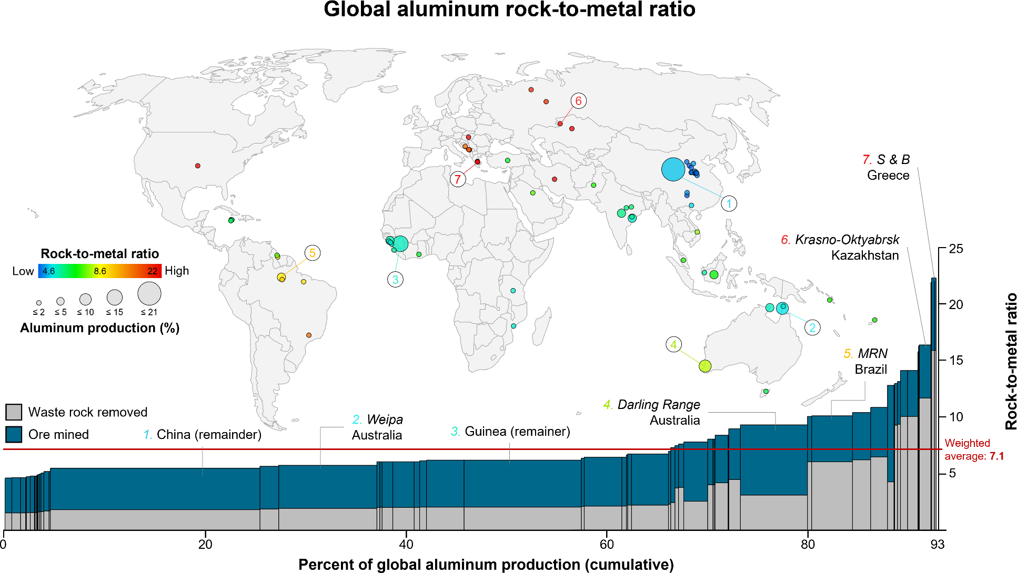
Figure S5. Map of the global distribution of chromium operations and bar plot of cumulative share of total global chromium production. Each individual operation is plotted as a single circle on the map and single bar on the plot. The colors of the circles indicate individual rock-to-metal ratios (RMRs), which range from a low of 1.3 × 101 to a high of 2.9 × 101 and yield a global RMR of 1.8 × 101 (n = 23). The sizes of the circles are proportional to an operation’s share (in percent) of total global chromium production, which range from a low of 0.015% to a high of 32% for a total global coverage of 100% of 2018 global chromium production reported by the U.S. Geological Survey.16 Operations are ordered from lowest to highest RMR on the bar plot.
 | 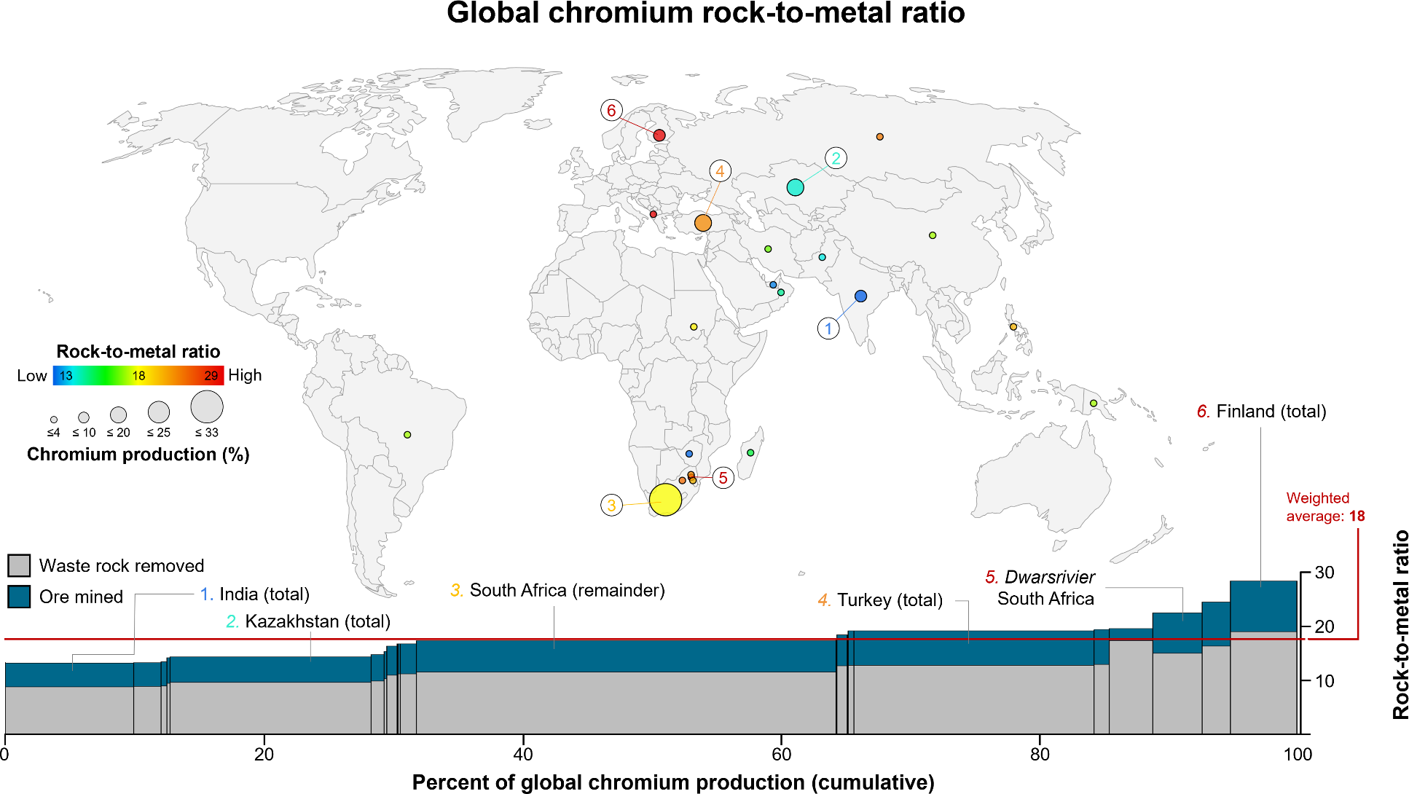
Figure S6. Map of the global distribution of cobalt operations and bar plot of cumulative share of total global cobalt production. Each individual operation is plotted as a single circle on the map and single bar on the plot. The colors of the circles indicate individual rock-to-metal ratios (RMRs), which range from a low of 1.9× 102 to a high of 1.5 × 104 and yield a global RMR of 8.6 × 102 (n = 47). The sizes of the circles are proportional to an operation’s share (in percent) of total global cobalt production, which range from a low of 0.008% to a high of 18.5% for a total global coverage of 76% of 2018 global cobalt production reported by the U.S. Geological Survey. 16 Operations are ordered from lowest to highest RMR on the bar plot.
 | 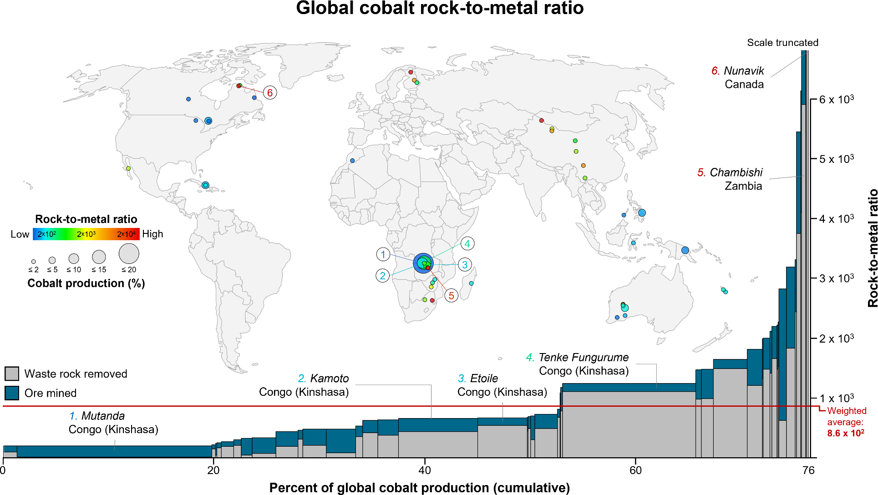
Figure S7. Map of the global distribution of gallium operations and bar plot of cumulative share of total global gallium production. Each individual operation is plotted as a single circle on the map and single bar on the plot. The colors of the circles indicate individual rock-to-metal ratios (RMRs), which range from a low of 3.8 × 102 to a high of 1.6 × 104 and yield a global RMR of 1.6 × 104 (n = 4). The sizes of the circles are proportional to an operation’s share (in percent) of total global gallium production, which range from a low of 1% to a high of 96% for a total global coverage of 99% of 2018 global gold production reported by the U.S. Geological Survey. 16 Operations are ordered from lowest to highest RMR on the bar plot.
 | 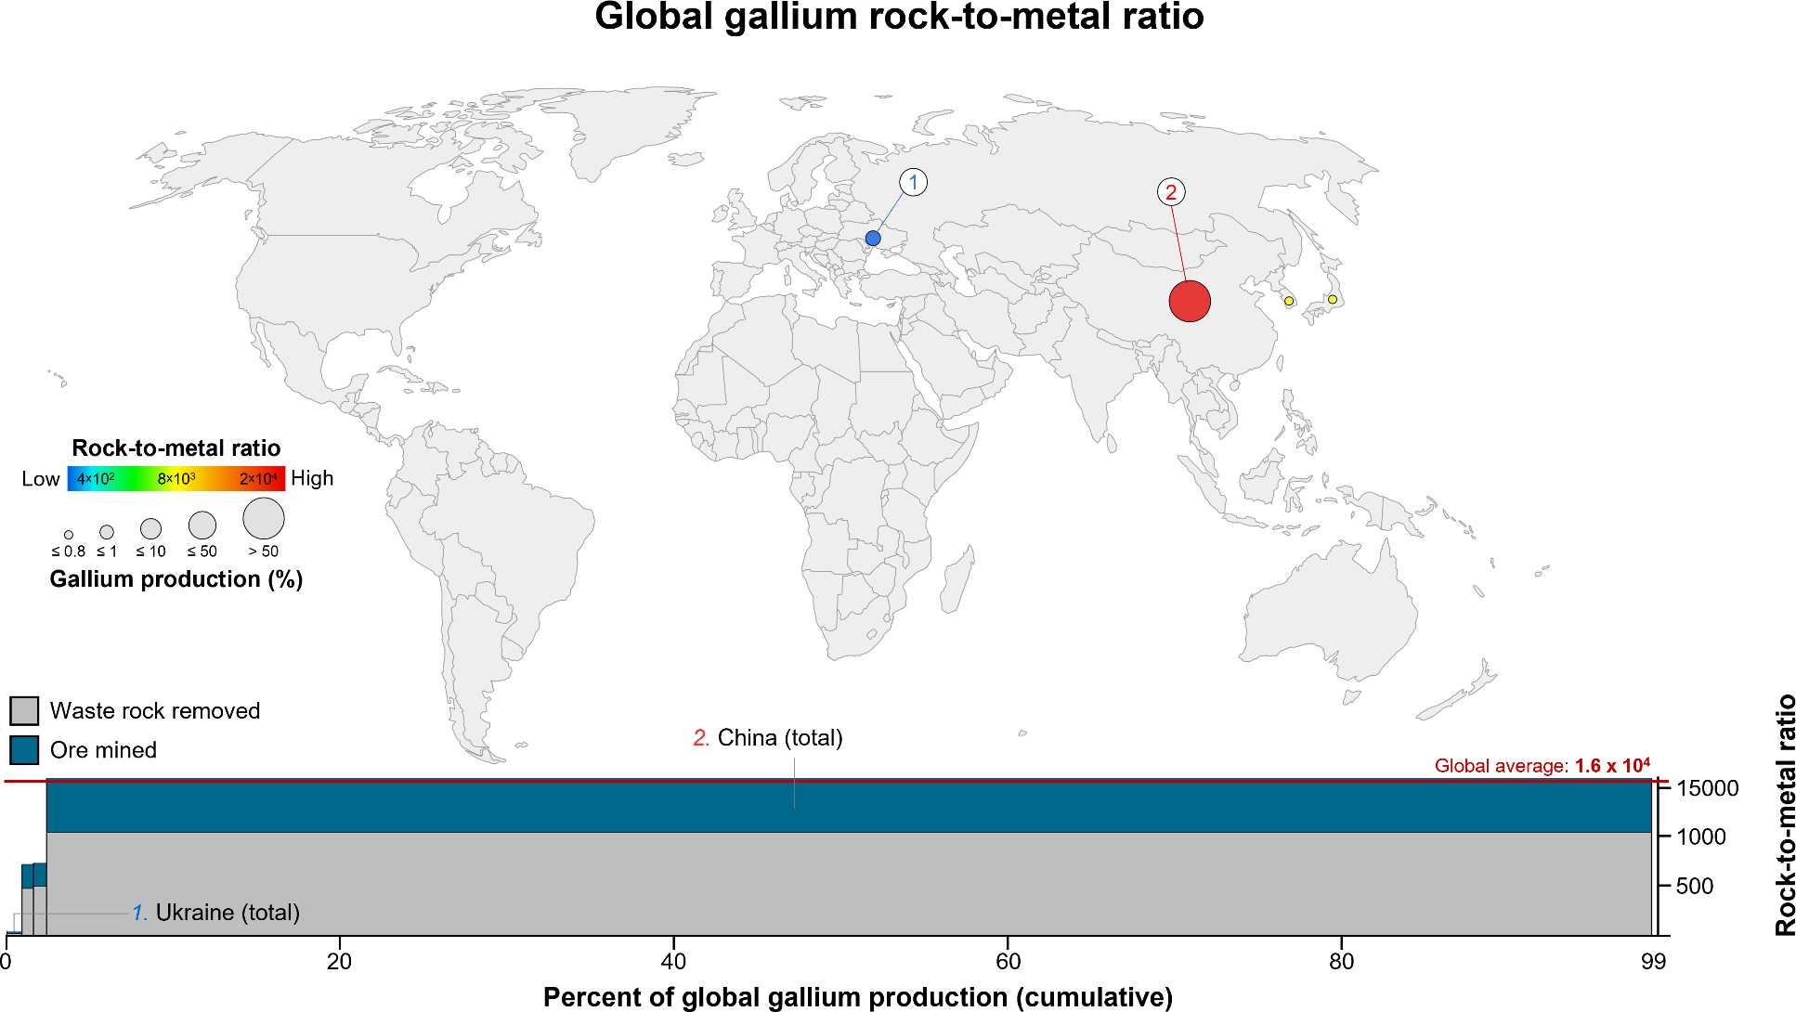
Figure S8. Map of the global distribution of gold operations and bar plot of cumulative share of total global gold production. Each individual operation is plotted as a single circle on the map and single bar on the plot. The colors of the circles indicate individual rock-to-metal ratios (RMRs), which range from a low of 1.0 × 105 to a high of 2.2 × 108 and yield a global RMR of 3.0 × 106 (n = 777). The sizes of the circles are proportional to an operation’s share (in percent) of total global gold production, which range from a low of <0.001% to a high of 2.6% for a total global coverage of 79% of 2018 global gold production reported by the U.S. Geological Survey. 16 Operations are ordered from lowest to highest RMR on the bar plot.
 | 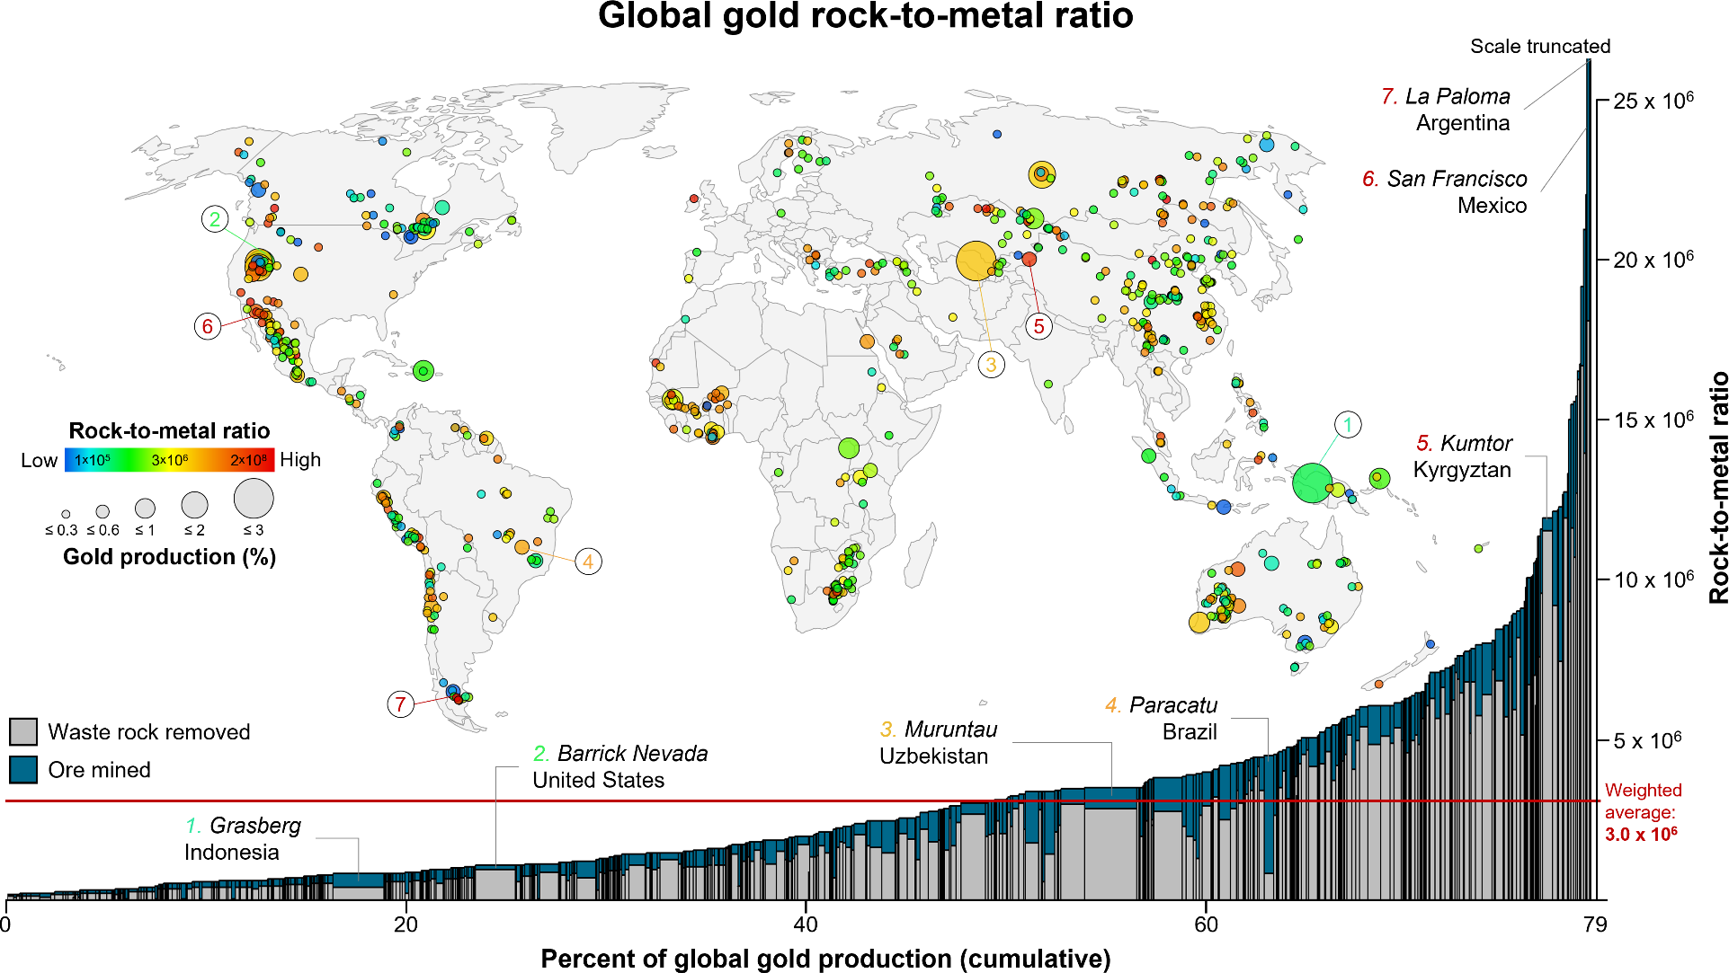
Figure S9. Map of the global distribution of iridium operations and bar plot of cumulative share of total global iridium production. Each individual operation is plotted as a single circle on the map and single bar on the plot. The colors of the circles indicate individual rock-to-metal ratios (RMRs), which range from a low of 3.4 × 105 to a high of 5.2 × 106 and yield a global RMR of 1.3 × 106 (n = 20). The sizes of the circles are proportional to an operation’s share (in percent) of total global iridium production, which range from a low of 0.12% to a high of 12% for a total global coverage of 97% of 2018 global iridium production reported by the U.S. Geological Survey.17 Operations are ordered from lowest to highest RMR on the bar plot.
 | 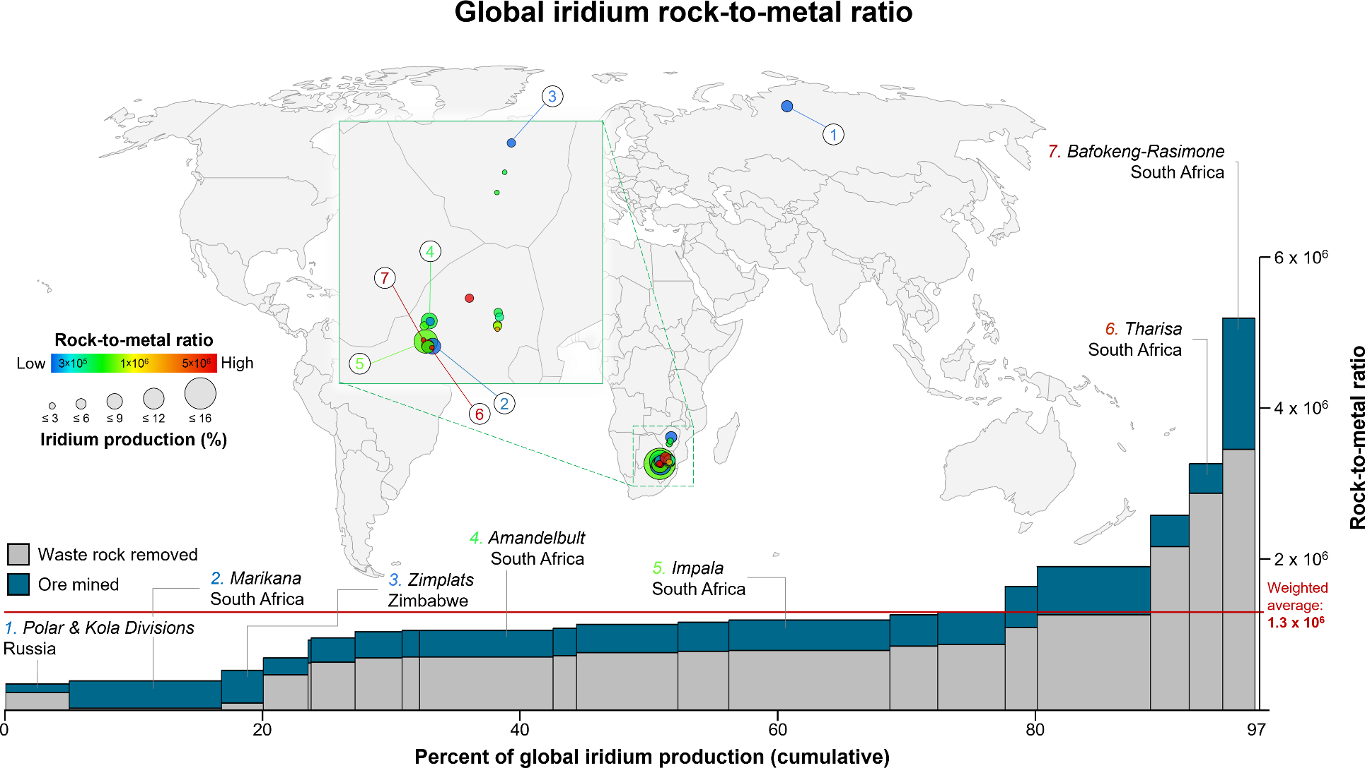
Figure S10. Map of the global distribution of iron operations and bar plot of cumulative share of total global iron production. Each individual operation is plotted as a single circle on the map and single bar on the plot. The colors of the circles indicate individual rock-to-metal ratios (RMRs), which range from a low of 1.5 to a high of 1.0 × 102 and yield a global RMR of 9.2 (n = 428). The sizes of the circles are proportional to an operation’s share (in percent) of total global iron production, which range from a low of <0.001% to a high of 8.9% for a total global coverage of 78% of 2018 global iron production reported by the U.S. Geological Survey.16 Operations are ordered from lowest to highest RMR on the bar plot.
 | 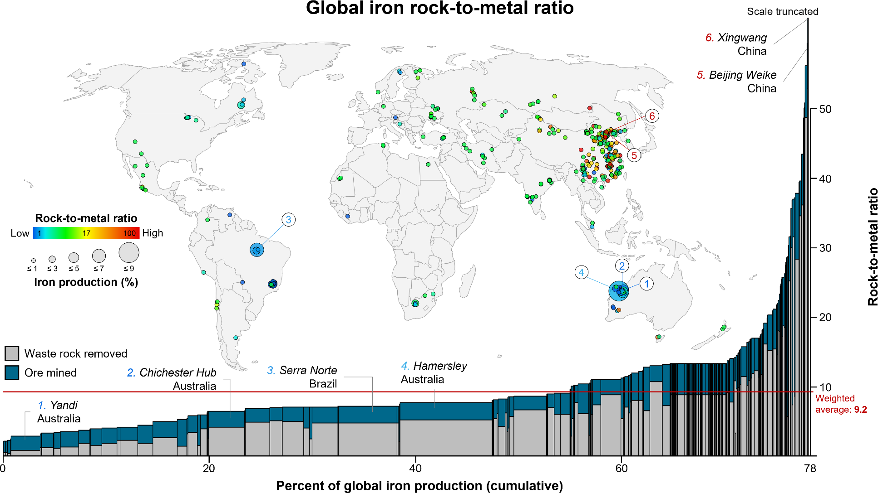
Figure S11. Map of the global distribution of hard-rock lithium operations and bar plot of cumulative share of total global hard-rock lithium production. Each individual operation is plotted as a single circle on the map and single bar on the plot. The colors of the circles indicate individual rock-to-metal ratios (RMRs), which range from a low of 2.7 ×102 to a high of 1.1 × 104 and yield a global RMR of 1.6 × 103 (n = 16). The sizes of the circles are proportional to an operation’s share (in percent) of total global lithium production, which range from a low of <0.32% to a high of 28% for a total global coverage of 100% of 2018 global hard-rock lithium production (excluding brine) revised from that reported by the U.S. Geological Survey.16 Operations are ordered from lowest to highest RMR on the bar plot.
Global hard-rock lithium rock-to-metal ratio
Percent of global hard-rock lithium production (cumulative)
 | 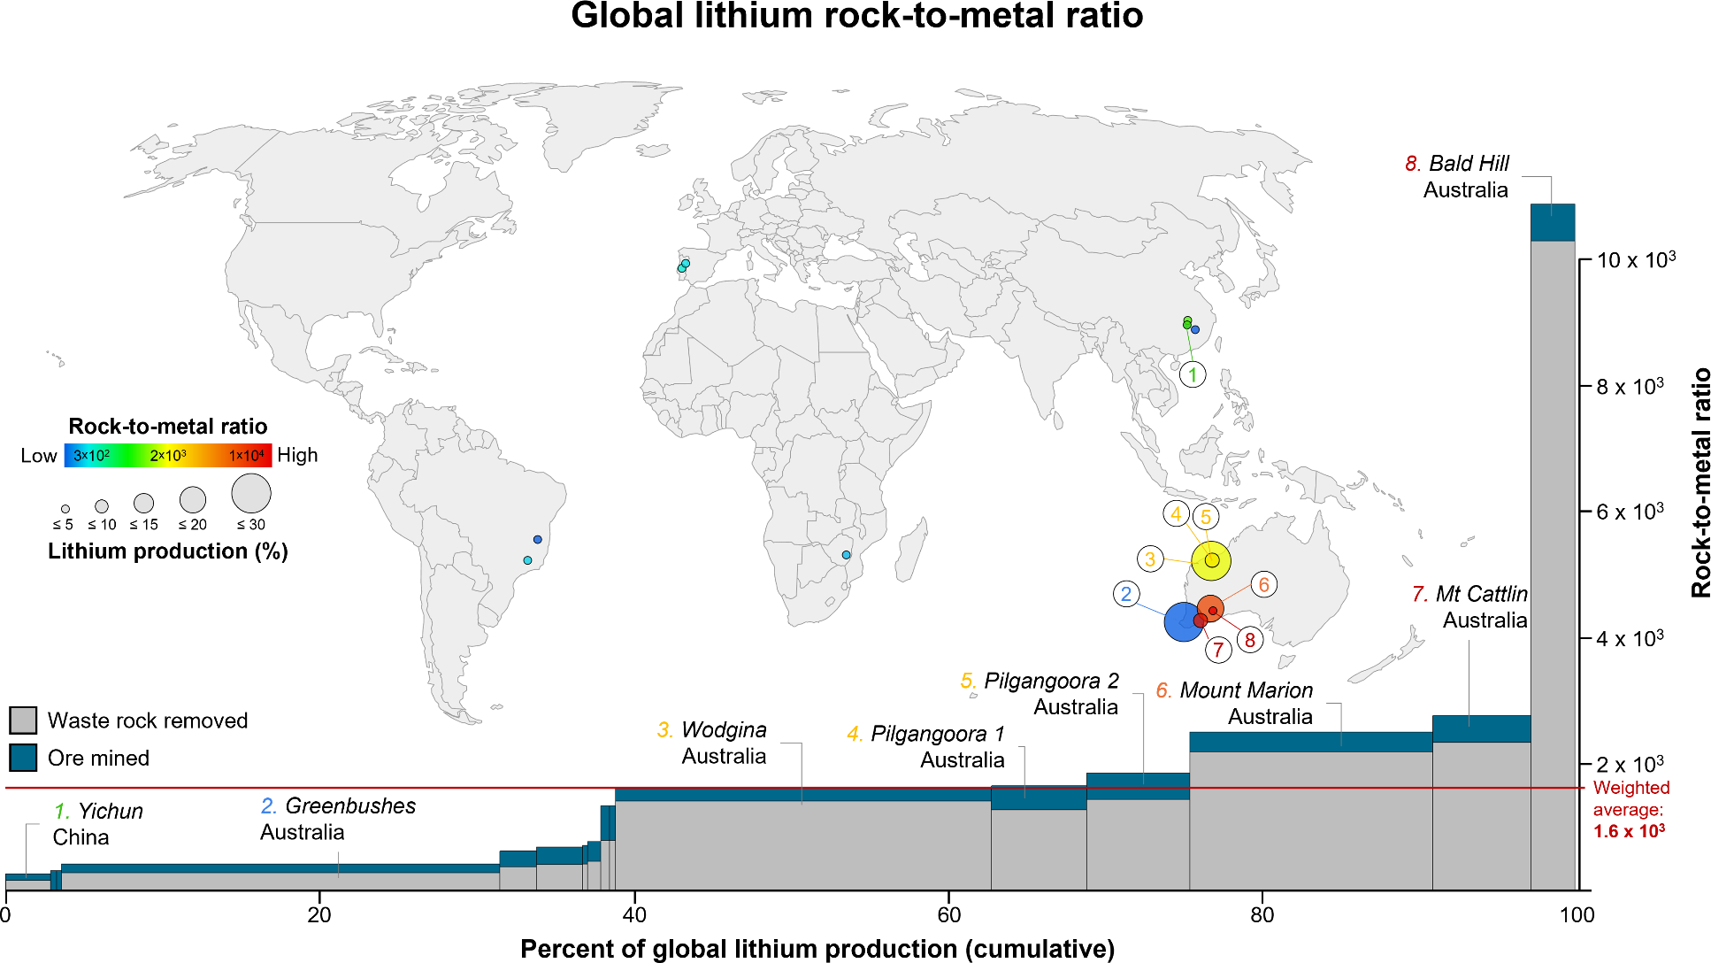
Figure S12. Map of the global distribution of hard-rock magnesium operations and bar plot of cumulative share of total global hard-rock magnesium production. Each individual operation is plotted as a single circle on the map and single bar on the plot. The colors of the circles indicate individual rock-to-metal ratios (RMRs), which range from a low of 8.7 to a high of 2.0 × 101 and yield a global RMR of 9.7 (n = 50). The sizes of the circles are proportional to an operation’s share (in percent) of total global magnesium production, which range from a low of 0.06% to a high of 6.4% for a total global coverage of 90% of 2018 global magnesium hard-rock production (excluding brine) reported by the U.S. Geological Survey.16 Operations are ordered from lowest to highest RMR on the bar plot.
Global hard-rock magnesium rock-to-metal ratio
 | 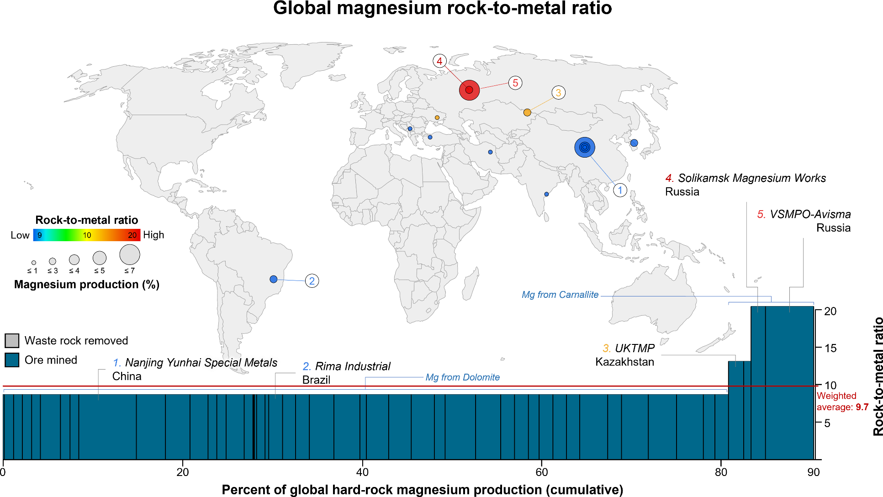
Figure S13. Map of the global distribution of molybdenum operations and bar plot of cumulative share of total global molybdenum production. Each individual operation is plotted as a single circle on the map and single bar on the plot. The colors of the circles indicate individual rock-to-metal ratios (RMRs), which range from a low of 5.8 × 102 to a high of 5.2 × 104 and yield a global RMR of 4.5 × 103 (n = 67). The sizes of the circles are proportional to an operation’s share (in percent) of total global molybdenum production, which range from a low of 0.002% to a high of 23% for a total global coverage of 100% of 2018 global molybdenum production reported by the U.S. Geological Survey.16 Operations are ordered from lowest to highest RMR on the bar plot.
 | 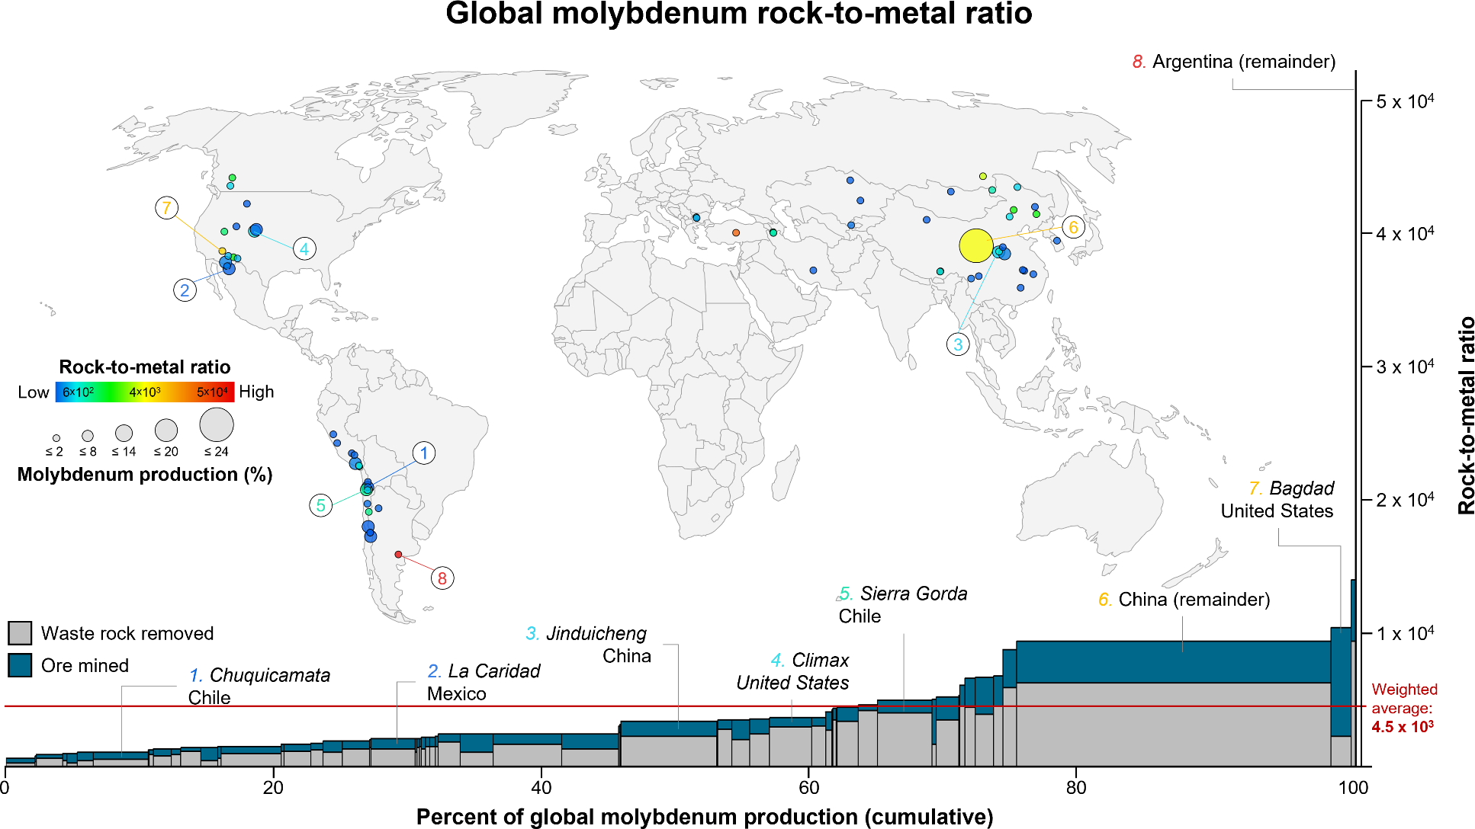
Figure S14. Map of the global distribution of nickel operations and bar plot of cumulative share of total global nickel production. Each individual operation is plotted as a single circle on the map and single bar on the plot. The colors of the circles indicate individual rock-to-metal ratios (RMRs), which range from a low of 1.5 × 101 to a high of 2.1 × 103 and yield a global RMR of 2.5 × 102 (n = 69). The sizes of the circles are proportional to an operation’s share (in percent) of total global nickel production, which range from a low of 0.01% to a high of 21% for a total global coverage of 100% of 2018 global nickel production reported by the U.S. Geological Survey.16 Operations are ordered from lowest to highest RMR on the bar plot.
 | 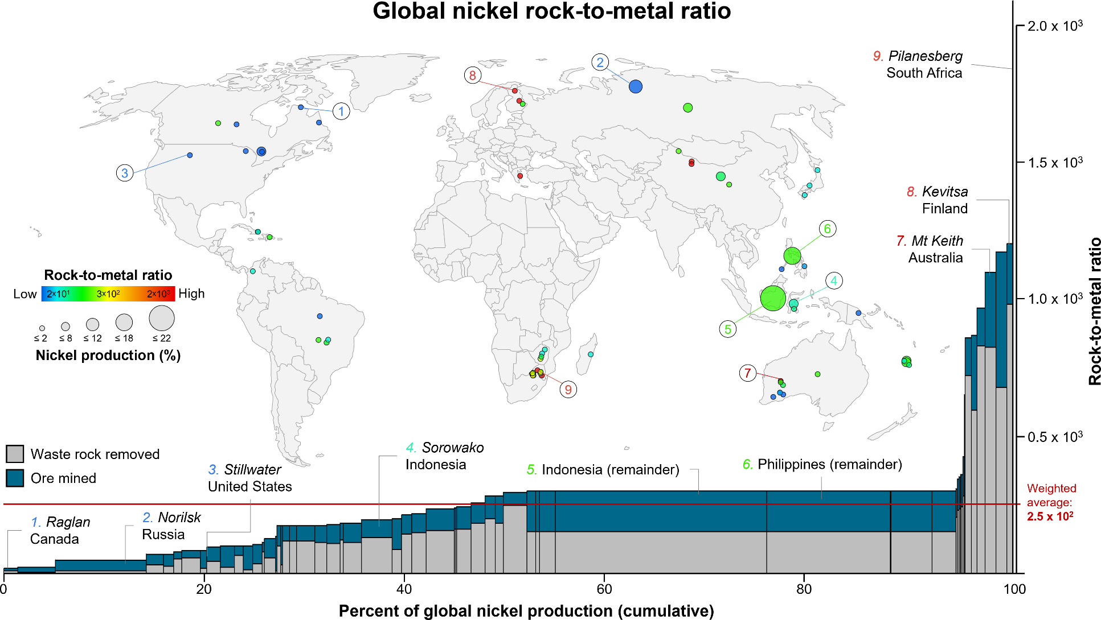
Figure S15. Map of the global distribution of palladium operations and bar plot of cumulative share of total global palladium production. Each individual operation is plotted as a single circle on the map and single bar on the plot. The colors of the circles indicate individual rock-to-metal ratios (RMRs), which range from a low of 1.6 × 105 to a high of 5.2 × 106 and yield a global RMR of 6.9 × 105 (n = 32). The sizes of the circles are proportional to an operation’s share (in percent) of total global palladium production, which range from a low of 0.006% to a high of 36% for a total global coverage of 93% of 2018 global palladium production reported by the U.S. Geological Survey.16 Operations are ordered from lowest to highest RMR on the bar plot.
 | 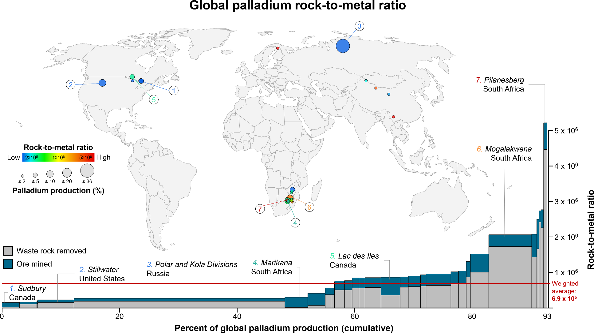
Figure S16. Map of the global distribution of platinum operations and bar plot of cumulative share of total global platinum production. Each individual operation is plotted as a single circle on the map and single bar on the plot. The colors of the circles indicate individual rock-to-metal ratios (RMRs), which range from a low of 1.3 × 105 to a high of 4.5 × 106 and yield a global RMR of 8.3 × 105 (n = 35). The sizes of the circles are proportional to an operation’s share (in percent) of total global platinum production, which range from a low of 0.03% to a high of 10% for a total global coverage of 94% of 2018 global platinum production reported by the U.S. Geological Survey.16 Operations are ordered from lowest to highest RMR on the bar plot.
 | 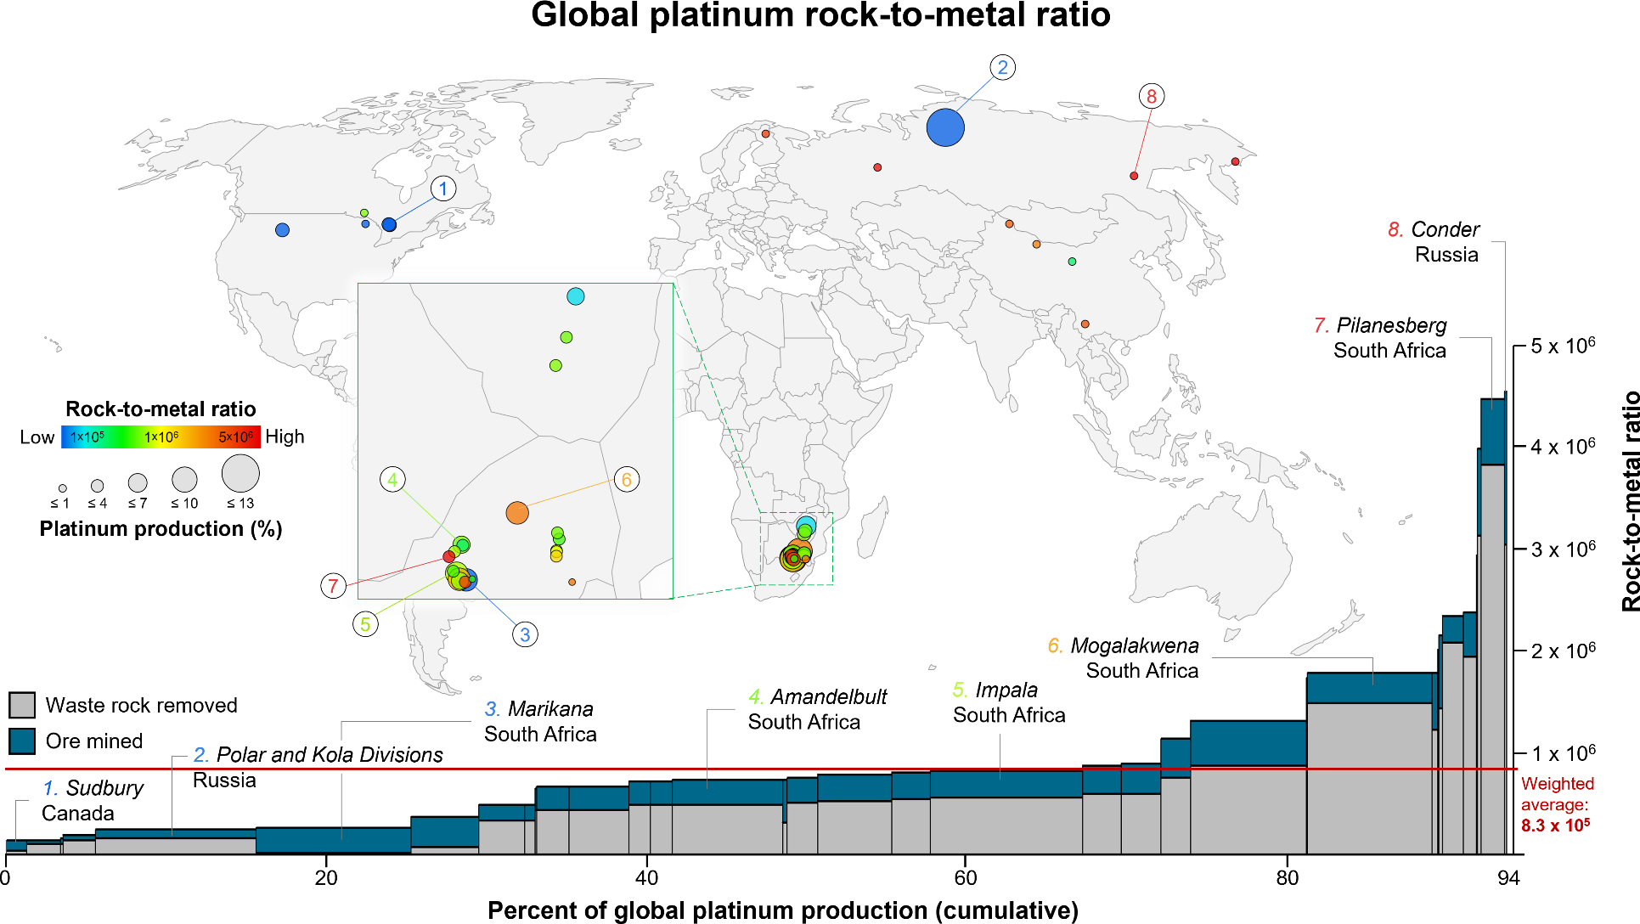
Figure S17. Map of the global distribution of rhodium operations and bar plot of cumulative share of total global rhodium production. Each individual operation is plotted as a single circle on the map and single bar on the plot. The colors of the circles indicate individual rock-to-metal ratios (RMRs), which range from a low of 3.3 × 105 to a high of 1.1 × 107 and yield a global RMR of 2.1 × 106 (n = 23). The sizes of the circles are proportional to an operation’s share (in percent) of total global rhodium production, which range from a low of 0.085% to a high of 12% for a total global coverage of 98% of 2018 global rhodium production reported by the U.S. Geological Survey.17 Operations are ordered from lowest to highest RMR on the bar plot.
 | 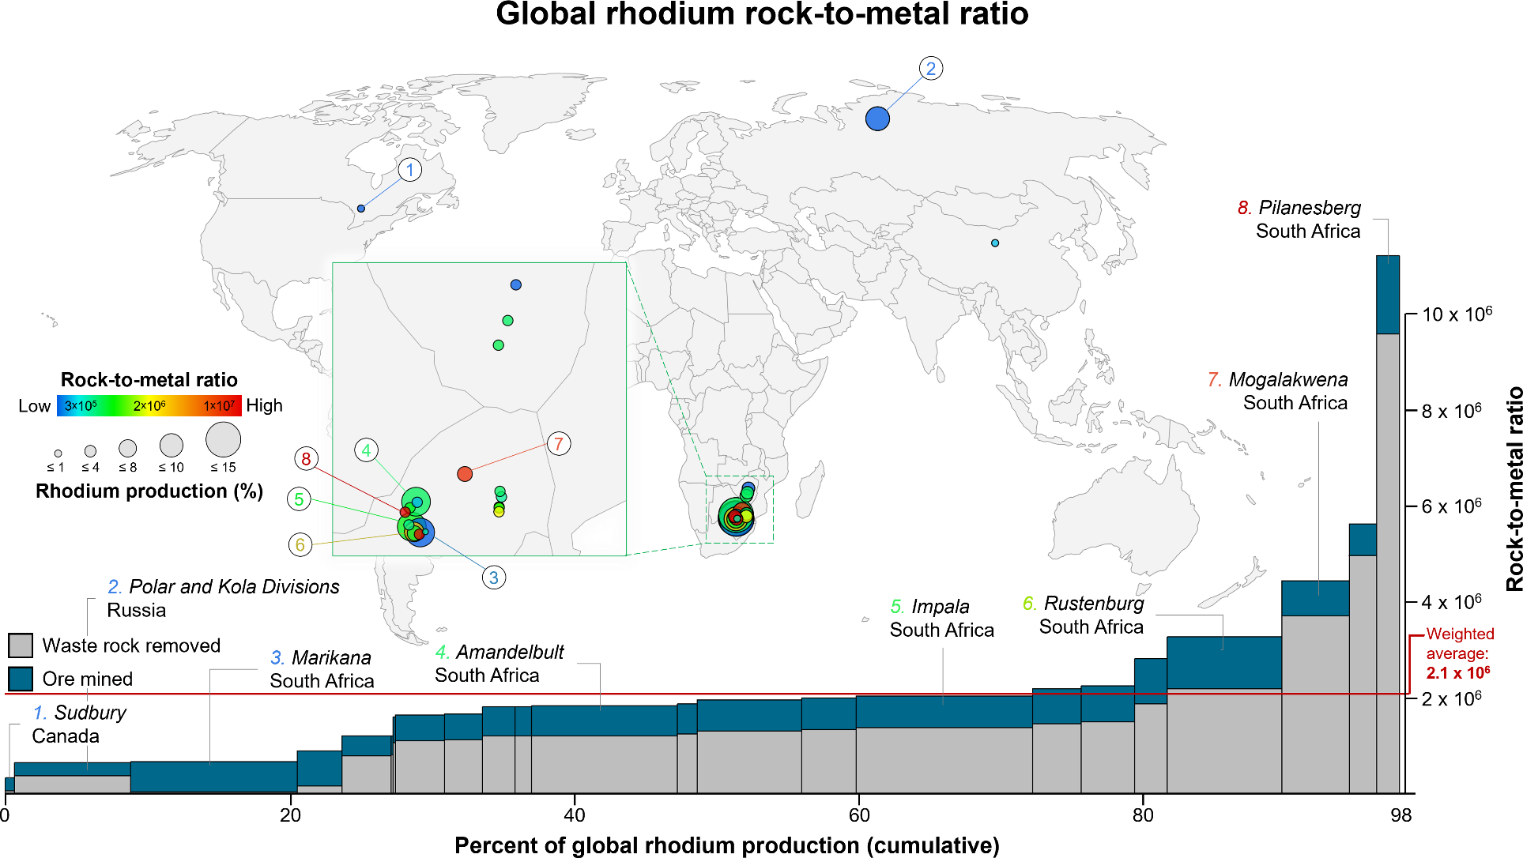
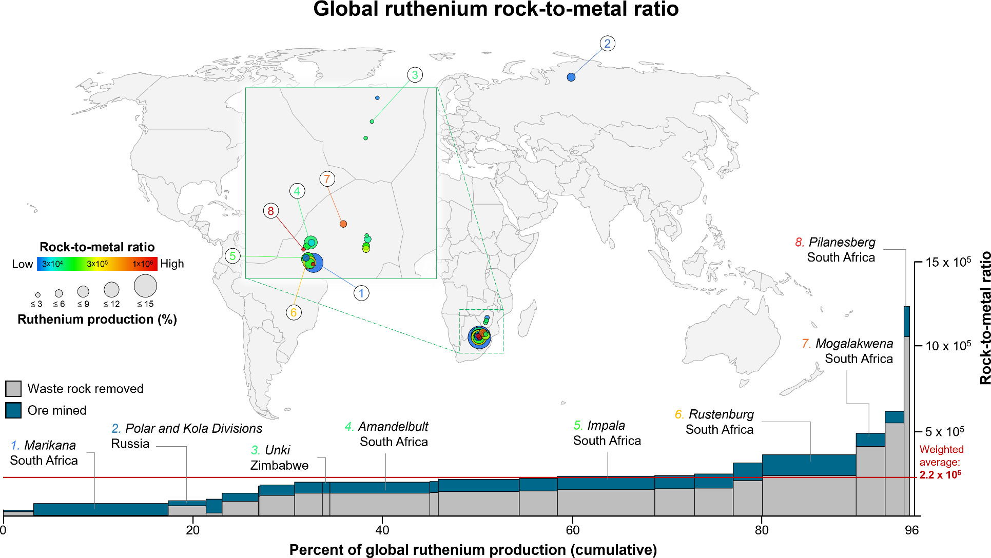
Figure S18. Map of the global distribution of ruthenium operations and bar plot of cumulative share of total global ruthenium production. Each individual operation is plotted as a single circle on the map and single bar on the plot. The colors of the circles indicate individual rock-to-metal ratios (RMRs), which range from a low of 3.4 × 104 to a high of 1.2 × 106 and yield a global RMR of 2.2 × 105 (n = 21). The sizes of the circles are proportional to an operation’s share (in percent) of total global ruthenium production, which range from a low of 0.2% to a high of 14% for a total global coverage of 96% of 2018 global ruthenium production reported by the U.S. Geological Survey.16 Operations are ordered from lowest to highest RMR on the bar plot.

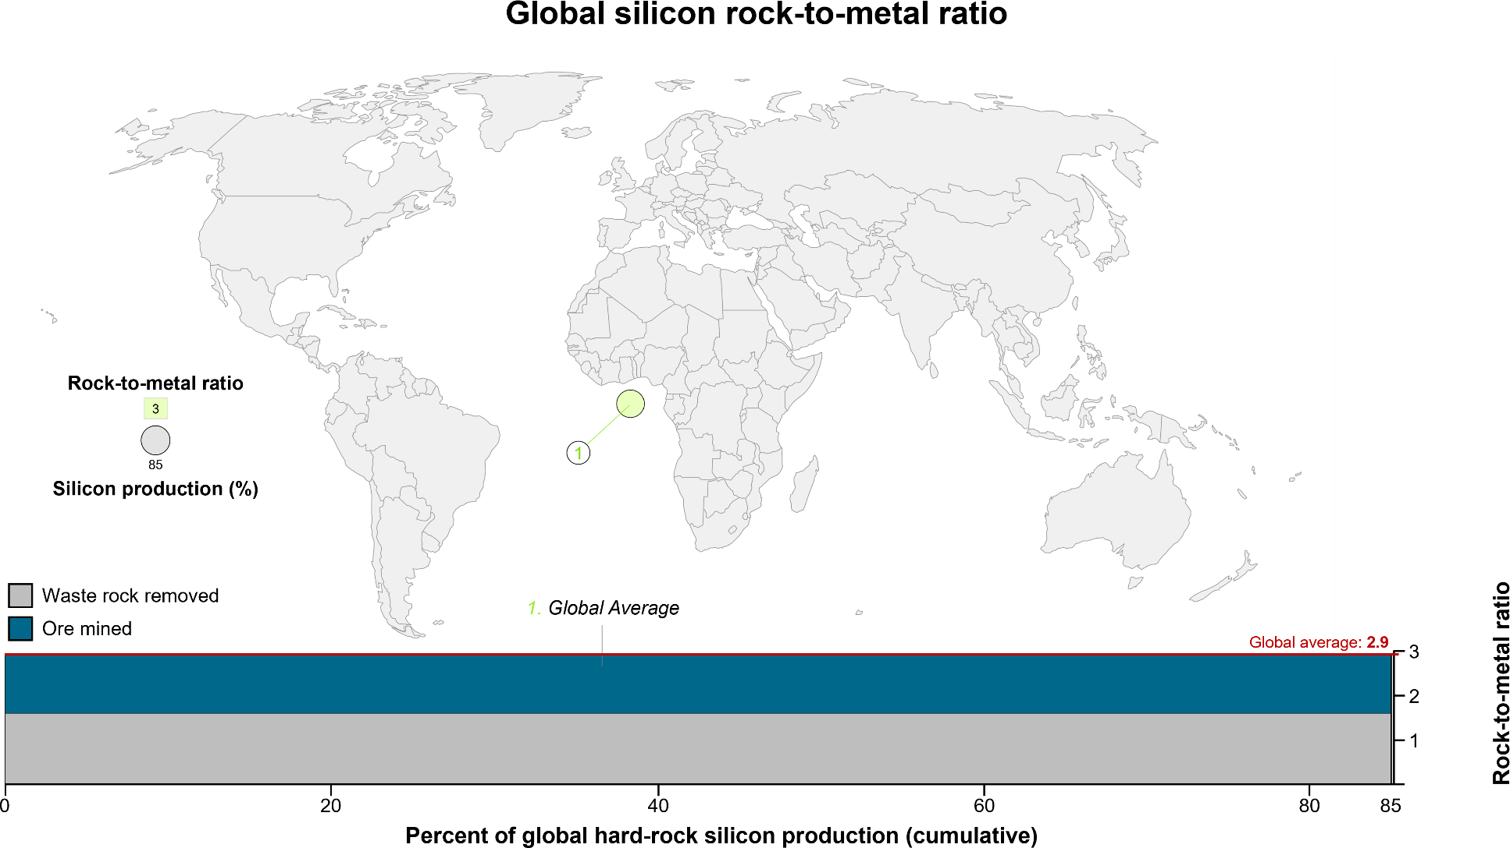
Figure S19. Map of the global distribution of silicon operations and bar plot of cumulative share of total global silicon production. Due to lack of data availability, the rock-to- metal ratio for silicon was calculated as a single global average at 2.9, representing an estimated 85% of 2018 global silicon production reported by the U.S. Geological Survey.16

Figure S20. Map of the global distribution of silver operations and bar plot of cumulative share of total global silver production. Each individual operation is plotted as a single circle on the map and single bar on the plot. The colors of the circles indicate individual rock-to-metal ratios (RMRs), which range from a low of 1.6 × 103 to a high of 2.1 × 107 and yield a global RMR of 2.2 × 104 (n = 627). The sizes of the circles are proportional to an operation’s share (in percent) of total global silver production, which range from a low of <0.001% to a high of 5.9% for a total global coverage of 100% of 2018 global silver production reported by the U.S. Geological Survey.16 Operations are ordered from lowest to highest RMR on the bar plot.
 | 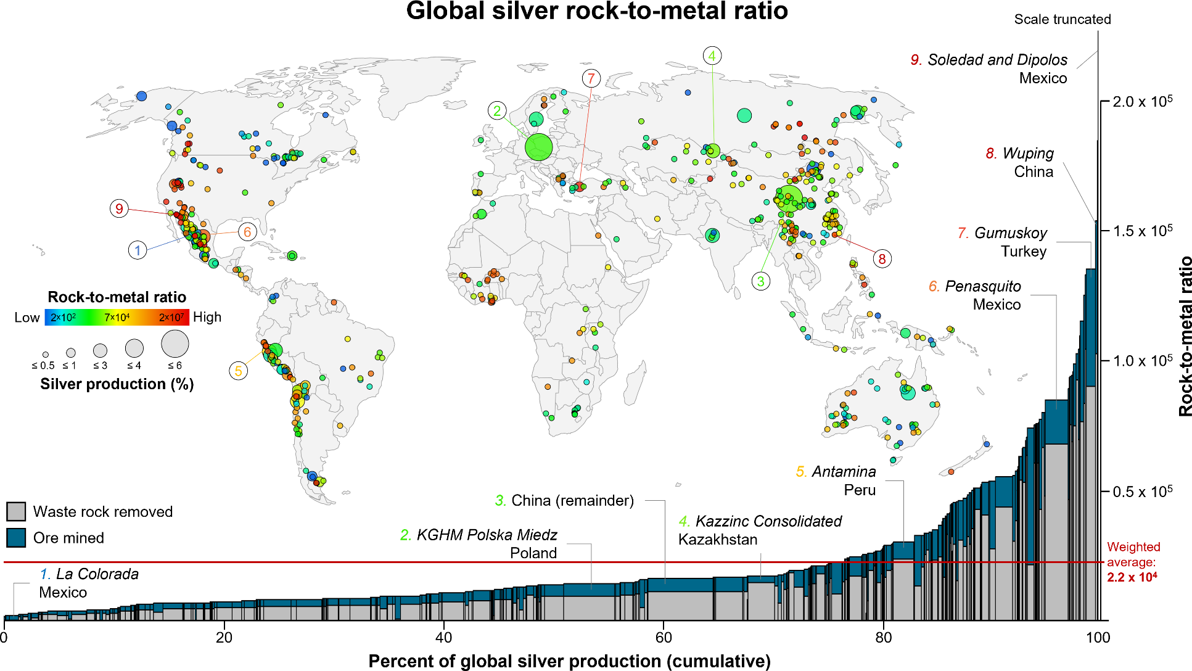
Figure S21. Map of the global distribution of tantalum operations and bar plot of cumulative share of total global tantalum production. Each individual operation is plotted as a single circle on the map and single bar on the plot. The colors of the circles indicate individual rock-to-metal ratios (RMRs), which range from a low of 2.1 × 103 to a high of 8.3 × 104 and yield a global RMR of 8.9 × 103 (n = 14). The sizes of the circles are proportional to an operation’s share (in percent) of total global tantalum production, which range from a low of 0.14% to a high of 35% for a total global coverage of 100% of 2018 global tantalum production revised from that reported by the U.S. Geological Survey.16 Operations are ordered from lowest to highest RMR on the bar plot.
 | 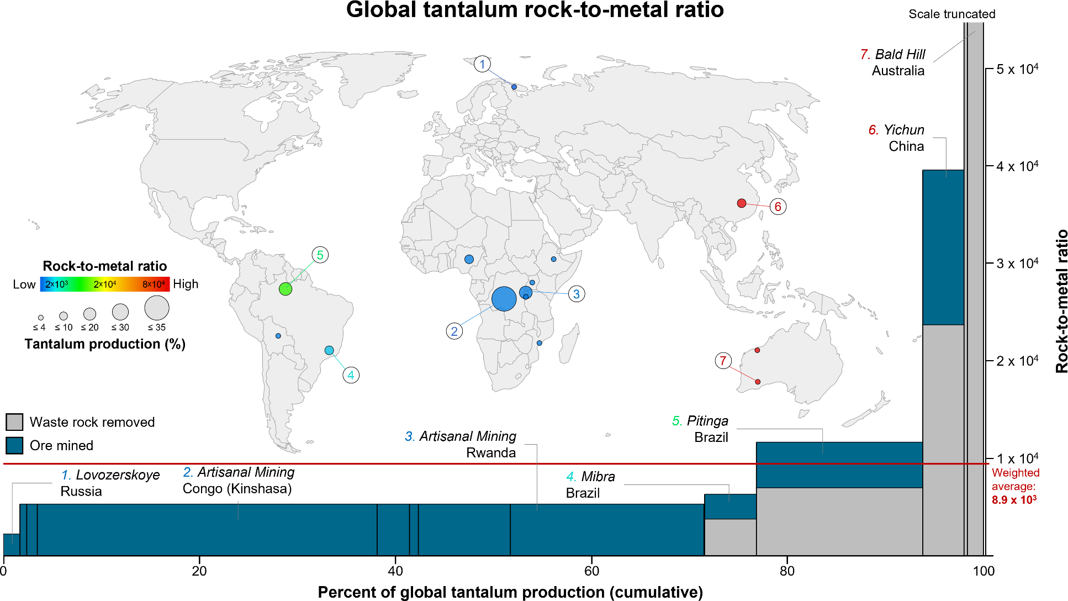
Figure S22. Map of the global distribution of tin operations and bar plot of cumulative share of total global tin production. Each individual operation is plotted as a single circle on the map and single bar on the plot. The colors of the circles indicate individual rock-to-metal ratios (RMRs), which range from a low of 46 to a high of 7.6 × 103 and yield a global RMR of 2.2 × 103 (n = 43). The sizes of the circles are proportional to an operation’s share (in percent) of total global tin production, which range from a low of 0.001% to a high of 26% for a total global coverage of 100% of 2018 global tin production revised from that reported by the U.S. Geological Survey.16 Operations are ordered from lowest to highest RMR on the bar plot.
 | 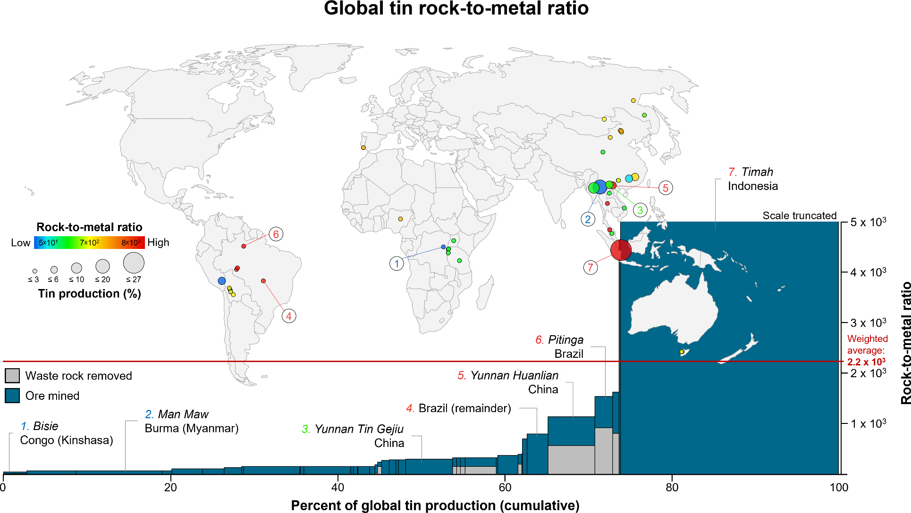
Figure S23. Map of the global distribution of titanium operations and bar plot of cumulative share of total global titanium production. Each individual operation is plotted as a single circle on the map and single bar on the plot. The colors of the circles indicate individual rock-to-metal ratios (RMRs), which range from a low of 5.5 to a high of 3.0 × 102 and yield a global RMR of 9.9 × 101 (n = 35). The sizes of the circles are proportional to an operation’s share (in percent) of total global titanium production, which range from a low of 0.049% to a high of 15% for a total global coverage of 90% of 2018 global titanium production reported by the U.S. Geological Survey.16 Operations are ordered from lowest to highest RMR on the bar plot.
 | 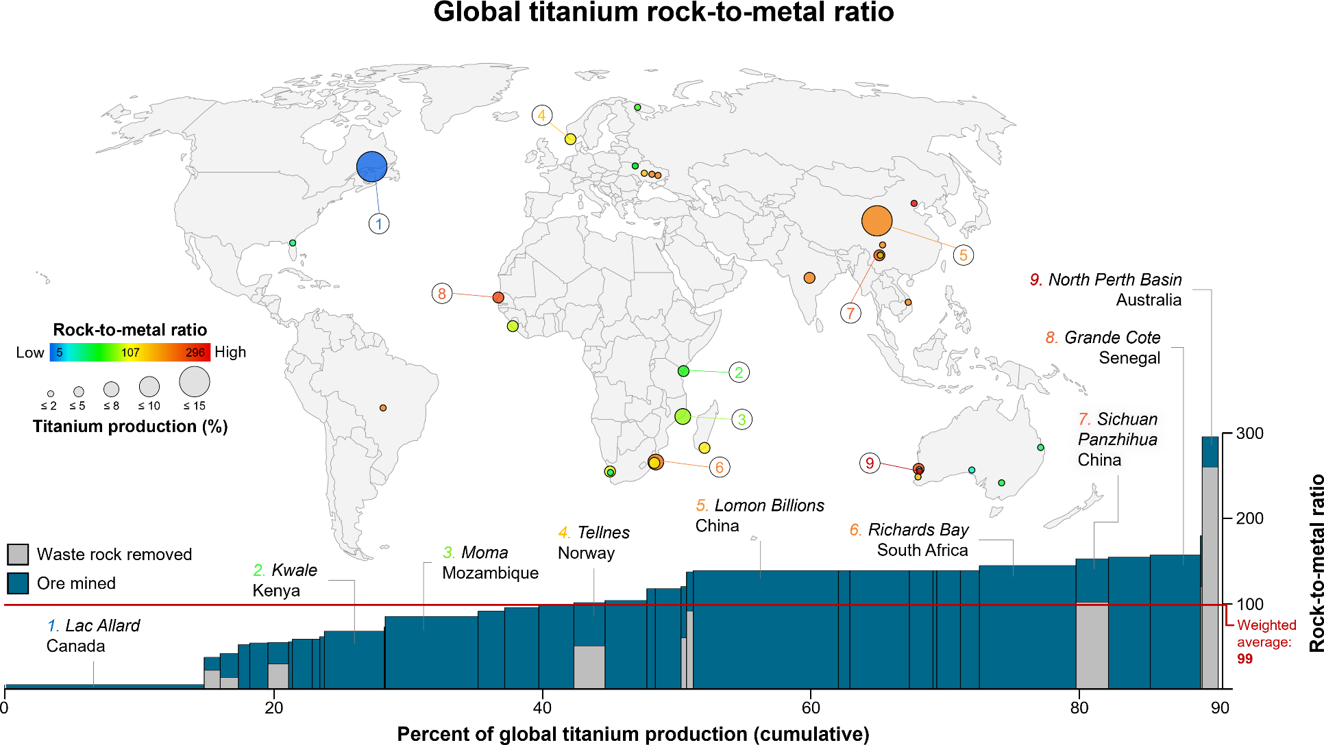
Figure S24. Map of the global distribution of tungsten operations and bar plot of cumulative share of total global tungsten production. Each individual operation is plotted as a single circle on the map and single bar on the plot. The colors of the circles indicate individual rock-to-metal ratios (RMRs), which range from a low of 9.3 × 101 to a high of 3.7 × 103 and yield a global RMR of 1.1 × 103 (n = 64). The sizes of the circles are proportional to an operation’s share (in percent) of total global tungsten production, which range from a low of 0.025% to a high of 14% for a total global coverage of 99% of 2018 global tungsten production reported by the U.S. Geological Survey.16 Operations are ordered from lowest to highest RMR on the bar plot.
 | 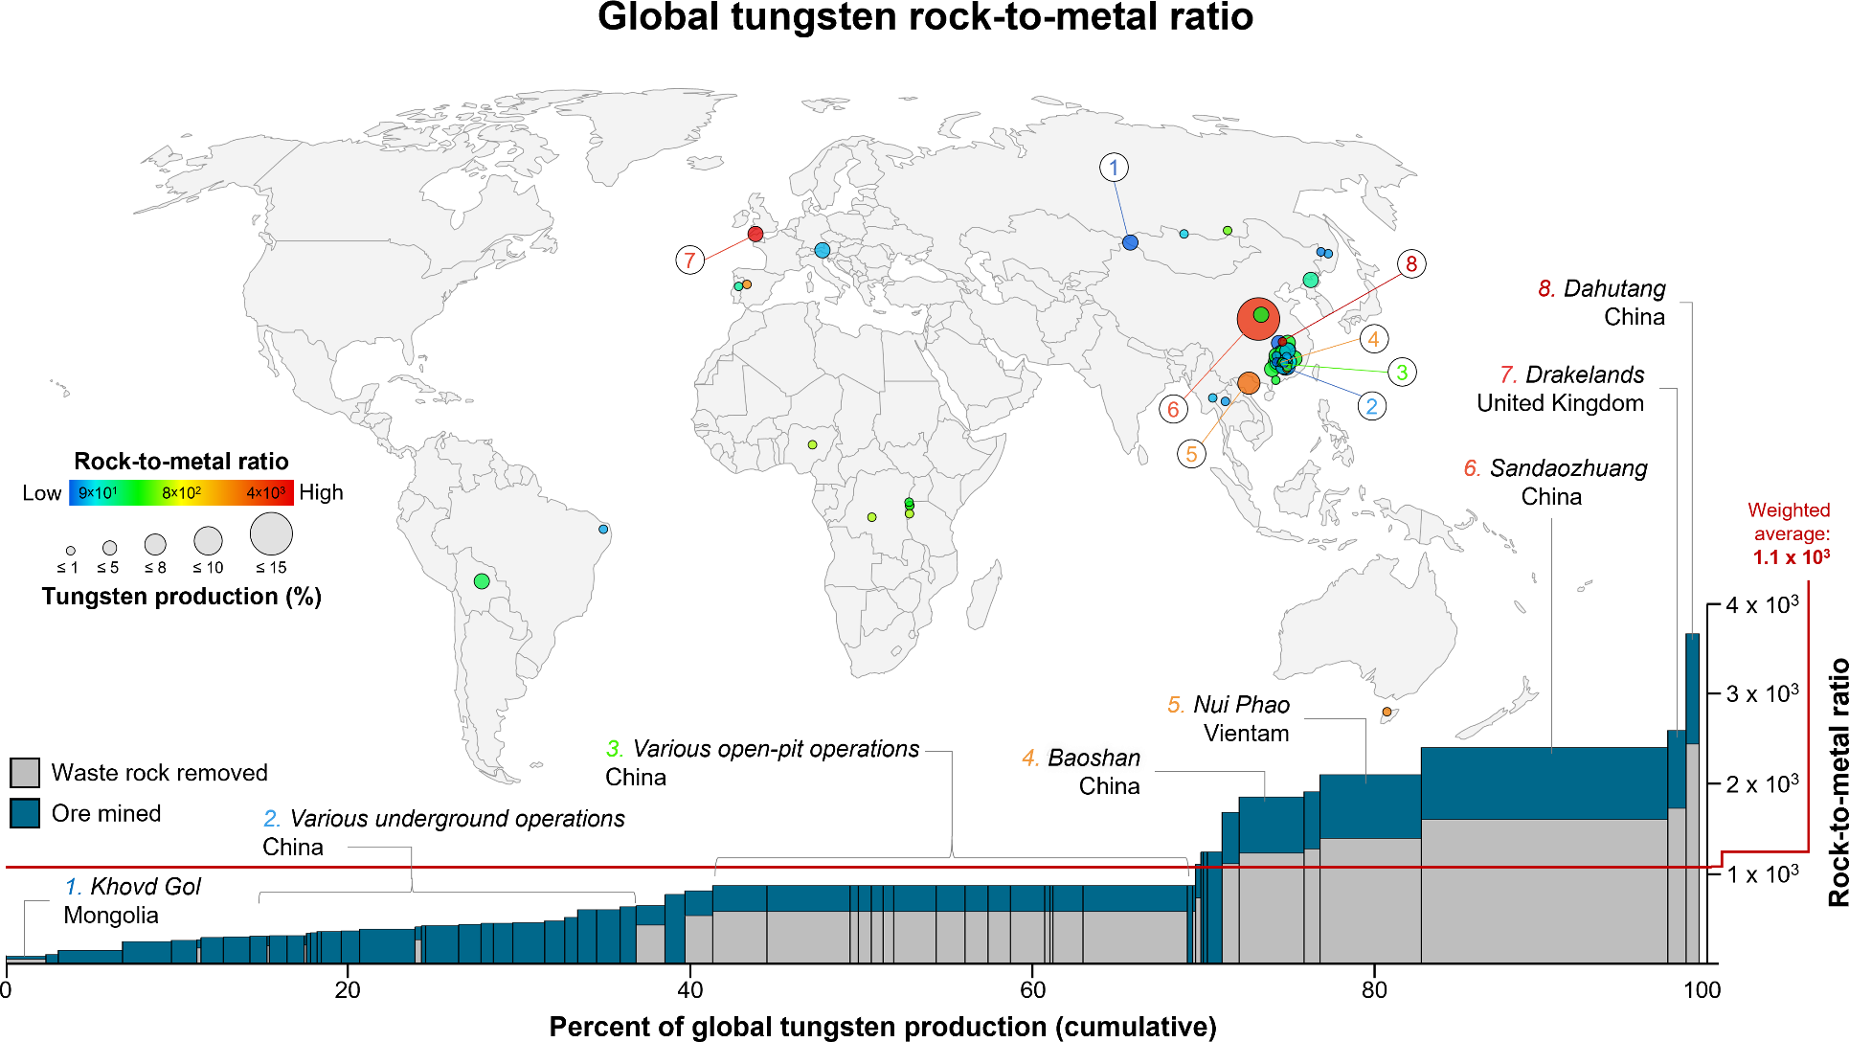
Figure S25. Map of the global distribution of vanadium operations and bar plot of cumulative share of total global vanadium production. Each individual operation is plotted as a single circle on the map and single bar on the plot. The colors of the circles indicate individual rock-to-metal ratios (RMRs), which range from a low of 7.5 × 102 to a high of 2.6 × 103 and yield a global RMR of 1.3 × 103 (n = 9). The sizes of the circles are proportional to an operation’s share (in percent) of total global vanadium production, which range from a low of 2.7 % to a high of 43% for a total global coverage of 99% of 2018 global vanadium production reported by the U.S. Geological Survey.16 Operations are ordered from lowest to highest RMR on the bar plot.
 | 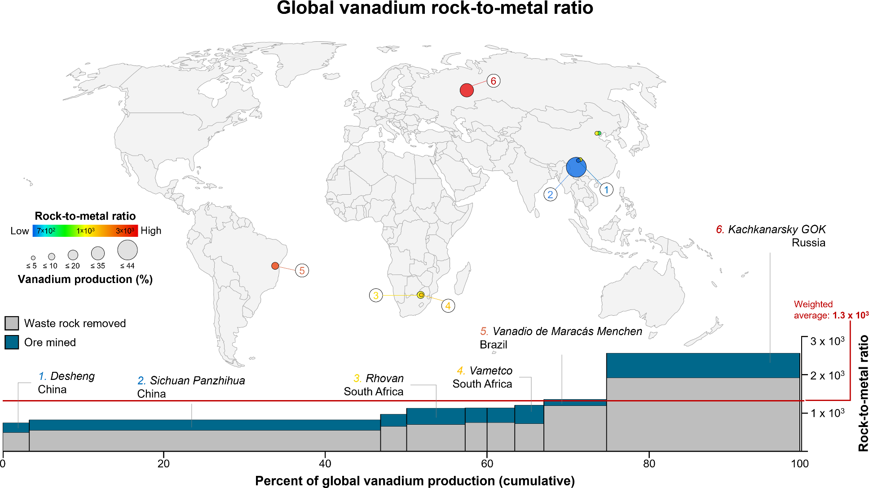
Figure S26. Map of the global distribution of zinc operations and bar plot of cumulative share of total global zinc production. Each individual operation is plotted as a single circle on the map and single bar on the plot. The colors of the circles indicate individual rock-to-metal ratios (RMRs), which range from a low of 1.1 × 101 to a high of 4.3 × 102 and yield a global RMR of 7.1 × 102 (n = 284). The sizes of the circles are proportional to an operation’s share (in percent) of total global zinc production, which range from a low of <0.001% to a high of 4.7% for a total global coverage of 78% of 2018 global zinc production reported by the U.S. Geological Survey.16 Operations are ordered from lowest to highest RMR on the bar plot.
 | 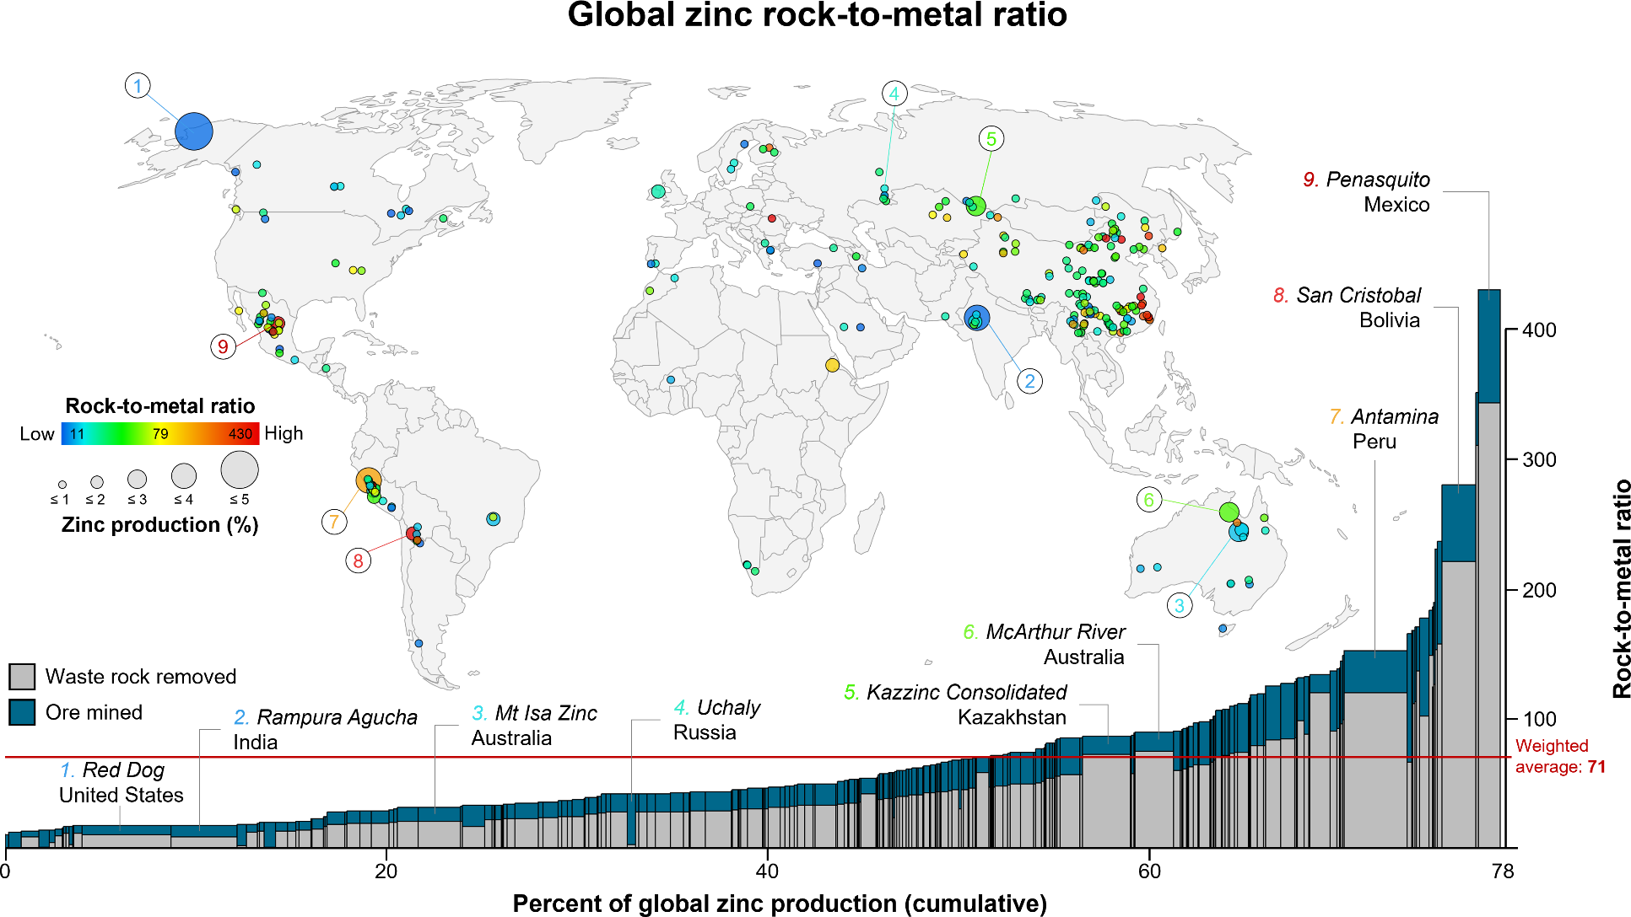
Figure S27. Map of the global distribution of zirconium operations and bar plot of cumulative share of total global zirconium production. Each individual operation is plotted as a single circle on the map and single bar on the plot. The colors of the circles indicate individual rock-to-metal ratios (RMRs), which range from a low of 1.0 × 102 to a high of 5.8 × 102 and yield a global RMR of 2.8 × 102 (n = 19). The sizes of the circles are proportional to an operation’s share (in percent) of total global zirconium production, which range from a low of 0.007% to a high of 21% for a total global coverage of 97% of 2018 global zirconium production reported by the U.S. Geological Survey.16 Operations are ordered from lowest to highest RMR on the bar plot.
10⁸
10⁷
Iridium
10⁶
10⁵
10⁴
Tungsten
10³
10²
10¹
10⁰
Revenue share
0-25%
25-50%
50-75%
75- 100%
Nickel
Chromium _{Silicon}
₁₀-9 ₁₀-8 ₁₀-7 ₁₀-6 ₁₀-5 ₁₀-4 ₁₀-3 ₁₀-2 ₁₀-1 ₁₀-0
 | 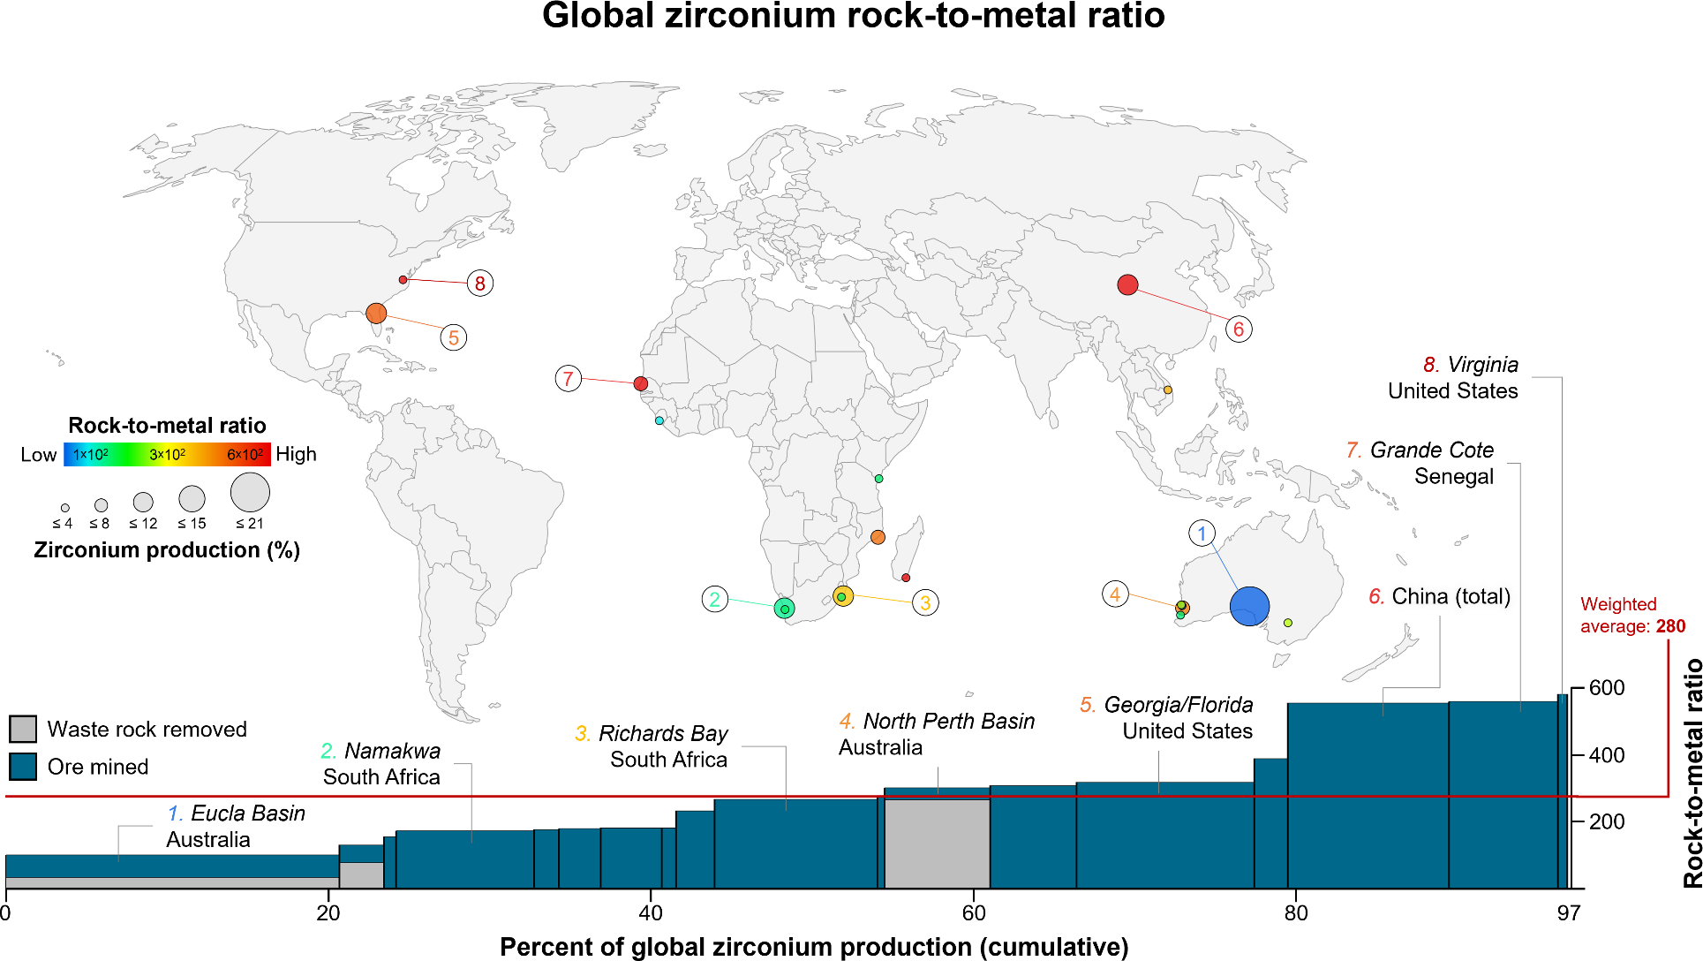
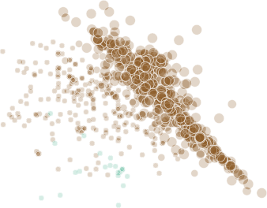
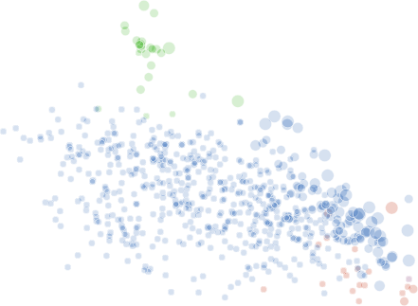
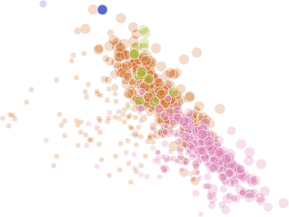
10⁸
Gold
10⁷
10⁶
10⁵
Ruthenium
10⁴
10³
Molybdenum
10²
10¹
Revenue share
0-25%
25-50%
50-75%
75- 100%
Titanium
Aluminum
10⁰
₁₀-9
₁₀-8
₁₀-7
₁₀-6
₁₀-5
₁₀-4
₁₀-3
₁₀-2
₁₀-1
₁₀-0
10⁸
10⁷
10⁶
Palladium
10⁵
10⁴
Silver
Vanadium
10³
10²
10¹
Revenue share
0-25%
25-50%
50-75%
75- 100%
Cobalt
10⁰
₁₀-9
₁₀-8
₁₀-7
₁₀-6
₁₀-5
₁₀-4
₁₀-3
Iron
₁₀-2 ₁₀-1
₁₀-0
10⁸
10⁷
Platinum
10⁶
10⁵
10⁴
Tantalum
Lithium
10³
10²
10¹
Revenue share
0-25%
25-50%
50-75%
75- 100%
Copper
Zinc
10⁰
₁₀-9
₁₀-8
₁₀-7
₁₀-6
₁₀-5
₁₀-4
₁₀-3
₁₀-2
₁₀-1
₁₀-0
10⁸
10⁷
10⁶
Rhodium
10⁵
10⁴
Tin
10³
Gallium
10²
10¹
10⁰
Revenue share
0-25%
25-50%
50-75%
75- 100%
Zirconium
Magnesium
₁₀-9 ₁₀-8 ₁₀-7 ₁₀-6 ₁₀-5 ₁₀-4 ₁₀-3 ₁₀-2 ₁₀-1 ₁₀-0
Ore grade
Figure S28. Rock-to-metal ratio (vertical axis) versus ore grade (horizontal axis) for aluminum, gold, molybdenum, ruthenium, and titanium by individual operation. Axes are on a log10-log10 scale. Colors correspond to different commodities. Marker size corresponds to revenue share (economic allocation) attributable to the mineral commodity at the specific operation.
Ore grade
Figure S29. Rock-to-metal ratio (vertical axis) versus ore grade (horizontal axis) chromium, iridium, nickel, silicon, and tungsten by individual operation. Axes are on a log10-log10 scale. Colors correspond to different commodities. Marker size corresponds to revenue share (economic allocation) attributable to the mineral commodity at the specific operation.
Ore grade
Figure S30. Rock-to-metal ratio (vertical axis) versus ore grade (horizontal axis) cobalt, iron, palladium, silver, and vanadium by individual operation. Axes are on a log10-log10 scale. Colors correspond to different commodities. Marker size corresponds to revenue share (economic allocation) attributable to the mineral commodity at the specific operation.
Ore grade
Figure S31. Rock-to-metal ratio (vertical axis) versus ore grade (horizontal axis) copper, lithium, platinum, tantalum, and zinc by individual operation. Axes are on a log10-log10 scale. Colors correspond to different commodities. Marker size corresponds to revenue share (economic allocation) attributable to the mineral commodity at the specific operation.
Ore grade
Figure S32. Rock-to-metal ratio (vertical axis) versus ore grade (horizontal axis) gallium, magnesium, rhodium, tin, and zirconium by individual operation. Axes are on a log10-log10 scale. Colors correspond to different commodities. Marker size corresponds to revenue share (economic allocation) attributable to the mineral commodity at the specific operation.

