Pedigree scores
skip

Pedigree matrix - only for processes assessed in this study

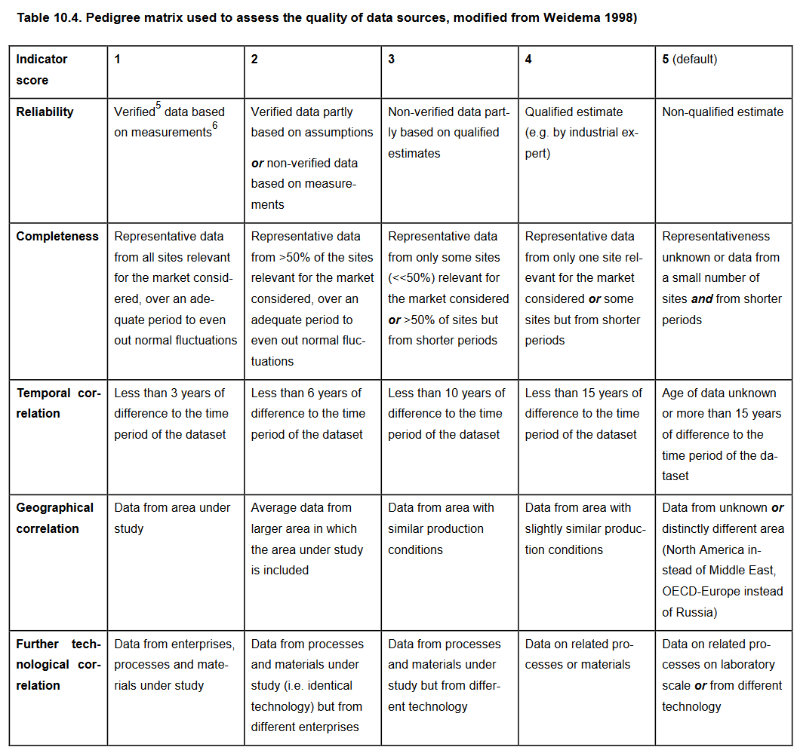
commodity | process |  | Reliability | Completness | Temporal correlation | Geographical correlation | Further technological correlation
Lithium - Brine | lithium hydroxide production | Score | 1 | 4 | 3 | 1 | 1
 |  | Comment | Data in Kelly et al. (2021) is primary data for Salar de Atacama | Data in Kelly et al. (2021) is primary data for Salar de Atacama | Data source mentioned year 2018 as data collection period | Data in Kelly et al. (2021) is primary data for Salar de Atacama | Data in Kelly et al. (2021) is primary data for Salar de Atacama
Lithium - Spodumene | lithium hydroxide production | Score | 1 | 4 | 3 | 1 | 1
 |  | Comment | LCI data was obtained from "a cathode plant environmental impact assessment report produced by the Tianqi Lithium Corporation, a major cathode producer in China" | The LCI data is from a specific cathode plant in China | The report used as data source is from 2017. We therefore assume that the LCI dataset corresponds to year 2017, resulting a differnce of 7 years to 2024 | The LCI data is from a specific cathode plant in China | The LCI data is from a specific cathode plant in China
 | lithium carbonate production | Score | 1 | 4 | 3 | 1 | 1
 |  | Comment | LCI data was obtained from "a cathode plant environmental impact assessment report produced by the Tianqi Lithium Corporation, a major cathode producer in China" | The LCI data is from a specific cathode plant in China | The report used as data source is from 2017. We therefore assume that the LCI dataset corresponds to year 2017, resulting a differnce of 7 years to 2024 | The LCI data is from a specific cathode plant in China | The LCI data is from a specific cathode plant in China
 | spodumene concentrate production | Score | 4 | 3 | 4 | 3 | 5
 |  | Comment | Same score as in the original LCI dataset | Same score as in the original LCI dataset | Same score as in the original LCI dataset | Same score as in the original LCI dataset | Same score as in the original LCI dataset
Cobalt | copper-cobalt mining, industrial | Score | 2: diesel and minerals 4: water consumption and PM emissions | 4 | 4: diesel and minerals 5: water consumption and PM emissions | 1: diesel and minerals 5: water consumption and PM emissions | 1: diesel and minerals 4: water consumption and PM emissions
 |  | Comment | Data in Dai et al. (2018) is from the TFM mine the DRC, with some assumptions about diesel consumption by the fleet. Water consumption and diesel estimated from literature data | Data in Dai et al. (2018) is mainly from the TFM mine the DRC | Diesel data is from a technical report from 2014, and water consumption and PM emissions from reports from 2006 and 2007 | Diesel consumption data is for the TFM mine. Water consumption and PM emissions are average | Diesel consumption data is for the TFM mine. Water consumption and PM emissions are average
 | cobalt hydroxide, hydrometallurigcal procesing of copper-cobalt ore, economic allocation | Score | 1: elec, sulfur, input ore 4: water, lime, limestone, magnesium oxide, sodium hydroxide, SO2 emissions | 4 | 4: elec, sulfur, input ore 5: water, lime, limestone, magnesium oxide, sodium hydroxide, SO2 emissions | 1: elec, sulfur, input ore 5: water, lime, limestone, magnesium oxide, sodium hydroxide, SO2 emissions | 1: elec, sulfur, input ore 4: water, lime, limestone, magnesium oxide, sodium hydroxide, SO2 emissions
 |  | Comment | Data in Dai et al. (2018) is for the TFM mine the DRC. Electricity and sulfur consumption is primary data. Consumption of other resources and SO2 emissions were estimated from literature data adjsuted for plant capacity | Data in Dai et al. (2018) is from the TFM mine the DRC | Electricity and sulfur data is from a technical report from 2014. Consumption of other resources and SO2 emissions were estimated from a report from 2007 adjsuted for plant capacity | Electricity and sulfur consumption data is for the TFM mine. Consumption of other resources and SO2 emissions were estimated from literature data adjsuted for plant capacity | Electricity and sulfur consumption data is for the TFM mine. Consumption of other resources and SO2 emissions were estimated from literature data adjsuted for plant capacity
 | cobalt sulfate production, from copper-cobalt ore, economic allocation | Score | 2 | 4 | 3 | 1 | 1
 |  | Comment | LCI data estimated from a technical report for the Tongxiang plant of Huayou Cobalt in China | LCI data estimated from a technical report for the Tongxiang plant of Huayou Cobalt in China | Dai et al. (2016) refer to year 2016 for plant data | LCI data estimated from a technical report for the Tongxiang plant of Huayou Cobalt in China | LCI data estimated from a technical report for the Tongxiang plant of Huayou Cobalt in China
Nickel | All processes | Score | 2 | 3 | 3 | 1 | 1
 |  | Comment | "As the majority of the relevant foreground data are measured data or calculated based on primary information sources of the owner of the technology, precision is considered to be high" | LCI data accounting for 15% of the global production of nickel sulfate hexahydrate | "All primary data were collected for the year 2017" | "All primary and secondary data were collected specific to the countries or regions under study" | "All primary and secondary data were modelled to be specific to the technologies or technology mixes under study."
Graphite synthetic | calcined petroleum coke production | Score | 1 | 4 | 2 | 5 | 1
 |  | Comment | Primary data for the plant under study (Edwards et al., 2020) | The LCI data is for a coke calciner at Visakhapatnam (“Vizag”) in India | Data collected in 2019 (Edwards et al., 2020) | The LCI data represents a production plant in India. In this study, the location is China | The LCI data is for a coke calciner at Visakhapatnam (“Vizag”) in India
 | calcined coke milling | Score | 1: electricity & heat 4: input coke | 3 | 2 | 5 | 1
 |  | Comment | LCI data partially based on Tokai Carbon Group industrial production records from 2019 and experience (Carrère et al., 2024) Electricity and thermal energy is based on production data (reliability score of 1) Input coke is calculated from production data combined with expert estimate. A reliability score of 2 is assigned. | LCI data partially based on Tokai Carbon Group industrial production records from 2019 and experience (Carrère et al., 2024) | LCI data partially based on Tokai Carbon Group industrial production records from 2019 and experience (Carrère et al., 2024) | Unknown area for the modelled production processes. In this study, production is assumed in China | LCI data partially based on Tokai Carbon Group industrial production records from 2019 and experience (Carrère et al., 2024)
 | synthetic graphite block production | Score | 3 | 5 | 1: electricity 5: input coke and pitch 4: emissions | 5 | 2
 |  | Comment | LCI data from Handbooks and literature | Unknown represenativness as a typical process is modelled | Data used in the original LCI dataset are from references from 2021 for electricity consumption, from 1999 for process yield, from 2010 for process efficiency, and from 2012 for emissions | Geographical location not reported in the original data sources | Modelled technology represents standard technology for synthetic graphite production
 | graphitization of calcined coke powder | Score | 1: electricity 2: input coke and packging media, crucibles, CO2 emissions | 3 | 2 | 5 | 1
 |  | Comment | LCI data partially based on Tokai Carbon Group industrial production records from 2019 and experience (Carrère et al., 2024). Electricity consumption is based on production data (reliability score of 1). Input of coke, packging media, and crucibles is based on production data combined with expert assumption. CO2 emissions are calculated based on stoiochiometry. A reliability score of 2 is assigned. | LCI data partially based on Tokai Carbon Group industrial production records from 2019 and experience (Carrère et al., 2024). Data assumed to be representative for some sites (score 3) | LCI data partially based on Tokai Carbon Group industrial production records from 2019 and experience (Carrère et al., 2024) | Unknown area for the modelled production processes. In this study, production is assumed in China | LCI data partially based on Tokai Carbon Group industrial production records from 2019 and experience (Carrère et al., 2024)
 | micronization of graphite powder | Score | 1: thermal energy, input graphite powder 2: elec | 3 | 2 | 5 | 1
 |  | Comment | LCI data partially based on Tokai Carbon Group industrial production records from 2019 and experience (Carrère et al., 2024). Thermal energy and graphite powder is based on production data (score 1), while electricity is partially based on production data combined with expert assumption (score 2) | LCI data partially based on Tokai Carbon Group industrial production records from 2019 and experience (Carrère et al., 2024). Data assumed to be representative for some sites (score 3) | LCI data partially based on Tokai Carbon Group industrial production records from 2019 and experience (Carrère et al., 2024) | Unknown area for the modelled production processes. In this study, production is assumed in China | LCI data partially based on Tokai Carbon Group industrial production records from 2019 and experience (Carrère et al., 2024)
 | graphite powder coating | Score | 1: thermal energy, pitch, packaging 2: electricity, CO2 emissions, process yield | 3 | 2 | 5 | 1
 |  | Comment | LCI data partially based on Tokai Carbon Group industrial production records from 2019 and experience (Carrère et al., 2024). Amounts of thermal energy, pitch, and packaging are based on production data. A reliability score of 1 was assumed. Electricity consumption is partially based on production data combined with expert assumption. CO2 emissions are calculated based on stoiochiometry. Similarly, process yield is estimated from production data (input and output). Therefore, a reliability score of 2 was assigned to electricity, CO2 emissions, and process yield | LCI data partially based on Tokai Carbon Group industrial production records from 2019 and experience (Carrère et al., 2024). Data assumed to be representative for some sites (score 3) | LCI data partially based on Tokai Carbon Group industrial production records from 2019 and experience (Carrère et al., 2024) | Unknown area for the modelled production processes. In this study, production is assumed in China | LCI data partially based on Tokai Carbon Group industrial production records from 2019 and experience (Carrère et al., 2024)

