cobalt
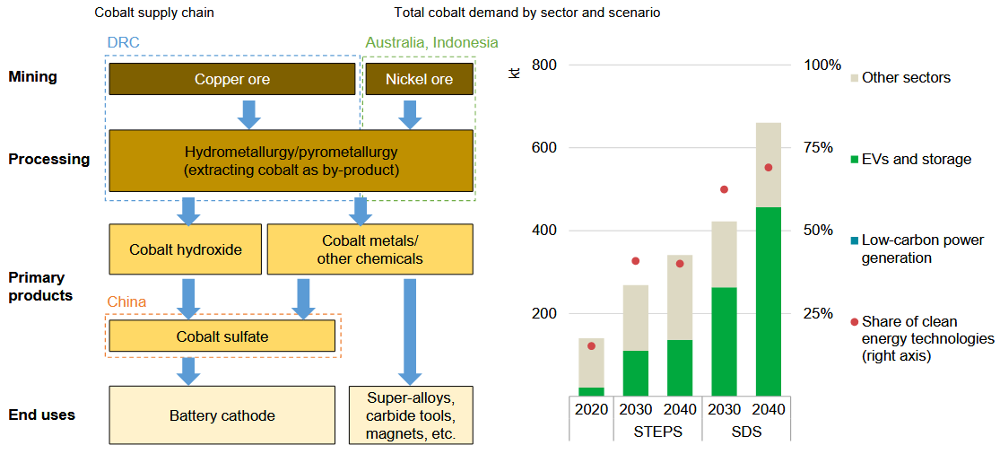
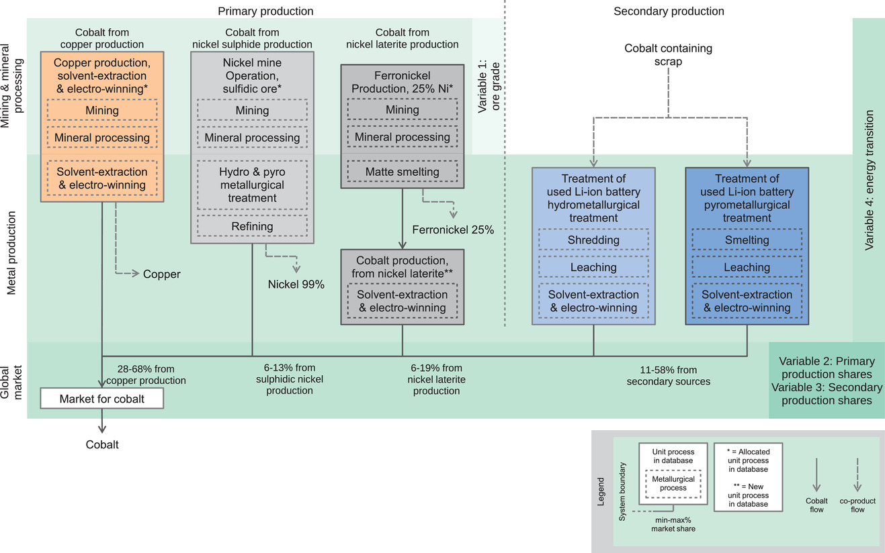

copper
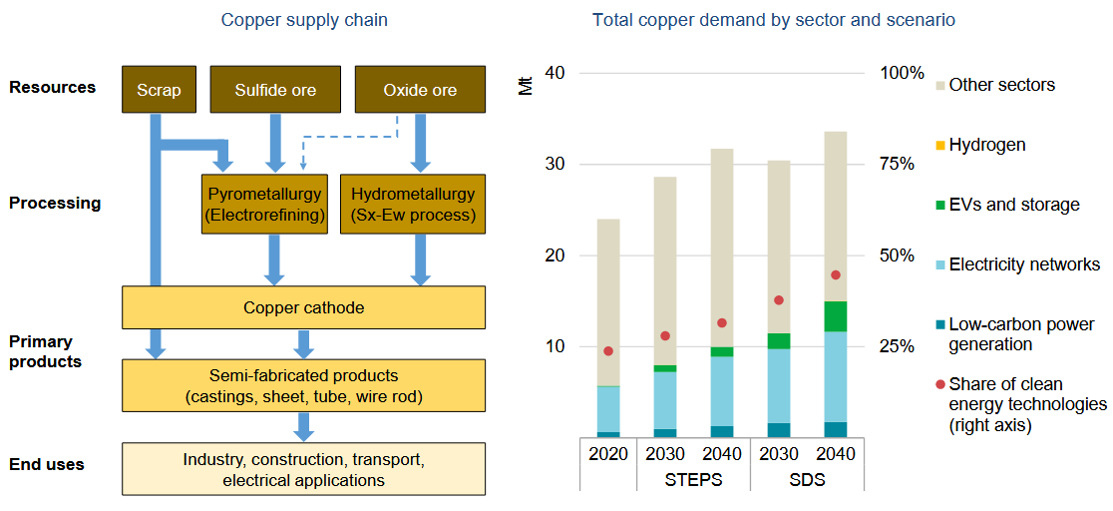
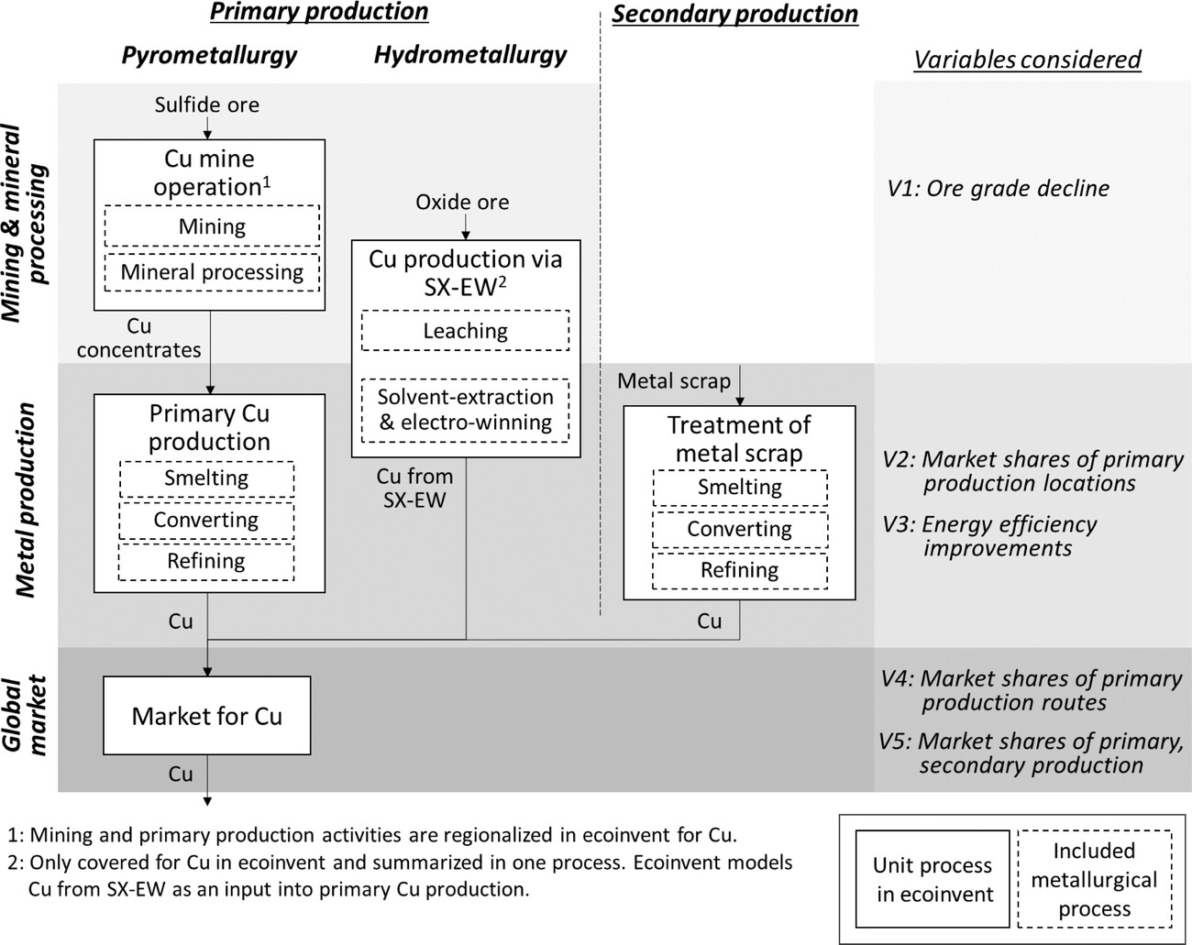

lithium
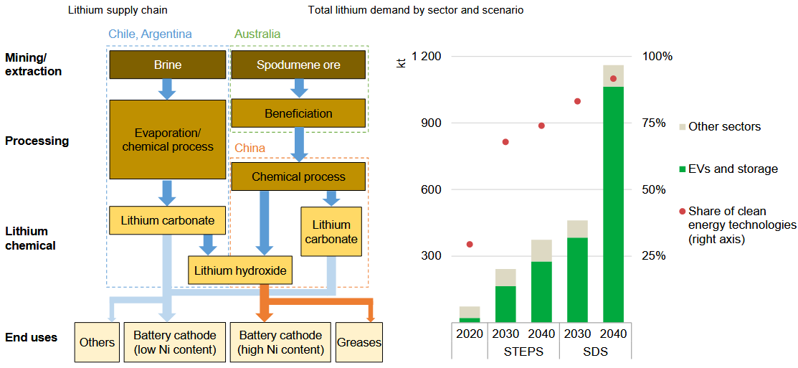
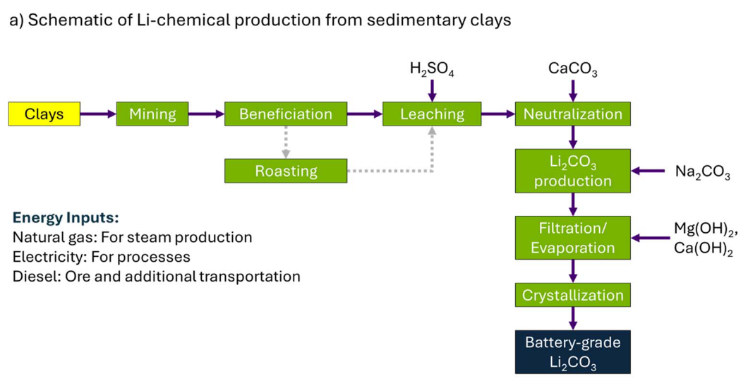

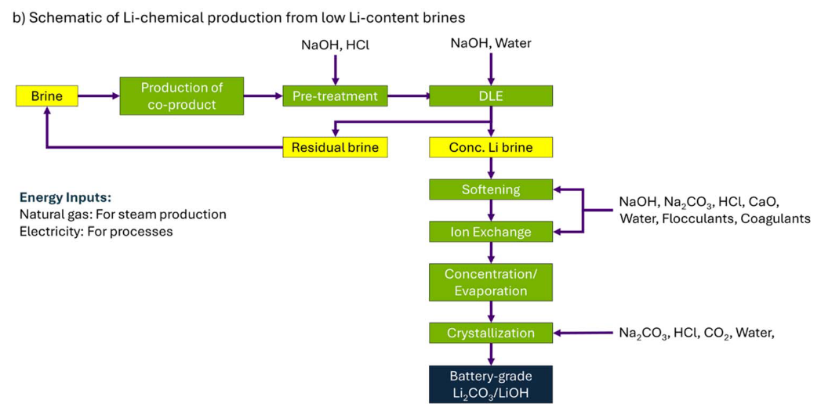
2 market activites created from these LCIs, with assumed transport to China:
Market for lithium carbonate, battery grade
Market for lithium hydroxide, battery grade

5 LCI from Schenker et al (2022):
lithium carbonate production, from Salar de Atacama
lithium carbonate production, from Salar de Olaroz
lithium carbonate production, from Salar de Cauchari-Olaroz
lithium carbonate production, from Salar del Hombre Muerto
lithium carbonate production, from Chaerhan salt lake

4 LCI from Kelly et al (2021):
lithium hydroxide production, Salar de Atacama
lithium hydroxide production, from Australian spodumene
lithium carbonate production, from Australian spodumene
lithium hydroxide production, battery grade

nickel
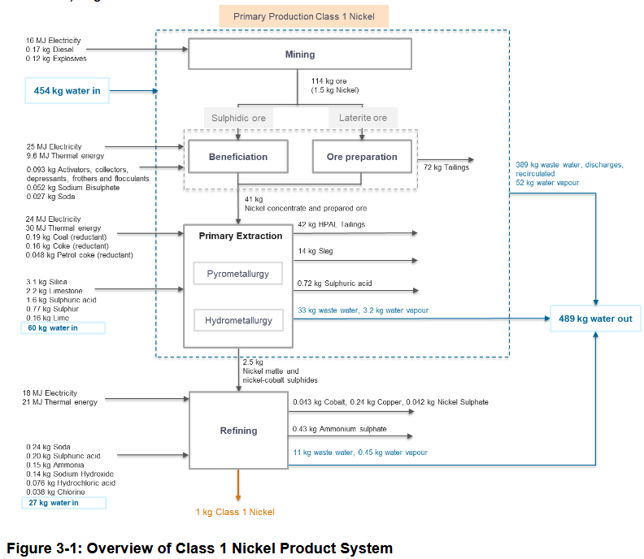
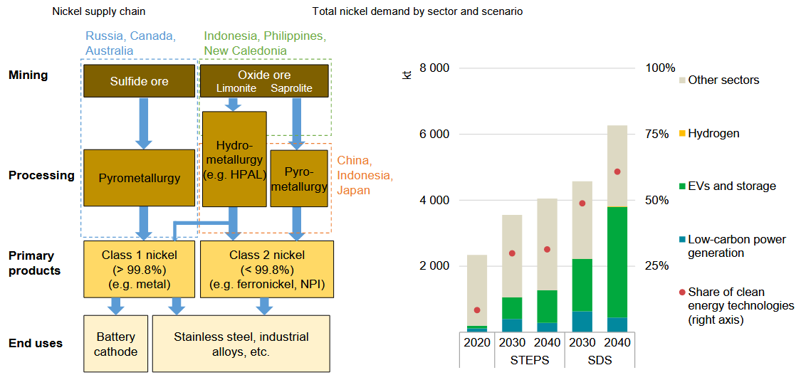
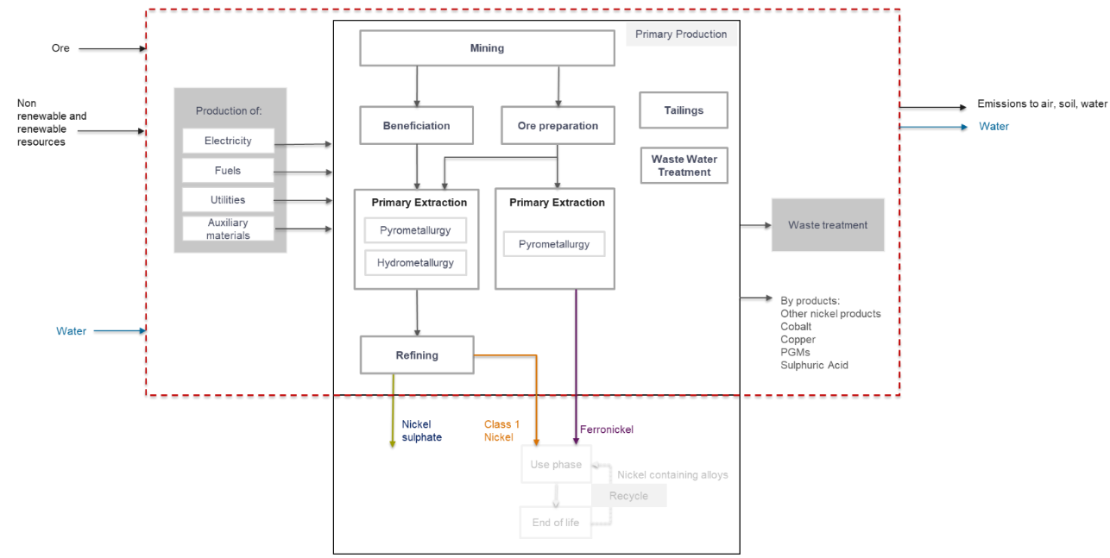

LCI from Nickel Institute:
• 1 kg of Class 1 nickel (>99.8%)
• 1 kg nickel in ferronickel (with a reference flow of 3.7 kg ferronickel based on 27% nickel content)
• 1 kg of nickel sulphate hexahydrate (nickel sulphate) (22% nickel content)

rees
