S11-Model flow Diagram
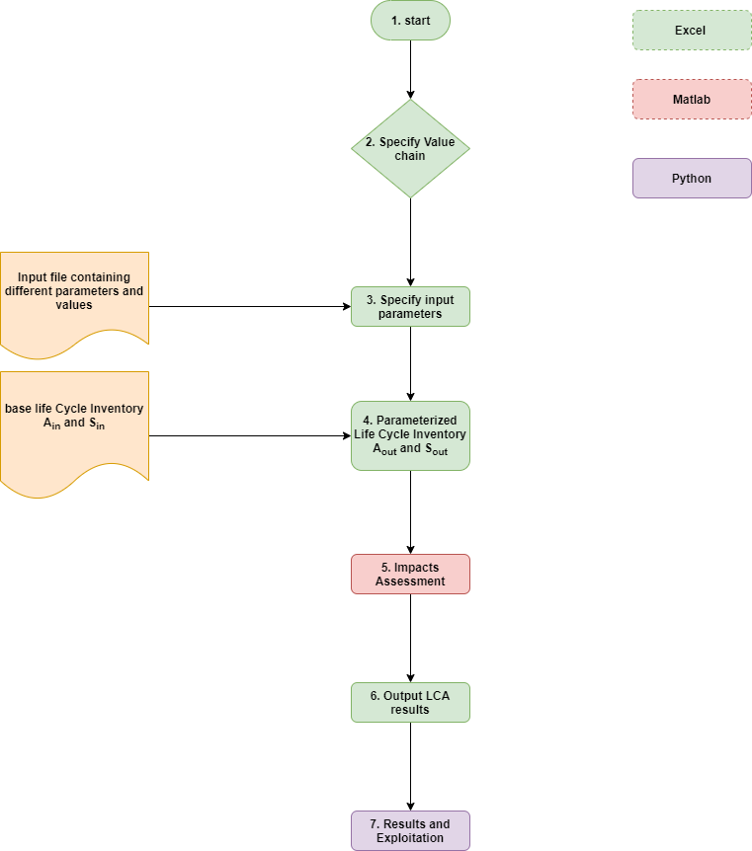
MODEL FLOW DIAGRAM

S12-Parameterization
$$A_{in} with common element a_{ij_in}$$
1. Parameterisation of Technology Matrix A and Stressor Matrix S
Base requirement matrix

$$S_{in} with common element s_{jk_in}$$
Base Stressors

$$\left\{P\right\}=P_{u}; u=1:n$$
$$\left\{C\right\}=C_{v};v=1:m$$
$$Φ=ψ_{vu}$$
Input Parameters
Cases |  |  |  |  |  |  | m is the number of distinct LCA simulations
Matrix of Cases and Paramaters |  |  |  |  | Matrix with elements formed between the vth case and the uth Parameter
$$H_{Γ}=\left\{\begin{aligned}1 if the the parameter Pu affects the inventory element aij_in \\ 0 otherwise\end{aligned}\right.$$
Correspondance Matrix

$f_{π}(aij,ψ_{vu}$)
Parametric Function |  |  |  | f is a function which links inventory to input parameters

$$A_{out}=f_{π}(a_{ij_in},ψ_{vu} Θ H_{Γ})$$
Output Inventory |  |  |  |  |  | where Θ is the Hadarmard Product

$$S_{out}=f_{π}(s_{jk_in},ψ_{vu} Θ Η_{Γ})$$
Output stressor

$$ψ_{vu}$$
$$H_{Γ}$$
2. Demonstration for the technnology matrix A

$$a_{ij_in}$$
Base Inventory |  |  |  |  |  |  |  |  |  |  |  |  | Input Parameters(levers) |  |  |  |  |  |  |  |  |  |  | Input Parameters Filter Matrix
 |  |  |  |  |  |  |  |  |  |  |  |  | P1 | P2 | P3 | P4 | P5 | P6 | … | Pn-1 | Pn |  |  | P1 | P2 | P3 | P4 | P5 | P6 | … | Pn-1 | Pn
A_in | Process 1 | a11 | a12 | a13 | a14 | a15 | a16 | … | … | a1j | Cases | case 1 | P11 | P12 | P13 | P14 | P15 | P16 |  |  | P1n | A_in | Process 1 | 1 | 0 | 0 | 0 | 1 | 0 | … | 0 | 1
 | Process 2 | a21 | a22 | a23 | a24 | a25 | a26 | … | … | a2j |  | case 2 | P21 | P22 | P23 | P24 | P25 | P26 |  |  | P2n |  | Process 2 | 1 | 0 | 1 | 0 | 0 | 1 | … | 0 | 1
 | Process 3 | a31 | a32 | a33 | a34 | a35 | a36 | … | … | a3j |  | case 3 | P31 | P32 | P33 | P34 | P35 | P36 |  |  | P3n |  | Process 3 | 1 | 1 | 1 | 1 | 1 | 0 | … | 0 | 1
 | … | … | … | … | … | … | … | … | … | … |  | … | … | … | … | … | … | … | … | … | … |  | … | … | … | … | … | … | … | … | … | …
 | … | … | … | … | … | … | … | … | … | … |  | … | … | … | … | … | … | … | … | … | … |  | … | … | … | … | … | … | … | … | … | …
 | Process i-1 | … | … | … | … | … | … | … | … | … |  | … | … | … | … | … | … | … | … | … | … |  | Process i-1 | … | … | … | … | … | … | … | … | …
 | Process i | ai1 | ai2 | ai3 | ai4 | ai5 | ai6 | … | … | aij |  | case m | Pm1 | Pm2 | Pm3 | Pm4 | Pm5 | Pm6 |  |  | Pmn |  | Process i | 1 | 0 | 0 | 0 | 0 | 0 | … | .. | 1

$$a_{ij_out}$$
$$\left\{case 1 A_{out}\right.$$
Output
 |  |  |  | A_out case=1 |  | Process 1 |  | 𝑓𝜋 (a11,P11,P15,P1n) |  | 𝑓𝜋 (a12,P11,P15,P1n) | 𝑓𝜋(a13,P11,P15,P1n) |  | 𝑓𝜋(a14,P11,P15,P1n) |  | 𝑓𝜋 (a15,P11,P15,P1n) |  | 𝑓𝜋 (a16,P11,P15,P1n) |  | … |  | … | 𝑓𝜋 (a1j,P11,P15,P1n)
 |  |  |  |  |  | Process 2 |  | 𝑓𝜋 (a21,P11,P13,P16,P1n) |  | 𝑓𝜋 (a22,P11,P13,P16,P1n) | 𝑓𝜋 (a23,P11,P13,P16,P1n) |  | 𝑓𝜋(a24,P11,P13,P16,P1n) |  | 𝑓𝜋(a25,P11,P13,P16,P1n) |  | 𝑓𝜋(a26,P11,P13,P16,P1n) |  | … |  | … | 𝑓𝜋(a2j,P11,P13,P16,P1n)
 |  |  |  |  |  | Process 3 |  | 𝑓𝜋(a31,P11,P12,P13,P14,P15,P1n) |  | 𝑓𝜋(a32,P11,P12,P13,P14,P15,P1n) | 𝑓𝜋(a33,P11,P12,P13,P14,P15,P1n) |  | 𝑓𝜋(a34,P11,P12,P13,P14,P15,P1n) |  | 𝑓𝜋(a35,P11,P12,P13,P14,P15,P1n) |  | 𝑓𝜋(a36,P11,P12,P13,P14,P15,P1n) |  | … |  | … | 𝑓𝜋(a3j,P11,P12,P13,P14,P15,P1n)
 |  |  |  |  |  | … |  | …. |  | …. | …. |  | …. |  | …. |  | …. |  | …. |  | …. | ….
 |  |  |  |  |  | … |  | …. |  | …. | …. |  | …. |  | …. |  | …. |  | …. |  | …. | ….
 |  |  |  |  |  | Process i-1 |  | …. |  | …. | …. |  | …. |  | …. |  | …. |  | …. |  | …. | ….
 |  |  |  |  |  | Process i |  | 𝑓𝜋(ai1,P11,…P1n) |  | 𝑓𝜋(ai2,P11,…P1n) | 𝑓𝜋(ai3,P11,…P1n) |  | 𝑓𝜋(ai4,P11,…P1n) |  | 𝑓𝜋(ai5,P11,…P1n) |  | 𝑓𝜋(ai6,P11,…P1n) |  | …. |  | … | 𝑓𝜋(aij,P11,…P1n)
 |  |  |  | … |  | … |  | … |  | … | … |  | … |  | … |  | … |  | … |  | … | …
 |  |  |  | … |  | … |  | … |  | … | … |  | … |  | … |  | … |  | … |  | … | …
 |  |  |  | … |  | … |  | … |  | … | … |  | … |  | … |  | … |  | … |  | … | …
 |  |  |  | A_out case=m |  | Process 1 |  | 𝑓𝜋(a11,Pm1,Pm5,Pmn) |  | 𝑓𝜋(a12,Pm1,Pm5,Pmn) | 𝑓𝜋(a13,Pm1,Pm5,Pmn) |  | 𝑓𝜋(a14,Pm1,Pm5,Pmn) |  | 𝑓𝜋(a15,Pm1,Pm5,Pmn) |  | 𝑓𝜋(a16,Pm1,Pm5,Pmn) |  | ….. |  | …. | 𝑓𝜋(a1j,Pm1,Pm5,Pmn)
 |  |  |  |  |  | Process 2 |  | 𝑓𝜋 (a21,Pm1,Pm3,Pm6,Pmn) |  | 𝑓𝜋 (a22,Pm1,Pm3,Pm6,Pmn) | 𝑓𝜋 (a23,Pm1,Pm3,Pm6,Pmn) |  | 𝑓𝜋(a24,Pm1,Pm3,Pm6,P1n) |  | 𝑓𝜋(a25,Pm1,Pm3,Pm6,Pmn) |  | 𝑓𝜋(a26,Pm1,Pm3,Pm6,Pmn) |  | … |  | … | 𝑓𝜋(a2j,Pm1,Pm3,Pm6,Pmn)
$$\left\{case m A_{out}\right.$$
 |  |  |  |  |  | Process 3 |  | 𝑓𝜋(a31,Pm1,Pm2,Pm3,Pm4,Pm5,Pmn) |  | 𝑓𝜋(a32,Pm1,Pm2,Pm3,Pm4,Pm5,Pmn) | 𝑓𝜋(a33,Pm1,Pm2,Pm3,Pm4,Pm5,Pmn) |  | 𝑓𝜋(a34,Pm1,Pm2,Pm3,Pm4,Pm5,Pmn) |  | 𝑓𝜋(a35,Pm1,Pm2,Pm3,Pm4,Pm5,Pmn) |  | 𝑓𝜋(a36,Pm1,Pm2,Pm3,Pm4,Pm5,Pmn) |  | … |  | … | 𝑓𝜋(a3j,Pm1,Pm2,Pm3,Pm4,Pm5,Pmn)
 |  |  |  |  |  | … |  | …. |  | …. | …. |  | …. |  | …. |  | …. |  | …. |  | …. | ….
 |  |  |  |  |  | … |  | …. |  | …. | …. |  | …. |  | …. |  | …. |  | …. |  | …. | ….
 |  |  |  |  |  | Process i-1 |  | …. |  | …. | …. |  | …. |  | …. |  | …. |  | …. |  | …. | ….
 |  |  |  |  |  | Process i |  | 𝑓𝜋(ai1,Pm1,…Pmn) |  | 𝑓𝜋(ai2,Pm1,…Pmn) | 𝑓𝜋(ai3,Pm1,…Pmn) |  | 𝑓𝜋(ai4,Pm1,…Pmn) |  | 𝑓𝜋(ai5,Pm1,…Pmn) |  | 𝑓𝜋(ai6,Pm1,…Pmn) |  | …. |  | …. | 𝑓𝜋(aij,Pm1,…Pmn)

3. Calculation of Impacts
 | For each case from 1 to m, using the outpout technology matrix Aout, and stressor intensity matrix Sout, and a final demand (Y) which corresponds to the functional unit of 1 kg of material;
 | The total life cycle output of each process (x vector) is calculated, for a given final demand, by linear algebra using the Leontief Inverse (L) calculated as .
 |  | [1] | L = (I – Aout)^-1 |  |  |  | where I is an identity matrix of right dimensions |  |  |  | Aout is the outcome of the parameterisation process demonstrated in section 2 above
 |  | [2] | X = LY
 | The total emissions are then calculated as in equation 3
 |  | [3] | e = SoutX = SoutLY |  |  |  |  |  |  |  | Sout is paramaterised following similar demonstration as for Aout
 | The characterisation factors (C) of ReCiPe allow for the different emissions to be aggregated in midpoint impacts
 |  | [4] | d = Ce = CSoutLY

 | The impacts d are the final output of the simulations

 | Ref: | Hawkins, T., B. Singh, G. Majeau-Bettez, and A. H. Strømman.2012. Comparative Environmental Life Cycle Assessment of Conventional and Electric Vehicles. Journal of Industrial Ecology.

