Table 1
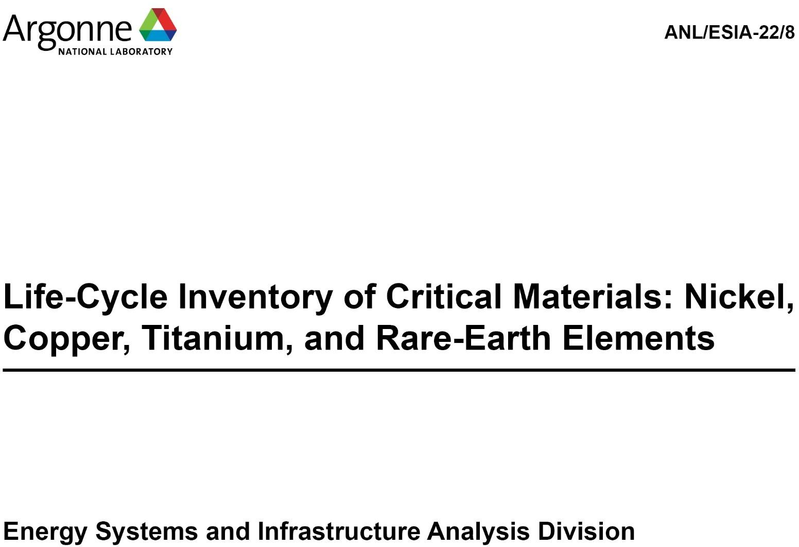
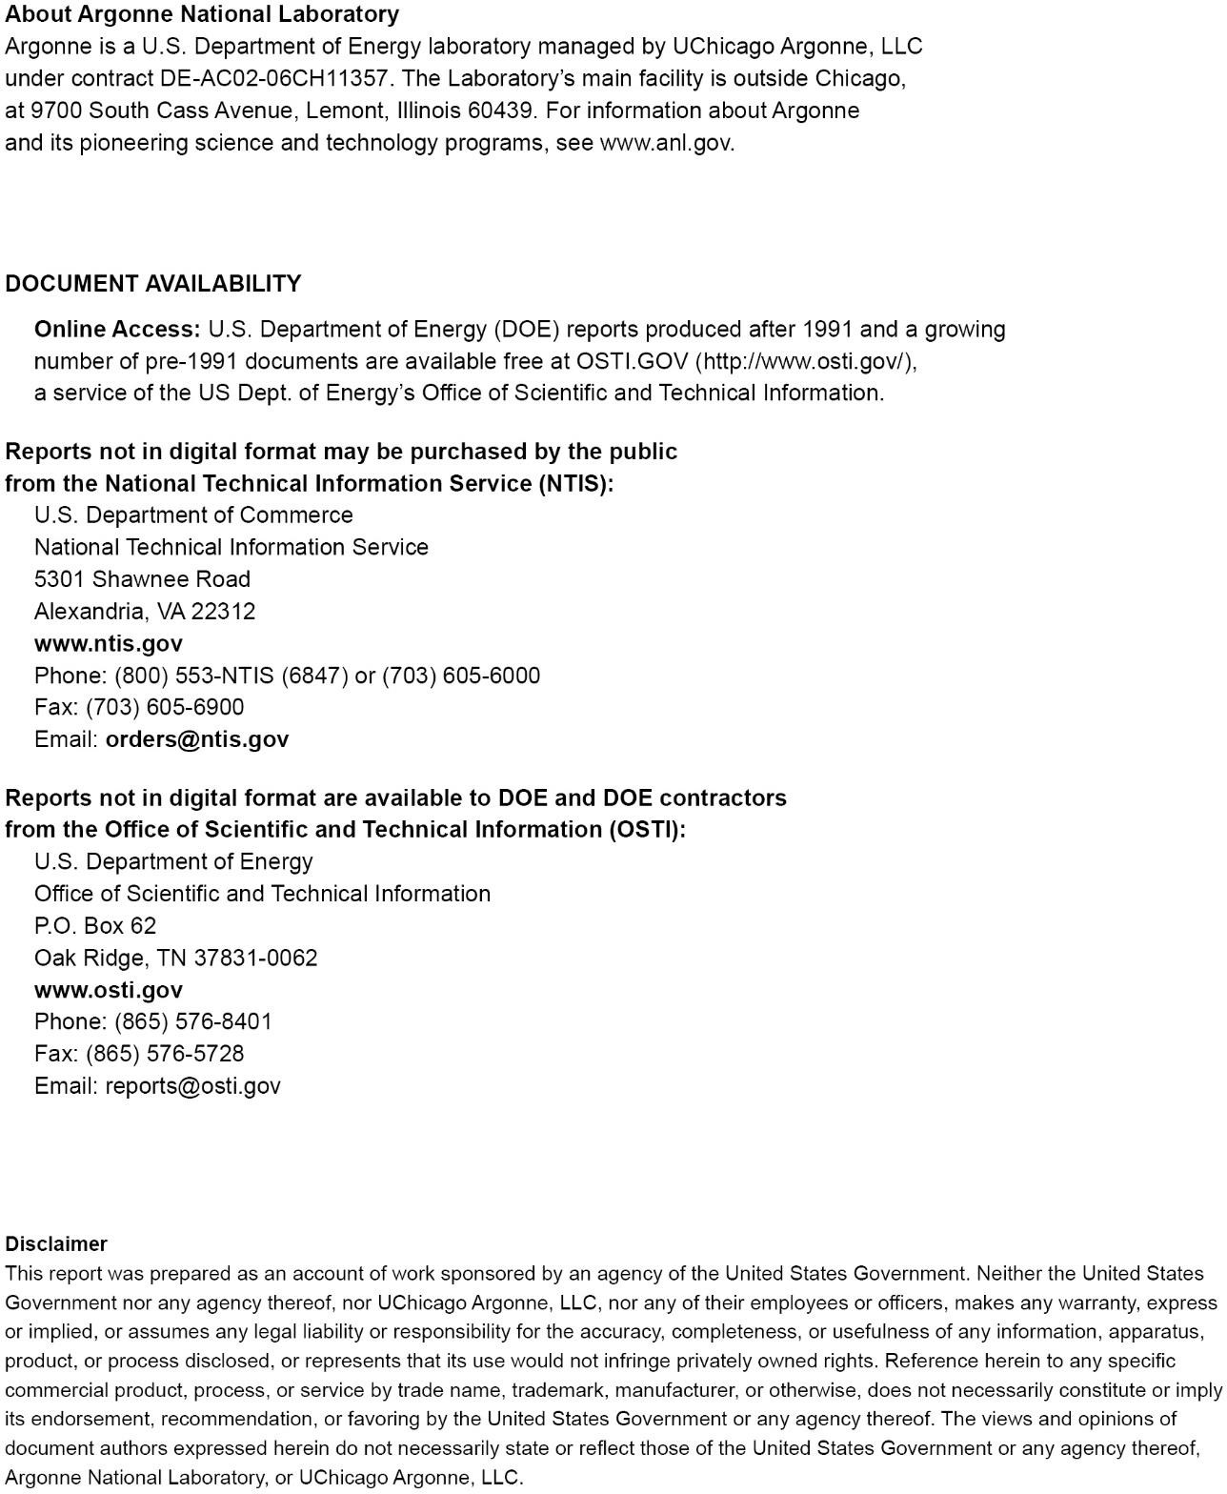

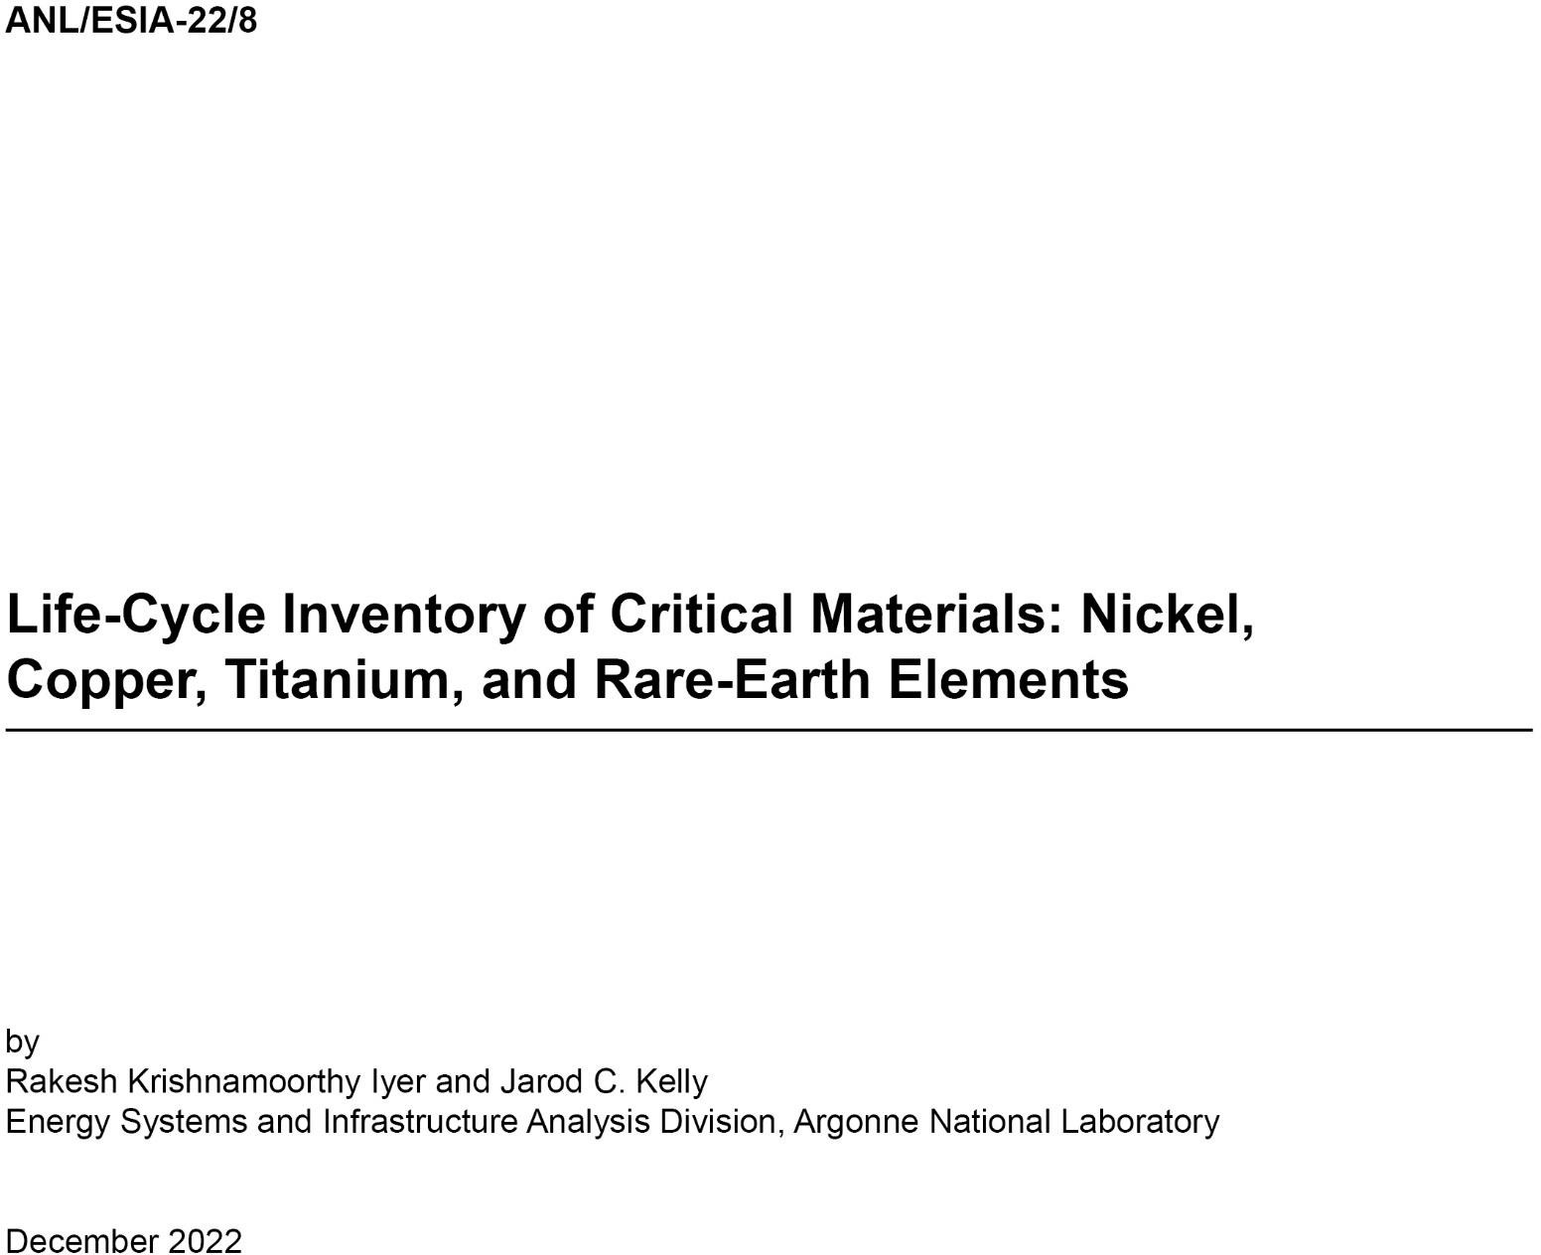

CONTENTS
Acknowledgements vii Acronyms viii Abstract 1 1 Introduction 2 2 Nickel (Ni) 3 2.1 Significance, Production and Imports 3 2.2 Nickel Production Processes 4 2.2.1 Nickel Production: Sulfide Ore 5 2.2.2 Nickel Production: Laterite Ore 6 2.3 Material and Energy Flows for Nickel Production 8 2.3.1 Context of Update 8 2.3.2 Approach: Sulfide Ores 9 2.3.3 Approach: Laterite Ores 15 3 Copper (Cu) 18 3.1 Significance, Production and Imports 18 3.2 Copper Production Pr

CONTENTS (CONT.)
6.2 Ozone (O3) 51 6.3 Hydrogen Pentoxide (H2O5) 52 6.4 P204 52 6.5 Ammonium bicarbonate (NH4HCO3) 53 References 54
FIGURES
1 Schematic of Ni production from sulfidic ores 5 2 Schematic of Ni production from laterite ores 5 3 Schematic of Cu production from sulfide ores 20 4 Schematic of Cu production from laterite ores 20 5 Schematic of Ti production in various forms (based on (Gao et al., 2018; Serres et al., 2011; Sibum et al., 2017)) 34 6 Schematic of REO production from bastnäsite and monazite ores (reproduced using (Bailey et al., 2020; Vahidi et al., 2016; Vahidi and Zhao, 2018, 2017)) 38 7 Schematic of solvent extraction of REOs (reproduced using (Bailey et al., 2020; Vahidi et al., 2016; Vahidi and Zhao, 2018, 2017)) 39 8 Schematic of REO production from ion-adsorption clays 41 9 Schematic of REE production from REO 42 10 Schematic of production of sodium silicate (SS) 50 11 Schematic of production of P204 (di-2-ethylhexyl phosphoric acid) (Vahidi and Zhao, 2017) 52
TABLES
1 Important Characteristics of Nickel Ores (reproduced from (Kerfoot, 2000)) 4 2 Share of Class I Ni import from different nations (based on (USGS, 2022b)) 4 3 Description of variables used for sulfide ore-related analysis 9 4 Energy inputs as a function of ore grade for Ni production from sulfide ores 13 5 Material flows for Ni production from sulfide ores 13 6 Energy flows for Ni production from sulfide ores 13 7 Grid mixes used for Ni production processes from sulfide ores 14 8 Material and energy flows for laterite-based Ni production 16 9 Grid mixes used for Ni production processes from laterite ores 17 10 Major Cu-containing minerals (reproduced from (Lossin, 2001)) 19 11 Share (%) of different nations in US consumption mix of refined Cu (obtained from (USGS, 2022b)) 19 12 Description of variables used to compute process energy needs for Cu production from sulfidic ores as a function of ore grade 24 13 Energy inputs for mining and beneficiation of sulfidic Cu ores for different ore grades (based on (Kuipers et al., 2018; Northey et al., 2013; Sanjuan-Delmás et al., 2022)) 29 14 Energy inputs for pyrometallurgical production (smelting) and refining of Cu (based on (Sanjuan-Delmás et al., 2022))

TABLES (CONT.)
20 Classification of REEs under different groups 36 21 A summary of studies that provide material and energy flow details for producing REOs and/or REEs 43 22 Material and Energy Flows for REO Production 44 23 Material and Energy Flows for Rare Earth Fluoride (REF) Production 45 24 Material and Energy Flows for Rare Earth Element (REE) Production 46 25 Mass content (allocation ratios) for various ore types 48 26 Material and energy flows of Nd(Dy)FeB magnet production 49 27 REE mix used in Ni-MH batteries 49 28 Material and energy flows for sodium silicate production (Fawer et al., 1999) 51 29 Material and energy flows for ozone production (Magara et al., 1995) 51 30 Material and energy flows for hydrogen pentoxide production 52 31 Material and energy flows for P204 production 53 32 Material and energy flows for ammonium bicarbonate production 53
ACKNOWLEDGEMENTS
This activity was supported by the Vehicle Technologies Office and Hydrogen Fuel Cell Technologies Office, Office of Energy Efficiency and Renewable Energy, United States Department of Energy under Contract Number DE-AC02-06CH11357. The authors would like to thank Jake Ward, Raphael Isaac, Steven Boyd, and Samm Gillard from Vehicle Technologies Office (VTO) and Neha Rustagi from Hydrogen Fuel Cell Technologies Office (HFTO) for their guidance and support. The authors would also like to thank Elmir Kouliev, currently an undergraduate student at the Claremont McKenna College, for his efforts in literature review for copper and nickel. The views and opinions of the authors expressed herein do not necessarily state or reflect those of the U.S. Government or any agency thereof. Neither the U.S. Government nor any agency thereof, nor any of their employees, makes any warranty, expressed or implied, or assumes any legal liability or responsibility for the accuracy, completeness, or usefulness of any information, apparatus, product, or process disclosed, or represents that its use would not infringe privately owned rights.
ACRONYMS
Ag silver As arsenic Au gold
C2H2O4 oxalic acid CaTiO3 perovskite CIGS copper-indium-gallium-selenide CIS copper-indium-selenide Cl chlorine Class I Ni metal Co cobalt CO2 carbon dioxide Cr chromium Cu copper CuFeS2 chalcopyrite
EPA 2-ethyl 3-propyl acrolein EVs electric vehicles
Fe iron FeTiO3 ilmenite
GREET® Greenhouse gases, Regulated Emissions, and Energy use in Transportation
HF hydrogen fluoride HFTO Hydrogen Fuel Cell Technologies Office
H2O water H2O2 hydrogen peroxide H2O5 hydrogen pentoxide H2SO4 sulfuric acid
LCA life-cycle analysis LCI life-cycle inventory LIBs lithium-ion batteries LiF lithium fluoride m3 actual volume Mg magnesium MgCl2 magnesium chloride MgO magnesia MSE molten salt electrolysis
NH3 ammonia NH4HCO3 ammonium bicarbonate (NH4)2SO4 ammonium sulfate Ni nickel (Ni,Fe)9S8 pentlandite Ni-MH nickel-metal hydride NiO nickel oxide NiSO4 nickel sulfate Nm3 normal volume
O2 oxygen O3 ozone
P2O4 Di-2-ethylhexyl phosphoric acid P5O7 2-ethylhexyl phosphoric acid mono-2-ethylhexylester Pb lead PCl3 phosphorus trichloride Pt platinum
RECls rare-earth chlorides REEs rare-earth elements REFs rare-earth fluorides REOs rare-earth oxides
Sb antimony Se selenium Si silicon SiO2 silica SO2 sulfur dioxide SS sodium silicate
Te tellurium Ti titanium TiCl4 titanium chloride; titanium tetrachloride TiO2 titanium dioxide
USGS United States Geological Survey
VTO Vehicle Technologies Office (VTO)
YSZ yttria-stabilized zirconia
Zn zinc
This page intentionally left blank.
ABSTRACT
The United States has developed a list of critical minerals/materials whose sustained and reliable supply is pivotal to the robust functioning of critical industrial sectors. A key concern with these minerals is their environmental effects as a function of their production location. This requires material and energy flow details for their processing steps. This report provides a life- cycle inventory (LCI) for producing four critical minerals and/or material systems (nickel, copper, titanium, and rare-earth elements) incorporated in the updated GREET® (Greenhouse gases, Regulated Emissions, and Energy use in Technologies) model. For these systems, we provide an LCI as a function of production location – domestic (within the United States) and international (geographies from where the US imports these minerals). Our LCI also considers variations in ore grades for nickel and copper. This report also provides an LCI for all intermediate materials used to produce these critical materials.
1 INTRODUCTION
In 2022, the United States declared a final list of 50 critical minerals whose sustained and reliable supply is essential to the nation’s economic prosperity and security (US Department of the Interior, 2022; US DoE, 2011; US DOE, 2020). A key area of focus regarding these materials is to develop alternative, stable sources of supply for these materials, both within and outside the US in favorable geographies (US DOE, 2020). This has also raised questions regarding the environmental impacts of producing these elements in alternative locations, especially compared to their baseline counterparts (Babbitt et al., 2021; US DOE, 2020). This is vital as it helps to: (a) Identify the net environmental effects of switching from existing to newer production locations for critical minerals; and (b) Determine processes/technologies with high contributions to environmental impacts of producing such minerals that must be replaced by other processes/technologies to make their production in alternative locations environmentally favorable over the existing baseline (Babbitt et al., 2021; US DOE, 2020).
This report focuses on four such mineral/material systems that are either critical or important for the United States across several sectors: nickel (Ni), copper (Cu), titanium (Ti), and rare-earth elements (REEs). Three of these materials are considered critical by the US – Ni, Ti, and REEs (US Department of the Interior, 2022) – as they are vital for sectors that are pertinent to various national goals of the US. These sectors include lithium-ion batteries (LIBs) for electric vehicles (EVs), clean energy, defense, electronics, and lighting (Gaustad et al., 2018). Further, copper (Cu) is an essential component of vehicles, especially Evs through their substantial use as current collectors in LIBs. Moreover, the US is substantially dependent on imports of these minerals (> 50% of their overall consumption) (USGS, 2022a). A critical chunk of these imports often come from nations that have less stringent environmental standards (US DOE, 2020; USGS, 2022a), which can cause more significant environmental stress from their production compared to locations with more demanding emission standards (Kelly et al., 2019; Winjobi et al., 2022). Hence, we account for these aspects in the updated GREET model for all four mineral/material systems (Ni, Cu, Ti, and REEs).
The rest of this report is as follows: nickel is covered in Section 2, copper in Section 3, titanium in Section 4, and rare-earth elements in Section 5. We first discuss each of these materials’ significance, followed by their current state of production and imports in the US. Next, we provide the material and energy flows (LCI) for their production in the final desired form. We also provide LCIs for producing intermediate materials used in producing any of these four minerals/material systems in Section 6. More details are given in the individual sections.
2 NICKEL (Ni)
2.1 Significance, Production and Imports
Global nickel (Ni) demand has risen substantially over the past few decades, driven by its need for residential, industrial, and commercial applications (Elshkaki et al., 2017). This growth has been propelled by its advantageous properties, such as corrosion resistance in different media, moderate strength, high malleability and ductility, and excellent high-temperature stability (Benavides et al., 2015; Elshkaki et al., 2017; Kerfoot, 2000). Ni is used in many sectors, including construction, infrastructure, petrochemicals, transportation, fabrication, appliances, and industrial machinery (Deng and Gong, 2018; Elshkaki et al., 2017; Guohua et al., 2021; Khoo et al., 2017b). Across these sectors, Ni is used in a variety of forms and/or material systems, such as metal (Class I Ni), stainless steel, superalloys, ferronickel, nickel sulfate (NiSO4), and multi-elemental systems (e.g., cathodes of lithium-ion batteries) (Mudd, 2010). Such vast use of Ni for diverse applications, coupled with its superior properties, the strong outlook for technologies that employ Ni, and the unlikely possibility of its substitution with other metals, has led to its classification as a critical mineral by the United States (Elshkaki et al., 2017; Kerfoot, 2000; US Department of the Interior, 2022; US DOE, 2020). In terms of its occurrence, Ni ranks 24th in elemental availability in the earth’s crust (0.008%) – greater than copper (Cu), zinc (Zn), and lead (Pb) (Kerfoot, 2000; Mudd, 2010). However, unlike these elements, Ni suffers from a lack of ore bodies with significant concentration (Kerfoot, 2000). Major economically extractable reserves of Ni can be classified into two groups of ores: sulfide and laterite (oxide) (Kerfoot, 2000; Mudd, 2010; Mudd and Jowitt, 2014). Table 1 shows important characteristics of both these types of Ni ores/minerals (Kerfoot, 2000). Note that while the minerals within these ores contain significant amounts of Ni (Table 1), the actual Ni content in ores i

While Ni is produced in various forms from its ores, in this report, we focus solely on Ni in metallic form (Class I Ni). At the mine level, the United States is a minor player in global Ni production, accounting for < 1% share (17,600 metric tons in 2018) of world Ni output, with no data available for domestic Class I Ni production (USGS, 2022b). Also, the US Geological Survey (USGS) data shows that total Class I Ni1 imports exceed its exports and broadly match the U.S.’s primary Ni consumption (USGS, 2022b). This indicates that the US entirely depends on imports to meet its primary Ni metal demand. Table 2 provides the share (%) of Ni metal produced from domestic and import sources, along with the share of their respective Ni production from sulfide and laterite ores (USGS, 2022b). Note that this refers to the mix of
1 Based on USGS classification, Class I Ni is assumed to contain all Ni produced in unwrought form (cathodes, pellets, and briquets), powders, and flakes (USGS, 2022b).

Class I Ni imports and not necessarily the mix associated with the original location of Ni ore mining. The two mixes often differ, given the globalized nature of the Ni supply chain, which enables Ni mining in one country and its processing in a different country (Mudd and Jowitt, 2014; USGS, 2022b).
Table 1: Important Characteristics of Nickel Ores (reproduced from (Kerfoot, 2000))
Ores | Mineral |  | Chemical formula | Ni content (%)
Sulfides | Pentlandite |  | (Ni,Fe)9S8 | 34.22
 | Millerite |  | NiS | 64.67
 | Heazlewoodite |  | Ni3S2 | 73.30
 | Polydymite |  | Ni3S4 | 57.86
 | Siegenite |  | (Co,Ni)3S4 | 28.89
 | Violarite |  | Ni2FeS4 | 38.94
Laterite/Silicate | Garnierite |  | (Ni,Mg)6Si4O10(OH)8 | ≤ 47
 | Nickeliferous limonite |  | (Fe,Ni)O(OH).nH2O | Low
Others | Niccolite |  | NiAs | 43.92
 | Rammelsbergite |  | NiAs2 | 28.15
 | Gersdorffite |  | NiAsS | 35.42
 | Breithauptite |  | NiSb | 32.53
Table 2: Share of Class I Ni import from different nations (based on (USGS, 2022b))
Nation |  | Share of supply/import in US consumption mix of Class I Ni (%)
Australia |  | 15.63
Brazil |  | 0.10
Canada |  | 44.17
Finland |  | 9.11
Japan |  | 3.09
Norway |  | 11.61
Russia |  | 7.85
China |  | 0.36
South Africa |  | 4.44
Others |  | 3.64
2.2 Nickel Production Processes
A previous Argonne report details the exact nature of Ni production from both sulfide and laterite ores (Benavides et al., 2015). Here, we provide a summary of the processes involved in Ni production from both these ore sources. Figures 1 and 2 present the schematic to produce Ni from sulfide and laterite ores, respectively.
Figure 1: Schematic of Ni production from sulfidic ores
Figure 2: Schematic of Ni production from laterite ores
2.2.1 Nickel Production: Sulfide Ore
Sulfide ores are the dominant source of global Ni production (60% share) due to the better economic feasibility of Ni extraction from these ores compared to laterite ores (Mudd,
 |  | 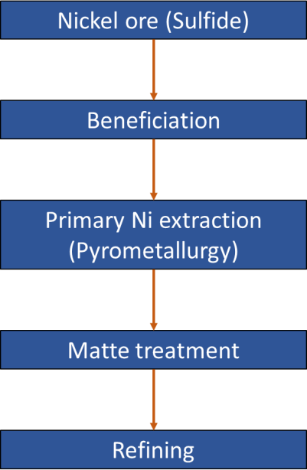
 |  | 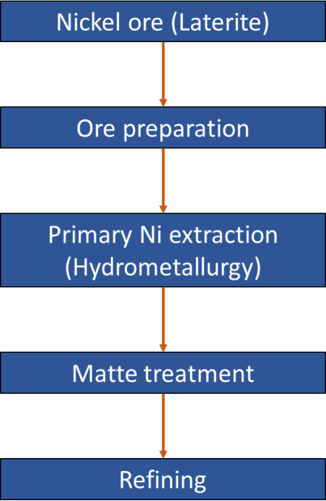
2010; Mudd and Jowitt, 2014). Ni production from sulfide ores is described below based on multiple references (Benavides et al., 2015; Elshkaki et al., 2017; Kerfoot, 2000; Mudd, 2010; Mudd and Jowitt, 2014).
Sulfide ore-based Ni production comprises four steps: mining, beneficiation, Ni extraction, and refining (Figure 1). Sulfide ores typically contain three minerals - pentlandite ((Ni,Fe)9S8), nickeliferous pyrrhotite (Ni-containing Fe7S8), and chalcopyrite (CuFeS2) – in varying proportions (Kerfoot, 2000). Of these minerals, chalcopyrite is leveraged for Cu production, while pyrrhotite has limited Ni content. Hence, it is pentlandite that constitutes almost the entire share of sulfide-based global Ni production (Kerfoot, 2000). The separation of these three minerals is generally a challenge at the mine level, mainly for economic reasons, so it is only pursued when mandated by environmental regulations (such as in Canada) (Kerfoot, 2000). Instead, the typical approach is to separate the concerned elements post-mining, either at beneficiation, or during primary Ni extraction.
As shown in Figure 1, the mined ore is first concentrated using a physical treatment method (such as comminution) and then subjected to froth flotation and/or magnetic separation to obtain Ni-rich concentrate (Ni-content: 5-15 wt.%). Flotation aids the removal of both chalcopyrite and pyrrhotite from ore (to leave behind pentlandite), while magnetic separation eases the separation of pyrrhotite (Kerfoot, 2000). Ni concentrate is treated in primary Ni extraction processes (or pyrometallurgical processing) to produce Ni-rich matte (Ni-content: 60- 80 wt.%). Pyrometallurgy involves three operations conducted in series: (a) Roasting, where the sulfur content in Ni-concentrate is driven off as sulfur dioxide (SO2) by heating the concentrate at high temperatures (600-700°C) in air (excess oxygen); (b) Smelting, where the roasted product is melted together with silica (SiO2) to produce two immiscible phases: molten sulfide solution (used subsequently) and ferrosilicate slag (that separates iron from copper; slag is discarded); and (c) Converting, where both roasting and smelting-related steps are repeated to remove more sulfur (as SO2) and iron (as slag). The general practice is to conduct all three pyrometallurgical operations in a single unit. The output matte contains both Ni and other valuable elements like copper (Cu) and noble metals (such as tellurium (Te), selenium (Se), and platinum group metals like gold (Au) and platinum (Pt)). Hence, matte is processed further to separate these elements (usually via hydrometallurgy) and produce them for commercial applications.
The last step is refining, which can be conducted via electrorefining, electrowinning, or the most commonly used carbonyl refining. Carbonyl refining is conducted in two steps: (a) Reaction of Ni matte with high-pressure carbon monoxide (CO) at 40-80°C to produce nickel tetracarbonyl (Ni(CO)4); and (b) Decomposition of Ni(CO)4 at 150-300°C to Ni and CO. Carbonyl refining is favored over other refining processes as it facilitates the separation of other metals from Ni matte as carbonyls that decompose at different temperatures, and that can be used to obtain the desired metal of high purity level.
2.2.2 Nickel Production: Laterite Ore
Laterite (oxide) ores are formed through periodic weathering of peridotite rocks containing olivine (magnesium-iron silicate with up to 0.3 wt.% Ni) and serpentine (hydrated
magnesium silicate that contains Ni) (Kerfoot, 2000). Weathering due to groundwater causes Ni, SiO2, and magnesium (Mg) to dissolve in it and leach to lower depths in laterite deposits as an acidic solution. This solution neutralizes upon reaction with rock/soil to form hydrated silicates of Ni and Mg, creating in turn two distinct zones of Ni presence: nickeliferous limonite zone, and silicate or garnierite zone (Kerfoot, 2000). Limonite contains both iron (Fe) and Ni as oxides in a solid solution, along with cobalt (Co) and chromium (Cr), while being depleted of SiO2 and Mg content. Conversely, Fe and Ni are fully separated in the garnierite zone, with Ni present in silicate minerals with high magnesia (MgO) content.
Figure 2 shows the schematic of laterite ore production, while a brief description of this process is given here, based on multiple sources (Benavides et al., 2015; Elshkaki et al., 2017; Kerfoot, 2000; Mudd, 2010; Mudd and Jowitt, 2014). Laterite ores are selectively mined and screened to separate into limonite and garnierite fractions (if one fraction is dominant, only that is used to produce Ni). Unlike sulfide ores, laterite ores cannot be treated using standard beneficiation methods due to the combined presence of Fe and Ni in solid solution (for the limonite fraction) and the strong bonding of Ni and Fe with oxygen (for both limonite and garnierite fractions). The ores are first dried and heated to reduce their moisture content (up to 45%) down to 15-20%, and then calcined further to reduce the ores and bring down the moisture to acceptable levels. The obtained residue at the end of this step (the equivalent of Ni concentrate in sulfide-based extraction) is subsequently used to extract primary Ni.
Different processing techniques are used to extract Ni from the residue obtained via limonite and garnierite fractions due to differences in their respective chemical composition. Limonites exhibit homogeneity in their material composition and mineralogy, rendering them suitable for hydrometallurgical processing. In contrast, silicate minerals typically show mineralogical and chemical heterogeneity, so they are treated via pyrometallurgical methods that provide flexibility in processing.
In the case of laterite (limonite) ores, hydrometallurgy is used not only due to their homogeneity (both chemical and mineral) but also because of the presence of other valuable byproducts, such as Co and Cr. Hydrometallurgy involves the leaching of residue or matte in a sulfate or chloride solution to dissolve Ni and other elements and produce nickel sulfate or chloride, which is electro-refined or reacted with hydrogen (H2) to produce Class I Ni cathode. Prominent hydrometallurgical techniques include ammonia pressure leaching (leaching agent or LA: ammonia), atmospheric acid leaching (LA: acidic sulfate solution in ambient atmosphere), acid pressure leaching (LA: sulfuric acid), and chloride leaching (LA: chloride solution). Acid pressure leaching is considered the most optimal of all methods due to the high purity level of final products obtained. However, this method cannot be used for ores that contain substantial amounts of acid-consuming minerals, such as garnierite ores due to their high magnesia content. Hydrometallurgy can also be combined with roasting to enhance its effectiveness, as in the Caron process where calcined Ni concentrate is obtained by roasting laterite ores, leaching the residue in ammoniacal carbonate solution, and then boiled to obtain Ni as concentrate precipitate. This precipitate can be refined further to produce nickel oxide (NiO), and subsequently, Ni powder.
For laterite (garnierite) ores, the nature of pyrometallurgical treatment is different from that used for sulfide ores due to the combined presence of Fe and Ni, as well as of magnesia and SiO2. Here, pyrometallurgical processing involves adding coal and molten elemental sulfur to Ni material (either ferronickel, calcined Ni, or Ni-concentrate) in the smelter. Coal (carbon) reduces the initial nickel and ferric oxides to their respective metallic forms, after which these metals react with sulfur to form their respective sulfides. Subsequent smelting (high-temperature heating in air) enables the sulfur to be released as SO2, leaving behind Ni that can be purified via carbonyl refining to produce Class I Ni (described in the previous subsection). Fe is removed with SiO2 (present in ores) as ferrosilicate slag, along with Mg. While the exothermic nature of SO2 evolution provides some energy for smelting, laterite ores typically consume 2-3 times the energy needed to process sulfide ores via pyrometallurgical processing (Kerfoot, 2000). Note that pyrometallurgical treatment of laterite ores is also used to produce ferronickel, but we do not dwell on that aspect here as our focus is restricted solely to Class I Ni production.
2.3 Material and Energy Flows for Nickel Production
2.3.1 Context of Update
The rise in global Ni demand has caused a decline in its ore concentration (or ore grade) over time (Elshkaki et al., 2017; Mudd, 2010; Norgate and Haque, 2010; Norgate and Jahanshahi, 2010). This is expected to increase further in future with the likely increase in demand across several sectors, including those related to clean energy (e.g., rechargeable batteries) (Mudd, 2010; Mudd and Jowitt, 2014). For every kilogram of nickel produced, the decline in ore grade will increase the material and energy requirements for its production (Norgate and Haque, 2010; Norgate and Jahanshahi, 2010; Wei et al., 2020). The reduced presence of Ni in sulfide ores has also caused a shift towards Ni production from laterite ores, which currently contribute ~40% of global Ni demand (Mudd, 2010; Mudd and Jowitt, 2014). However, the specific nature of processes needed to produce Ni from laterite ores results in higher energy intensity of production from these ores over their sulfidic counterpart (Kerfoot, 2000; Mudd, 2010; Mudd and Jowitt, 2014). Further, the US sources Ni from multiple nations due to its lack of domestic reserves (USGS, 2022b). The location of Ni production and processing has a significant bearing on the electricity used during its processing (i.e., electric grid mix), and thereby, on the associated impacts of Ni production. Thus, all three aforementioned factors – ore grade, type, and location – together influence the environmental profile of Ni production, and therefore, should all be considered for a holistic analysis of the environmental impacts of producing this metal.
In GREET 2021 (Wang et al., 2021), we considered the inventory for Ni production as reported by the Nickel Institute (Sphera, 2020). This source provides a single inventory across all three factors (ore grade, location, and type) for all Ni mines and processing facilities, except those in China. Hence, it is difficult to segregate the effect of individual factors on the environmental impacts of Ni production. In GREET 2022 (Wang et al., 2022), to address this concern, we provide the life-cycle inventory (LCI) of Class I Ni consumed in the US as a
function of these three factors. In the subsequent subsections, we describe the approach used to develop LCI for both sulfide and laterite ores in GREET 2022.

Table 10
Mineral |  | Chemical composition |  | Copper (wt.%)
Cuprite |  | Cu2O |  | 88.8
Chalcocite |  | Cu2S |  | 79.9
Tenorite |  | CuO |  | 79.9
Digenite |  | Cu9S5 |  | 78.0
Covellite |  | CuS |  | 66.5
Bornite |  | Cu5FeS4/Cu3FeS3 |  | 62.6
Atacamite |  | CuCl2.3Cu(OH)2 |  | 59.5
Malachite |  | CuCO3.Cu(OH)2 |  | 57.5
Brochantite |  | CuSO4.3Cu(OH)2 |  | 56.2
Azurite |  | 2CuCO3.Cu(OH)2 |  | 55.3
Antlerite |  | CuSO4.2Cu(OH)2 |  | 53.8
Enargite |  | Cu3AsS4 |  | 48.4
Tennantite |  | Cu12As4S13 |  | 47.0
Dioptase |  | Cu6[Si6O18].6H2O |  | 40.3
Tetraedrite |  | Cu12Sb4S13 |  | 37.5
Chalcopyrite |  | CuFeS2 |  | 34.6
Chrysocolla |  | CuSiO3.nH2O |  | 33.0
Chalcanthite |  | CuSO4.5H2O |  | 25.5
Bournonite |  | CuPbSbS3 |  | 13.0
Table 11: Share (%) of different nations in US consumption mix of refined Cu (obtained from (USGS, 2022b))
Country | Share (%) of refined Cu production
 | All ores |  | Sulfide ores |  | Laterite ores
US | 67.69 |  | 59.80 |  | 81.58
Canada | 7.14 |  | 11.15 |  | 0.00
Chile | 20.06 |  | 22.87 |  | 15.18
Mexico | 2.62 |  | 3.04 |  | 1.91
Others | 2.49 |  | 3.14 |  | 1.33
Share (%) of production from different ores: Sulfide: 64.21%; Laterite: 35.79%
USGS (2022b) also provides data on mine-level Cu production from different nations. As for Ni, the supply chain for Cu production is highly globalized, where element mining and processing are often undertaken at different locations. Therefore, accounting for these locational differences is a highly challenging endeavor. Hence, in GREET 2022, we assume that all nations that supply Cu to meet the US demand (including the US itself and import sources) only process the Cu mined domestically in their respective geographies. Based on this assumption, Table 11 lists the share of different sources (domestic and import) in the refined Cu supply mix of the US for both sulfide and laterite ores, along with a breakup of total Cu contribution from these ore types.
3.2 Copper Production Process
A previously published Argonne report provides details on the processing methodology for Cu production from both sulfidic and laterite ores (Benavides et al., 2015). We briefly summarize these details here for the benefit of readers. Figures 3 and 4 show the respective process flows for Cu production from sulfide and laterite ores, respectively. Broadly, Cu production from these ores is similar to process flows for Ni production from the corresponding ore type.
Figure 3: Schematic of Cu production from sulfide ores
Figure 4: Schematic of Cu production from laterite ores
3.2.1 Copper Production: Sulfide Ore
Unlike Ni, the domination of sulfide ores in global Cu production is both due to the wider presence of Cu-containing sulfidic minerals across the globe and their relatively higher ore grades (or better economic feasibility of Cu extraction from sulfidic ores) (Kuipers et al., 2018; Lossin, 2001; Mudd et al., 2013). The process of producing sulfide ore-based Cu is described
 |  | 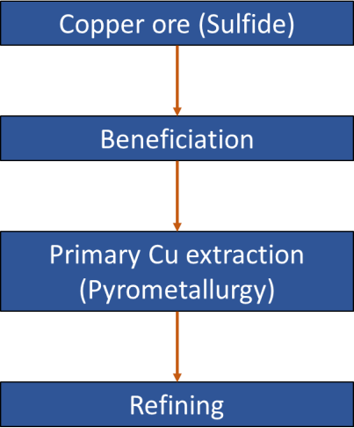
 |  | 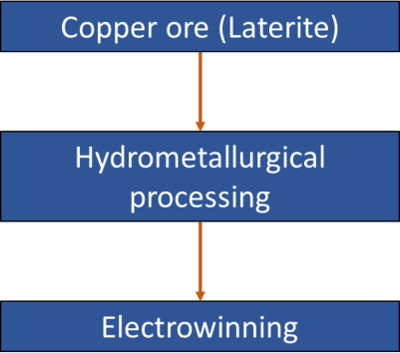
below, based on a number of references (Brinson et al., 2020; Lossin, 2001), and is shown in Figure 3.
Cu is mined from either open pit or underground mines, with open pit mining being the standard of mining due to most mines having lower Cu concentrations. Extracted ore is crushed and milled into fine particles to ease the separation of different mineral phases and gangue. The ore is beneficiated via froth flotation to remove gangue, and the valuable minerals are separated off as froth. Froth flotation involves the use of organic reagents as collectors (e.g., xanthates), modifiers (reagent typically has hydroxyl ions), and stabilizers (alcohols). Beneficiation is generally a multi-step process, at the end of which Cu concentrate (25-35 wt.% Cu) is obtained. This Cu concentrate is ready for pyrometallurgical processing.
Pyrometallurgical processing of Cu involves roasting, smelting, and converting steps. While these three steps were conducted separately till about the 1970s, present-day Cu production combines the roasting and smelting steps into a single process, after which converting is conducted separately. Roasting is only separated from the smelting process in case of older plants and/or when there is a need to remove specific elements (such as Fe, As, and sulfur or S). Several smelting technologies have been developed over the years. The most commonly used smelting process in present-day Cu production is flash smelting, where air (oxygen) is introduced in large quantities to partially oxidize Cu concentrate. Iron sulfide oxidizes to form iron oxide, which is separated via reaction with silica as slag, while copper sulfide is retained almost entirely in the final output (Cu matte, 40-70%). These reactions also produce sulfur dioxide (SO2) and heat, which makes the smelting operation autogenous or near-autogenous (i.e., it does not require much external energy input). The advantages of autogenous smelting include a high reaction rate (and thereby, high matte production rate), energy and cost savings, and high SO2 concentration (which can be easily used to produce useful products like sulfuric acid). Cu matte output is then converted (or blown with air blasts in molten state) to oxidize it to crude Cu, ferrosilicate slag, and SO2. Conversion generally occurs in two steps: the first step yields copper sulfide (75-80% Cu), and the next step yields blister copper (98-99% Cu, where the blister refers to SO2 blisters contained in the produced metal). The most commonly used converter is the Peirce-Smith converter, used for over 80% of global Cu production. Like smelting, conversion also produces slag and SO2. However, while smelting is usually a continuous process, converting is typically a batch process.
The last step is refining, which is of three types: pyrometallurgical/fire, electrolytics, and remelting of cathodes and shape casting. The refining process used depends mainly on the desired purity level of Cu. Pyrometallurgical refining involves similar processes as smelting/converting, i.e., removing impurities (as slags), sulfur (to < 0.0005 wt.% as SO2), and oxygen in the metal. Examples of pyrometallurgical refining include fire refining (continuous or discontinuous) to produce the final refined Cu, and anode casting, where Cu is obtained as anodes on pure Cu molds and refined further. Electrolytic refining is the most common refining technique, used for 80% of global Cu production (both primary and secondary Cu) to reduce impurities and precious metals (such as Se and Te). This refining is conducted in electrolytic cells that use Cu or stainless-steel sheets as cathodes, cast Cu (from anode casting) as anodes, and a combination of Cu and sulfuric acid as electrolyte. Waste is produced as anode slime on the bottom of cells, which is processed further to extract other precious elements. Cu cathode
from electrolytic refining (99.97-99.99 wt.% Cu) is then remelted and cast in special furnaces (to produce them in desired shapes) or atomized into powders as needed.
3.2.2 Copper Production: Laterite Ore
Details on laterite-ore based Cu production are given below, based on multiple references (Brinson et al., 2020; Lossin, 2001; Northey et al., 2013; Yang et al., 2022), while Figure 4 shows the schematic for Cu production from these ores. The differences in laterite ore processing vis-à-vis their sulfidic counterparts are mainly during the beneficiation and material extraction stages. Instead of common beneficiation techniques used for sulfide ores (such as magnetic separation and froth flotation), laterite ores are mined and then treated via hydrometallurgical methods. A typical hydrometallurgical treatment involves three steps: (a) Leaching, which is usually done via heap leaching (ore is crushed, stacked to heaps, reacted with dilute sulfuric acid, and the acid trickles down to dissolve Cu); (b) Solvent extraction (where the leached solution is mixed with an organic solution to extract Cu in organic phase and separate it from iron in aqueous phase, followed by the reaction of Cu with sulfuric acid to enrich the acid with Cu); and (c) Electrowinning (where copper-enriched sulfuric acid is sent to electrowinning cells to get Cu on stainless steel sheet cathodes, with water splitting reaction occurring at the anode to emit hydrogen and oxygen). Electrowinning is equivalent to refining, so the final Cu produced is cathode copper (99.99 wt.% Cu) and does not have to be refined separately.
3.3 Material and Energy Flows for Copper Production
3.3.1 Context of Update
As in the case of Ni, multiple studies have highlighted the temporal decline in Cu ore grade till date, as well as the likely continuation of this trend due to its expected high demand in the future (Koppelaar and Koppelaar, 2016; Northey et al., 2013; S. Northey et al., 2014; Sverdrup et al., 2014). This is expected to significantly influence the costs, input material and energy needs, and the resultant environmental impacts of primary Cu production with time. Also, the US has consistently shown about 30-40% import dependence over the past few years to meet its refined Cu needs (USGS, 2022a). This makes the location of Cu production significant, given its effect on the environmental impacts of the United States’ Cu supply mix (for reasons related to the nature of electric grid mix, as well as environmental regulations enforced in specific sources of production). Thus, like for Ni, ore grade, ore type, and production location are critical to Cu’s environmental profile and must be considered for its holistic environmental analysis.
GREET 2021 provides Cu inventory as a single inventory across all ore grades and ore types for two locations: the United States and Chile (Wang et al., 2021). In GREET 2022 (Wang et al., 2022), we provide the LCI for Cu consumed in the US as a function of ore grade, type, and production location, based on data available in our literature review.
3.3.2 Approach Used: Sulfide Ores
As for Ni, we have provided LCI for Cu production as a function of ore grade (wt.% Cu content in ore) and the location of Cu production (from mining to refining/electrowinning).
Like Ni, literature shows that ore grade influences material and energy needs for only mining and beneficiation stages, given the fixed Cu content of Cu concentrate from the beneficiation step (Dong et al., 2020; Northey et al., 2013). Our literature review did not yield any study that analyzed the trends for amounts of different input materials used for mining and beneficiation stages as a function of ore grade. However, literature does report an equation that explains the variation in process energy requirements with ore grade (Equation 13) (Kuipers et al., 2018; Northey et al., 2013). The description of variables used in this equation and other equations used below in this subsection are provided in Table 12. 𝑃𝐸𝑀𝑖𝑛𝑖𝑛𝑔+𝐵𝑒𝑛𝑒𝑓𝑖𝑐𝑖𝑎𝑡𝑖𝑜𝑛,𝐶𝑢−𝑆 = 15.697 × 𝑂𝐺 (𝐶𝑢 − 𝑆)−0.573 (13)
Our literature review also yielded several studies that evaluate the life-cycle environmental impacts of Cu production from sulfide ores (Dong et al., 2020; Kulczycka et al., 2016; Northey et al., 2013; Sanjuan-Delmás et al., 2022; Wang et al., 2015). Among these, Sanjuan-Delmás et al. (2022) provide the most recent and exhaustive LCI, encompassing the different stages of Cu production (mining, beneficiation, Cu extraction via pyrometallurgy, and refining). Similar to Ni, we have used data from Sanjuan-Delmás et al. (2022) along with some assumptions to account for the effect of Cu ore grade on energy requirements of mining and beneficiation stages. The relevant equations for this exercise are provided below (Equations 14- 37), while the variables used in these equations are described in Table 12.
We first considered the LCI provided for Cu production in Sanjuan-Delmás et al. (2022). This study provides us three major datasets (similar to those considered for Ni-related calculations): (a) Total process energy (𝑃𝐸𝑀𝑖𝑛𝑖𝑛𝑔+𝐵𝑒𝑛𝑒𝑓𝑖𝑐𝑖𝑎𝑡𝑖𝑜𝑛,𝐶𝑢−𝑆,𝑅𝑒𝑓) of 50.258 mmBtu/ton consumed across both mining and beneficiation of Cu from sulfide ores; (b) Shares (%) of mining (𝑆ℎ𝑎𝑟𝑒𝑃𝐸,𝑀𝑖𝑛𝑖𝑛𝑔,𝐶𝑢−𝑆,𝑅𝑒𝑓) and beneficiation (𝑆ℎ𝑎𝑟𝑒𝑃𝐸,𝐵𝑒𝑛𝑒𝑓𝑖𝑐𝑖𝑎𝑡𝑖𝑜𝑛,𝐶𝑢−𝑆,𝑅𝑒𝑓) stages in total energy consumed across both stages (𝑃𝐸𝑀𝑖𝑛𝑖𝑛𝑔+𝐵𝑒𝑛𝑒𝑓𝑖𝑐𝑖𝑎𝑡𝑖𝑜𝑛,𝐶𝑢−𝑆,𝑅𝑒𝑓), obtained using Equations 14 and 15 as 36.75% and 63.25% respectively; and (c) The share (%) of different energy sources (residual oil, diesel, natural gas, LPG, and electricity) in process energy consumed for these stages, computed for Sanjuan-Delmás et al. (2022) using Equations 16-25. Table 12 describes these various variables and their respective values; note that all these values are provided for a Cu sulfide ore with an ore grade of 0.18% (Sanjuan-Delmás et al., 2022).

Table 18
Sources | Share (%) of sponge metal production | Share (%) of ingot production
Domestic | 30.4 | 98.5
Imports | 69.6 | 1.5
Table 18: Import distribution by different sources (nations) (based on (USGS, 2022a, 2022b))
Sources | Share (%) of sponge metal imports | Share (%) of ingot imports
Japan | 88.5
Kazakhstan | 9.8 | 18.6
Poland | 0.4 | 72.8
Russia | 0.2
Ukraine | 1.0
Others | 0.2 | 8.6
4.2 Production Processes for Ti Sponge Metal and Powders
Ti metal is typically produced from titanium chloride (TiCl4), which is generated through the chlorination of Ti ore concentrate (Free, 2020; Gao et al., 2018; Sibum et al., 2017). The most preferred feedstock for TiCl4 production is natural rutile (95% TiO2), but its low presence (only 10% of global Ti feedstock needs) limits its use (Perks and Mudd, 2019; Xia et al., 2020; Zhang et al., 2011). Hence, the typical process is to produce Ti metal using synthetic rutile produced from titanium slag. Figure 5 shows the schematic for producing Ti sponge metal, ingots, and powders using this resource (Gao et al., 2018; Serres et al., 2011; Sibum et al., 2017). A description of the processes used for Ti production in various forms is given below, based on multiple references (Free, 2020; Gao et al., 2018; Perks and Mudd, 2019; Serres et al., 2011; Sibum et al., 2017; Xia et al., 2020; Zhang et al., 2011).
Ilmenite ore is extracted from earth and then processed into ilmenite concentrate by separating iron ore from it using high-intensity magnetic separation and flotation. This concentrate is blended with petroleum coke (reducing agent) and pitch (bonding agent) and smelted in an electric furnace. Smelting causes iron to separate and produces high-grade titania slag (good quality slag with high TiO2 content). Next, titania slag is mixed in a chlorination furnace with petroleum coke to produce crude titanium tetrachloride (TiCl4), which is refined further to obtain high-purity TiCl4. This high-grade TiCl4 is reduced with magnesium (Mg) and treated using vacuum distillation to produce Ti sponge metal, while the magnesium chloride (MgCl2) produced via this reaction is subjected to an auxiliary electrolysis process to produce Mg and chlorine (Cl). While Mg is recycled back to the reduction and distillation of TiCl4, Cl is recycled back to the chlorination process, indicating closed-loop recycling of both elements. However, make-up quantities of Mg and Cl are also needed, as closed-loop recycling is not 100% efficient.
Figure 5: Schematic of Ti production in various forms (based on (Gao et al., 2018; Serres et al., 2011; Sibum et al., 2017))
Despite their high purity (99.5-99.6% Ti), sponge metal does not exhibit satisfactory mechanical properties (Serres et al., 2011; Sibum et al., 2017). Hence, it is converted to Ti ingots using a vacuum arc remelting (VAR) process to obtain Ti metal and alloys with high purity and chemical homogeneity. VAR uses consumable electrodes made using a combination of Ti sponge metal, scrap, and alloying elements that are all welded using plasma or metal-inert gas welding (Serres et al., 2011; Sibum et al., 2017). The electrodes are melted at high vacuum pressure, with the necessary heat provided by an electric arc between the electrode and the ingot. The molten metal solidifies upon coming into contact with copper crucibles cooled by water to obtain the final ingot. These ingots can be used to produce semi-fabricated products and Ti castings through hot forging and machining. Ti powder is typically produced via the atomization of ingots in the liquid phase (Serres et al., 2011). Ti is melted in a crucible and passed through a tube that splits it into different jets using gas flow, with the droplets solidified into powders. Typically, this process is conducted under argon flow, with a couple of hours needed for melting and atomizing Ti.
4.3 Material and Energy Flows for Ti Production Table 19 shows the material and energy inputs and emission outputs for Ti production, based on (Gao et al., 2018) for sponge metal production and (Serres et al., 2011) for the production of Ti ingots and powders. We combine these material and energy flows with the shares of sponge metal and ingot production sources for the Ti supply chain in the United States (provided in Tables 17 and 18). All data is provided in Titanium sheet of GREET2.
 | 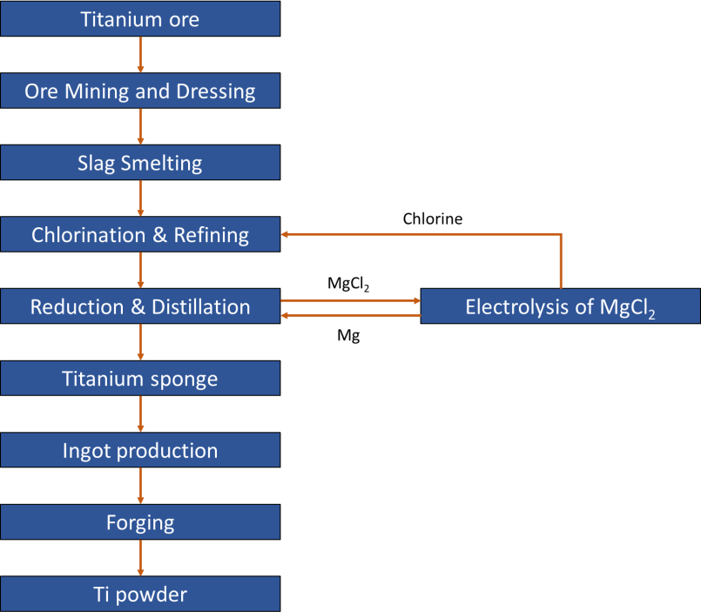

Table 20
5 RARE-EARTH ELEMENTS (REEs)
5.1 Significance, Production and Imports
REEs refer to a group of 17 elements in the Periodic Table that constitute the “lanthanide group” (atomic nos.: 57 to 71), along with yttrium (atomic no.: 39) and scandium (atomic no.: 21). These elements have similar and unique physical and chemical properties and distinctive structure (4f orbitals) (Vahidi and Zhao, 2017). This has led to their use in many high- tech industries/products, such as wind turbines (magnets), optics, fluorescent lighting (phosphors), ceramics, lasers, defense systems, catalytic converters, and hybrid and electric vehicles (rechargeable batteries and magnets) (Balaram, 2019; Zaimes et al., 2015). The use of REEs in such a vast range of sectors, especially in green energy and energy efficiency technologies, has led to most of these REEs being classified as a critical mineral in the United States (US Department of the Interior, 2022; US DOE, 2020). REEs are classified into three groups based on their weights as light, medium, and heavy rare-earth elements. Table 20 shows the various REEs classified under these three groups.
Table 20: Classification of REEs under different groups
Group | Rare Earth Element
Light Rare-Earths (LREEs) | Lanthanum (La), Cerium (Ce), Praseodymium (Pr), Neodymium (Nd), Promethium (Pm)
Medium Rare-Earths (MREEs) | Samarium (Sm), Europium (Eu), Gadolinium (Gd)
Heavy Rare-Earths (HREEs) | Terbium (Tb), Dysprosium (Dy), Holmium (Ho), Erbium (Er), Thulium (Tm), Ytterbium (Yb), Lutetium (Lu) Scandium (Sc) and Yttrium (Y) (typically considered in this group though their atomic weight is lower)
Although REEs are relatively abundant, they are dispersed across ores in several geographies at very low concentrations, with only a few ores containing economically extractable REE reserves (USGS, 2022a; Zaimes et al., 2015). These ores are processed to first produce rare-earth oxides (or REOs), which are subsequently processed further to produce the final REEs. Given this chronology, REE production (at the mine level) is determined in REO- equivalent amounts or the amount of REO that can be produced from the quantity of material mined (USGS, 2022a).
In terms of REO-equivalent production, China has been the global leader for the last decade, accounting for 60% of production in 2021, with other significant producers being the United States (15%), Burma (9%), and Australia (8%) (USGS, 2022a). The lone ore source of REEs in the US is Mountain Pass, CA, which is operated on a care-and-maintenance mode (USGS, 2022a). However, the US Geological Survey data indicates that the US exports its REO- equivalent mined material production to China for further processing to REO and final REE (USGS, 2022a). Overall, the US has a > 90% import dependence for REEs and REE compounds, most of which are imported from China (USGS, 2022a). The US Geological Survey also shows a
similar production situation for scandium and yttrium to REEs, with the US being entirely import-dependent for the domestic needs of both these elements (USGS, 2022a). China, Russia, and the Philippines are major global scandium producers, while China and Burma dominate global yttrium production, with the predominant share of their imports to the US coming from China (USGS, 2022a).
5.2 REE Ore Sources
Globally, three types of ores dominate REE production: bastnäsite, monazite, and ion- adsorption clays (Bailey et al., 2020; Vahidi et al., 2016; Vahidi and Zhao, 2017). Bastnäsite is a rare-earth fluoro-carbonate mineral, while monazite is a reddish-brown rare-earth phosphate mineral (Balaram, 2019). Ion-adsorption clays, better known as weathered clays, contain clay minerals like kaolin that contain REE ions (Vahidi et al., 2016). These ions are typically adsorbed from water that has dissolved REEs present in the parent rocks of clay formations such as granite (Vahidi et al., 2016). Such dissolution of rare-earth ions happens when two conditions are met: (a) Prolonged weathering of sedimentary rocks (containing REEs) that experience limited erosion; and (b) Presence of a clay crust with high aluminosilicate content that is capable of adsorbing REE ions (Vahidi et al., 2016).
As mentioned above, China dominates global REE production and is the biggest source of REE imports for the US. In China, REEs are extracted mainly in two regions: the Bayan Obo area in Inner Mongolia (that hosts a mix of bastnäsite and monazite ores), and Southern China (where the primary REE ore type is ion-adsorption clay) (Vahidi et al., 2016; Vahidi and Zhao, 2017). Within China’s overall REO-equivalent mined mineral production, ~90% was obtained from the mix of bastnäsite and monazite reserves, with the remaining material obtained from ion- adsorption clay ores. Although bastnäsite and monazite ores dominate the overall REE production, ion-adsorption clays are vital as they are needed to produce several heavy rare-earth elements (HREEs), as the content of these HREEs in bastnäsite and monazite reserves is negligible (Gupta et al., 2004; Schüler et al., 2011; Shi, 2009; Vahidi et al., 2016).
5.3 REE Production Processes
Given China’s dominance in both REE production and the proportion of U.S.’s REE imports from China, we consider all production of final REE material, beginning with ore extraction, to be China-based processes. We acknowledge that about one-fifth of the United States’ REE and REE compound imports come from other nations such as Japan, Estonia, and Malaysia (USGS, 2022a). However, it must be noted that even these nations process mineral concentrates from China and Australia for REE production (USGS, 2022a). Moreover, all processes described here for REE production are expected to also apply to similar minerals obtained from the other geographies.
The production of REEs from ores is a complex process undertaken across multiple steps. These steps can be grouped into two categories: (a) Production of rare-earth oxides (REOs) from the mined material/mineral; and (b) Production of REEs from REOs (Bailey et al., 2020; Vahidi
et al., 2016; Vahidi and Zhao, 2018, 2017). We describe both these groups of processes in the sub-sections below.
5.3.1 Production of Rare Earth Oxides (REOs)
Production of REOs from ion-adsorption clays requires a very different set of processes compared to those needed for bastnäsite and monazite ores, at least until the leaching stage. The processes used for each ore type are described in the subsections below.
5.3.1.1 REO Production from Bastnäsite and Monazite Ores
Figure 6 shows a schematic of the process steps used for REO production from bastnäsite and monazite ores, while Figure 7 shows a detailed schematic of the solvent extraction step used for these ores (Vahidi and Zhao, 2017). A description of these schematics is given below.
Figure 6: Schematic of REO production from bastnäsite and monazite ores (reproduced using (Bailey et al., 2020; Vahidi et al., 2016; Vahidi and Zhao, 2018, 2017))
 | 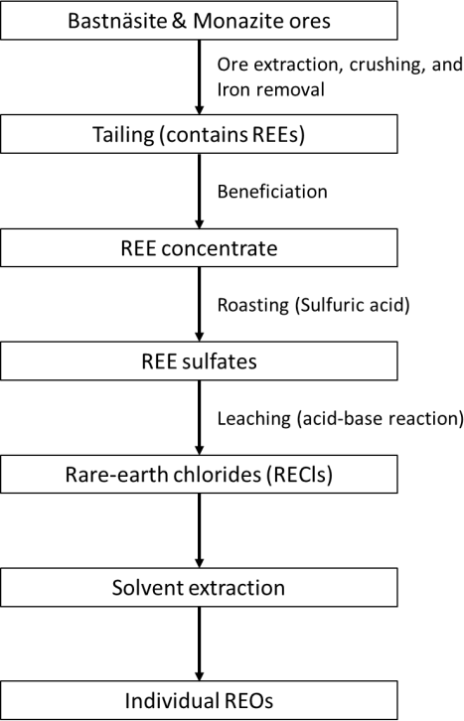
Figure 7: Schematic of solvent extraction of REOs (reproduced using (Bailey et al., 2020; Vahidi et al., 2016; Vahidi and Zhao, 2018, 2017))
China’s Bayan Obo mine contains both bastnäsite and monazite reserves along with iron ores, all of which are extracted through open-pit mining (Bailey et al., 2020; Gupta and Krishnamurthy, 2016; Vahidi et al., 2016; Vahidi and Zhao, 2017). As Figure 6 shows, the ore is mined, crushed, and then treated with magnetic separation to remove iron content (Vahidi et al., 2016). The tailing (leftover material that contains REEs) is beneficiated via several conditioning treatments with steam and other reagents (such as fatty acids, sodium silicate, or hydroxomates like hydrogen peroxide) to obtain an REE concentrate with REO content of ~60% (Bailey et al., 2020; Gupta and Krishnamurthy, 2016; Vahidi et al., 2016). REE concentrate is roasted with sulfuric acid (H2SO4) at 550-650 °C, leaving behind REE precipitates as double sulfates (Bailey et al., 2020). These sulfates are leached using an acid-base reaction in two steps. First, REE double sulfates are reacted with dilute hydrochloric acid (HCl) and then subjected to alkaline treatment to selectively precipitate out the undesirable concentrates as residue (Bailey et al., 2020). Next, the useful sulfates are transformed into rare-earth chlorides (or RECls) by reaction with concentrated HCl (Bailey et al., 2020). Note that the leachate (material obtained from the leaching process) is a mixture of various RECls, and therefore, contains REE ions.
The most crucial step in REO production comes after leaching: solvent extraction – where the mix of REE ions is separated into individual REOs (Figure 7). A typical solvent extraction facility passes the leachate through multiple stages of mixer settlers (Vahidi and Zhao, 2017). Across these stages, the leachate is mixed with one of two organic extractants: P2O4 (Di- 2-ethylhexyl phosphoric acid) or P5O7 (2-ethylhexyl phosphoric acid mono-2-ethylhexylester) (Bailey et al., 2020; Gupta and Krishnamurthy, 2016; Vahidi and Zhao, 2017). This blending causes REE ions (present in the aqueous phase) to move to the organic phase, where they can form more soluble REE compounds (Vahidi and Zhao, 2017). This is represented in the solvent
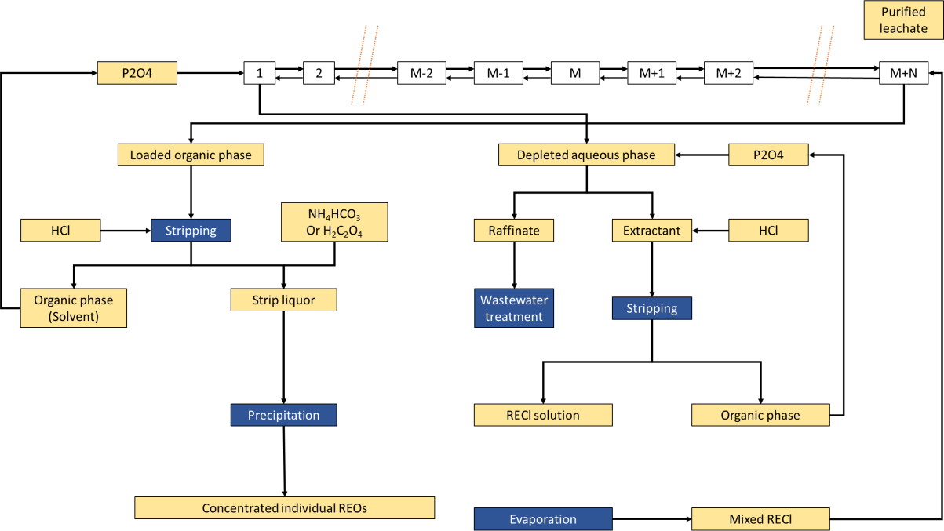
extraction facility’s counterflow of organic and aqueous phases, where the aqueous phase moves from mixer settler m to m-1 simultaneously with the organic phase moving from mixer settler m to m+1 (Figure 7). The loaded organic phase (containing REE ions) is then transferred for stripping, which completely reverses the reaction in mixer settlers of solvent extraction. Here, the organic phase is reacted with HCl, causing REE ions to transfer into a fresh aqueous medium due to their better solubility in this phase (Bailey et al., 2020; Vahidi and Zhao, 2017). This aqueous medium (also known as strip liquor) has an REE ion concentration nearly 10-100 times that in the leachate (Bailey et al., 2020). The stripped liquor is then reacted with either ammonium bicarbonate (NH4HCO3) or oxalic acid (C2H2O4) to precipitate REE ions, which are calcined to obtain the concentrated, individual REOs (Gupta and Krishnamurthy, 2016; Vahidi and Zhao, 2017).
5.3.1.2 REO Production from Ion-Adsorption Clays
Compared to bastnäsite and monazite ores, REE extraction from ion-adsorption clays involves fewer steps, as shown in the schematic in Figure 8. The initial step is leaching, with several techniques available for this purpose, such as tank/pool, heap, and in-situ leaching (Schüler et al., 2011; Vahidi et al., 2016). The dominant leaching technology is in-situ leaching, as it requires less topsoil removal, has lower adverse environmental effects than other leaching methods, and can be conducted on the site of the ore (Schüler et al., 2011; Vahidi et al., 2016; Wu, 2005). The actual in-situ leaching process involves a more complex setup. After selecting appropriate sites for mine exploration and injection wells throughout the site, an extensive pipeline network is built that consists of two major pipe systems (Vahidi et al., 2016; Yang et al., 2013). One system delivers ammonium sulfate ((NH4)2SO4) as the leaching agent for ion- exchange reaction while also flushing water at the end of mining, while the other system is used to collect the leachate in pools (Vahidi et al., 2016; Zhu et al., 2013). Ion-adsorption clays are leached with ammonium sulfate over 150-400 days to produce leachate with high REE content for further processing. The residual REE-containing solution (with very low REO content) is flushed out by injecting freshwater (Vahidi et al., 2016; Zhu et al., 2013). Leachate (from in-situ leaching) is purified using impurity-removing agents and is then reacted with either ammonium bicarbonate (NH4HCO3) or oxalic acid (C2H2O4) to precipitate the REE ions (Vahidi et al., 2016). While ammonium bicarbonate is preferred for its lower costs and reduced environmental impacts, oxalic acid can deliver higher purity product and help avoid challenges in the subsequent dehydration step that are seen upon using ammonium bicarbonate (Chi et al., 2003; Vahidi et al., 2016). In either case, the precipitates are dehydrated to remove water, filtered, mechanically pressed, and

Figure 8: Schematic of REO production from ion-adsorption clays
5.3.2 Production of Rare Earth Elements (REEs)
Regardless of the ore type, solvent extraction leads to the obtainment of separate, individual REOs. However, the strong affinity of REEs to oxygen makes the breakdown of REEs a challenging task (Vahidi and Zhao, 2018). The typical technique used to produce REEs from REOs is molten salt electrolysis (MSE), where the REOs are converted to rare-earth halides (usually rare-earth fluorides or REFs) and then reduced to REEs (Vahidi and Zhao, 2018). MSE has been reported to be effective in producing some REEs, such as lanthanum, cerium, praseodymium, and neodymium, from their respective REOs (Lee and Wen, 2017). However, other types of reduction methods, such as calciothermic and metallothermic reduction, have also been indicated as being usable for other REEs like gadolinium, holmium, samarium, and ytterbium (Vahidi and Zhao, 2018)
Figure 9 shows the general schematic of the process flow used to produce REEs from REOs, (Vahidi and Zhao, 2018). Initially, rare-earth fluorides (REFs) are produced by passing dry hydrogen fluoride (HF) gas via a sealed tube of nickel alloy and reacting it with REOs at 550-650°C in an electric fluoride furnace. To achieve higher reaction efficiencies and minimal loss of HF, a water spray absorption system is used to convert waste HF into hydrofluoric acid (20%) solution. The REFs obtained from this process are combined with lithium fluoride (LiF) in an 85:15 ratio, and the blend is mixed with REOs – it is this mixture (REO/LiF/REF) that is used

in a molten state as the MSE electrolyte. While LiF both reduces the melting point of the electrolyte and enhances its conductivity, REFs help improve the solubility of REOs in the electrolyte. The MSE cell also employs cathodes made from tantalum, tungsten, or molybdenum (molybdenum is the most used among these), and graphitic anodes. REE ions reduce to metallic REE at the cathode, while oxygen ions oxidize and react with a graphite anode to produce CO and CO2.
Figure 9: Schematic of REE production from REO
5.4 REE Production: Material and Energy Flows
Life-cycle analysis (LCA) of REE production has been conducted in multiple studies over the past ten years. All these studies provide material and energy flow details for producing REO/REE from one of the three ore types (bastnäsite, monazite, and ion-adsorption), with most studies based on China. Table 21 lists these studies, including their geography of focus, their system boundary, and ore type.
 | 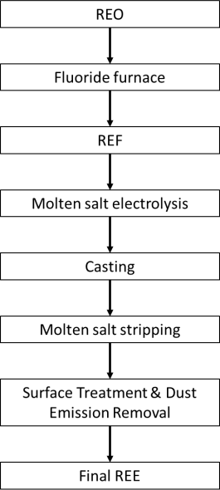

Table 27
Table 26: Material and energy flows of Nd(Dy)FeB magnet production
Materials/Energy Sources |  | Nd(Dy) FeB Magnet
Material inputs (ton/ton of magnet)
Water |  | 6.0
Sulfuric acid |  | 0.0014
Sodium hydroxide (50% in solution) |  | 0.001
Hydrogen |  | 0.6
Dysprosium oxide |  | 0.091
Iron |  | 0.83
Boron carbide |  | 0.015
Neodymium |  | 0.31
Nickel |  | 0.011
Energy inputs (mmBtu/ton of magnet)
Electricity |  | 43.303
Table 27: REE mix used in Ni-MH batteries
REEs | Wt.% within REEs used in Ni-MH batteries (wt.%)
Lanthanum (La) | 17.2
Neodymium (Nd) | 28.7
Samarium (Sm) | 39.5
Praseodymium (Pr) | 14.6
6 INTERMEDIATE MATERIALS: MATERIAL AND ENERGY FLOWS
6.1 Sodium Silicate
Apart from its considerable abundance, silicon (Si) is also known to form a long list of important compounds, next only to carbon (Martha et al., 2022). Silicates comprise a crucial chunk of these compounds, found both in natural forms and also produced in mass quantities (Fawer et al., 1999; Liu and Ott, 2020). Sodium silicate (SS) is considered among the most significant silicates due to its favorable properties, such as its non-toxicity, non-flammable and non-explosive nature, low costs, and its recognition as an environment-friendly substance (Liu and Ott, 2020). These properties enable SS to be used extensively over a diverse range of sectors, including in adhesives, binders, cleaning compounds, corrosion inhibitors, catalyst bases, coatings, detergents, and in geothermal well applications (like drilling and integrity repair of casing wells) (Liu and Ott, 2020). Here, SS is used in the beneficiation process for REO production from bastnäsite and monazite ores (Bailey et al., 2020), and is thus, an input flow for this process in the updated GREET® model.
Figure 10: Schematic of production of sodium silicate (SS)
Figure 10 shows the schematic for the production of SS powders (Fawer et al., 1999). Silica sand is hydrothermally dissolved in sodium hydroxide solution in autoclaves that can withstand the extreme operating conditions used for this step. The product from this step (SS solution, 48% solid) is spray-dried to yield SS hydrous powders (with 20% water content). These powders are used in the beneficiation process for REO production (Bailey et al., 2020). Table 28 provides the material and energy flows for SS production (Fawer et al., 1999).
 | 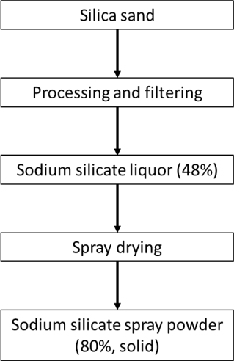

Table 29
6.3 Hydrogen Pentoxide (H2O5)
Hydrogen pentoxide (H2O5) is produced via a chemical reaction between ozone (O3) and hydrogen peroxide (H2O2) (Tizaoui et al., 2007). More details on this chemical remain unavailable, so no energy inputs are considered in its production. Table 30 shows the material flows for H2O5 production based on mass stoichiometry.
Table 30: Material and energy flows for hydrogen pentoxide production
Material | Value
Material inputs (ton/ton of hydrogen pentoxide produced)
Ozone | 0.585
Hydrogen peroxide | 0.415
6.4 P204
Di-2-ethylhexyl phosphoric acid, or P204, is a commonly used organic extractant (Vahidi and Zhao, 2017). It is primarily used in the hydrometallurgical separation/production of copper, cobalt, nickel, and REEs (Vahidi and Zhao, 2017). Figure 11 shows the schematic for P204 production, with its brief description given below (Vahidi and Zhao, 2017).
Figure 11: Schematic of production of P204 (di-2-ethylhexyl phosphoric acid) (Vahidi and Zhao, 2017)
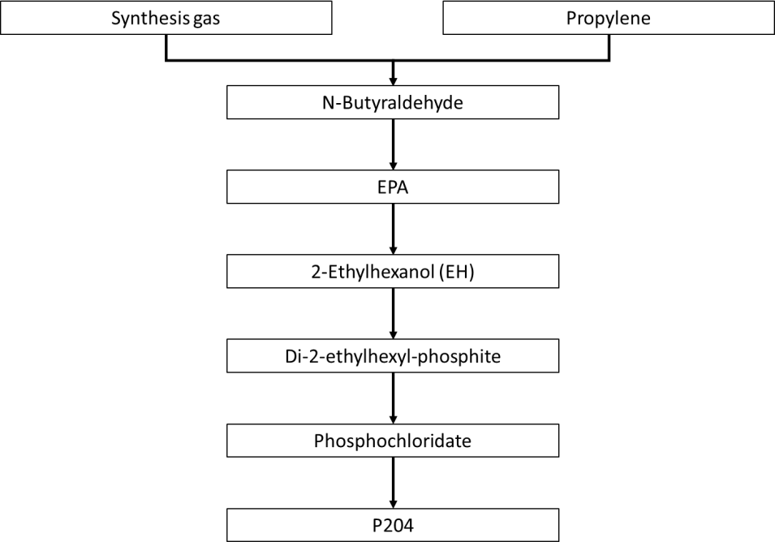
First, synthesis gas (CO + H2 gas) is reacted with propylene to produce normal butyraldehyde. Next, n-butyraldehyde molecules are reacted via aldolization to produce butyraldol, that is converted to 2-ethyl 3-propyl acrolein (EPA) by dehydration reaction in the presence of aqueous caustic soda at 120°C. EPA is then hydrogenated at ~160°C and 30 bar to produce 2-ethylhexanol as a byproduct, which is reacted with phosphorus trichloride (PCl3) in an esterification reaction under inert atmosphere at 10-15°C. Chlorine is then added to the mixture at 20°C over 2-3 hours to produce phosphochloridate through oxidizing diphosphite. Finally, hydrolysis is conducted at 80-100°C for 2 h over-and-beyond the stoichiometric amount to produce P204. Table 31 shows the material and energy flows for the production of P204.

Table 30
Table 31: Material and energy flows for P204 production
Material/Energy Source | Value
Material inputs (ton/ton of P204 produced)
Water | 0.362
Sodium hydroxide (50% in solution) | 0.166
Carbon monoxide | 1.03
Phosphorus trichloride | 0.616
Propylene | 0.286
Hydrogen | 1.55
Nitrogen | 0.273
Energy inputs (ton/ton of P204 produced)
Electricity | 0.773
6.5 Ammonium bicarbonate (NH4HCO3)
Ammonium bicarbonate is obtained through an endothermic reaction of water (H2O), ammonia (NH3), and carbon dioxide (CO2) (Althaus et al., 2007). Table 32 lists the material and energy flows of NH4HCO3 production (Althaus et al., 2007).
Table 32: Material and energy flows for ammonium bicarbonate production
Material/Energy Source | Value
Material inputs (ton/ton of material produced)
Water | 0.24
Ammonia | 0.227
Carbon dioxide | 0.586
Energy inputs (ton/ton of material produced)
Electricity | 0.999
REFERENCES
Althaus, H.-J., Hischier, R., Osses, M., Primas, A., Hellweg, S., Jungbluth, N., Chudacoff, M., Chudacoff, Ö., 2007. Life Cycle Inventories of Chemicals - Data v2.0 (2007). Zurich. Babbitt, C.W., Althaf, S., Cruz Rios, F., Bilec, M.M., Graedel, T.E., 2021. The role of design in circular economy solutions for critical materials. One Earth 4, 353–362. https://doi.org/10.1016/J.ONEEAR.2021.02.014 Bailey, G., Joyce, P.J., Schrijvers, D., Schulze, R., Sylvestre, A.M., Sprecher, B., Vahidi, E., Dewulf, W., Van Acker, K., 2020. Review and new life cycle assessment for rare earth production from bastnäsite, ion adsorption clays and lateritic monazite. Resour. Conserv. Recycl. 155, 104675. https://doi.org/10.1016/J.RESCONREC.2019.104675 Balaram, V., 2019. Rare earth elements: A review of applications, occurrence, exploration, analysis, recycling, and environmental impact. Geosci. Front. 10, 1285–1303. https://doi.org/10.1016/J.GSF.2018.12.005 Benavides, P.T., Dai, Q., Sullivan, J.L., Kelly, J.C., Dunn, J.B., 2015. Material and Energy Flows Associated with Select Metals in GREET 2. Molybdenum, Platinum, Zinc, Nickel, Silicon (No. ANL/ESD-15/11). Argonne, IL (United States). https://doi.org/10.2172/1224976 Brinson, A., Gioia, M. De, Tanudisastro, G.F., Jimenez, M.L., Djohari, J.T., Sykes, C., 2020. Zero Emission Copper Mine of the Future. Chen, J., Wang, Z., Wu, Y., Li, L., Li, B., Pan, D., Zuo, T., 2019. Environmental benefits of secondary copper from primary copper based on life cycle assessment in China. Resour. Conserv. Recycl. 146, 35–44. https://doi.org/10.1016/J.RESCONREC.2019.03.020 Chi, R., Zhou, Z., Xu, Z., Hu, Y., Zhu, G., Xu, S., 2003. Solution-chemistry analysis of ammonium bicarbonate consumption in rare-earth-element precipitation. Metall. Mater. Trans. B 34, 611–617. https://doi.org/10.1007/s11663-003-0031-z Da Silva, L.M., Franco, D. V., Sousa, L.G., Gonçalves, I.C., 2010. Characterization of an electrochemical reactor for the ozone production in elec

Elshkaki, A., Reck, B.K., Graedel, T.E., 2017. Anthropogenic nickel supply, demand, and associated energy and water use. Resour. Conserv. Recycl. 125, 300–307. https://doi.org/10.1016/J.RESCONREC.2017.07.002 Evans, P., 2015. Density of Gases [WWW Document]. Eng. Mindset. URL https://theengineeringmindset.com/density-of-gases/ (accessed 10.19.22). Fawer, M., Concannon, M., Rieber, W., 1999. Life cycle inventories for the production of sodium silicates. Int. J. Life Cycle Assess. 1999 44 4, 207–212. https://doi.org/10.1007/BF02979498 Franco, D. V., Jardim, W.F., Boodts, J.F.C., Da Silva, L.M., 2008. Electrochemical Ozone Production as an Environmentally Friendly Technology for Water Treatment. CLEAN – Soil, Air, Water 36, 34–44. https://doi.org/10.1002/CLEN.200700080 Free, M.L., 2020. A brief introduction to production of titanium dioxide and titanium tetrachloride, in: Fang, Z.Z., Froes, F.H., Zhang, Y. (Eds.), Extractive Metallurgy of Titanium: Conventional and Recent Advances in Extraction and Production of Titanium Metal. Elsevier, pp. 13–18. https://doi.org/10.1016/B978-0-12-817200-1.00002-8 Fthenakis, V., Wang, W., Kim, H.C., 2009. Life cycle inventory analysis of the production of metals used in photovoltaics. Renew. Sustain. Energy Rev. 13, 493–517. https://doi.org/10.1016/J.RSER.2007.11.012 Gao, F., Nie, Z., Yang, D., Sun, B., Liu, Y., Gong, X., Wang, Z., 2018. Environmental impacts analysis of titanium sponge production using Kroll process in China. J. Clean. Prod. 174, 771–779. https://doi.org/10.1016/J.JCLEPRO.2017.09.240 Gaustad, G., Krystofik, M., Bustamante, M., Badami, K., 2018. Circular economy strategies for mitigating critical material supply issues. Resour. Conserv. Recycl. 135, 24–33. https://doi.org/10.1016/J.RESCONREC.2017.08.002 Guohua, Y., Elshkaki, A., Xiao, X., 2021. Dynamic analysis of future nickel demand, supply, and associated materials, energy, water, and carbon emissions in China. Resour. Policy 74, 102432. https://doi.org/10.1

Ikhlayel, M., 2017. Evaluation of the environmental impacts of rare earth elements production. http://dx.doi.org/10.1080/00207233.2017.1341737 74, 939–957. https://doi.org/10.1080/00207233.2017.1341737 Jin, H., Afiuny, P., McIntyre, T., Yih, Y., Sutherland, J.W., 2016. Comparative Life Cycle Assessment of NdFeB Magnets: Virgin Production versus Magnet-to-Magnet Recycling. Procedia CIRP 48, 45–50. https://doi.org/10.1016/J.PROCIR.2016.03.013 Kelly, J.C., Dai, Q., Wang, M., 2019. Globally regional life cycle analysis of automotive lithium- ion nickel manganese cobalt batteries. Mitig. Adapt. Strateg. Glob. Chang. 2019 253 25, 371–396. https://doi.org/10.1007/S11027-019-09869-2 Kerfoot, D.E.G., 2000. Nickel, in: Weinhelim: VCH Verlag (Ed.), Ullmann’s Encyclopedia of Industrial Chemistry. John Wiley & Sons, Ltd, Weinheim, Germany, pp. 158–219. https://doi.org/10.1002/14356007.A17_157 Khoo, J.Z., Haque, N., Bhattacharya, S., 2017a. Process simulation and exergy analysis of two nickel laterite processing technologies. Int. J. Miner. Process. 161, 83–93. https://doi.org/10.1016/J.MINPRO.2017.02.012 Khoo, J.Z., Haque, N., Woodbridge, G., McDonald, R., Bhattacharya, S., 2017b. A life cycle assessment of a new laterite processing technology. J. Clean. Prod. 142, 1765–1777. https://doi.org/10.1016/J.JCLEPRO.2016.11.111 Koppelaar, R.H.E.M., Koppelaar, H., 2016. The Ore Grade and Depth Influence on Copper Energy Inputs. Biophys. Econ. Resour. Qual. 1, 1–16. https://doi.org/10.1007/S41247-016- 0012-X Kuipers, K.J.J., van Oers, L.F.C.M., Verboon, M., van der Voet, E., 2018. Assessing environmental implications associated with global copper demand and supply scenarios from 2010 to 2050. Glob. Environ. Chang. 49, 106–115. https://doi.org/10.1016/J.GLOENVCHA.2018.02.008 Kulczycka, J., Lelek, Ł., Lewandowska, A., Wirth, H., Bergesen, J.D., 2016. Environmental Impacts of Energy-Efficient Pyrometallurgical Copper Smelting Technologies: The Consequences of Technological Changes

Magara, Y., Itoh, M., Morioka, T., 1995. Application of ozone to water treatment and power consumption of ozone generating systems. Prog. Nucl. Energy 29, 175–182. https://doi.org/10.1016/0149-1970(95)00041-H Martha, S.K., Elias, L., Ghosh, S., 2022. Nanostructured 3D (three dimensional) electrode architectures of silicon for high-performance Li-ion batteries. Silicon Anode Syst. Lithium- Ion Batter. 331–371. https://doi.org/10.1016/B978-0-12-819660-1.00013-X Meshram, P., Pandey, B.D., Mankhand, T.R., 2016. Process optimization and kinetics for leaching of rare earth metals from the spent Ni–metal hydride batteries. Waste Manag. 51, 196–203. https://doi.org/10.1016/J.WASMAN.2015.12.018 Middlemas, S., Fang, Z.Z., Fan, P., 2015. Life cycle assessment comparison of emerging and traditional Titanium dioxide manufacturing processes. J. Clean. Prod. 89, 137–147. https://doi.org/10.1016/J.JCLEPRO.2014.11.019 Moreau, K., Laamanen, C., Bose, R., Shang, H., Scott, J.A., 2021. Environmental impact improvements due to introducing automation into underground copper mines. Int. J. Min. Sci. Technol. 31, 1159–1167. https://doi.org/10.1016/J.IJMST.2021.11.009 Mudd, G.M., 2010. Global trends and environmental issues in nickel mining: Sulfides versus laterites. Ore Geol. Rev. 38, 9–26. https://doi.org/10.1016/J.OREGEOREV.2010.05.003 Mudd, G.M., Jowitt, S.M., 2014. A Detailed Assessment of Global Nickel Resource Trends and Endowments. Econ. Geol. 109, 1813–1841. https://doi.org/10.2113/ECONGEO.109.7.1813 Mudd, G.M., Weng, Z., Jowitt, S.M., 2013. A Detailed Assessment of Global Cu Resource Trends and Endowments. Econ. Geol. 108, 1163–1183. https://doi.org/10.2113/ECONGEO.108.5.1163 Navarro, J., Zhao, F., 2014. Life-cycle assessment of the production of rare-earth elements for energy applications: A review. Front. Energy Res. 2, 45. https://doi.org/10.3389/FENRG.2014.00045/BIBTEX Nordelöf, A., Tillman, A.M., 2018. A scalable life cycle inventory of an electrical automotive trac

Northey, S., Haque, N., Mudd, G., 2013. Using sustainability reporting to assess the environmental footprint of copper mining. J. Clean. Prod. 40, 118–128. https://doi.org/10.1016/J.JCLEPRO.2012.09.027 Northey, S., Mohr, S., Mudd, G.M., Weng, Z., Giurco, D., 2014. Modelling future copper ore grade decline based on a detailed assessment of copper resources and mining. Resour. Conserv. Recycl. 83, 190–201. https://doi.org/10.1016/J.RESCONREC.2013.10.005 Northey, S.A., Haque, N., Lovel, R., Cooksey, M.A., 2014. Evaluating the application of water footprint methods to primary metal production systems. Miner. Eng. 69, 65–80. https://doi.org/10.1016/J.MINENG.2014.07.006 Nuss, P., Eckelman, M.J., Yamaguchi, H., Inaba, A., Friedlander, E., 2014. Life Cycle Assessment of Metals: A Scientific Synthesis. PLoS One 9, e101298. https://doi.org/10.1371/journal.pone.0101298 Perks, C., Mudd, G., 2019. Titanium, zirconium resources and production: A state of the art literature review. Ore Geol. Rev. 107, 629–646. https://doi.org/10.1016/J.OREGEOREV.2019.02.025 Sanjuan-Delmás, D., Alvarenga, R.A.F., Lindblom, M., Kampmann, T.C., van Oers, L., Guinée, J.B., Dewulf, J., 2022. Environmental assessment of copper production in Europe: an LCA case study from Sweden conducted using two conventional software-database setups. Int. J. Life Cycle Assess. 27, 255–266. https://doi.org/10.1007/S11367-021-02018-5/TABLES/5 Schreiber, A., Marx, J., Zapp, P., Hake, J.F., Voßenkaul, D., Friedrich, B., 2016. Environmental Impacts of Rare Earth Mining and Separation Based on Eudialyte: A New European Way. Resour. 2016, Vol. 5, Page 32 5, 32. https://doi.org/10.3390/RESOURCES5040032 Schüler, D., Buchert, M., Liu, R., Dittrich, S., Merz, C., 2011. Study on Rare Earths and their Recycling. Darmstadt. Schulze, R., Lartigue-Peyrou, F., Ding, J., Schebek, L., Buchert, M., 2017. Developing a Life Cycle Inventory for Rare Earth Oxides from Ion-Adsorption Deposits: Key Impacts and Further Research Needs.

Sphera, 2020. Life Cycle Assessment of Nickel Products. Sprecher, B., Xiao, Y., Walton, A., Speight, J., Harris, R., Kleijn, R., Visser, G., Kramer, G.J., 2014. Life cycle inventory of the production of rare earths and the subsequent production of NdFeB rare earth permanent magnets. Environ. Sci. Technol. 48, 3951–3958. https://doi.org/10.1021/ES404596Q/SUPPL_FILE/ES404596Q_SI_002.XLSX Sverdrup, H.U., Ragnarsdottir, K.V., Koca, D., 2014. On modelling the global copper mining rates, market supply, copper price and the end of copper reserves. Resour. Conserv. Recycl. 87, 158–174. https://doi.org/10.1016/J.RESCONREC.2014.03.007 Tizaoui, C., Bouselmi, L., Mansouri, L., Ghrabi, A., 2007. Landfill leachate treatment with ozone and ozone/hydrogen peroxide systems. J. Hazard. Mater. 140, 316–324. https://doi.org/10.1016/J.JHAZMAT.2006.09.023 US Department of the Interior, 2022. 2022 Final List of Critical Minerals, Federal Register. Office of the Federal Register. US DoE, 2011. Critical Materials Strategy. Washington DC. US DOE, 2020. Critical Minerals and Materials: U.S. Department of Energy’s Strategy to Support Domestic Critical Mineral and Material Supply Chains (FY 2021-FY 2031). Washington DC. https://doi.org/10.3133/70194932 USGS, 2022a. Mineral Commodity Summaries 2022, Mineral Commodity Summaries. Reston. https://doi.org/10.3133/MCS2022 USGS, 2022b. USGS.gov | Science for a changing world [WWW Document]. U.S. Dep. Inter. URL https://www.usgs.gov/ (accessed 3.3.22). Vahidi, E., Navarro, J., Zhao, F., 2016. An initial life cycle assessment of rare earth oxides production from ion-adsorption clays. Resour. Conserv. Recycl. 113, 1–11. https://doi.org/10.1016/j.resconrec.2016.05.006 Vahidi, E., Zhao, F., 2018. Assessing the environmental footprint of the production of rare earth metals and alloys via molten salt electrolysis. Resour. Conserv. Recycl. 139, 178–187. https://doi.org/10.1016/J.RESCONREC.2018.08.010 Vahidi, E., Zhao, F., 2017. Environmental life

Wang, H.T., Liu, Y., Gong, X.Z., Wang, Z.H., Gao, F., Nie, Z.R., 2015. Life Cycle Assessment of Metallic Copper Produced by the Pyrometallurgical Technology of China. Mater. Sci. Forum 814, 559–563. https://doi.org/10.4028/WWW.SCIENTIFIC.NET/MSF.814.559 Wang, M., Elgowainy, A., Lee, U., Baek, K.H., Bafana, A., Benavides, P.T., Burnham, A., Cai, H., Cappello, V., Chen, P., Gan, Y., Gracida-Alvarez, U.R., Hawkins, T.R., Iyer, R.K., Kelly, J.C., Kim, T., Kumar, S., Kwon, H., Lee, K., Liu, X., Lu, Z., Masum, F.H., Ng, C., Ou, L., Reddi, K., Siddique, N., Sun, P., Vyawahare, P., Xu, H., Zaimes, G.G., 2022. Summary of Expansions and Updates in GREET® 2022 (No. ANL/ESIA-22/1). Argonne, IL (United States). https://doi.org/10.2172/1891644 Wang, M., Elgowainy, A., Lee, U., Bafana, A., Banerjee, S., Benavides, P.T., Bobba, P., Burnham, A., Cai, H., Gracida-Alvarez, U.R., Hawkins, T.R., Iyer, R.K., Kelly, J.C., Kim, T., Kingsbury, K., Kwon, H., Li, Y., Liu, X., Lu, Z., Ou, L., Siddique, N., Sun, P., Vyawahare, P., Winjobi, O., Wu, M., Xu, H., Yoo, E., Zaimes, G.G., Zang, G., 2021. Summary of Expansions and Updates in GREET® 2021 (No. ANL/ESD-21/16). Lemont. Wei, W., Samuelsson, P.B., Tilliander, A., Gyllenram, R., Jönsson, P.G., 2020. Energy Consumption and Greenhouse Gas Emissions of Nickel Products. Energies 2020, Vol. 13, Page 5664 13, 5664. https://doi.org/10.3390/EN13215664 Weng, Z., Haque, N., Mudd, G.M., Jowitt, S.M., 2016. Assessing the energy requirements and global warming potential of the production of rare earth elements. J. Clean. Prod. 139, 1282–1297. https://doi.org/10.1016/J.JCLEPRO.2016.08.132 Winjobi, O., Kelly, J.C., Dai, Q., 2022. Life-cycle analysis, by global region, of automotive lithium-ion nickel manganese cobalt batteries of varying nickel content. Sustain. Mater. Technol. 32, e00415. https://doi.org/10.1016/J.SUSMAT.2022.E00415 Wu, W.Y., 2005. Rare-Earth Metallurgy (in Chinese), 1st ed. Chemical Industry Press, Beijing. Xia, Y., Lefler, H


Zaimes, G.G., Hubler, B.J., Wang, S., Khanna, V., 2015. Environmental life cycle perspective on rare earth oxide production. ACS Sustain. Chem. Eng. 3, 237–244. https://doi.org/10.1021/SC500573B/SUPPL_FILE/SC500573B_SI_001.PDF Zhang, L.C., Chen, L.Y., Wang, L., 2020. Surface Modification of Titanium and Titanium Alloys: Technologies, Developments, and Future Interests. Adv. Eng. Mater. 22, 1901258. https://doi.org/10.1002/ADEM.201901258 Zhang, W., Zhu, Z., Cheng, C.Y., 2011. A literature review of titanium metallurgical processes. Hydrometallurgy 108, 177–188. https://doi.org/10.1016/J.HYDROMET.2011.04.005 Zhu, Q., Tian, C., Xiao, Z., Liu, Z., 2013. Research Progress and Developing Trend of Soil Nitrogen in Ion-type Rare Earth with In-situ Leaching (in Chinese). Nonferrous Met. Eng. Res. 2, 40–43.
This page intentionally left blank.

