Read Me
Instructions on how to complete and use this file

General instructions:
Please fill and complete the template as much as possible.
When completing, please follow the color code (provided below).
In the “Value”, “Quantity” or “Characteristic” cells (column G in "Use" and "Manufacturing" worksheets): when applicable, please provide mean values. If the mean value is unknown, please provide value ranges. If value or quantity is zero or not applicable, please write: "0" (zero), if information is not available please write "n.a."
Values and quantities can be expressed using formulas when there is a correlation between the requested parameters. If and where formulas are used, please include a description and brief explanation of the formula in the “Comments” column.
For any value/quantity that you provide, please indicate its units. If the value is dimensionless note a hyphen (-).
In some cases, the units have been indicated. Please provide the values in the given units, unless the units are given as examples, e.g., provided in a "blue-colored" cell (see color code at the bottom of this sheet) or noted in italic red letters such as: "e.g. piece or kg".
Only use SI units (kg, m…).
It is important to have an estimation of the uncertainty of the data provided on each row. For this reason different alternatives to indicate it are provided. In hierarchical order (i.e, from most to least preferred) these are:
Please use the “Comments” column to document or provide any additional information or clarification regarding the data requested and given on each row.
In the “References” column, please provide the reference number assigned to the source (further explanation below in the section: “Instructions by sheet”, → “References”.
“Uncertainty” and “Distribution” columns (column I and J respectively), please indicate either:
Pedigree matrix: drop-down list for 5 categories and 5 scores to select from. Please provide scores for all categories. Column K-O in “Use” sheet and P-T in “Manufacturing” sheet.
Expert estimate data quality assessment: drop-down list for 1 category and 4 scores to select from. Column P in “Use” sheet and U in “Manufacturing” sheet.
Confidence interval*
Range (max & min values) * AND/OR
Standard deviation (SD), mean, and distribution (in the “Distribution” column) *
* Please, also use the “Comments” column to provide any relevant/additional information
GO TO COLOR CODE

------ Naming Convention of the file ------
(this section can be adjusted as needed by LCA practitioner)
Multiple chemistries, battery-pack architectures, and time scenarios will be studied. When varying these parameters, please complete and provide a new template (excel file) for each case. You can create a copy of this excel file, complete it with the new information and rename it (using the naming convention provided below).
Please name the file using the following naming convention: yyyy_battery_chemistry.xslx

Instructions by sheet:

0 | "Read Me" sheet: contains the instructions on how to use this template.

 | → | Please read carefully and follow all the instructions. In case of any questions please contact LCA practitioner(s). |  | See sheet: | "Contact details"

1 | "Contact details" sheet: contains contact details of LCA practitioner(s) and data provider(s)

 | → | Please complete contact information in Data Provider table. In case of any questions please contact LCA practitioner(s). |  |  | See sheet: | "Contact details"

2 | "Use" sheet contents: collects the overall parameters and technical specifications of the studied system pertaining to its use phase.

 |  | System: | Battery pack

 | TABLES:
Please provide the requested information in the "blue-colored" input cells (columns G-R).
Please be aware that some cells have a drop-down list (refer to the color-coding below). For these cells, please select one of the options provided in the list.
If there are any other parameters or specifications related to the use phase of the system that the LCA practitioner needs to be aware of please include them by adding as many rows as needed.

 | FIGURES:
Diagrams and figures related to the use phase can be incorporated next to the text box(es).
Use text box(es) to provide additional description of the use phase of the system, the diagrams, and figues to aid interpretation.

3 | "Manufacturing" sheet contents:

 | TABLES: Collect the information about the components, materials and energy needed in the production/assembly of the system and its main parts.
Each table (LCI block) corresponds to a component or subprocess of the main system (see figure below). For example, Table 1 starts by identifying the main components of “A”. As we move down the file, we zoom into the less processed materials (e.g., raw materials such as metals, chemicals, etc.) that are needed to produce the sub-components of the main components of “A”. These “levels” are represented each in one table. The tables are designed to reflect the materials and energy requirements needed to produce either 1 kg or 1 piece of “product”, as indicated in the first rows of each table (see 4th and 5th row, columns G and H). In all tables, please make sure to:
Specify which units you are using (e.g., kg or piece).
Be consistent with the units selected. For example: if in Table 1 you indicated that to produce 1 piece of “A” you will need to use “x” kg of “B”, then in Table 2 (corresponding to, e.g., production of “B”), you will need to provide the materials needed to produce 1 kg of “B” and not 1 piece of “B” and vice versa.
When asked for the weight ( 5th row, column I on each table), please indicate the weight of 1 piece. For example, in Table 1, you need to provide the weight of 1 piece of “A” in kg.

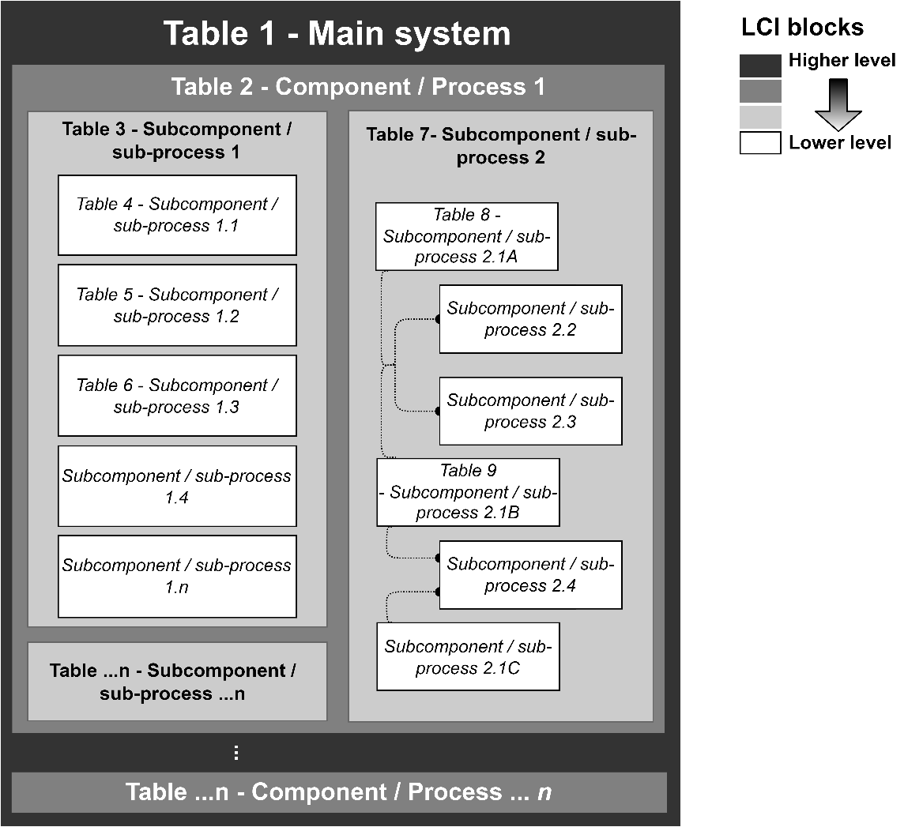

In addition to the instructions listed in the “general instructions” section (above), please check the contents of "column E" (list of components/materials (inputs), byproducts (outputs), processes demanding electricity/heat, water use, and emissions). If items are missing, please add them (you can add as many rows as needed) and make sure to provide the information requested in columns F-X. According to your data availability, it is also possible to change/amend the names that have been pre-identified and indicated in "column E".
"Column D" is to be used by the LCA practitioner only (see color codes below) and is used to map the respective material or process indicated in coumn E to a product or process name/code/id already available in an LCI database such as: ecoinvent, GaBi, or an inhouse developed database.
Regarding the electricity, heat, and water needs and the emissions requested on each table: if possible (preferred), please provide these for each process step (disaggregated). If not, indicate the totals of these for the whole process (aggregated).
If any byproducts originate from the manufacturing process, please list them in "column E" in the "Byproducts" rows and provide (as much as possible) the information requested in columns F-X for each byproduct.
For the chemical compounds, if available, please provide information about the production route (most common), conversion rate, chemical reaction(s), and precursor(s). Use the "Comments" column to give such details.
“Column F” can be used to indicate the fraction of each item provided in “column E”. In the same column in the 5th and 6th row of each table, a fraction check (green colored cell) can be done by adding the fractions provided in the input rows and subtracting the ones in the output rows.
A weight check is also possible in “column J” in the 5th and 6th row of each table (green colored cell).
“Column K” refers to the ratio between the quantity or amount of material or component contained in the final product with respect to the total quantity or amount needed for its production, including waste. For example, let us assume that for the production of “A”, we need to provide 0.7units of “y” out of which only 0.5units of “y” will be contained in the final product “A”. Thus, 0.2units of “y” will be lost (e.g., discarded as waste from cutting or other processing). The ratio of “y” is then defined as: 0.7units /0.5units. If there is no wasted product , e.g., the ratio is not applicable or the difference between the material provided and the one contained in the final product is < 0.0001units (provided - contained ≤ 0.0001) please note "1" (one) in the ratio column, if information about the ratio is unkown or not available please note "n.a."
The quantity or amount of material or component provided in “column G” should include waste. This quantity will correspond to 0.7 kg of “y”, using the above example.
In "column L", please provide information about how the excess material (waste from the manufacturing) listed on each row of each table is handled. Using the example above, one can say; "the waste management of the 0.2kg excess of “y” needed to produce “A” will be recycled in the production of “A” or “B” cathod", or "the excess of “y” will be disposed through the “y” recycling market" or "it will be incinerated" etc...
Please be aware that columns P-U have a drop-down list and an option from this list must be selected.
In "column X" please provide a link to the technical datasheet when applicable. Alternatively, the datasheets can be provided as a digital copy. If this is preferred, please use this column to indicate the name given to the datasheet digital file to facilitate data review and documentation.

 | BYPASS TABLE(S): to be used when no detailed/disaggregated information is available as requested by some tables.

Please only complete/use this table in case disaggregated data is not available.
Tables to be replaced by the bypass table(s) are indicated in a note provided in “column E” next to the headline of the respective bypass table.

 | FIGURES: these accompany each of the tables depicted in this worksheet.

Diagrams and figures of the process flow diagram, including the most relevant production/assembly process steps, can be added to the right of the text box.
Text boxes collect the description of the production/assembly process represented in the table each is accompanying.
Please provide a clear and detailed description of the process to aid interpretation. The current description can be used as an example and adjusted as needed.

4 | "EOL" sheet contents:
Use the text box(es) to provide any insight or information related to the end of life of the system (e.g., collection, routing, & disposal)

5 | "References" sheet: collects the source references from where the data was extracted.
Please use “column C” to list the different sources/references used for the data provided.
Please assign a number in “column B” to each source listed in “column C”. This number will be used as an identifier to cite the source in the “References” column provided in each of the other worksheets (e.g., the “Use” and “Manufacturing”).
If the reference is a webpage, please include the URL in “column C” and the date when the site was accessed in “column D”.
If the source is not a scientific article, book chapter, or another type of publication, please cite the reference according to the following points:
For measurements on-site: “Measurement documentation, company/organization XY”.
For oral communications: “Oral communication, company/organization XY”
For written communications: “Personal written communication, Mr./Mrs. Z, company/organization XY”
For expert estimates: “Expert estimate from, Mr./Mrs. Z, company/organization XY”
Citations of large reference works should include chapter number(s), table number(s), and page number(s).
When sending back the completed excel file(s), please include a digital copy of all the references used. When naming the digital copies, make sure to add the reference number or identifier assigned to that particular reference at the beginning. For example:
“1_Kampker A (2016) Evaluation of a remanufacturing for Lithium-ion batteries from electric cars”.

6 | "Feedback" sheet: used to provide feedback to the data provider and request clarification

Collects all the feedback, questions, and clarifications addressed by the LCA practitioner to the data provider throughout the several iterations needed to complete the template.

Color codes:

 |  | Cell color | Meaning
 |  |  | Dark blue cell. Input cell

 |  |  | Light blue cell. Input cell with drop-down list. Please provide input from drop down list options
...

Manufacturing
...
Battery pack production steps:
Production volume: 900 GWh [https://energycentral.com/c/ec/world-battery-production]
Time period: e.g. 2020
This process corresponds to the production of a lithium-ion battery pack containing modules with single cells each. The dimensions and weight of the battery pack are: 1695 L and 3065 kg respectively. The battery pack provides an electric power of 549 kWh and a voltage of 1173 V.
Technology: during the charge process, lithium ion moves from the cathode (LiMn2O4) into the electrolyte (LiPF6 in ethylene carbonate) through the micropores of the separator into the anode (lithium ion intercalation). During the discharge of the battery the Li+-ions move back into the cathode.
Geography: The data is valid for Global
Included activities: Raw materials and energy needed for the production and assembly of the battery pack and its corresponding main components: battery module, battery management system (BMS), cables, cooling system and casing.
The main assembly/production steps are: see diagram extracted from ref 30.
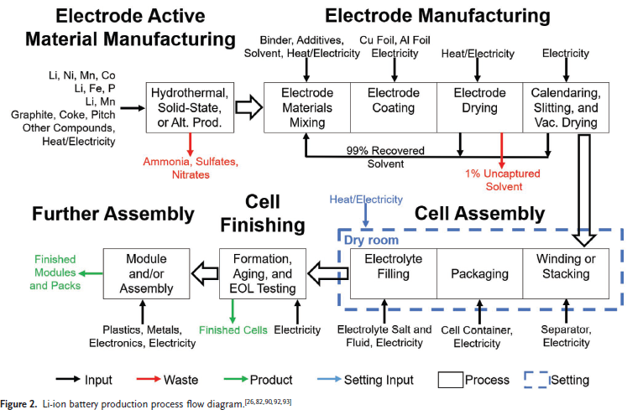
 |  |  |  |  |  | FIGURE 1 | Process description: | PRODUCTION OF 1 BATTERY PACK
 |  |  |  |  | -
 |  |  |  |  | -
 | Expert data quality assessment | References | Comments | Technical datasheet link | -
 |  |  |  |  | -
Further technological correlation | Expert estimate | References | Comments | Technical datasheet link | -
1_Data from enterprises, processes and materials under study |  | 10, & BFH own calculations for the number of modules | Every components have the lifetime of the battery pack. BP weight based on the fact that the cell weight 71.26% of total weight | - | -
1_Data from enterprises, processes and materials under study |  | 10, 12 |  |  | -
1_Data from enterprises, processes and materials under study |  | 10 | ONLY the Module can be replaced during the lifetime |  | -
3_Data from processes and materials under study but from different technology |  | 3, 13 |  |  | -
1_Data from enterprises, processes and materials under study |  | 10 |  |  | -
 |  |  |  |  | -
 |  |  |  |  | -
Further technological correlation | Expert estimate | References | Comments | Technical datasheet link | -
 |  |  |  |  | -
 |  |  |  |  | -
 |  |  |  |  | -
Further technological correlation | Expert estimate | References | Comments | Technical datasheet link | -
1_Data from enterprises, processes and materials under study |  | 4 | Took 9 data points, Large distribution due to assumptions. |  | -
1_Data from enterprises, processes and materials under study |  | 4 | Additional info but not major anymore (Energy needed by nominal kWh of the battery) |  | -
 |  | 5 | Additional info but not major anymore |  | -
 |  |  | Always based on Battery pack level - ( Battery pack kg or Battery pack energy). |  | -
 |  |  |  |  | -
 |  |  |  |  | -
 |  |  |  |  | -
 |  |  |  |  | -
Further technological correlation | Expert estimate | References | Comments | Technical datasheet link | -
 |  |  |  |  | -
 |  |  |  |  | -
 |  |  |  |  | -
 |  |  |  |  | -
1_Data from enterprises, processes and materials under study |  | 4 | Took 9 data points, Large distribution due to assumptions. |  | -
 |  |  |  |  | -

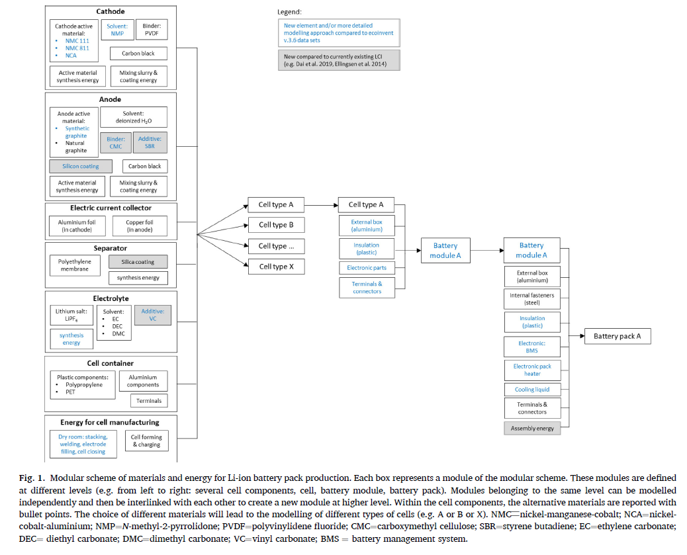
Battery module production : Battery pack Components
Production volume: x
Time period: 2020
This block diagram summarizes the components involved in a battery pack from single chemical element to the overall battery pack. digram extracted from reference 5.
Technology: Lithium - ion batteries. Specifically for NMC 811. But same idea for other chemistries.
Geography: The data is valid for Global
Included activities: Raw materials and energy needed for the production and assembly of the battery module and its corresponding main components: battery cells, clamping frame, sensors, terminals, cell interconnects, cooling system and casing.
The main assembly/production steps are: described above.
 |  |  |  |  |  | FIGURE 2 | Process description: | PRODUCTION OF 1 BATTERY MODULE
 |  |  |  |  | -
 |  |  |  |  | -
 | Expert data quality assessment | References | Comments | Technical datasheet link | -
 |  |  |  |  | -
Further technological correlation | Expert estimate | References | Comments | Technical datasheet link | -
2_Data from processes and materials under study (i.e. identical technology) but from different enterprises |  | 14 | BFH own calculations (fraction and number of cells) |  | -
3_Data from processes and materials under study but from different technology |  | 3, 12 |  |  | -
3_Data from processes and materials under study but from different technology |  | 3, 13 |  |  | -
 |  |  |  |  | -
 |  |  |  |  | -
Further technological correlation | Expert estimate | References | Comments | Technical datasheet link | -
 |  |  |  |  | -
 |  |  |  |  | -
 |  |  |  |  | -
Further technological correlation | Expert estimate | References | Comments | Technical datasheet link | -
 |  |  | Took 9 data points, Large distribution due to assumptions. |  | -
 |  |  |  |  | -
 |  |  |  |  | -
 |  |  |  |  | -
 |  |  |  |  | -
 |  |  |  |  | -
Further technological correlation | Expert estimate | References | Comments | Technical datasheet link | -
 |  |  |  |  | -
 |  |  |  |  | -
 |  |  |  |  | -
 |  |  |  |  | -
 |  |  |  |  | -

Battery cell production (edit description as needed. Try to include as much information as possible):
Production volume:
Time period: e.g. 2020
This process corresponds to the production of a lithium-ion battery cell. Dimensions and weight of the battery cell are: 0,92*13,3*20 cm and 0.53 kg respectively. The battery cell provides an electric power of 36 Ah and a voltage of 3.7 V.
Technology: During the charge process, lithium ion move from the cathode (LiMn2O4) into the electrolyte (LiPF6 in ethylene carbonate) through the micropores of the separator into the anode (lithium ion intercalation). During the discharge of the battery the Li+-ions move back into the cathode.
Geography: The data is valid for Global.
Included activities: Raw materials and energy needed for the production and assembly of the battery cell and its corresponding main components: cathode, anode, separator, electrolyte and casing. The single cells are filled with electrolyte (LiPF6 in ethylencarbonate) in an inert atmosphere and packed up in a polyethylene envelope.
Emissions table provided to the right extracted from reference 4
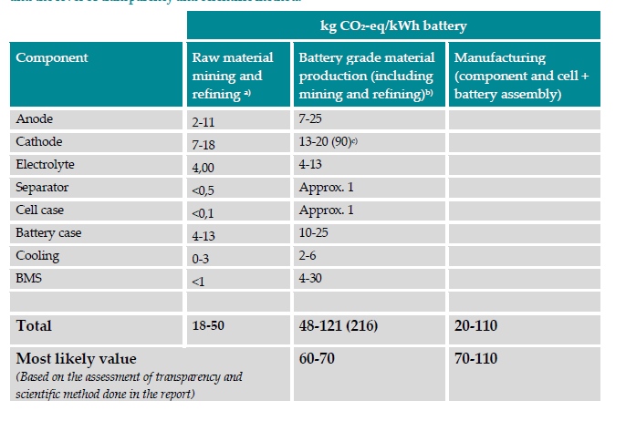
 |  |  |  |  |  | FIGURE 3 | Process description: | PRODUCTION OF 1 BATTERY CELL
 |  |  |  |  | -
 |  |  |  |  | -
 | Expert data quality assessment | References | Comments | Technical datasheet link | -
 |  | weight of 1 cell from datasheet |  |  | -
Further technological correlation | Expert estimate | References | Comments | Technical datasheet link | -
1_Data from enterprises, processes and materials under study | 1_Formal expert elicitation with (empirical) database trasparent procedure and fully informed experts on the subject | 6, 15 | From BatPac cell | Values of uncertainty (0-5 %) because value might chance a little but this value was measured and calculate for a real cell. So, Accurate value that might change a bit depending on the actual product) | -
1_Data from enterprises, processes and materials under study | 1_Formal expert elicitation with (empirical) database trasparent procedure and fully informed experts on the subject | 6, 16 |  |  | -
1_Data from enterprises, processes and materials under study | 1_Formal expert elicitation with (empirical) database trasparent procedure and fully informed experts on the subject | 6, 17 | 0.041 Liter of electrolyte, Density 1.2 kg/L |  | -
1_Data from enterprises, processes and materials under study | 1_Formal expert elicitation with (empirical) database trasparent procedure and fully informed experts on the subject | 6, 18 | 1.5cm thickness, Density 0.55 g/cm3, Surface area 0.738 cm2 . |  | -
1_Data from enterprises, processes and materials under study | 1_Formal expert elicitation with (empirical) database trasparent procedure and fully informed experts on the subject | 6, 19 | - |  | -
1_Data from enterprises, processes and materials under study | 1_Formal expert elicitation with (empirical) database trasparent procedure and fully informed experts on the subject | 6, 20 | Thickness 15 mm, density 2.7 kg/m3, 0.388 area in m2 |  | -
1_Data from enterprises, processes and materials under study | 1_Formal expert elicitation with (empirical) database trasparent procedure and fully informed experts on the subject | 6, 21 | Thickness 15 mm, density 8.96 kg/m3, 0.317 m2 surface area |  | -
1_Data from enterprises, processes and materials under study | 1_Formal expert elicitation with (empirical) database trasparent procedure and fully informed experts on the subject | 6, 19 |  |  | -
1_Data from enterprises, processes and materials under study | 1_Formal expert elicitation with (empirical) database trasparent procedure and fully informed experts on the subject | 6, 22 |  |  | -
 |  |  |  |  | -
 |  |  |  |  | -
 |  |  |  |  | -
Further technological correlation | Expert estimate | References | Comments | Technical datasheet link | -
 |  |  |  |  | -
 |  |  |  |  | -
 |  |  |  |  | -
Further technological correlation | Expert estimate | References | Comments | Technical datasheet link | -
2_Data from processes and materials under study (i.e. identical technology) but from different enterprises |  | 4 | Energy needed by kWh of battery cell produced. Could implement table with % for every steps |  | -
 |  |  |  |  | -
 |  |  |  |  | -
 |  |  |  |  | -
 |  |  |  |  | -
 |  |  |  |  | -
Further technological correlation | Expert estimate | References | Comments | Technical datasheet link | -
 |  |  |  |  | -
 |  |  |  |  | -
 |  |  |  |  | -
 |  |  |  |  | -
 |  |  |  |  | -

Cathode production (edit description as needed. Try to include as much information as possible):
Production volume:
Time period: e.g. 2035-2038
This process corresponds to the production of a cathode for a lithium-ion battery.
Technology: e.g. This dataset includes a method of producing a cathode for a lithium ion battery. Spinell type lithium manganese oxide acts as a Li+-ion accumulator. Free Li+-ions move out of the spinell type LiMn2O4 (charge) to the electrolyte or from the electrolyte back to the LiMn2O4 spinell (discharge).
Geography: The data is valid for e.g. Global OR region (e.g. Europe) OR country (e.g. It, De…)
Included activities: Raw materials and energy needed for the production of the cathode. Active material is lithium manganese oxide, binder is LHB-108P (styrene butadiene) with the solvent water. Collector foil is aluminium, pretreated with NaOH. The collector foil is coated on 1 side with the slurry (active material, binder, solvent and conductive carbon). Then, the coated foil is dried in a "dry channel" and then coiled up. The same procedure is done for the second side of the collector foil.
The main assembly/production steps are: please add a brief description of main process steps.
Please add a picture of the process flow diagram (on the right of the text box)
 |  |  |  |  |  | FIGURE 4 | Process description: | PRODUCTION OF 1 CATHODE (incl. current collector)
 |  |  |  |  | -
 |  |  |  |  | -
 | Expert data quality assessment | References | Comments | Technical datasheet link | -
 |  |  |  |  | -
Further technological correlation | Expert estimate | References | Comments | Technical datasheet link | -
1_Data from enterprises, processes and materials under study |  | 6 | Li(N_0.8Mn_0.1Co_0.1)1.05O3_0.95 |  | -
1_Data from enterprises, processes and materials under study |  | 6 | But Stochiometry might change along with the years or manufacturer |  | -
1_Data from enterprises, processes and materials under study |  | 6 | But should be around these values |  | -
1_Data from enterprises, processes and materials under study |  | 6 |  |  | -
1_Data from enterprises, processes and materials under study |  | 6 |  |  | -
 |  |  |  |  | -
 |  |  |  |  | -
 |  |  |  |  | -
Further technological correlation | Expert estimate | References | Comments | Technical datasheet link | -
 |  |  |  |  | -
 |  |  |  |  | -
 |  |  |  |  | -
Further technological correlation | Expert estimate | References | Comments | Technical datasheet link | -
 |  |  |  |  | -
 |  |  |  |  | -
 |  |  |  |  | -
 |  |  |  |  | -
 |  |  |  |  | -
 |  |  |  |  | -
Further technological correlation | Expert estimate | References | Comments | Technical datasheet link | -
 |  |  |  |  | -
 |  |  |  |  | -
 |  |  |  |  | -
 |  |  |  |  | -
 |  |  |  |  | -

Anode production (edit description as needed. Try to include as much information as possible):
Production volume:
Time period: e.g. 2035-2038
This process corresponds to the production of an anode for a lithium-ion battery.
Technology: e.g. This dataset includes a method of producing an anode for a lithium ion battery. Graphite acts as a Li+-ion accumulator. Free Li+-ions move from the electrolyte into graphite layers (charge) or from the graphite layers back to the electrolyte (discharge).
Geography: The data is valid for e.g. Global OR region (e.g. Europe) OR country (e.g. It, De…)
Included activities: Raw materials and energy needed for the production of the anode. Active material is graphite, binder is LHB-108P (styrene butadiene) with the solvent water. Collector foil is copper, pretreated with H2SO4. The collector foil is coated on 1 side with the slurry (active material, binder, solvent and conductive carbon). Then, the coated foil is dried in a "dry channel" and then coiled up. The same procedure is done for the second side of the collector foil.
The main assembly/production steps are: please add a brief description of main process steps.
Please add a picture of the process flow diagram (on the right of the text box)
 |  |  |  |  |  | FIGURE 5 | Process description: | PRODUCTION OF 1 ANODE (incl. current collector)
 |  |  |  |  | -
 |  |  |  |  | -
 | Expert data quality assessment | References | Comments | Technical datasheet link | -
 |  |  |  |  | -
Further technological correlation | Expert estimate | References | Comments | Technical datasheet link | -
1_Data from enterprises, processes and materials under study |  | 6 | Batpac, Anode is composed of graphite with Silicon from 10 to 5 % |  | -
1_Data from enterprises, processes and materials under study |  | 6 | Batpac |  | -
 |  |  |  |  | -
 |  |  |  |  | -
Further technological correlation | Expert estimate | References | Comments | Technical datasheet link | -
 |  |  |  |  | -
 |  |  |  |  | -
 |  |  |  |  | -
Further technological correlation | Expert estimate | References | Comments | Technical datasheet link | -
 |  |  |  |  | -
 |  |  |  |  | -
 |  |  |  |  | -
 |  |  |  |  | -
 |  |  |  |  | -
 |  |  |  |  | -
Further technological correlation | Expert estimate | References | Comments | Technical datasheet link | -
 |  |  |  |  | -
 |  |  |  |  | -
 |  |  |  |  | -
 |  |  |  |  | -
 |  |  |  |  | -

Electrolyte production (edit description as needed. Try to include as much information as possible):
Production volume:
Time period: e.g. 2035-2038
This process corresponds to the production of the electrolyte for a lithium-ion battery.
Technology:
Geography: The data is valid for e.g. Global OR region (e.g. Europe) OR country (e.g. It, De…)
Included activities: Raw materials and energy needed for the production of the electrolyte.
The main assembly/production steps are: please add a brief description of main process steps.
Please add a picture of the process flow diagram (on the right of the text box)
 |  |  |  |  |  | FIGURE 6 | Process description: | PRODUCTION OF 1 ELECTROLYTE
 |  |  |  |  | -
 |  |  |  |  | -
 | Expert data quality assessment | References | Comments | Technical datasheet link | -
 |  |  |  |  | -
Further technological correlation | Expert estimate | References | Comments | Technical datasheet link | -
1_Data from enterprises, processes and materials under study |  | 6, 17 | BatPac, Composition can change from cell to cell |  | -
 |  |  |  |  | -
 |  |  |  |  | -
 |  |  |  |  | -
Further technological correlation | Expert estimate | References | Comments | Technical datasheet link | -
 |  |  |  |  | -
 |  |  |  |  | -
 |  |  |  |  | -
Further technological correlation | Expert estimate | References | Comments | Technical datasheet link | -
 |  |  |  |  | -
 |  |  |  |  | -
 |  |  |  |  | -
 |  |  |  |  | -
 |  |  |  |  | -
 |  |  |  |  | -
Further technological correlation | Expert estimate | References | Comments | Technical datasheet link | -
 |  |  |  |  | -
 |  |  |  |  | -
 |  |  |  |  | -
 |  |  |  |  | -
 |  |  |  |  | -

Separator production (edit description as needed. Try to include as much information as possible):
Production volume:
Time period: e.g. 2035-2038
This process corresponds to the production of the separator membrane between a cathode and an anode for a lithium-ion battery.
Technology: e.g. The separator separates the anode from cathode, but allows an exchange of Li+-ions through micropores. In case of high temperatures, the separator melts, closing the micopores, interrupting the Li+-ion exchange and therefore stopping the chemical process.
Geography: The data is valid for e.g. Global OR region (e.g. Europe) OR country (e.g. It, De…)
Included activities: Raw materials and energy needed for the production of the electrolyte. Polyethylene foil is coated with a slurry composed of silica, a Co-polymere of PVDF (proxy: PVF) and hexafluor ethane and dibutyl phthalate (proxy: phthalic anhydride). The polytehylene foil is coated on 1 side with the slurry. Then, the coated foil is dried in a "dry channel" (H2O content < 20 ppm) and coiled up. The same procedure is done for the second side of the collector foil.
The main assembly/production steps are: please add a brief description of main process steps.
Please add a picture of the process flow diagram (on the right of the text box)
 |  |  |  |  |  | FIGURE 7 | Process description: | PRODUCTION OF 1 SEPARATOR
 |  |  |  |  | -
 |  |  |  |  | -
 | Expert data quality assessment | References | Comments | Technical datasheet link | -
 |  |  |  |  | -
Further technological correlation | Expert estimate | References | Comments | Technical datasheet link | -
1_Data from enterprises, processes and materials under study |  | 6 | Batpac |  | -
1_Data from enterprises, processes and materials under study |  | 6 | Batpac |  | -
 |  |  |  |  | -
 |  |  |  |  | -
 |  |  |  |  | -
Further technological correlation | Expert estimate | References | Comments | Technical datasheet link | -
 |  |  |  |  | -
 |  |  |  |  | -
 |  |  |  |  | -
Further technological correlation | Expert estimate | References | Comments | Technical datasheet link | -
 |  |  |  |  | -
 |  |  |  |  | -
 |  |  |  |  | -
 |  |  |  |  | -
 |  |  |  |  | -
 |  |  |  |  | -
Further technological correlation | Expert estimate | References | Comments | Technical datasheet link | -
 |  |  |  |  | -
 |  |  |  |  | -
 |  |  |  |  | -
 |  |  |  |  | -
 |  |  |  |  | -

Battery cell casing production (edit description as needed. Try to include as much information as possible):
Production volume:
Time period: e.g. 2035-2038
This process corresponds to the production of the battery cell casing.
Technology:
Geography: The data is valid for e.g. Global OR region (e.g. Europe) OR country (e.g. It, De…)
Included activities: Raw materials and energy needed for the production of the casing.
The main assembly/production steps are: please add a brief description of main process steps.
Please add a picture of the process flow diagram (on the right of the text box)
 |  |  |  |  |  | FIGURE 8 | Process description: | PRODUCTION OF 1 CASING FOR BATTERY CELL
 |  |  |  |  | -
 |  |  |  |  | -
 | Expert data quality assessment | References | Comments | Technical datasheet link | -
 |  |  |  |  | -
Further technological correlation | Expert estimate | References | Comments | Technical datasheet link | -
1_Data from enterprises, processes and materials under study |  | 19 | For pouch cells, The casing is a thin aluminium sheet. |  | -
 |  |  |  |  | -
 |  |  |  |  | -
 |  |  |  |  | -
Further technological correlation | Expert estimate | References | Comments | Technical datasheet link | -
 |  |  |  |  | -
 |  |  |  |  | -
 |  |  |  |  | -
Further technological correlation | Expert estimate | References | Comments | Technical datasheet link | -
 |  |  |  |  | -
 |  |  |  |  | -
 |  |  |  |  | -
 |  |  |  |  | -
 |  |  |  |  | -
 |  |  |  |  | -
Further technological correlation | Expert estimate | References | Comments | Technical datasheet link | -
 |  |  |  |  | -
 |  |  |  |  | -
 |  |  |  |  | -
 |  |  |  |  | -
...
Further technological correlation | Expert estimate | References | Comments | Technical datasheet link | -
 |  |  |  |  | -
 |  |  |  |  | -
 |  |  |  |  | -
 |  |  |  |  | -
 |  |  |  |  | -

Battery module sensor system production (edit description as needed. Try to include as much information as possible):
Production volume:
Time period: e.g. 2035-2038
This process corresponds to the production of the battery module sendor system.
Technology:
Geography: The data is valid for e.g. Global OR region (e.g. Europe) OR country (e.g. It, De…)
Included activities: Raw materials and energy needed for the production of the ...
The main assembly/production steps are: please add a brief description of main process steps.
Please add a picture of the process flow diagram (on the right of the text box)
 |  |  |  |  |  | FIGURE 9 | Process description: | PRODUCTION OF 1 SENSOR & Slave boards BMS for battery module
 |  |  |  |  | -
 |  |  |  |  | -
 | Expert data quality assessment | References | Comments | Technical datasheet link | -
 |  |  | Weight is really dependent on the functions of the BMS |  | -
Further technological correlation | Expert estimate | References | Comments | Technical datasheet link | -
 | 1_Formal expert elicitation with (empirical) database trasparent procedure and fully informed experts on the subject | - | 1 Slave board per Module. Perhaps opt for existing ecoinvent process as it is unclear what is the weight contribution of the board. Lots of different components on the item. Could look at the following BMS to understand the complexity. | https://lithiumbalance.com/products/ | -
2_Data from processes and materials under study (i.e. identical technology) but from different enterprises |  | 10, 23 |  |  | -
 |  |  |  |  | -
 |  |  |  |  | -
 |  |  |  |  | -
Further technological correlation | Expert estimate | References | Comments | Technical datasheet link | -
 |  |  |  |  | -
 |  |  |  |  | -
 |  |  |  |  | -
Further technological correlation | Expert estimate | References | Comments | Technical datasheet link | -
 |  |  |  |  | -
 |  |  |  |  | -
 |  |  |  |  | -
 |  |  |  |  | -
 |  |  |  |  | -
 |  |  |  |  | -
Further technological correlation | Expert estimate | References | Comments | Technical datasheet link | -
 |  |  |  |  | -
 |  |  |  |  | -
 |  |  |  |  | -
 |  |  |  |  | -
 |  |  |  |  | -

Battery module casing production (edit description as needed. Try to include as much information as possible):
Production volume:
Time period: e.g. 2035-2038
This process corresponds to the production of the battery module casing.
Technology:
Geography: The data is valid for e.g. Global OR region (e.g. Europe) OR country (e.g. It, De…)
Included activities: Raw materials and energy needed for the production of the ...
The main assembly/production steps are: please add a brief description of main process steps.
Please add a picture of the process flow diagram (on the right of the text box)
 |  |  |  |  |  | FIGURE 10 | Process description: | PRODUCTION OF 1 CASING for battery module
 |  |  |  |  | -
 |  |  |  |  | -
 | Expert data quality assessment | References | Comments | Technical datasheet link | -
 |  |  |  |  | -
Further technological correlation | Expert estimate | References | Comments | Technical datasheet link | -
2_Data from processes and materials under study (i.e. identical technology) but from different enterprises |  | 10, 19 |  |  | -
2_Data from processes and materials under study (i.e. identical technology) but from different enterprises |  | 10, 25 |  |  | -
2_Data from processes and materials under study (i.e. identical technology) but from different enterprises |  | 10, 22 |  |  | -
2_Data from processes and materials under study (i.e. identical technology) but from different enterprises |  | 10, 25 |  |  | -
 |  |  |  |  | -
 |  |  |  |  | -
Further technological correlation | Expert estimate | References | Comments | Technical datasheet link | -
 |  |  |  |  | -
 |  |  |  |  | -
 |  |  |  |  | -
Further technological correlation | Expert estimate | References | Comments | Technical datasheet link | -
 |  |  |  |  | -
 |  |  |  |  | -
 |  |  |  |  | -
 |  |  |  |  | -
 |  |  |  |  | -
 |  |  |  |  | -
Further technological correlation | Expert estimate | References | Comments | Technical datasheet link | -
 |  |  |  |  | -
 |  |  |  |  | -
 |  |  |  |  | -
 |  |  |  |  | -
 |  |  |  |  | -

Battery management system production (edit description as needed. Try to include as much information as possible):
Production volume:
Time period: e.g. 2035-2038
This process corresponds to the production of the battery management system.
Technology:
Geography: The data is valid for e.g. Global OR region (e.g. Europe) OR country (e.g. It, De…)
Included activities: Raw materials and energy needed for the production of the ...
The main assembly/production steps are: please add a brief description of main process steps.
Please add a picture of the process flow diagram (on the right of the text box)
 |  |  |  |  |  | FIGURE 11 | Process description: | PRODUCTION OF 1 BMS for b. pack
 |  |  |  |  | -
 |  |  |  |  | -
 | Expert data quality assessment | References | Comments | Technical datasheet link | -
 |  | 10 | Lots of different components on the item Could look at the following BMS to understand the complexity | https://lithiumbalance.com/products/ | -
Further technological correlation | Expert estimate | References | Comments | Technical datasheet link | -
2_Data from processes and materials under study (i.e. identical technology) but from different enterprises |  | 10, 12 | Lots of different components on the item Could look at the following BMS to understand the complexity | https://lithiumbalance.com/products/ | -
 | 1_Formal expert elicitation with (empirical) database trasparent procedure and fully informed experts on the subject | 23 | Perhaps opt for existing ecoinvent process as it is unclear what is the weight contribution of the board. Lots of different components on the item. Could look at the following BMS to understand the complexity. | https://lithiumbalance.com/products/
 |  |  |  |  | -
 |  |  |  |  | -
 |  |  |  |  | -
Further technological correlation | Expert estimate | References | Comments | Technical datasheet link | -
 |  |  |  |  | -
 |  |  |  |  | -
 |  |  |  |  | -
Further technological correlation | Expert estimate | References | Comments | Technical datasheet link | -
 |  |  |  |  | -
 |  |  |  |  | -
 |  |  |  |  | -
 |  |  |  |  | -
 |  |  |  |  | -
 |  |  |  |  | -
Further technological correlation | Expert estimate | References | Comments | Technical datasheet link | -
 |  |  |  |  | -
 |  |  |  |  | -
 |  |  |  |  | -
 |  |  |  |  | -
 |  |  |  |  | -

Battery pack cooling system production (edit description as needed. Try to include as much information as possible):
Production volume:
Time period: e.g. 2035-2038
This process corresponds to the production of the battery pack cooling system.
Technology:
Geography: The data is valid for e.g. Global OR region (e.g. Europe) OR country (e.g. It, De…)
Included activities: Raw materials and energy needed for the production of the ...
The main assembly/production steps are: please add a brief description of main process steps.
Please add a picture of the process flow diagram (on the right of the text box)
 |  |  |  |  |  | FIGURE 12 | Process description: | PRODUCTION OF 1 COOLING SYSTEM for battery pack
 |  |  |  |  | -
 |  |  |  |  | -
 | Expert data quality assessment | References | Comments | Technical datasheet link | -
 |  |  |  |  | -
Further technological correlation | Expert estimate | References | Comments | Technical datasheet link | -
2_Data from processes and materials under study (i.e. identical technology) but from different enterprises |  | 26 |  |  | -
2_Data from processes and materials under study (i.e. identical technology) but from different enterprises |  | 19 |  |  | -
 |  |  |  |  | -
 |  |  |  |  | -
 |  |  |  |  | -
Further technological correlation | Expert estimate | References | Comments | Technical datasheet link | -
 |  |  |  |  | -
 |  |  |  |  | -
 |  |  |  |  | -
Further technological correlation | Expert estimate | References | Comments | Technical datasheet link | -
 |  |  |  |  | -
 |  |  |  |  | -
 |  |  |  |  | -
 |  |  |  |  | -
 |  |  |  |  | -
 |  |  |  |  | -
Further technological correlation | Expert estimate | References | Comments | Technical datasheet link | -
 |  |  |  |  | -
 |  |  |  |  | -
 |  |  |  |  | -
 |  |  |  |  | -
 |  |  |  |  | -

Battery pack casing production (edit description as needed. Try to include as much information as possible):
Production volume:
Time period: e.g. 2035-2038
This process corresponds to the production of the battery pack casing.
Technology:
Geography: The data is valid for e.g. Global OR region (e.g. Europe) OR country (e.g. It, De…)
Included activities: Raw materials and energy needed for the production of the ...
The main assembly/production steps are: please add a brief description of main process steps.
Please add a picture of the process flow diagram (on the right of the text box)
 |  |  |  |  |  | FIGURE 13 | Process description: | PRODUCTION OF 1 CASING for battery pack
 |  |  |  |  | -
 |  |  |  |  | -
 | Expert data quality assessment | References | Comments | Technical datasheet link | -
 |  |  |  |  | -
Further technological correlation | Expert estimate | References | Comments | Technical datasheet link | -
2_Data from processes and materials under study (i.e. identical technology) but from different enterprises |  | 10, 19 |  |  | -
2_Data from processes and materials under study (i.e. identical technology) but from different enterprises |  | 10, 27 |  |  | -
2_Data from processes and materials under study (i.e. identical technology) but from different enterprises |  | 10 22 |  |  | -
 |  |  |  |  | -
 |  |  |  |  | -
 |  |  |  |  | -
Further technological correlation | Expert estimate | References | Comments | Technical datasheet link | -
 |  |  |  |  | -
 |  |  |  |  | -
 |  |  |  |  | -
Further technological correlation | Expert estimate | References | Comments | Technical datasheet link | -
 |  |  |  |  | -
 |  |  |  |  | -
 |  |  |  |  | -
 |  |  |  |  | -
 |  |  |  |  | -
 |  |  |  |  | -
Further technological correlation | Expert estimate | References | Comments | Technical datasheet link | -
 |  |  |  |  | -
 |  |  |  |  | -
...

Feedback
NOTES:
1) First 4 rows of the table have been indicated as an example on how feedback can be provided and the use of the color codes.
2) Hyphen "-" is used to complete empty cells.
3) Doble hyphen "--" is used to indicate that feedback item indicated in that row is not carried to next review iteration as it was resolved in a previous iteration.
Color codes according to cell styles
no action needed
minor action needed
action needed

 |  |  | ← insert column pair to the left for each iteration needed |  | ← insert column pair to the left for each iteration needed |  | ← insert column pair to the left for each iteration needed
Worksheet | Table | Cell | Third iteration (29.11) |  | Second iteration (29.11) |  | First iteration
 |  |  | LCA practitioner | Data provider | LCA practitioner | Data provider | LCA practitioner | Data provider
Manufacturing | General |  | Ok now | - | Mostly done | - | When using pedigree matrix column N-R, please provide scores for all 5 categories | - | -
Manufacturing | General |  | Ok now | - | Mostly done | - | If numerical uncertainty is unknown (column G), the pedigree matrix (columns N-R) can be used to provide a qualitative estimation. However if data can be provided for both then this should be done. | - | -
Manufacturing | General |  | -- | -- | Answered by Bruno | - | For casings tables 8, 14, 18 please clarify if there is only 1 casing at the pack level or if the module and cells have a casing as well. We don't want to double count. | ==> Casing for Cell/ Module and BP | -
Manufacturing | General |  | -- | -- | Answered by Bruno | - | Please include lifetime | ==> All components are made to survive the lifteime of the Cell/ Battery pack, Only the module can be changed before. | -
Manufacturing | General |  |  | - | Partially provided. However, text in textboxes incomplete | - | It is helpful to include diagrams of the production process and some description. For that use text boxes in Battery_pack worksheet also noted as Figures. | - | -
Manufacturing | T1 | Piece | Ok now | - | Please indicate if this is kg or piece cell G9 | - | - | - | -
...

