Nassar2022
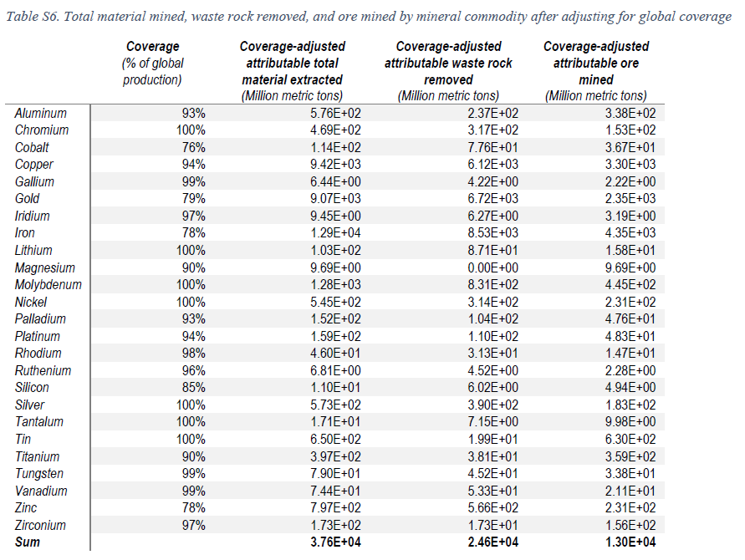
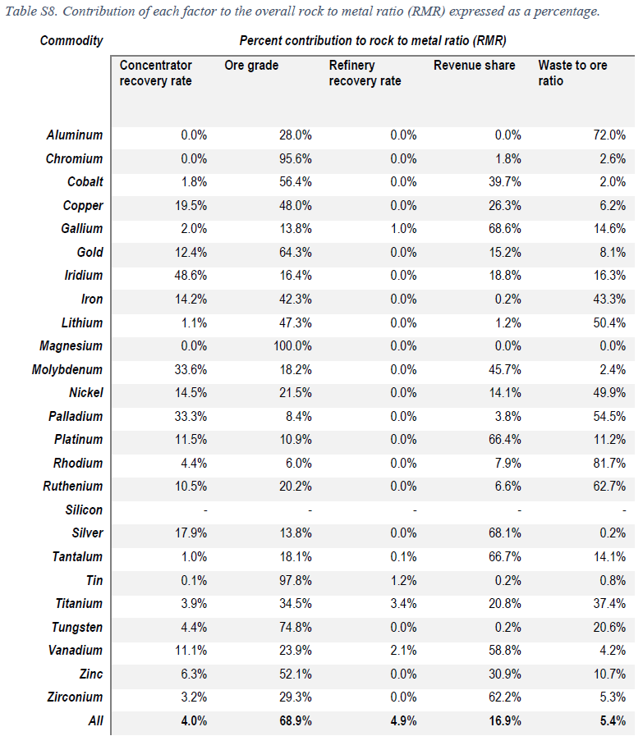
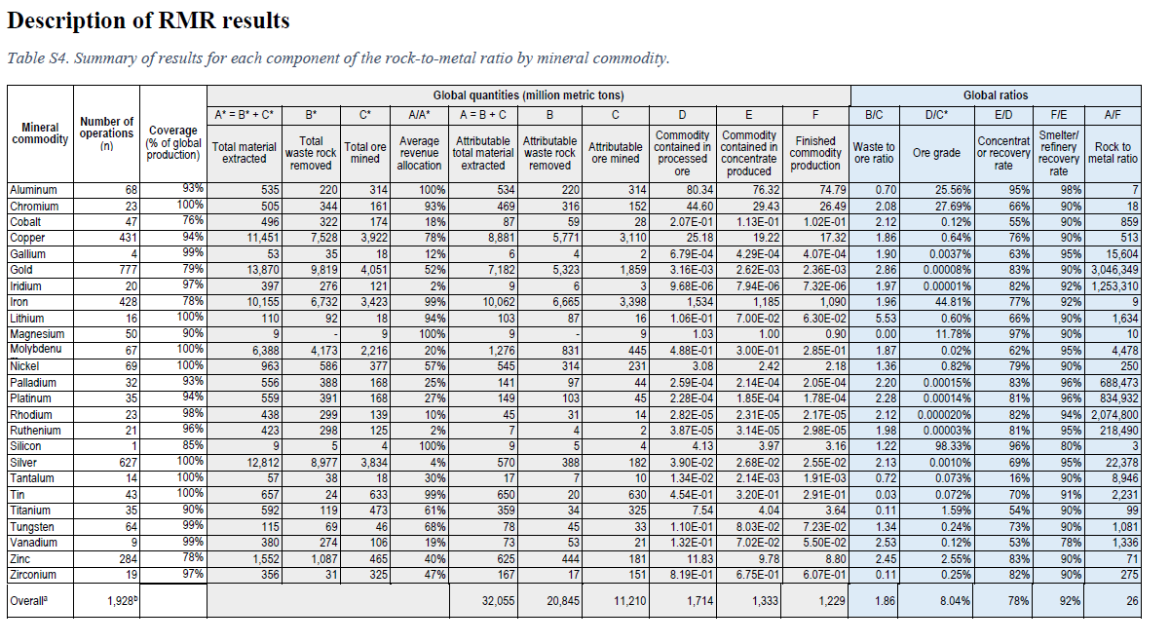
 |  | Waste to ore ratio | Ore grade | Concentration or recovery rate | Smelter/ refinery recovery rate | Rock to metal
Aluminum | Al |  |  | 95% | 98%
Chromium | Cr |  |  | 66% | 90%
Cobalt | Co |  |  | 55% | 90%
Copper | Cu |  |  | 76% | 90%
Gallium | Ga |  |  | 63% | 95%
Gold | Au |  |  | 83% | 90%
Iridium | Ir |  |  | 82% | 92%
Iron | Fe |  |  | 77% | 92%
Lithium | Li |  |  | 66% | 90%
Magnesium | Mg |  |  | 97% | 90%
Molybdenum | Mo |  |  | 62% | 95%
Nickel | Ni |  |  | 79% | 90%
Palladium | Pd |  |  | 83% | 96%
Platinum | Pt |  |  | 81% | 96%
Rhodium | Rh |  |  | 82% | 94%
Ruthenium | Ru |  |  | 81% | 95%
Silicon | Si |  |  | 96% | 80%
Silver | Ag |  |  | 69% | 95%
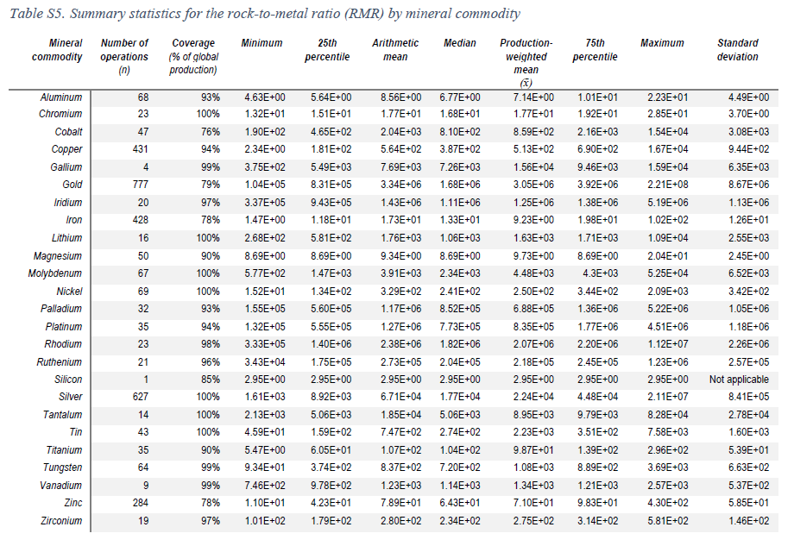
Tantalum | Ta |  |  | 16% | 90%
Tin | Sn |  |  | 70% | 91%
Titanium | Ti |  |  | 54% | 90%
Tungsten | W |  |  | 73% | 90%
Vanadium | V |  |  | 53% | 78%
Zinc | Zn |  |  | 83% | 90%
Zirconium | Zr |  |  | 82% | 90%

Harpeccht2021_OG_NRJ
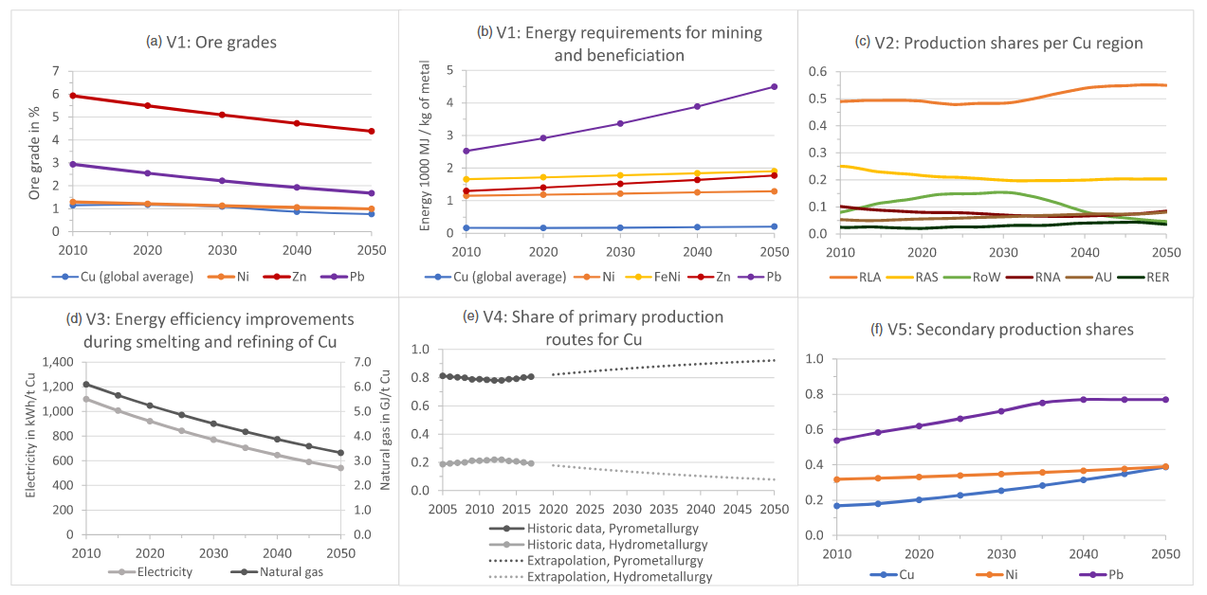
 | Ore grade (in %)
year | Cu (global average) | Ni | Zn | Pb
2010 | 1.15 | 1.30 | 5.93 | 2.94
2020 | 1.17 | 1.2 | 5.5 | 2.6
2030 | 1.09 | 1.13 | 5.09 | 2.22
2040 | 0.87 | 1.06 | 4.72 | 1.93
2050 | 0.77 | 0.99 | 4.38 | 1.68

 | Energy requirements in MJ / kg of metal produced
 | Zn | Pb | Ni | FeNi | Cu (global average)
1900 | 551.94 | 517.24 | 846.04 | 1139.35
1910 | 596.56 | 597.44 | 870.17 | 1179.02
1920 | 644.79 | 690.07 | 895.00 | 1220.08
1930 | 696.92 | 797.07 | 920.53 | 1262.56
1940 | 753.26 | 920.65 | 946.80 | 1306.52
1950 | 814.16 | 1063.40 | 973.81 | 1352.01
1960 | 879.98 | 1228.28 | 1001.59 | 1399.09
1970 | 951.12 | 1418.73 | 1030.16 | 1447.81
1980 | 1028.02 | 1638.70 | 1059.55 | 1498.22
1990 | 1111.13 | 1892.78 | 1089.78 | 1550.39
2000 | 1200.96 | 2186.26 | 1120.87 | 1604.37
2010 | 1298.05 | 2525.24 | 1152.85 | 1660.24 | 166.48
2020 | 1402.99 | 2916.78 | 1185.74 | 1718.04 | 164.88
2030 | 1516.42 | 3369.03 | 1219.57 | 1777.87 | 171.32
2040 | 1639.02 | 3891.39 | 1254.36 | 1839.77 | 193.52
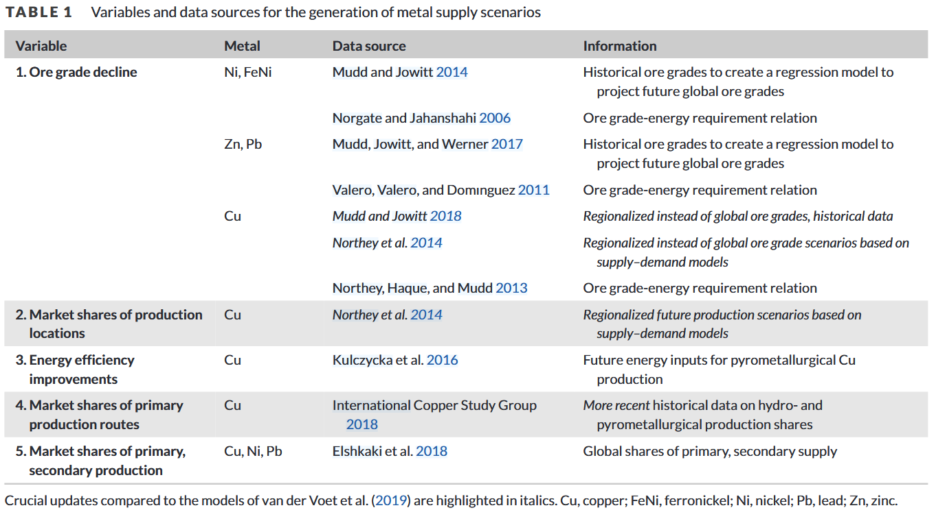
2050 | 1771.52 | 4494.76 | 1290.15 | 1903.83 | 206.52

 | Efficiency improvements
 | Kulczycka 2016 | Regression model | Kulczycka 2016 | Regression model
 | Natural gas | Natural gas | Electricity | Electricity
 | GJ/t Cu | GJ/t Cu | kWh/t Cu | kWh/t Cu
2010 | 6.10E+00 | 6.10E+00 | 1.10E+03 | 1.10E+03
2015 |  | 5.65E+00 |  | 1.01E+03
2020 |  | 5.24E+00 |  | 9.21E+02
2025 |  | 4.86E+00 |  | 8.43E+02
2030 | 3.70E+00 | 4.50E+00 | 6.60E+02 | 7.71E+02
2035 |  | 4.18E+00 |  | 7.06E+02
2040 |  | 3.87E+00 |  | 6.46E+02
2045 |  | 3.59E+00 |  | 5.91E+02
2050 | 3.60E+00 | 3.33E+00 | 5.90E+02 | 5.40E+02

Argon

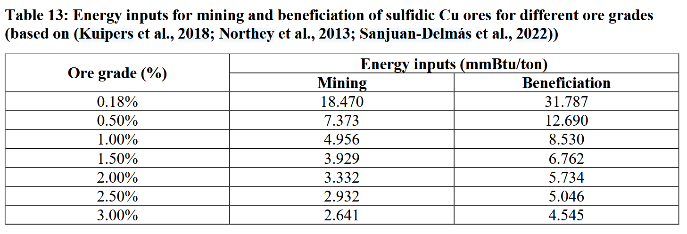
Single ore grade for laterite ores

