Allocation
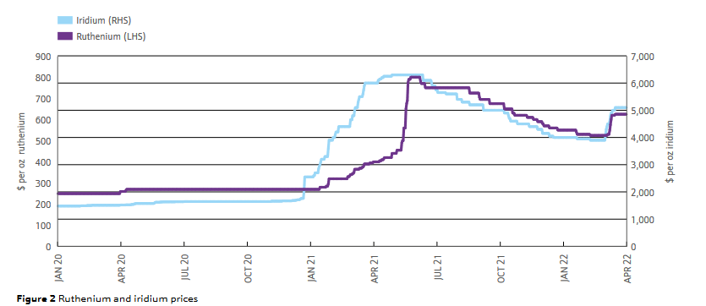
skip
ZA
 | Price [$ per kg] | Mine [kg/kg platinum]
Iridium | 107000.00 | 0.03 | 3242.42421 | 8% | The life cycle impact for platinum group metals and lithium to 2070 via surplus cost potential. Jasinski
Ruthenium | 10300.00 | 0.12 | 1248.4848484 | 3%
Platinum | 20600 | 1.00 | 20600 | 54% | https://matthey.com/documents/161599/509428/PGM-market-report-May-2022.pdf/542bcada-f4ac-a673-5f95-ad1bbfca5106?t=1655877358676
Palladium | 5640 | 0.60 | 3406.56 | 9%
Rhodium | 23800 | 0.16 | 3736.6 | 10% | Prices from Umicore 2023, converted to EUR2005
Gold | 25128 | 0.04 | 1095.5808 | 3% |  | 2023
Copper | 3.571 | 220.00 | 785.62 | 2% | Iridium | 160000 | €160,000 in 2023 is worth €106,995.29 in 2005
Nickel | 12.074 | 338.00 | 4081.012 | 11% | Ruthenium | 15400 | €15,400 in 2023 is worth €10,298.30 in 2005

RU
 | Price [$ per kg] | Mine [kg/kg platinum]
Copper | 3.571 | 3200 | 11427.2 | 19%
Nickel | 12.074 | 2310 | 27890.94 | 47%
Platinum | 20600 | 0.25 | 5150 | 9%
Rhodium | 23800 | 0.02 | 476 | 1%
Palladium | 5640 | 0.73 | 4117.2 | 7%
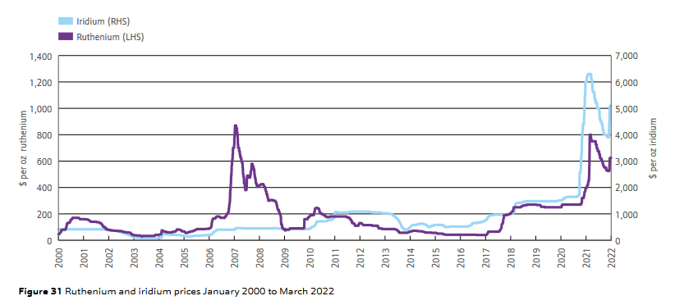
Iridium | 107000.00 | 0.07 | 7642.8571429 | 13% | We take the same values for iridium and ruthenium, but scale them to palladium
Ruthenium | 10300.00 | 0.29 | 2942.8571429 | 5%

Shares
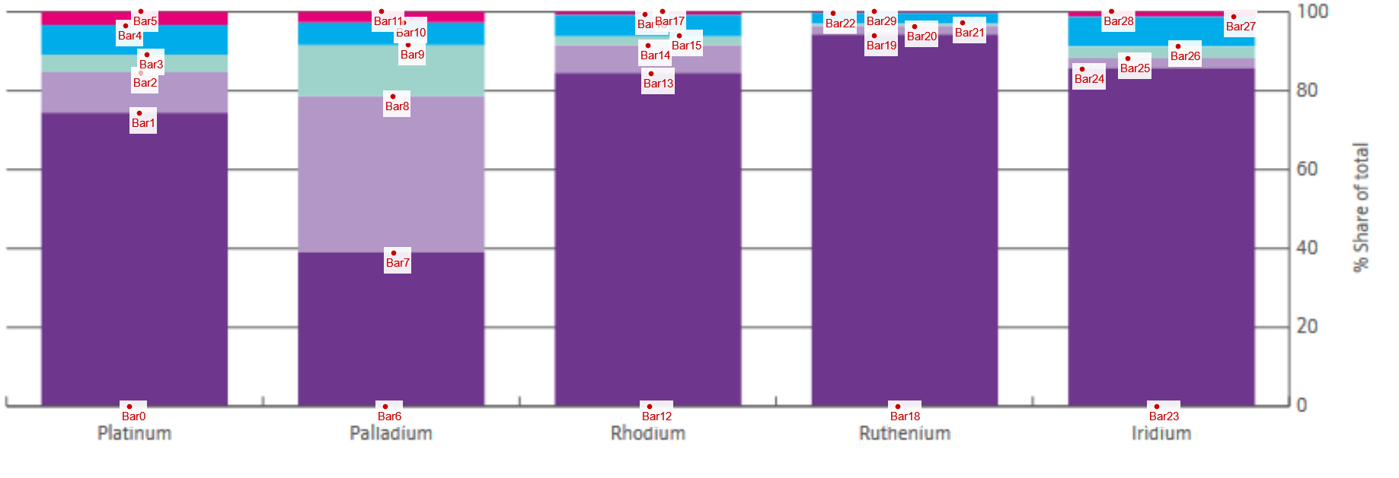
skip
Bar0 | 0 |  | Platinum | Palladium | Rhodium | Ruthenium | Iridium
Bar1 | 74.230769231 | South Africa | 74.23 | 38.85 | 84.23 | 93.85 | 85.38
Bar2 | 84.423076923 | Russia | 10.19 | 39.62 | 7.12 | 2.31 | 2.69
Bar3 | 89.038461538 | North America | 4.62 | 13.08 | 2.50 | 0.96 | 3.08
Bar4 | 96.346153846 | Zimbabwe | 7.31 | 5.58 | 5.38 | 2.40 | 7.50
Bar5 | 100 | Others | 3.65 | 2.88 | 0.77 | 0.48 | 1.35
Bar6 | 0 |  | 100.00 | 100.00 | 100.00 | 100.00 | 100.00
Bar7 | 38.846153846
Bar8 | 78.461538462
Bar9 | 91.538461538 |  | Platinum | Palladium | Rhodium | Ruthenium | Iridium
Bar10 | 97.115384615 | South Africa | 77.05% | 40.00% | 84.88% | 94.30% | 86.55%
Bar11 | 100 | Russia | 10.58% | 40.79% | 7.17% | 2.32% | 2.73%
Bar12 | 0 | North America | 4.79% | 13.47% | 2.52% | 0.97% | 3.12%
Bar13 | 84.230769231 | Canada | 2.40% | 6.73% | 1.26% | 0.48% | 1.56%
Bar14 | 91.346153846 | USA | 2.40% | 6.73% | 1.26% | 0.48% | 1.56%
Bar15 | 93.846153846 | Zimbabwe | 7.58% | 5.74% | 5.43% | 2.42% | 7.60%
Bar16 | 99.230769231
Bar17 | 100
Bar18 | 0
Bar19 | 93.846153846
Bar20 | 96.153846154
Bar21 | 97.115384615
Bar22 | 99.519230769
Bar23 | 0
Bar24 | 85.384615385
Bar25 | 88.076923077
Bar26 | 91.153846154
Bar27 | 98.653846154 | https://matthey.com/documents/161599/509428/PGM-market-report-May-2022.pdf/542bcada-f4ac-a673-5f95-ad1bbfca5106?t=1655877358676
Bar28 | 100 | JM - PGM market report May 2022
Bar29 | 100

