Nassar2022
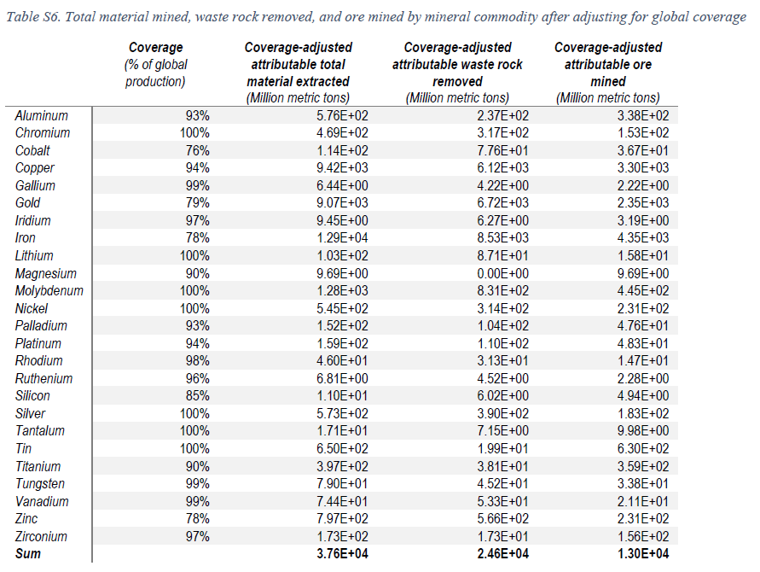
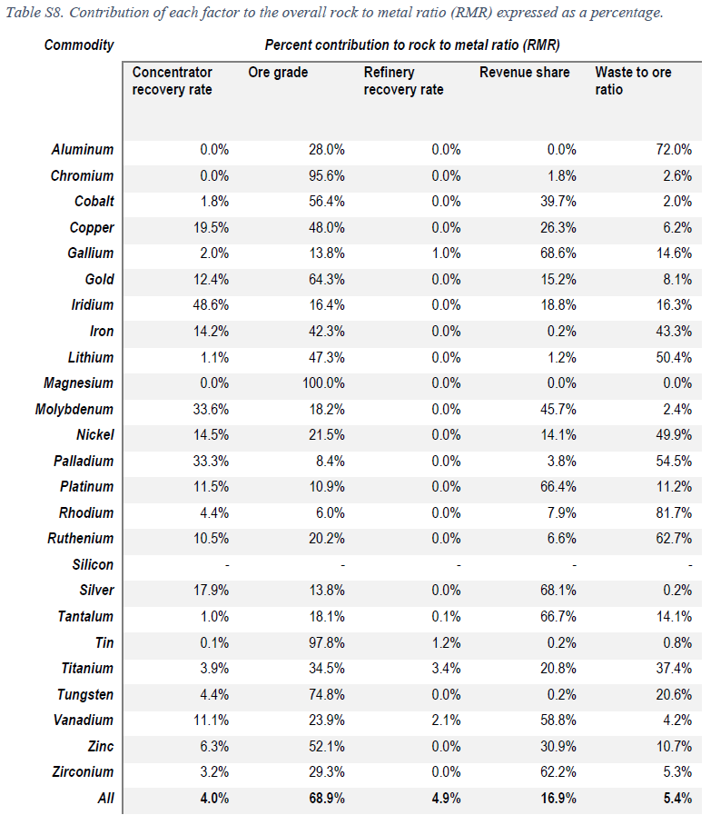
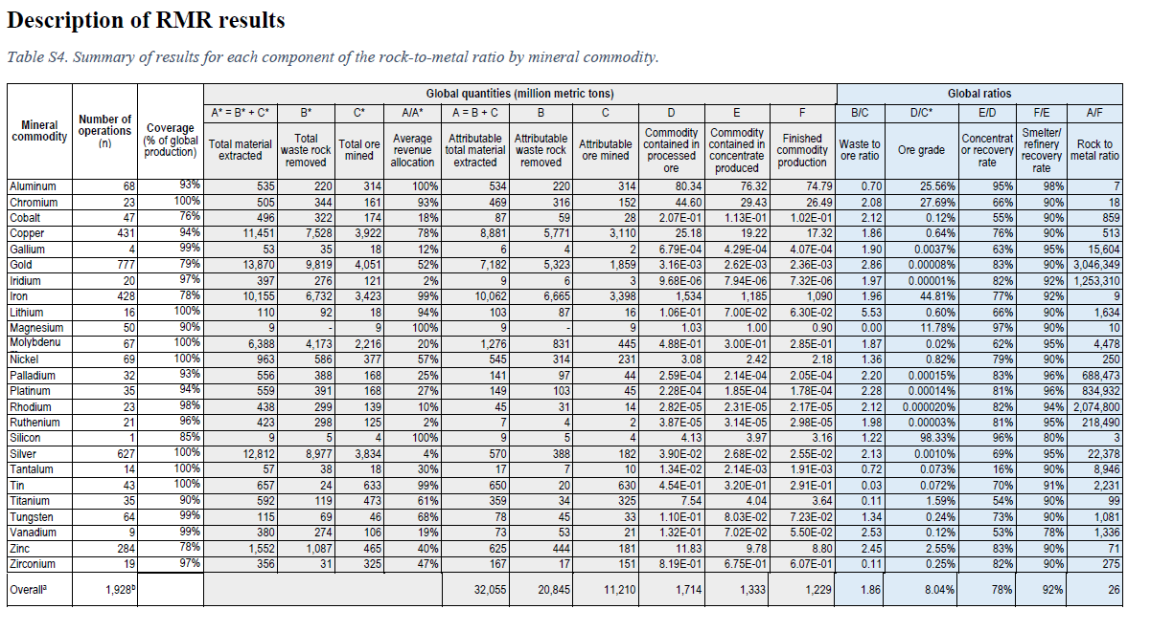
 |  | Waste to ore ratio | Ore grade | Concentration or recovery rate | Smelter/ refinery recovery rate | Rock to metal
Aluminum | Al |  |  | 95% | 98%
Chromium | Cr |  |  | 66% | 90%
Cobalt | Co |  |  | 55% | 90%
Copper | Cu |  |  | 76% | 90%
Gallium | Ga |  |  | 63% | 95%
Gold | Au |  |  | 83% | 90%
Iridium | Ir |  |  | 82% | 92%
Iron | Fe |  |  | 77% | 92%
Lithium | Li |  |  | 66% | 90%
Magnesium | Mg |  |  | 97% | 90%
Molybdenum | Mo |  |  | 62% | 95%
Nickel | Ni |  |  | 79% | 90%
Palladium | Pd |  |  | 83% | 96%
Platinum | Pt |  |  | 81% | 96%
Rhodium | Rh |  |  | 82% | 94%
Ruthenium | Ru |  |  | 81% | 95%
Silicon | Si |  |  | 96% | 80%
Silver | Ag |  |  | 69% | 95%
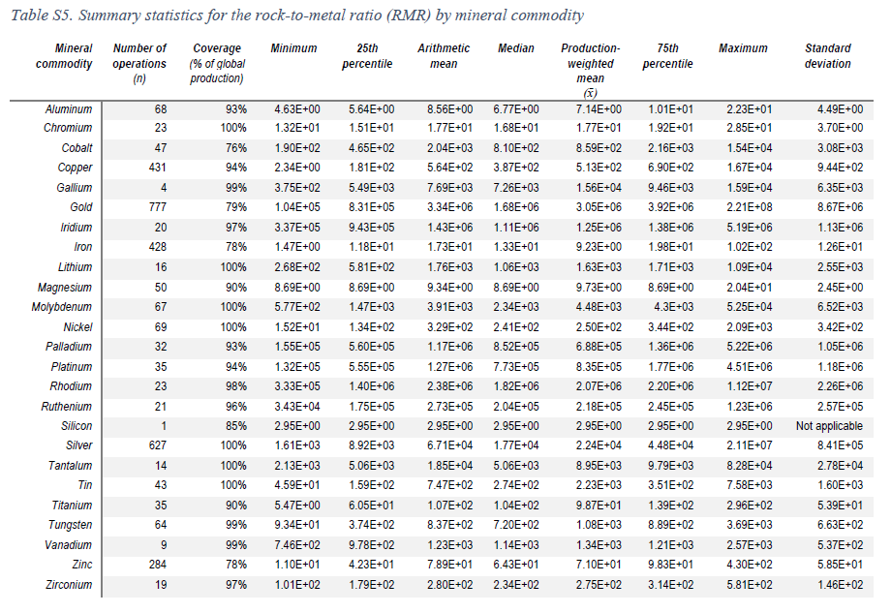
Tantalum | Ta |  |  | 16% | 90%
Tin | Sn |  |  | 70% | 91%
Titanium | Ti |  |  | 54% | 90%
Tungsten | W |  |  | 73% | 90%
Vanadium | V |  |  | 53% | 78%
Zinc | Zn |  |  | 83% | 90%
Zirconium | Zr |  |  | 82% | 90%

Harpeccht2021
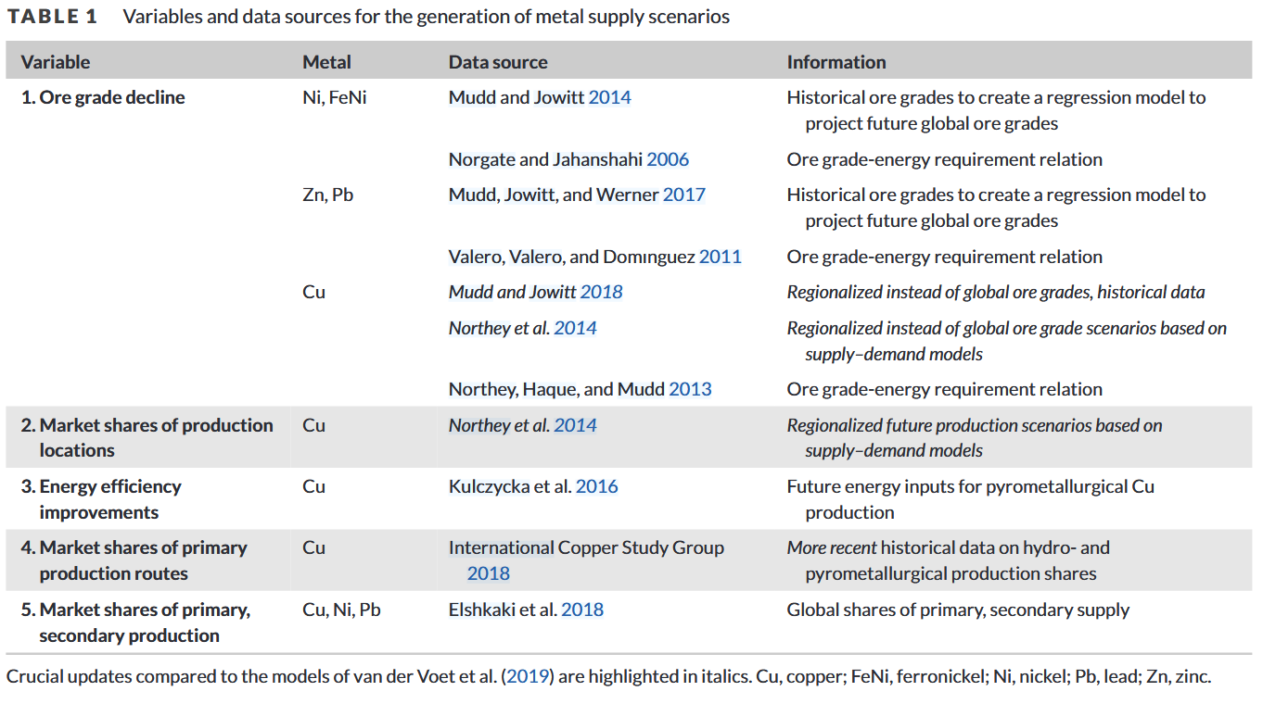
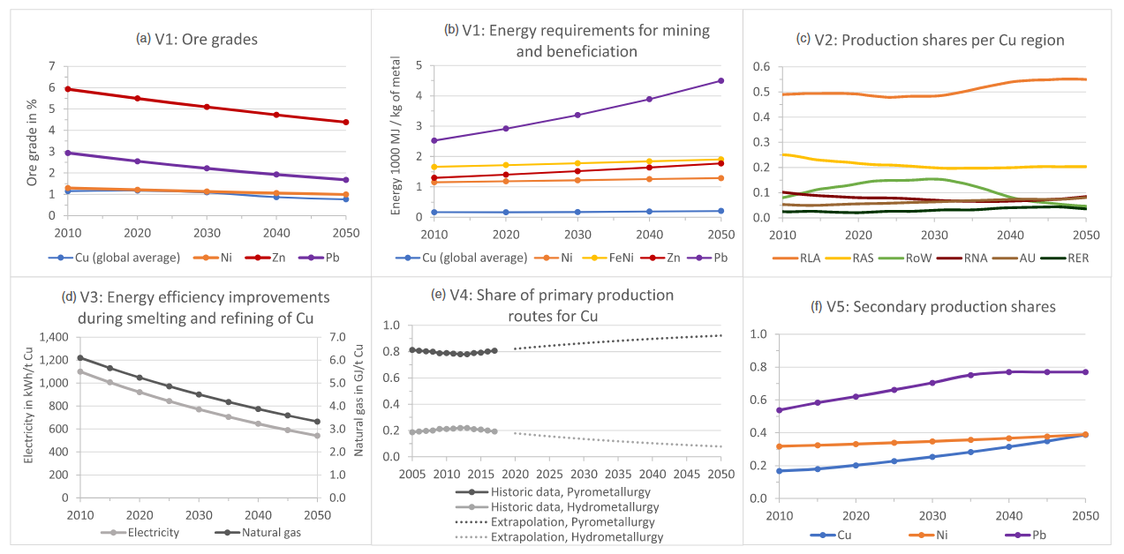

Argon
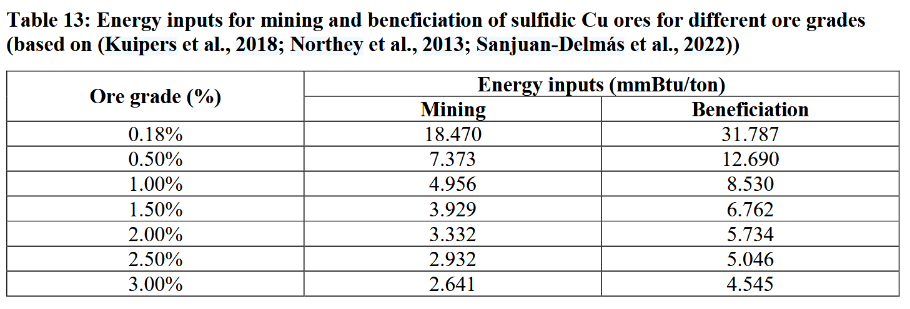
Single ore grade for laterite ores

