notes
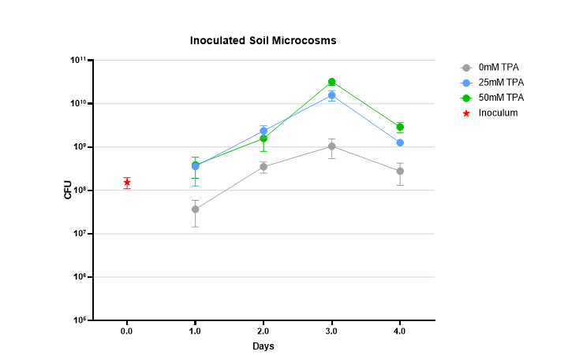
sheet 1 does not factor in the dilution by soilwashing. 10ml M9 salts were added to 1ml bugs and media mix, this is a 1 in 11 dilution so end values need to be multiplied by 11 (not for starting innoculum). Perform this calculation on sheet 2 and paste into prism as data 2. Sheet 2 plotted in prism as shown to right.

