Sheet1
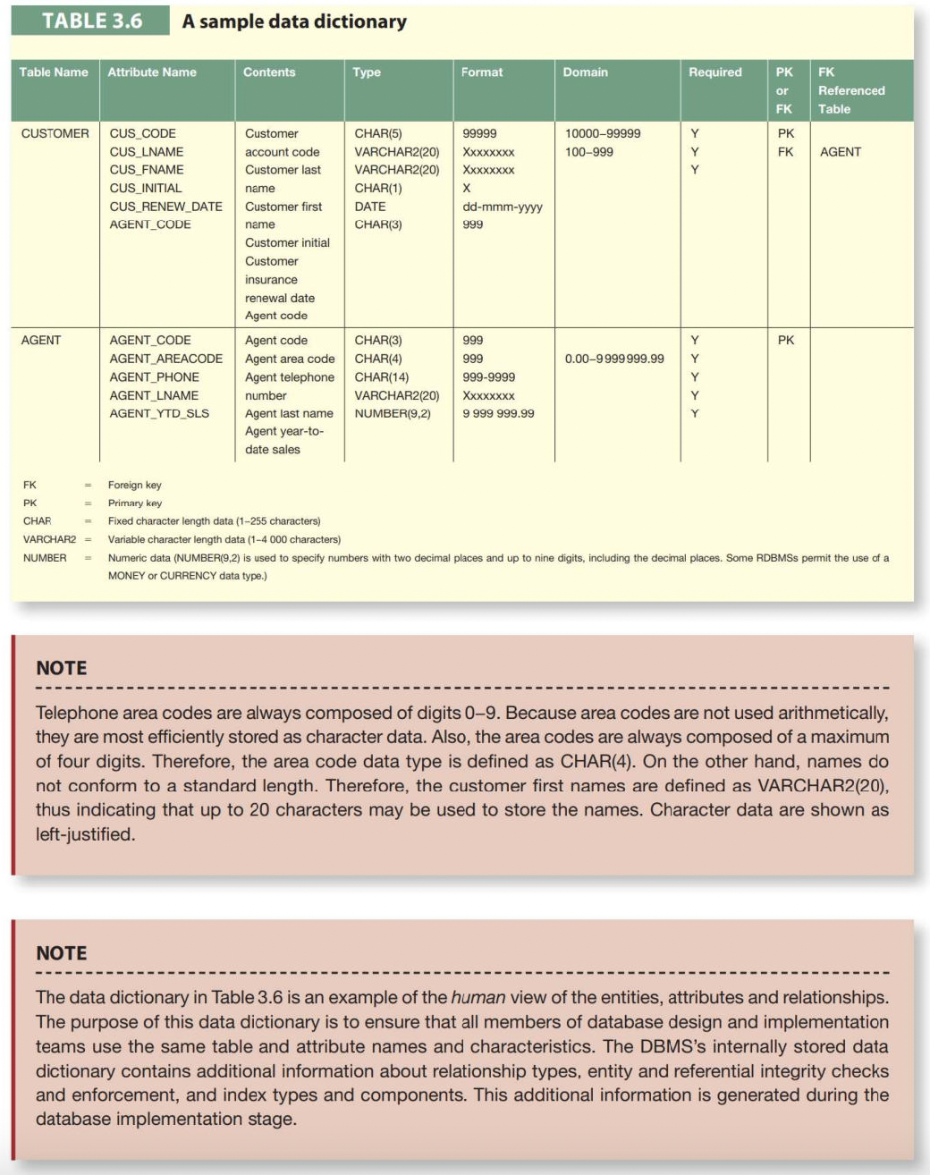
Table Name | Attribute Name | Contents | Type | Format | Domain | Required | PK or FK | FK Referenced Table | Describe attributes in a tabular format. Add or remove rows if necessary.

