Oscillator
 |  |  |  |  |  | PLL |  |  |  |  |  | Selected system clock | SYSCLK
HIS |  |  |  |  | PLL Source | IN |  | PARAMS |  | OUT
 | Value [8MHz] | OUT |  |  | PLLSRC |  |  | PLLMUL{PLLMUL}[x4,x5…x9, x16] | 12 | PLLCLK |  | RCC_CFGR_SW_HSI
 | 8000000 | 8000000 | Hz |  | RCC_CFGR_PLLSRC_HSI_Div2 |  |  |  |  |  |  | RCC_CFGR_SW_HSE
 |  |  |  |  | RCC_CFGR_SW_HSE | 4000000 | Hz |  |  | 48000000 | Hz | RCC_CFGR_SW_PLL
RCC->CR |= RCC_CR_HSION

 |  |  |  |  |  | RCC->CFGR |= (RCC_CFGR_PLLSRC_HSI_Div2 | RCC_CFGR_PLLMULL12)
 |  |  |  |  |  | RCC->CR |= RCC_CR_PLLON;

 |  |  |  |  |  | PLL
HIS |  |  |  |  | PLL Source | IN |  | PARAMS |  | OUT
 | Value [8MHz] | OUT |  |  | PLLSRC |  |  | PLLMUL{PLLMUL}[x4,x5…x9, x16] | 16 | PLLCLK
 | 8000000 | 8000000 | Hz |  | RCC_CFGR_PLLSRC_HSI_Div2
 |  |  |  |  | RCC_CFGR_SW_HSE | 4000000 | Hz |  |  | 64000000 | Hz
RCC->CR |= RCC_CR_HSION

 |  |  |  |  |  | RCC->CFGR |= (RCC_CFGR_PLLSRC_HSI_Div2 | RCC_CFGR_PLLMULL16) |  |  |  |  |  |  |  |  |  |  |  |  |  |  |  |  |  |  |  |  |  |  |  |  |  |  |  |  |  |  | TIM1_CCR1 (Capture,Compare Register)
 |  |  |  |  |  | RCC->CR |= RCC_CR_PLLON; |  |  |  |  |  |  |  |  |  |  |  |  |  | APB1 Prescaler MAX 36MHz |  |  |  |  |  | TIM2,3,4,5,6,7,12,13,14 Prescaler |  |  |  |  |  |  |  |  |  |  | IN |  | PARAMS | OUT
 |  |  |  |  |  |  |  |  |  |  |  |  |  |  |  |  |  |  |  | IN |  | PARAMS |  | OUT |  | IN |  | PARAMS |  | OUT |  |  |  |  |  |  | USER |  | 16 bit,UP | TIMxCLK
 |  |  |  |  |  |  |  |  |  |  |  |  |  |  |  |  |  |  |  | HCLK |  | PPRE1{APB1}[1,2,4,8,16] | 2 | PCLK1 |  | PCLK1 |  | (APB1==1)?(1):(2) | 1 | TIMxCLK |  |  |  |  |  |  |  | Hz
 |  |  |  |  |  |  |  |  |  |  |  |  |  |  |  |  |  |  |  | 72000000 | Hz |  |  | 36000000 | Hz | 36000000 | Hz |  |  | 36000000 | Hz |  |  |  |  |  | 72000000 | Hz |  | #DIV/0! | Hz
 |  |  |  |  |  |  |  |  |  |  |  |  |  |  |  |  |  |  |  | 72000000 | Hz |  |  | 36000000 | Hz | 72000000 | Hz |  |  | 72000000 | Hz |  |  |  |  |  | TIM1_OCInitStructure.TIM_Pulse = 0x03FF;
 |  |  |  |  |  | PLL |  |  |  |  |  |  |  |  |  |  |  |  |  | RCC->CFGR |= RCC_CFGR_PPRE1_DIV2;
HSE |  |  |  | HSE divider | PLL Source | IN |  | PARAMS |  | OUT |  | Selected system clock | SYSCLK | AHB Prescaler
 | Value [3-25MHz] | OUT |  | PLLXTPRE | PLLSRC |  |  | PLLMUL{PLLMUL}[x4,x5…x9, x16] | 9 | PLLCLK |  |  |  | IN |  | PARAMS |  | OUT
 | 8000000 | 8000000 | Hz | ~RCC_CFGR_PLLXTPRE | RCC_CFGR_PLLSRC_HSI_Div2 |  |  |  |  |  |  | RCC_CFGR_SW_HSI |  | SYSCLK |  | Prescaler{AHB}[1,2,3….512] | 1 | HCLK
 |  |  |  | RCC_CFGR_PLLXTPRE | RCC_CFGR_SW_HSE | 8000000 | Hz |  |  | 72000000 | Hz | RCC_CFGR_SW_HSE |  | 72000000 |  |  |  | 72000000 | Hz
RCC->CR |= RCC_CR_HSEON; |  |  |  |  |  |  |  |  |  |  |  | RCC_CFGR_SW_PLL |  | 72000000 | Hz |  |  | 72000000 | Hz
 |  |  |  |  |  | RCC->CFGR &=~(RCC_CFGR_PLLSRC | RCC_CFGR_PLLXTPRE | RCC_CFGR_PLLMULL);
 |  |  |  |  |  | RCC->CFGR |= (RCC_CFGR_PLLSRC_HSE | RCC_CFGR_PLLMULL9) |  |  |  |  |  |  |  |  |  |  |  |  |  | APB2 Prescaler MAX 72MHz |  |  |  |  |  | TIM1,8,9,10,11 Prescaler |  |  |  |  |  | PSC |  |  |  |  | TIM1_CNT
 |  |  |  |  |  | RCC->CR |= RCC_CR_PLLON; |  |  |  |  |  |  |  |  |  |  |  |  |  | IN |  | PARAMS |  | OUT |  | IN |  | PARAMS |  | OUT |  | IN |  | PARAMS | OUT |  | IN |  | PARAMS | OUT

 |  |  |  |  |  | PLL
HSE |  |  |  | HSE divider | PLL Source | IN |  | PARAMS |  | OUT |  | Selected system clock | SYSCLK
 | Value [3-25MHz] | OUT |  | PLLXTPRE | PLLSRC |  |  | PLLMUL{PLLMUL}[x4,x5…x9, x16] | 6 | PLLCLK
 | 12000000 | 12000000 | Hz | ~RCC_CFGR_PLLXTPRE | RCC_CFGR_PLLSRC_HSI_Div2 |  |  |  |  |  |  | RCC_CFGR_SW_HSI
 |  |  |  | RCC_CFGR_PLLXTPRE | RCC_CFGR_SW_HSE | 12000000 | Hz |  |  | 72000000 | Hz | RCC_CFGR_SW_HSE
RCC->CR |= RCC_CR_HSEON; |  |  |  |  |  |  |  |  |  |  |  | RCC_CFGR_SW_PLL |  |  |  |  |  |  |  | HCLK |  | PPRE2{APB2}[1,2,4,8,16] | 1 | PCLK2 |  | PCLK2 |  | (APB2==1)?(1):(2) | 1 | TIMxCLK |  | CK_PSC |  |  | CK_CNT |  | CK_CNT |  | 16 bit,UP | TIMxCLK
 |  |  |  |  |  | RCC->CFGR &=~(RCC_CFGR_PLLSRC | RCC_CFGR_PLLXTPRE | RCC_CFGR_PLLMULL); |  |  |  |  |  |  |  |  |  |  |  |  |  | 72000000 | Hz |  |  | 72000000 | Hz | 72000000 | Hz |  |  | 72000000 | Hz |  | Hz |  |  |  |  | Hz
 |  |  |  |  |  | RCC->CFGR |= (RCC_CFGR_PLLSRC_HSE | RCC_CFGR_PLLMULL9) |  |  |  |  |  |  |  |  |  |  |  |  |  | 72000000 | Hz |  |  | 72000000 | Hz | 72000000 | Hz |  |  | 72000000 | Hz | 72000000 | Hz |  | #DIV/0! | Hz | 72000000 | Hz |  | #DIV/0! | Hz
 |  |  |  |  |  | RCC->CR |= RCC_CR_PLLON; |  |  |  |  |  |  |  |  |  |  |  |  |  | RCC->CFGR |= RCC_CFGR_PPRE2_DIV1; /* PCLK2 = HCLK */ |  |  |  |  |  |  |  |  |  |  |  | TIM1_TimeBaseStructure.TIM_Prescaler = 0x00; |  |  |  |  | TIM1_TimeBaseStructure.TIM_CounterMode = TIM_CounterMode_Up;

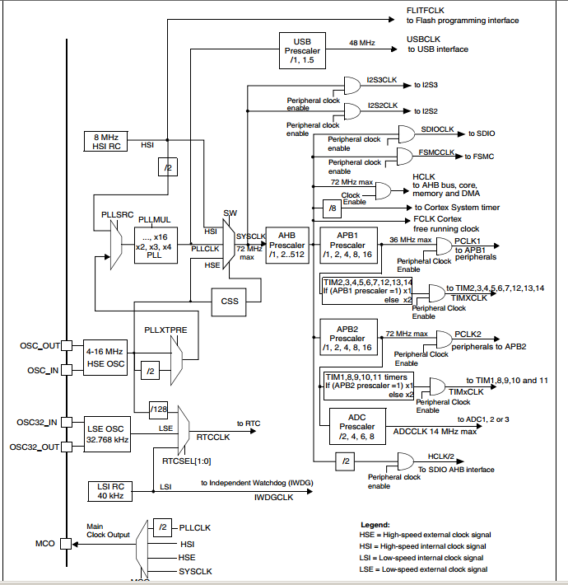
Clock configuration register (RCC_CFGR

 |  |  |  |  |  |  |  |  |  |  | ````````````````````````````````````````````````````````````````````````````````````````````` |  |  |  |  |  |  |  |  |  |  |  |  |  |  |  |  |  |  |  |  | 65536
 |  |  |  |  |  |  |  |  |  |  |  |  |  |  |  |  |  |  |  |  |  |  |  |  |  |  |  |  |  |  |  |  |  |  |  |  | TIM1_ARR (AutoRelod Register)
 |  |  |  |  |  |  |  |  |  |  |  |  |  |  |  |  |  |  |  |  |  |  |  |  |  |  |  |  |  |  |  |  |  |  |  |  | IN |  | PARAMS | OUT
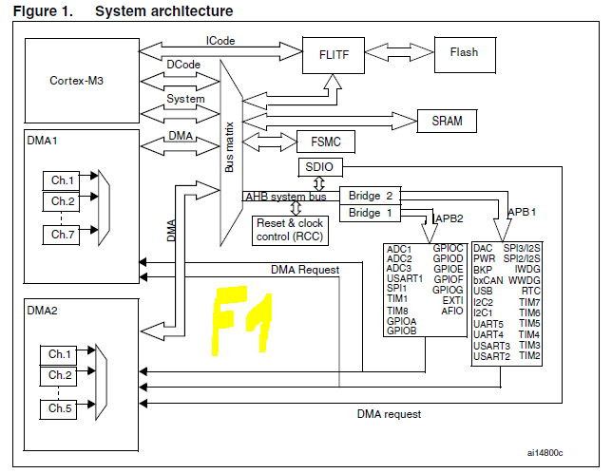
 |  |  |  |  |  |  |  |  |  |  |  |  |  |  |  |  |  |  |  |  |  |  |  |  |  |  |  |  |  |  |  |  |  |  |  |  | USER |  | 16 bit,UP | TIMxCLK
 |  |  |  |  |  |  |  |  |  |  |  |  |  |  |  |  |  |  |  |  |  |  |  |  |  |  |  |  |  |  |  |  |  |  |  |  |  | Hz
 |  |  |  |  |  |  |  |  |  |  |  |  |  |  |  |  |  |  |  |  |  |  |  |  |  |  |  |  |  |  |  |  |  |  |  |  | 72000000 | Hz |  | #DIV/0! | Hz
 |  |  |  |  |  |  |  |  |  |  |  |  |  |  |  |  |  |  |  |  |  |  |  |  |  |  |  |  |  |  |  |  |  |  |  |  | TIM1_TimeBaseStructure.TIM_Period = 0x3FF; // 10 bit

InputCapture
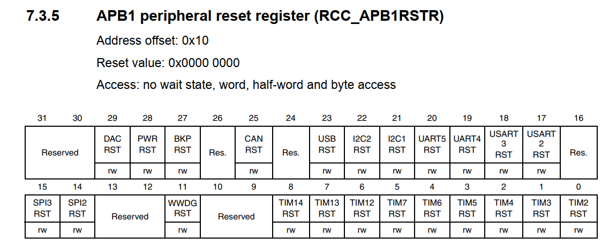
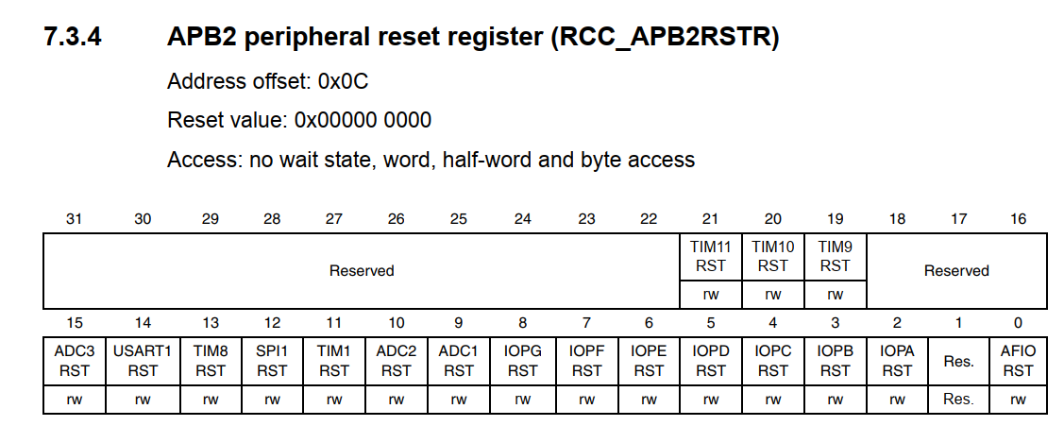
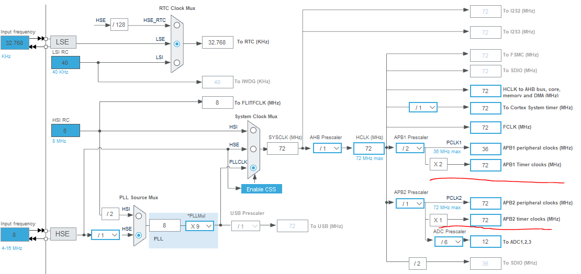
TIM1 - APB2 Clock [Hz] | Prescaler 0 - > 1 1 -> 2 | 1 Tick Period [sec] - ez hajtja a Timer-t - itt veszem figyelembe hogy Pre 0-tól keződik | ms | End Of Counter | Max Time [sec]
72000000 | 0 | 0.000000013889 | 0.0000139 | 65535 | 0.00091020833333
72000000 | 2 | 0.000000041667 | 0.0000417 | 65535 | 0.002730625
72000000 | 2 | 0.000000041667 | 0.0000417 | 65535 | 0.002730625
72000000 | 71 | 0.000001000000 | 0.0010000 | 65535 | 0.065535
48000000 | 95 | 0.000002000000 | 0.0020000 | 65535 | 0.13107
72000000 | 143 | 0.000002000000 | 0.0020000 | 65535 | 0.13107
72000000 | 7199 | 0.000100000000 | 0.1000000 | 65535 | 6.5535 | BHS-IR.FW project
48000000 | 4799 | 0.000100000000 | 0.1000000 | 65535 | 6.5535 | MDAC220822-DENPO_PREMIUM.FW

1 Tick Period [sec] - ez hajtja a Timer-t - itt veszem figyelembe hogy Pre 0-tól keződik | TIM1 - APB2 Clock [Hz] | Prescaler 0 - > 1 1 -> 2
0.000001 | 72000000 | 71.00
0.001 | 48000000 | 47999.00
0.0005 | 48000000 | 23999.00
0.0001 | 72000000 | 7199.00
0.0001 | 48000000 | 4799.00

