Plan summary
Year | Plan name | Average age of actives | Average year of service of actives | Average entry age of actives | Average age of retirees | Active-to-beneficiary ratio | Growth of workforce | Normal cost as % of payroll | Median Asset-to- payroll (across 1k sims) | Median Net cash flow as % of assets (across 1k sims)
1 | Average Plan; -2% workforce growth | 45.8 | 9.4 | 36.4 | 69.5 | 2 | -2% | 11.45 | 4.1 | -1.3
 | Average Plan; -1% workforce growth | 45.8 | 9.4 | 36.4 | 69.5 | 2 | -1% | 11.45 | 4.1 | -1.3
 | Average Plan; Constant workforce | 45.8 | 9.4 | 36.4 | 69.5 | 2 | 0% | 11.45 | 4.1 | -1.3
 | Average Plan; 1% workforce growth | 45.8 | 9.4 | 36.4 | 69.5 | 2 | 1% | 11.45 | 4.1 | -1.3
 | Average Plan; 2% workforce growth | 45.8 | 9.4 | 36.4 | 69.5 | 2 | 2% | 11.45 | 4.1 | -1.3
 | Mature Plan 1 | 47.1 | 14.1 | 33.0 | 72.6 | 1.67 | -1% | 11.71 | 7.8 | -4.1
 | Mature Plan 2 | 45.2 | 10.2 | 35.1 | 70.9 | 1.67 | -1% | 15.18 | 5.4 | -1.6
 | Immature Plan | 48.8 | 12.6 | 36.2 | 71.6 | 3.33 | 1% | 12.57 | 3.4 | 2.5

30 | Average Plan; -2% workforce growth | 47.1 | 11.2 | 35.9 | 78.8 | 0.42 | -2% | 11.50 | 7.6 | -5.6
 | Average Plan; -1% workforce growth | 46.5 | 10.2 | 36.3 | 78.5 | 0.51 | -1% | 11.66 | 6.3 | -4.6
 | Average Plan; Constant workforce | 46.0 | 9.3 | 36.7 | 78.1 | 0.63 | 0% | 11.79 | 5.3 | -3.7
 | Average Plan; 1% workforce growth | 45.6 | 8.5 | 37.1 | 77.8 | 0.76 | 1% | 11.91 | 4.5 | -2.9
 | Average Plan; 2% workforce growth | 45.2 | 7.8 | 37.3 | 77.4 | 0.92 | 2% | 12.01 | 3.8 | -2.1
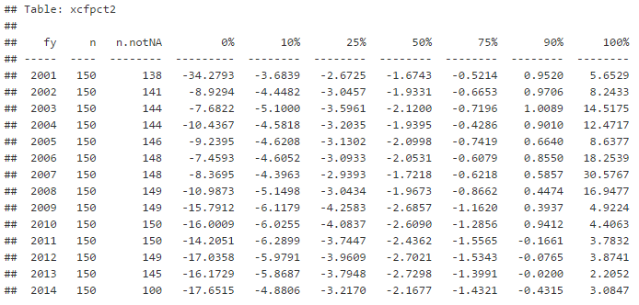
 | Mature Plan 1 | 44.3 | 10.6 | 33.7 | 78.5 | 0.58 | -1% | 12.33 | 6.2 | -5.6
 | Mature Plan 2 | 44.7 | 11.0 | 33.7 | 79.4 | 0.56 | -1% | 14.71 | 7.5 | -3.6
 | Immature Plan | 45.9 | 8.2 | 37.7 | 77.6 | 0.76 | 1% | 13.36 | 4.8 | -2.6

2012 | PPD 25th | 43.8 | 10.4 | n/a | 68.8 | 1.2 | -1% | 10.10 | 3.4 | -4.0
 | PPD 50th | 45.8 | 11.8 | n/a | 69.5 | 1.5 | -0.1% | 12.10 | 4.1 | -2.7
 | PPD 75th | 47.0 | 12.9 | n/a | 71.3 | 1.8 | 1% | 17.10 | 5.5 | -1.5

