prop.occupation
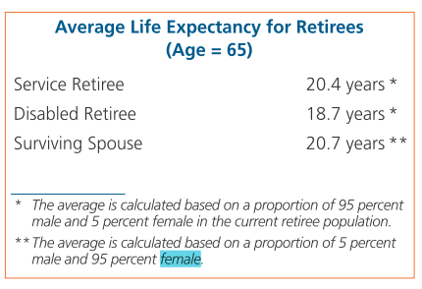
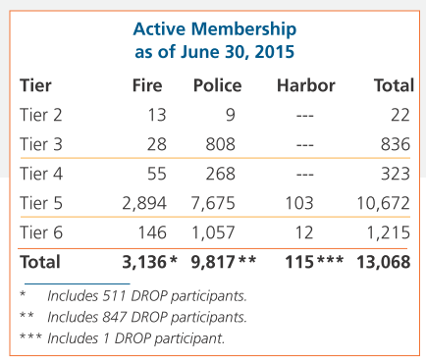
TOC
startcell | B6
endcell | F12

 | tier | n.fire | n.plc | n.harbor | year
 | t1 | 1 | 1 | 0 | 2015
 | t2 | 13 | 9 | 0 | 2015
 | t3 | 28 | 808 | 0 | 2015
 | t4 | 55 | 268 | 0 | 2015
 | t5 | 2894 | 7675 | 103 | 2015
 | t6 | 146 | 1057 | 12 | 2015

Actives_t2
TOC
startcell | B7
endcell | M30

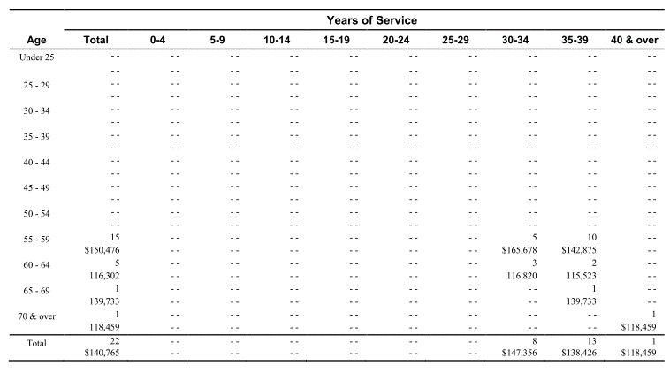
Age |  |  |  | 0-4 | 5-9 | 10-14 | 15-19 | 20-24 | 25-29 | 30-34 | 35-39 | 40 & over | Total
 | type | age.cell | agegrp | 2 | 7 | 12 | 17 | 22 | 27 | 32 | 37 | 42
 | yosgrp |  |  | 0-4 | 5-9 | 10-14 | 15-19 | 20-24 | 25-29 | 30-34 | 35-39 | 40-44
Under 25 | nactives | 22 | 20-24
 | salary | 22 | 20-24
25 - 29 | nactives | 27 | 25-29
 | salary | 27 | 25-29
30 - 34 | nactives | 32 | 30-34
 | salary | 32 | 30-34
35 - 39 | nactives | 37 | 35-39
 | salary | 37 | 35-39
40 - 44 | nactives | 42 | 40-44
 | salary | 42 | 40-44
45 - 49 | nactives | 47 | 45-49
 | salary | 47 | 45-49
50 - 54 | nactives | 52 | 50-54
 | salary | 52 | 50-54
55 - 59 | nactives | 57 | 55-59 |  |  |  |  |  |  | 5 | 10 |  | 15
 | salary | 57 | 55-59 |  |  |  |  |  |  | 165678 | 142875 |  | 150476
60 - 64 | nactives | 62 | 60-64 |  |  |  |  |  |  | 3 | 2 |  | 5
 | salary | 62 | 60-64 |  |  |  |  |  |  | 116820 | 115523 |  | 116302
65 - 69 | nactives | 67 | 65-69 |  |  |  |  |  |  |  | 1 |  | 1
 | salary | 67 | 65-69 |  |  |  |  |  |  |  | 139733 |  | 139733
70 & over | nactives | 72 | 70-74 |  |  |  |  |  |  |  |  | 1 | 1
 | salary | 72 | 70-74 |  |  |  |  |  |  |  |  | 118459 | 118459
Total |  |  |  |  |  |  |  |  |  | 8 | 13 | 1 | 22
 |  |  |  |  |  |  |  |  |  | 147356 | 138426 | 118459

Actives_t3
TOC
startcell | B7
endcell | M30

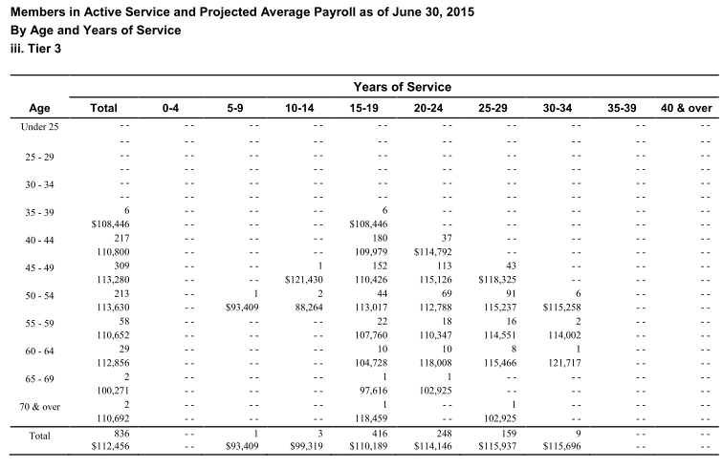
Age |  |  |  | 0-4 | 5-9 | 10-14 | 15-19 | 20-24 | 25-29 | 30-34 | 35-39 | 40 & over | Total
 | type | age.cell | agegrp | 2 | 7 | 12 | 17 | 22 | 27 | 32 | 37 | 42
 | yosgrp |  |  | 0-4 | 5-9 | 10-14 | 15-19 | 20-24 | 25-29 | 30-34 | 35-39 | 40-44
Under 25 | nactives | 22 | 20-24
 | salary | 22 | 20-24
25 - 29 | nactives | 27 | 25-29
 | salary | 27 | 25-29
30 - 34 | nactives | 32 | 30-34
 | salary | 32 | 30-34
35 - 39 | nactives | 37 | 35-39 |  |  |  | 6 |  |  |  |  |  | 6
 | salary | 37 | 35-39 |  |  |  | 108446 |  |  |  |  |  | 108446
40 - 44 | nactives | 42 | 40-44 |  |  |  | 180 | 37 |  |  |  |  | 217
 | salary | 42 | 40-44 |  |  |  | 109979 | 114792 |  |  |  |  | 110800
45 - 49 | nactives | 47 | 45-49 |  |  | 1 | 152 | 113 | 43 |  |  |  | 309
 | salary | 47 | 45-49 |  |  | 121430 | 110426 | 115126 | 118325 |  |  |  | 113280
50 - 54 | nactives | 52 | 50-54 |  | 1 | 2 | 44 | 69 | 91 | 6 |  |  | 213
 | salary | 52 | 50-54 |  | 93409 | 88264 | 113017 | 112788 | 115237 | 115258 |  |  | 113630
55 - 59 | nactives | 57 | 55-59 |  |  |  | 22 | 18 | 16 | 2 |  |  | 58
 | salary | 57 | 55-59 |  |  |  | 107760 | 110347 | 114551 | 114002 |  |  | 110652
60 - 64 | nactives | 62 | 60-64 |  |  |  | 10 | 10 | 8 | 1 |  |  | 29
 | salary | 62 | 60-64 |  |  |  | 104728 | 118008 | 115466 | 121717 |  |  | 112856
65 - 69 | nactives | 67 | 65-69 |  |  |  | 1 | 1 |  |  |  |  | 2
 | salary | 67 | 65-69 |  |  |  | 97616 | 102925 |  |  |  |  | 100271
70 & over | nactives | 72 | 70-74 |  |  |  | 1 |  | 1 |  |  |  | 2
 | salary | 72 | 70-74 |  |  |  | 118459 |  | 102925 |  |  |  | 110692
Total |  |  |  |  | 1 | 3 | 416 | 248 | 159 | 9 |  |  | 836
 |  |  |  |  | 93409 | 99319 | 110189 | 114146 | 115937 | 115696 |  |  | 112456

Actives_t4
TOC
startcell | B7
endcell | M30

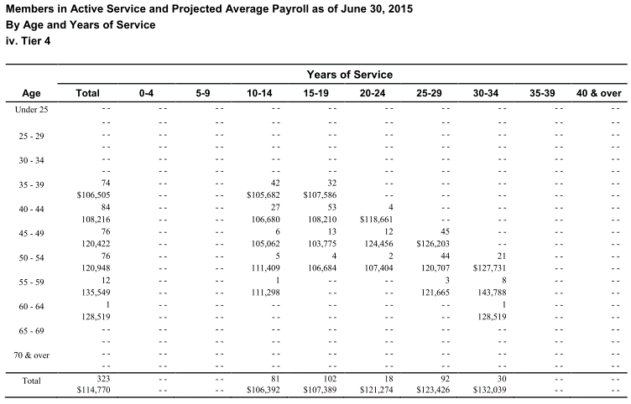
Age |  |  |  | 0-4 | 5-9 | 10-14 | 15-19 | 20-24 | 25-29 | 30-34 | 35-39 | 40 & over | Total
 | type | age.cell | agegrp | 2 | 7 | 12 | 17 | 22 | 27 | 32 | 37 | 42
 | yosgrp |  |  | 0-4 | 5-9 | 10-14 | 15-19 | 20-24 | 25-29 | 30-34 | 35-39 | 40-44
Under 25 | nactives | 22 | 20-24
 | salary | 22 | 20-24
25 - 29 | nactives | 27 | 25-29
 | salary | 27 | 25-29
30 - 34 | nactives | 32 | 30-34
 | salary | 32 | 30-34
35 - 39 | nactives | 37 | 35-39 |  |  | 42 | 32 |  |  |  |  |  | 74
 | salary | 37 | 35-39 |  |  | 105682 | 107586 |  |  |  |  |  | 106505
40 - 44 | nactives | 42 | 40-44 |  |  | 27 | 53 | 4 |  |  |  |  | 84
 | salary | 42 | 40-44 |  |  | 106680 | 108210 | 118661 |  |  |  |  | 108216
45 - 49 | nactives | 47 | 45-49 |  |  | 6 | 13 | 12 | 45 |  |  |  | 76
 | salary | 47 | 45-49 |  |  | 105062 | 103775 | 124456 | 126203 |  |  |  | 120422
50 - 54 | nactives | 52 | 50-54 |  |  | 5 | 4 | 2 | 44 | 21 |  |  | 76
 | salary | 52 | 50-54 |  |  | 111409 | 106684 | 107404 | 120707 | 127731 |  |  | 120948
55 - 59 | nactives | 57 | 55-59 |  |  | 1 |  |  | 3 | 8 |  |  | 12
 | salary | 57 | 55-59 |  |  | 111298 |  |  | 121665 | 143788 |  |  | 135549
60 - 64 | nactives | 62 | 60-64 |  |  |  |  |  |  | 1 |  |  | 1
 | salary | 62 | 60-64 |  |  |  |  |  |  | 128519 |  |  | 128519
65 - 69 | nactives | 67 | 65-69
 | salary | 67 | 65-69
70 & over | nactives | 72 | 70-74
 | salary | 72 | 70-74
Total |  |  |  |  |  | 81 | 102 | 18 | 92 | 30 |  |  | 323
 |  |  |  |  |  | 106392 | 107389 | 121274 | 123426 | 132039 |  |  | 114770

Actives_t5_noHPP
TOC
startcell | B7
endcell | M30

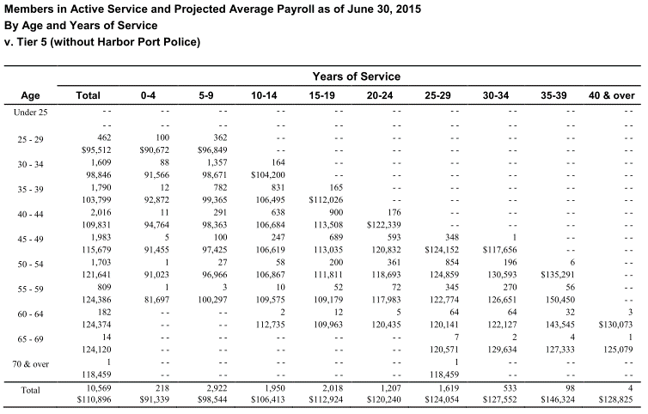
Age |  |  |  | 0-4 | 5-9 | 10-14 | 15-19 | 20-24 | 25-29 | 30-34 | 35-39 | 40 & over | Total
 | type | age.cell | agegrp | 2 | 7 | 12 | 17 | 22 | 27 | 32 | 37 | 42
 | yosgrp |  |  | 0-4 | 5-9 | 10-14 | 15-19 | 20-24 | 25-29 | 30-34 | 35-39 | 40-44
Under 25 | nactives | 22 | 20-24
 | salary | 22 | 20-24
25 - 29 | nactives | 27 | 25-29 | 100 | 362 |  |  |  |  |  |  |  | 462
 | salary | 27 | 25-29 | 90672 | 96849 |  |  |  |  |  |  |  | 95512
30 - 34 | nactives | 32 | 30-34 | 88 | 1357 | 164 |  |  |  |  |  |  | 1609
 | salary | 32 | 30-34 | 91566 | 98671 | 104200 |  |  |  |  |  |  | 98846
35 - 39 | nactives | 37 | 35-39 | 12 | 782 | 831 | 165 |  |  |  |  |  | 1790
 | salary | 37 | 35-39 | 92872 | 99365 | 106495 | 112026 |  |  |  |  |  | 103799
40 - 44 | nactives | 42 | 40-44 | 11 | 291 | 638 | 900 | 176 |  |  |  |  | 2016
 | salary | 42 | 40-44 | 94764 | 98363 | 106684 | 113508 | 122339 |  |  |  |  | 109831
45 - 49 | nactives | 47 | 45-49 | 5 | 100 | 247 | 689 | 593 | 348 | 1 |  |  | 1983
 | salary | 47 | 45-49 | 91455 | 97425 | 106619 | 113035 | 120832 | 124152 | 117656 |  |  | 115679
50 - 54 | nactives | 52 | 50-54 | 1 | 27 | 58 | 200 | 361 | 854 | 196 | 6 |  | 1703
 | salary | 52 | 50-54 | 91023 | 96966 | 106867 | 111811 | 118693 | 124859 | 130593 | 135291 |  | 121641
55 - 59 | nactives | 57 | 55-59 | 1 | 3 | 10 | 52 | 72 | 345 | 270 | 56 |  | 809
 | salary | 57 | 55-59 | 81697 | 100297 | 109575 | 109179 | 117983 | 122774 | 126651 | 150450 |  | 124386
60 - 64 | nactives | 62 | 60-64 |  |  | 2 | 12 | 5 | 64 | 64 | 32 | 3 | 182
 | salary | 62 | 60-64 |  |  | 112735 | 109963 | 120435 | 120141 | 122127 | 143545 | 130073 | 124374
65 - 69 | nactives | 67 | 65-69 |  |  |  |  |  | 7 | 2 | 4 | 1 | 14
 | salary | 67 | 65-69 |  |  |  |  |  | 120571 | 129634 | 127333 | 125079 | 124120
70 & over | nactives | 72 | 70-74 |  |  |  |  |  | 1 |  |  |  | 1
 | salary | 72 | 70-74 |  |  |  |  |  | 118459 |  |  |  | 118459
Total |  |  |  | 218 | 2922 | 1950 | 2018 | 1207 | 1619 | 533 | 98 | 4 | 10569
 |  |  |  | 91339 | 98544 | 106413 | 112924 | 120240 | 124054 | 127552 | 146324 | 128825 | 110896

Actives_t6_noHPP
TOC
startcell | B7
endcell | M30

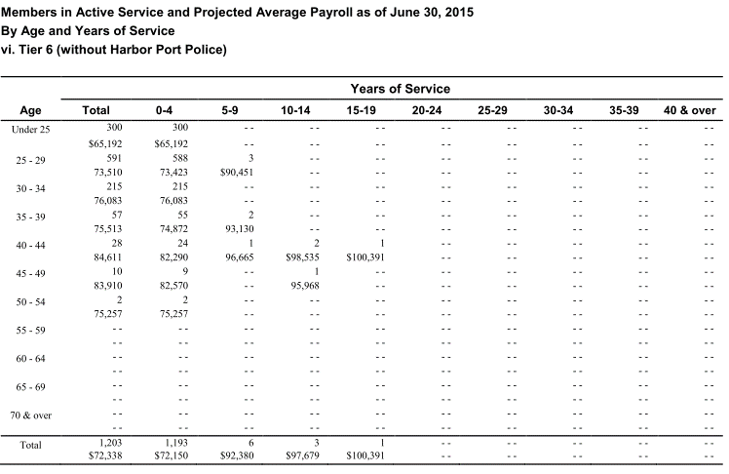
Age |  |  |  | 0-4 | 5-9 | 10-14 | 15-19 | 20-24 | 25-29 | 30-34 | 35-39 | 40 & over | Total
 | type | age.cell | agegrp | 2 | 7 | 12 | 17 | 22 | 27 | 32 | 37 | 42
 | yosgrp |  |  | 0-4 | 5-9 | 10-14 | 15-19 | 20-24 | 25-29 | 30-34 | 35-39 | 40-44
Under 25 | nactives | 22 | 20-24 | 300 |  |  |  |  |  |  |  |  | 300
 | salary | 22 | 20-24 | 65192 |  |  |  |  |  |  |  |  | 65192
25 - 29 | nactives | 27 | 25-29 | 588 | 3 |  |  |  |  |  |  |  | 591
 | salary | 27 | 25-29 | 73423 | 90451 |  |  |  |  |  |  |  | 73510
30 - 34 | nactives | 32 | 30-34 | 215 |  |  |  |  |  |  |  |  | 215
 | salary | 32 | 30-34 | 76083 |  |  |  |  |  |  |  |  | 76083
35 - 39 | nactives | 37 | 35-39 | 55 | 2 |  |  |  |  |  |  |  | 57
 | salary | 37 | 35-39 | 74872 | 93130 |  |  |  |  |  |  |  | 75513
40 - 44 | nactives | 42 | 40-44 | 24 | 1 | 2 | 1 |  |  |  |  |  | 28
 | salary | 42 | 40-44 | 82290 | 96665 | 98535 | 100391 |  |  |  |  |  | 84611
45 - 49 | nactives | 47 | 45-49 | 9 |  | 1 |  |  |  |  |  |  | 10
 | salary | 47 | 45-49 | 82570 |  | 95968 |  |  |  |  |  |  | 83910
50 - 54 | nactives | 52 | 50-54 | 2 |  |  |  |  |  |  |  |  | 2
 | salary | 52 | 50-54 | 75257 |  |  |  |  |  |  |  |  | 75257
55 - 59 | nactives | 57 | 55-59
 | salary | 57 | 55-59
60 - 64 | nactives | 62 | 60-64
 | salary | 62 | 60-64
65 - 69 | nactives | 67 | 65-69
 | salary | 67 | 65-69
70 & over | nactives | 72 | 70-74
 | salary | 72 | 70-74
Total |  |  |  | 1193 | 6 | 3 | 1 |  |  |  |  |  | 1203
 |  |  |  | 72150 | 92380 | 97679 | 100391 |  |  |  |  |  | 72338

Actives_t5_HPP
TOC
startcell | B7
endcell | M30

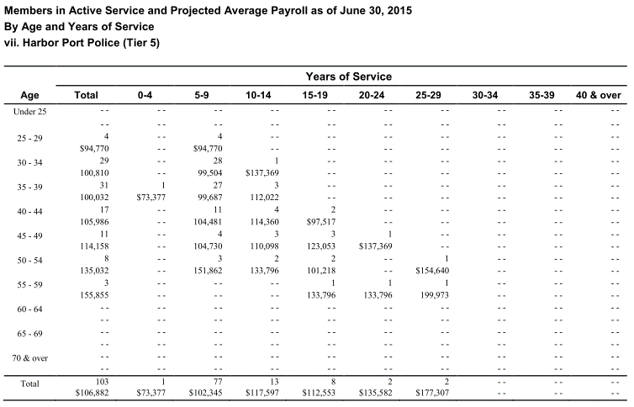
Age |  |  |  | 0-4 | 5-9 | 10-14 | 15-19 | 20-24 | 25-29 | 30-34 | 35-39 | 40 & over | Total
 | type | age.cell | agegrp | 2 | 7 | 12 | 17 | 22 | 27 | 32 | 37 | 42
 | yosgrp |  |  | 0-4 | 5-9 | 10-14 | 15-19 | 20-24 | 25-29 | 30-34 | 35-39 | 40-44
Under 25 | nactives | 22 | 20-24
 | salary | 22 | 20-24
25 - 29 | nactives | 27 | 25-29 |  | 4 |  |  |  |  |  |  |  | 4
 | salary | 27 | 25-29 |  | 94770 |  |  |  |  |  |  |  | 94770
30 - 34 | nactives | 32 | 30-34 |  | 28 | 1 |  |  |  |  |  |  | 29
 | salary | 32 | 30-34 |  | 99504 | 137369 |  |  |  |  |  |  | 100810
35 - 39 | nactives | 37 | 35-39 | 1 | 27 | 3 |  |  |  |  |  |  | 31
 | salary | 37 | 35-39 | 73377 | 99687 | 112022 |  |  |  |  |  |  | 100032
40 - 44 | nactives | 42 | 40-44 |  | 11 | 4 | 2 |  |  |  |  |  | 17
 | salary | 42 | 40-44 |  | 104481 | 114360 | 97517 |  |  |  |  |  | 105986
45 - 49 | nactives | 47 | 45-49 |  | 4 | 3 | 3 | 1 |  |  |  |  | 11
 | salary | 47 | 45-49 |  | 104730 | 110098 | 123053 | 137369 |  |  |  |  | 114158
50 - 54 | nactives | 52 | 50-54 |  | 3 | 2 | 2 |  | 1 |  |  |  | 8
 | salary | 52 | 50-54 |  | 151862 | 133796 | 101218 |  | 154640 |  |  |  | 135032
55 - 59 | nactives | 57 | 55-59 |  |  |  | 1 | 1 | 1 |  |  |  | 3
 | salary | 57 | 55-59 |  |  |  | 133796 | 133796 | 199973 |  |  |  | 155855
60 - 64 | nactives | 62 | 60-64
 | salary | 62 | 60-64
65 - 69 | nactives | 67 | 65-69
 | salary | 67 | 65-69
70 & over | nactives | 72 | 70-74
 | salary | 72 | 70-74
Total |  |  |  | 1 | 77 | 13 | 8 | 2 | 2 |  |  |  | 103
 |  |  |  | 73377 | 102345 | 117597 | 112553 | 135582 | 177307 |  |  |  | 106882

Actives_t6_HPP
TOC
startcell | B7
endcell | M30

Age |  |  |  | 0-4 | 5-9 | 10-14 | 15-19 | 20-24 | 25-29 | 30-34 | 35-39 | 40 & over | Total
 | type | age.cell | agegrp | 2 | 7 | 12 | 17 | 22 | 27 | 32 | 37 | 42
 | yosgrp |  |  | 0-4 | 5-9 | 10-14 | 15-19 | 20-24 | 25-29 | 30-34 | 35-39 | 40-44
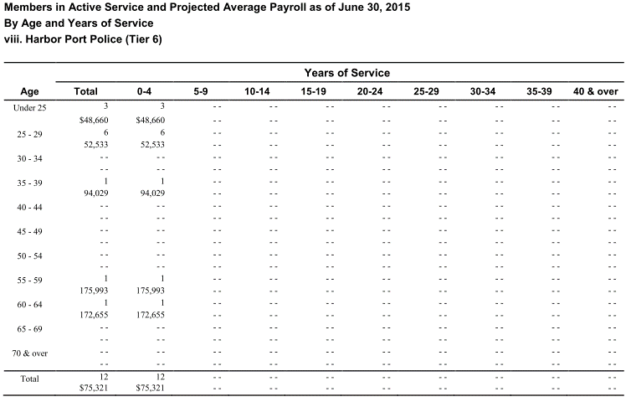
Under 25 | nactives | 22 | 20-24 | 3 |  |  |  |  |  |  |  |  | 3
 | salary | 22 | 20-24 | 48660 |  |  |  |  |  |  |  |  | 48660
25 - 29 | nactives | 27 | 25-29 | 6 |  |  |  |  |  |  |  |  | 6
 | salary | 27 | 25-29 | 52533 |  |  |  |  |  |  |  |  | 52533
30 - 34 | nactives | 32 | 30-34
 | salary | 32 | 30-34
35 - 39 | nactives | 37 | 35-39 | 1 |  |  |  |  |  |  |  |  | 1
 | salary | 37 | 35-39 | 94029 |  |  |  |  |  |  |  |  | 94029
40 - 44 | nactives | 42 | 40-44
 | salary | 42 | 40-44
45 - 49 | nactives | 47 | 45-49
 | salary | 47 | 45-49
50 - 54 | nactives | 52 | 50-54
 | salary | 52 | 50-54
55 - 59 | nactives | 57 | 55-59 | 1 |  |  |  |  |  |  |  |  | 1
 | salary | 57 | 55-59 | 175993 |  |  |  |  |  |  |  |  | 175993
60 - 64 | nactives | 62 | 60-64 | 1 |  |  |  |  |  |  |  |  | 1
 | salary | 62 | 60-64 | 172655 |  |  |  |  |  |  |  |  | 172655
65 - 69 | nactives | 67 | 65-69
 | salary | 67 | 65-69
70 & over | nactives | 72 | 70-74
 | salary | 72 | 70-74
Total |  |  |  | 12 |  |  |  |  |  |  |  |  | 12
 |  |  |  | 75321 |  |  |  |  |  |  |  |  | 75321

Other_t1
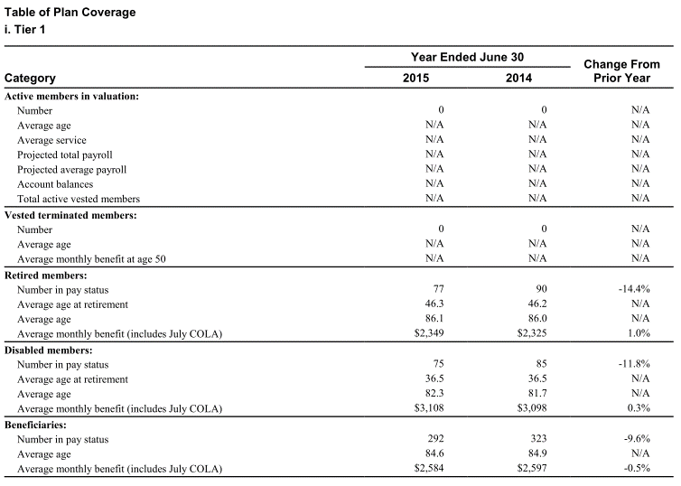
TOC
startcell | C6
endcell | D20

 |  | variable | value
Vested terminated members: | Number | terms.n.tot | 0.0
 | Average age | terms.avg.age | N/A
 | Average monthly benefit at age 50 | terms.ben50.mon | N/A
Retired members: | Number in pay status | retirees.n.tot | 77.0
 | Average age at retirement | retirees.avg.retage | 46.3
 | Average age | retirees.avg.age | 86.1
 | Average monthly benefit (includes July COLA) | retirees.ben.mon | 2349.0
Disabled members: | Number in pay status | disb.n.tot | 75.0
 | Average age at retirement | disb.avg.retage | 36.5
 | Average age | disb.avg.age | 82.3
 | Average monthly benefit (includes July COLA) | disb.ben.mon | 3108.0
Beneficiaries: | Number in pay status | beneficiaries.n.tot | 292.0
 | Average age | beneficiaries.avg.age | 84.6
 | Average monthly benefit (includes July COLA) | beneficiaries.ben.mon | 2584.0

Other_t2
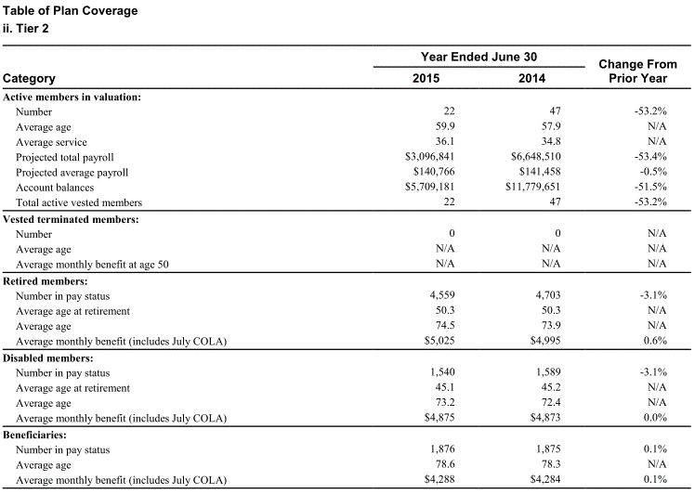
TOC
startcell | C6
endcell | D20

 |  | variable | value
Vested terminated members: | Number | terms.n.tot | 0.0
 | Average age | terms.avg.age | N/A
 | Average monthly benefit at age 50 | terms.ben50.mon | N/A
Retired members: | Number in pay status | retirees.n.tot | 4559.0
 | Average age at retirement | retirees.avg.retage | 50.3
 | Average age | retirees.avg.age | 74.5
 | Average monthly benefit (includes July COLA) | retirees.ben.mon | 5025.0
Disabled members: | Number in pay status | disb.n.tot | 1540.0
 | Average age at retirement | disb.avg.retage | 45.1
 | Average age | disb.avg.age | 73.2
 | Average monthly benefit (includes July COLA) | disb.ben.mon | 4875.0
Beneficiaries: | Number in pay status | beneficiaries.n.tot | 1876.0
 | Average age | beneficiaries.avg.age | 78.6
 | Average monthly benefit (includes July COLA) | beneficiaries.ben.mon | 4288.0

Other_t3
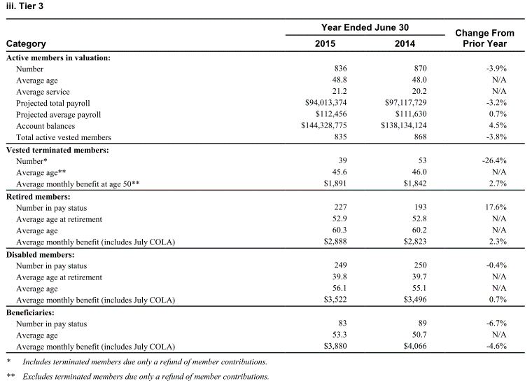
TOC
startcell | C6
endcell | D20

 |  | variable | value
Vested terminated members: | Number | terms.n.tot | 39.00
 | Average age | terms.avg.age | 45.60
 | Average monthly benefit at age 50 | terms.ben50.mon | 1891.00
Retired members: | Number in pay status | retirees.n.tot | 227.00
 | Average age at retirement | retirees.avg.retage | 52.90
 | Average age | retirees.avg.age | 60.30
 | Average monthly benefit (includes July COLA) | retirees.ben.mon | 2888.00
Disabled members: | Number in pay status | disb.n.tot | 249.00
 | Average age at retirement | disb.avg.retage | 39.80
 | Average age | disb.avg.age | 56.10
 | Average monthly benefit (includes July COLA) | disb.ben.mon | 3522.00
Beneficiaries: | Number in pay status | beneficiaries.n.tot | 83.00
 | Average age | beneficiaries.avg.age | 53.30
 | Average monthly benefit (includes July COLA) | beneficiaries.ben.mon | 3880.00

Other_t4
TOC
startcell | C6
endcell | D20

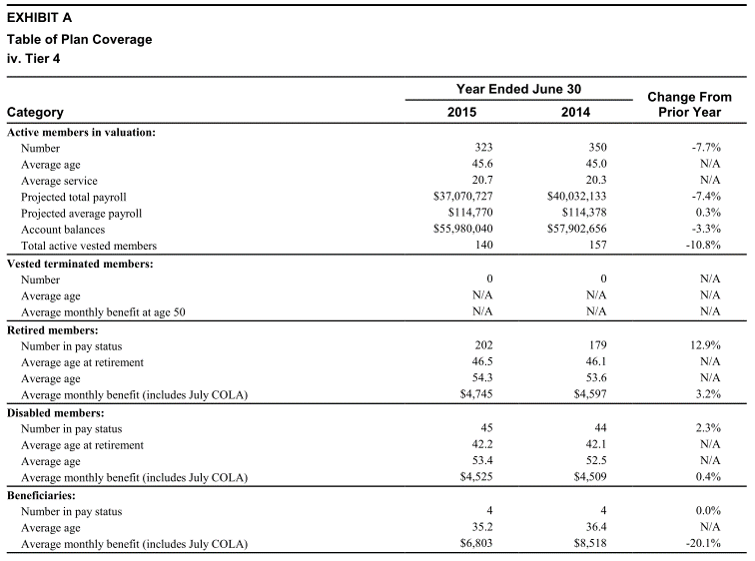
 |  | variable | value
Vested terminated members: | Number | terms.n.tot | 0.00
 | Average age | terms.avg.age | N/A
 | Average monthly benefit at age 50 | terms.ben50.mon | N/A
Retired members: | Number in pay status | retirees.n.tot | 202.00
 | Average age at retirement | retirees.avg.retage | 46.50
 | Average age | retirees.avg.age | 54.30
 | Average monthly benefit (includes July COLA) | retirees.ben.mon | 4745.00
Disabled members: | Number in pay status | disb.n.tot | 45.00
 | Average age at retirement | disb.avg.retage | 42.20
 | Average age | disb.avg.age | 53.40
 | Average monthly benefit (includes July COLA) | disb.ben.mon | 4525.00
Beneficiaries: | Number in pay status | beneficiaries.n.tot | 4.00
 | Average age | beneficiaries.avg.age | 35.20
 | Average monthly benefit (includes July COLA) | beneficiaries.ben.mon | 6803.00

Other_t5_noHPP
TOC
startcell | C6
endcell | D20

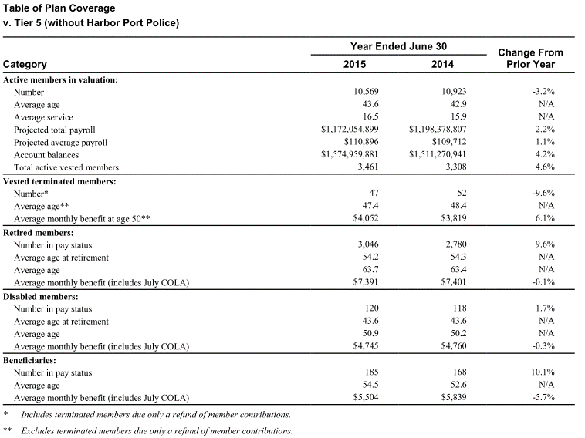
 |  | variable | value
Vested terminated members: | Number | terms.n.tot | 47.00
 | Average age | terms.avg.age | 47.40
 | Average monthly benefit at age 50 | terms.ben50.mon | 4052.00
Retired members: | Number in pay status | retirees.n.tot | 3046.00
 | Average age at retirement | retirees.avg.retage | 54.20
 | Average age | retirees.avg.age | 63.70
 | Average monthly benefit (includes July COLA) | retirees.ben.mon | 7391.00
Disabled members: | Number in pay status | disb.n.tot | 120.00
 | Average age at retirement | disb.avg.retage | 43.60
 | Average age | disb.avg.age | 50.90
 | Average monthly benefit (includes July COLA) | disb.ben.mon | 4745.00
Beneficiaries: | Number in pay status | beneficiaries.n.tot | 185.00
 | Average age | beneficiaries.avg.age | 54.50
 | Average monthly benefit (includes July COLA) | beneficiaries.ben.mon | 5504.00

Other_t6_noHPP
TOC
startcell | C6
endcell | D20


 |  | variable | value
Vested terminated members: | Number | terms.n.tot | 26.00
 | Average age | terms.avg.age | N/A
 | Average monthly benefit at age 50 | terms.ben50.mon | N/A
Retired members: | Number in pay status | retirees.n.tot | 0.00
 | Average age at retirement | retirees.avg.retage | N/A
 | Average age | retirees.avg.age | N/A
 | Average monthly benefit (includes July COLA) | retirees.ben.mon | N/A
Disabled members: | Number in pay status | disb.n.tot | 0.00
 | Average age at retirement | disb.avg.retage | N/A
 | Average age | disb.avg.age | N/A
 | Average monthly benefit (includes July COLA) | disb.ben.mon | N/A
Beneficiaries: | Number in pay status | beneficiaries.n.tot | 0.00
 | Average age | beneficiaries.avg.age | N/A
 | Average monthly benefit (includes July COLA) | beneficiaries.ben.mon | N/A

Other_t5_HPP
TOC
startcell | C6
endcell | D20

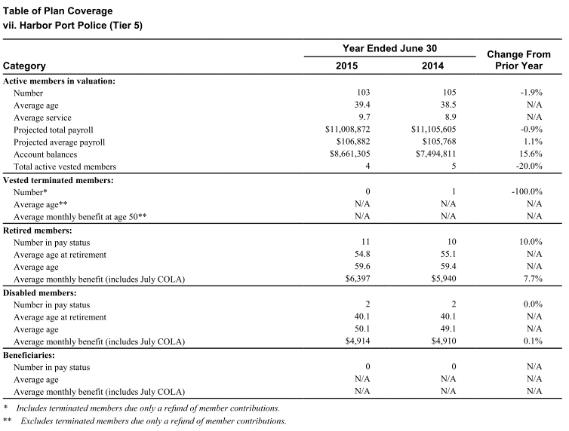
 |  | variable | value
Vested terminated members: | Number | terms.n.tot | 0.00
 | Average age | terms.avg.age | N/A
 | Average monthly benefit at age 50 | terms.ben50.mon | N/A
Retired members: | Number in pay status | retirees.n.tot | 11.00
 | Average age at retirement | retirees.avg.retage | 54.80
 | Average age | retirees.avg.age | 59.60
 | Average monthly benefit (includes July COLA) | retirees.ben.mon | 6397.00
Disabled members: | Number in pay status | disb.n.tot | 2.00
 | Average age at retirement | disb.avg.retage | 40.10
 | Average age | disb.avg.age | 50.10
 | Average monthly benefit (includes July COLA) | disb.ben.mon | 4914.00
Beneficiaries: | Number in pay status | beneficiaries.n.tot | 0.00
 | Average age | beneficiaries.avg.age | N/A
 | Average monthly benefit (includes July COLA) | beneficiaries.ben.mon | N/A

Other_t6_HPP
TOC
startcell | C6
endcell | D20

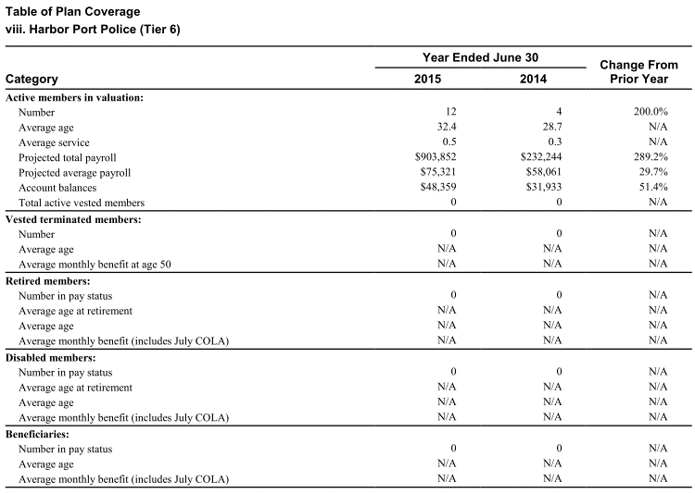
 |  | variable | value
Vested terminated members: | Number | terms.n.tot | 0.00
 | Average age | terms.avg.age | N/A
 | Average monthly benefit at age 50 | terms.ben50.mon | N/A
Retired members: | Number in pay status | retirees.n.tot | 0.00
 | Average age at retirement | retirees.avg.retage | N/A
 | Average age | retirees.avg.age | N/A
 | Average monthly benefit (includes July COLA) | retirees.ben.mon | N/A
Disabled members: | Number in pay status | disb.n.tot | 0.00
 | Average age at retirement | disb.avg.retage | N/A
 | Average age | disb.avg.age | N/A
 | Average monthly benefit (includes July COLA) | disb.ben.mon | N/A
Beneficiaries: | Number in pay status | beneficiaries.n.tot | 0.00
 | Average age | beneficiaries.avg.age | N/A
 | Average monthly benefit (includes July COLA) | beneficiaries.ben.mon | N/A

