Overview
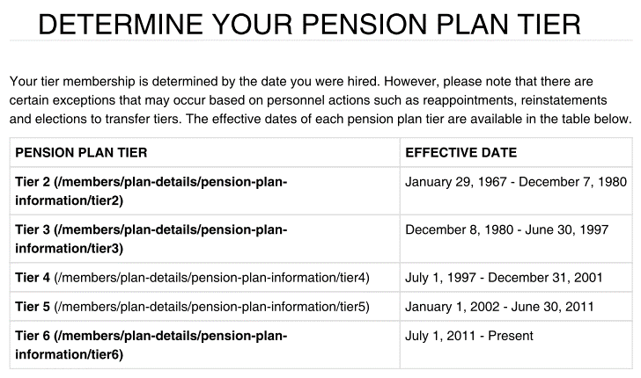
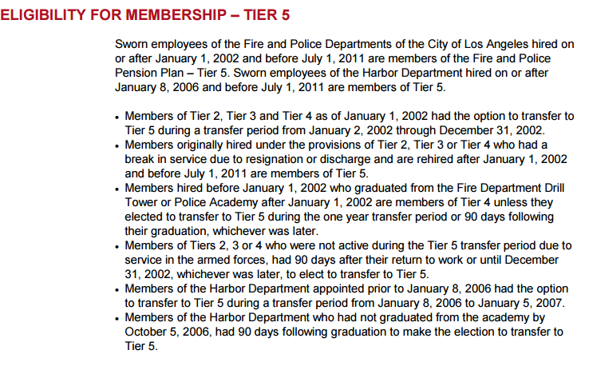
Tier Info | Summary Plan Description\Determine Your Pension Plan Tier _ Los Angeles Fire and Police Pensions.pdf

FundingPolicy
TOC

 |  | Notes
Employer Contribution
Method | EAN
Asset smoothing | 1. Smoothing Period: 7 years 2. AVA is adjusted to be within 40% of MVA: - 60% ~ 140% of MVA? - how to adjust? Simply make AVA = 60%*MVA or 140%*MVA when AVA is out of the range? 3. Need to find historical investment losses and gains. SOLVED
Amortization | General Amort method: - gains/losses: 20-year, level pct, closed - plan amendments: 15-year, level pct, closed - plan assumption changes: 25-year, level pct, closed Tier specific methods: - Tier1: UAAL amortized using level dollar method ending on Jun 30, 2037 - Tiers 2,3,4: payroll basis: total valuation payroll from the respective employer(i.e. the City or Harbor Port Police) - Tier 5, 6: payroll basis: combined payroll for these tiers from the respective employer (i.e. the City or Harbor Port Police) Questions: - Only UAAL is mentioned in tier specific policies, how about surplus? - definitions of "total valuation payroll", "combined payroll for these tiers(5,6)"? | 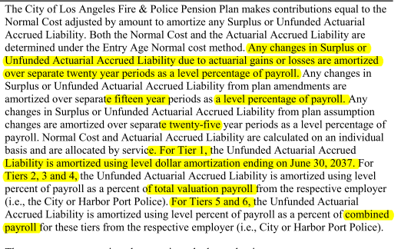
Employee Contribution | Tier 1: - Normal contribution rate 6% - exempt if yos > 30 Tier 2: - Normal contribution rate 6% - plus half of the COLA benefit to a max of 1% (How to calculate?) - exempt if yos > 30 Tier 3 and 4 - Normal contribution rate 8% - exempt if yos > 30 Tier 5 - Normal contribuiton rate 9% - City of LA paying 1% of the 9% if LAFPP is at least 100% funded (do not need to model) - exempt if yos>33 Tier 6 - Normal contribuiton rate 11% - 2% of the 11% to support health benefit, exempt if yos > 25 - exempt if yos >=33 - Model: 9% EEC rate, exempt if yos > 33 (See CAFR 2015 p124) | 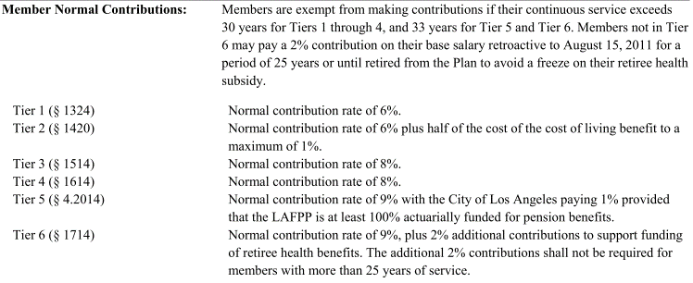
External fund

Assumptions
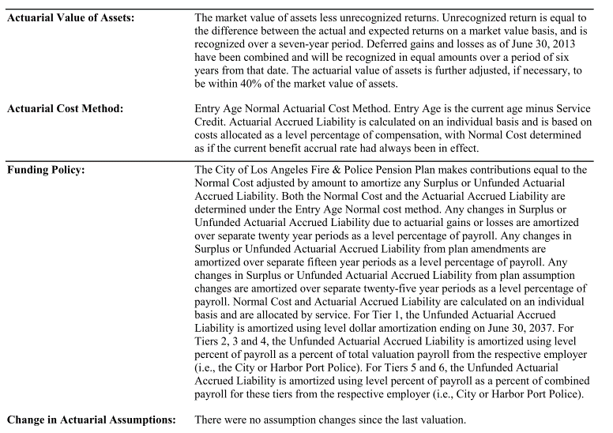
TOC

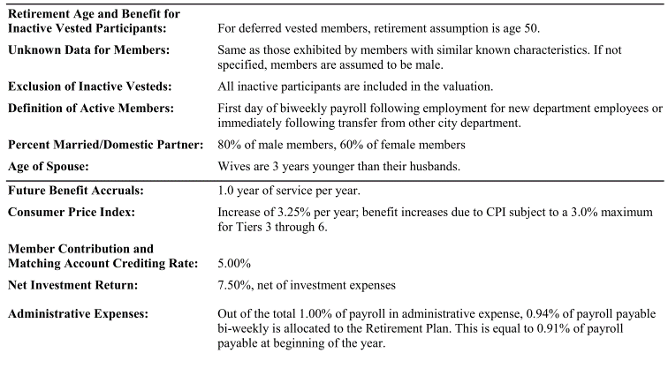
 |  | Note
Net investment return(Discount rate) | 7.50%

COLA and CPI | COLA provisions: see plan provisions Assumptions: - CPI increases of 3.25% per year - Benefit increases due to CPI subject to a 3.0% max for Tier 3 through 6

Eligible Survivors: | pct with married/Domestic Partner: - 80% of male, 60% of female Eligible survivor Ages: - Wives are 3 years younger than their husbands. Number of eligible children?(We may not plan to model benefits to children in the first version)

Question: | Member Contribution and matching account crediting rate 5%?

SalaryGrowth
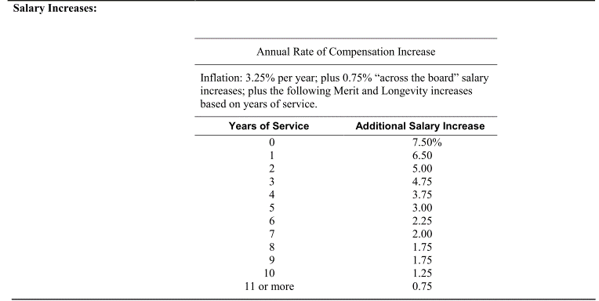
TOC
startcell | A6
endcell | B18

Years of Service | Additional Salary Increase
yos | salgrowth
0 | 7.50%
1 | 6.50%
2 | 5.00%
3 | 4.75%
4 | 3.75%
5 | 3.00%
6 | 2.25%
7 | 2.00%
8 | 1.75%
9 | 1.75%
10 | 1.25%
11 | 0.75%

Init_unrecReturn
TOC
startcell | B6
endcell | C12
source | AV2015 pdf page 20
Notes:
The unrecognzied returns are associated with assets of retirement fund and health insurance fund combined.
In the model, the deferred returns must be adjusted so that the total deferred return is equal to the difference between the initial AA and MA.
Only effective when modeling all tiers together.
 | year | DeferredReturn
 | 2017 | -31778122
 | 2018 | -31778122
 | 2019 | -31778122
 | 2020 | -44654689
 | 2021 | -269200210
 | 2022 | -177279127

Ret_dec
TOC
startcell | A7
endcell | G32

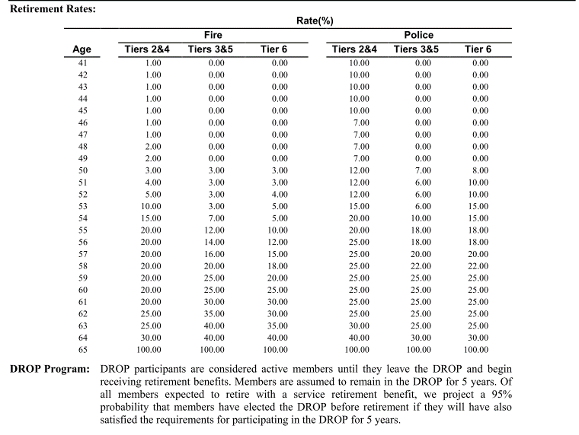
Age | Fire |  |  | Police
 | Tiers 2&4 | Tiers 3&5 | Tier 6 | Tiers 2&4 | Tiers 3&5 | Tier 6
age | qxr.t2t4.fire | qxr.t3t5.fire | qxr.t6.fire | qxr.t2t4.plc | qxr.t3t5.plc | qxr.t6.plc
41 | 1% | 0% | 0% | 10% | 0% | 0%
42 | 1% | 0% | 0% | 10% | 0% | 0%
43 | 1% | 0% | 0% | 10% | 0% | 0%
44 | 1% | 0% | 0% | 10% | 0% | 0%
45 | 1% | 0% | 0% | 10% | 0% | 0%
46 | 1% | 0% | 0% | 7% | 0% | 0%
47 | 1% | 0% | 0% | 7% | 0% | 0%
48 | 2% | 0% | 0% | 7% | 0% | 0%
49 | 2% | 0% | 0% | 7% | 0% | 0%
50 | 3% | 3% | 3% | 12% | 7% | 8%
51 | 4% | 3% | 3% | 12% | 6% | 10%
52 | 5% | 3% | 4% | 12% | 6% | 10%
53 | 10% | 3% | 5% | 15% | 6% | 15%
54 | 15% | 7% | 5% | 20% | 10% | 15%
55 | 20% | 12% | 10% | 20% | 18% | 18%
56 | 20% | 14% | 12% | 25% | 18% | 18%
57 | 20% | 16% | 15% | 25% | 20% | 20%
58 | 20% | 20% | 18% | 25% | 22% | 22%
59 | 20% | 25% | 20% | 25% | 25% | 25%
60 | 20% | 25% | 25% | 25% | 25% | 25%
61 | 20% | 30% | 30% | 25% | 25% | 25%
62 | 25% | 35% | 30% | 25% | 25% | 25%
63 | 25% | 40% | 35% | 30% | 25% | 25%
64 | 30% | 40% | 40% | 40% | 30% | 30%
65 | 100% | 100% | 100% | 100% | 100% | 100%

 |  |  |  |  |  |  |  | 57 | 20% | 80% | 80.000% |  | 0.2 | 0 | 0
 | 1243 |  | 6056 |  |  |  |  | 58 | 22% | 78% | 62.400% | 80.000% | 17.600% | 1 | 0.176
1 | 1 | 1243 | 6056 | 90331296.0 | 90331296 | 56416095.877 | 56416095.877 | 59 | 25% | 75% | 46.800% | 62.400% | 15.600% | 2 | 0.312
2 | 0.8 | 994.4 | 6237.68 | 74432987.9 | 69239988.748 | 56416095.877 | 52480089.188 | 60 | 25% | 75% | 35.100% | 46.800% | 11.700% | 3 | 0.351
3 | 0.6 | 745.8 | 6424.8104 | 57499483.2 | 49756177.961 | 56416095.877 | 48818687.617 | 61 | 25% | 75% | 26.325% | 35.100% | 8.775% | 4 | 0.351
4 | 0.4 | 497.2 | 6617.554712 | 39482978.4 | 31782240.806 | 56416095.877 | 45412732.667 | 62 | 25% | 75% | 19.744% | 26.325% | 6.581% | 5 | 0.3290625
5 | 0.2 | 248.6 | 6816.0813534 | 20333733.9 | 15225910.712 | 56416095.877 | 42244402.481 | 63 | 25% | 75% | 14.808% | 19.744% | 4.936% | 6 | 0.29615625
 |  |  |  | 282,080,479 | 256,335,614 |  | 245,372,008 | 64 | 30% | 70% | 10.365% | 14.808% | 4.442% | 7 | 0.3109640625
 |  |  |  |  |  |  |  | 65 | 100% | 0% | 0.000% | 10.365% | 10.365% | 8 | 0.8292375
 |  |  |  |  |  |  |  | 66 |  |  |  | 0.000% | 0.000% | 9 | 0

Ret_bfactor
TOC
startcell | A6
endcell | G72
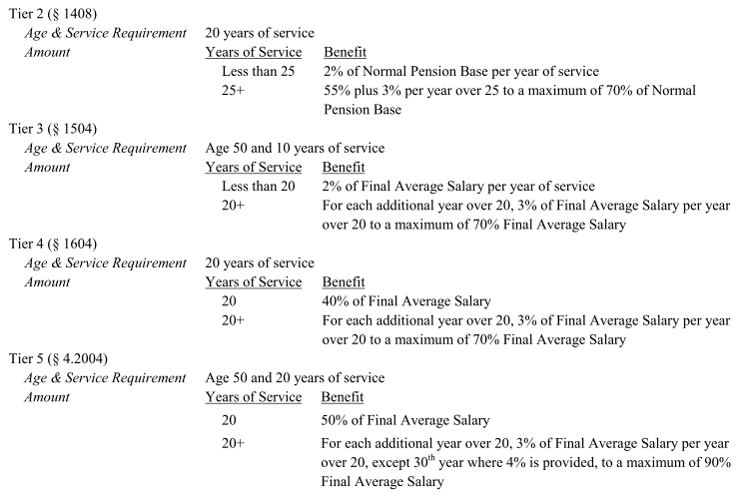

yos | bf.t1 | bf.t2 | bf.t3 | bf.t4 | bf.t5 | bf.t6
0 | 0% | 0% | 0% | 0% | 0% | 0%
1 | 0% | 0% | 0% | 0% | 0% | 0%
2 | 0% | 0% | 0% | 0% | 0% | 0%
3 | 0% | 0% | 0% | 0% | 0% | 0%
4 | 0% | 0% | 0% | 0% | 0% | 0%
5 | 0% | 0% | 0% | 0% | 0% | 0%
6 | 0% | 0% | 0% | 0% | 0% | 0%
7 | 0% | 0% | 0% | 0% | 0% | 0%
8 | 0% | 0% | 0% | 0% | 0% | 0%
9 | 0% | 0% | 0% | 0% | 0% | 0%
10 | 0% | 0% | 20% | 0% | 0% | 0%
11 | 0% | 0% | 22% | 0% | 0% | 0%
12 | 0% | 0% | 24% | 0% | 0% | 0%
13 | 0% | 0% | 26% | 0% | 0% | 0%
14 | 0% | 0% | 28% | 0% | 0% | 0%
15 | 0% | 0% | 30% | 0% | 0% | 0%
16 | 0% | 0% | 32% | 0% | 0% | 0%
17 | 0% | 0% | 34% | 0% | 0% | 0%
18 | 0% | 0% | 36% | 0% | 0% | 0%
19 | 0% | 0% | 38% | 0% | 0% | 0%
20 | 40% | 40% | 41% | 40% | 50% | 40%
21 | 42% | 42% | 44% | 43% | 53% | 43%
22 | 44% | 44% | 47% | 46% | 56% | 46%
23 | 46% | 46% | 50% | 49% | 59% | 49%
24 | 48% | 48% | 53% | 52% | 62% | 52%
25 | 50% | 55% | 56% | 55% | 65% | 55%
26 | 51.67% | 58% | 59% | 58% | 68% | 59%
27 | 53.33% | 61% | 62% | 61% | 71% | 63%
28 | 55.00% | 64% | 65% | 64% | 74% | 67%
29 | 56.67% | 67% | 68% | 67% | 77% | 71%
30 | 58.33% | 70% | 70% | 70% | 81% | 75%
31 | 60.00% | 70% | 70% | 70% | 84% | 80%
32 | 61.67% | 70% | 70% | 70% | 87% | 85%
33 | 63.33% | 70% | 70% | 70% | 90% | 90%
34 | 65.00% | 70% | 70% | 70% | 90% | 90%
35 | 66.67% | 70% | 70% | 70% | 90% | 90%
36 | 66.67% | 70% | 70% | 70% | 90% | 90%
37 | 66.67% | 70% | 70% | 70% | 90% | 90%
38 | 66.67% | 70% | 70% | 70% | 90% | 90%
39 | 66.67% | 70% | 70% | 70% | 90% | 90%
40 | 66.67% | 70% | 70% | 70% | 90% | 90%
41 | 66.67% | 70% | 70% | 70% | 90% | 90%
42 | 66.67% | 70% | 70% | 70% | 90% | 90%
43 | 66.67% | 70% | 70% | 70% | 90% | 90%
44 | 66.67% | 70% | 70% | 70% | 90% | 90%
45 | 66.67% | 70% | 70% | 70% | 90% | 90%
46 | 66.67% | 70% | 70% | 70% | 90% | 90%
47 | 66.67% | 70% | 70% | 70% | 90% | 90%
48 | 66.67% | 70% | 70% | 70% | 90% | 90%
49 | 66.67% | 70% | 70% | 70% | 90% | 90%
50 | 66.67% | 70% | 70% | 70% | 90% | 90%
51 | 66.67% | 70% | 70% | 70% | 90% | 90%
52 | 66.67% | 70% | 70% | 70% | 90% | 90%
53 | 66.67% | 70% | 70% | 70% | 90% | 90%
54 | 66.67% | 70% | 70% | 70% | 90% | 90%
55 | 66.67% | 70% | 70% | 70% | 90% | 90%
56 | 66.67% | 70% | 70% | 70% | 90% | 90%
57 | 66.67% | 70% | 70% | 70% | 90% | 90%
58 | 66.67% | 70% | 70% | 70% | 90% | 90%
59 | 66.67% | 70% | 70% | 70% | 90% | 90%
60 | 66.67% | 70% | 70% | 70% | 90% | 90%
61 | 66.67% | 70% | 70% | 70% | 90% | 90%
62 | 66.67% | 70% | 70% | 70% | 90% | 90%
63 | 66.67% | 70% | 70% | 70% | 90% | 90%
64 | 66.67% | 70% | 70% | 70% | 90% | 90%
65 | 66.67% | 70% | 70% | 70% | 90% | 90%

Term_dec1
TOC
startcell | A5
endcell | C10
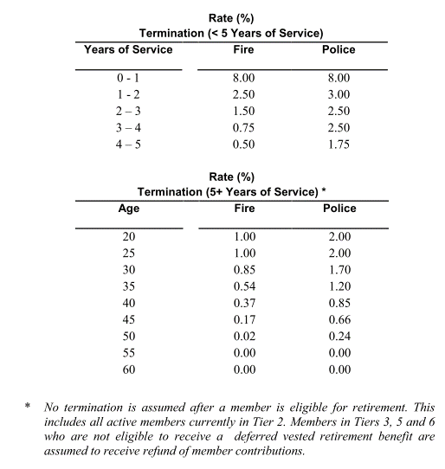
yos | qxt.fire.yos | qxt.plc.yos
0 | 8.0% | 8.0%
1 | 2.5% | 3.0%
2 | 1.5% | 2.5%
3 | 0.75% | 2.5%
4 | 0.5% | 1.75%

Disb_sum
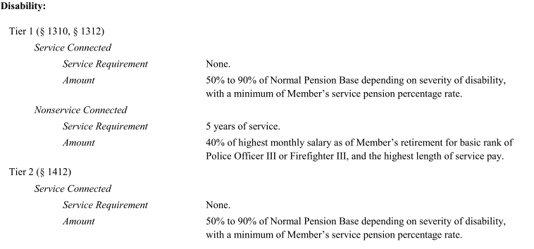
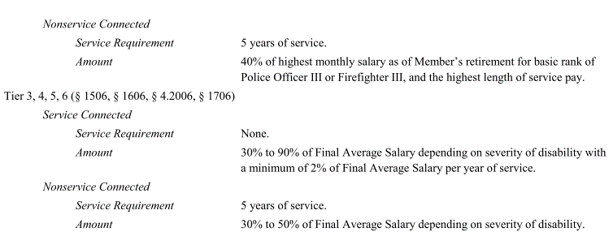
TOC
 | Parameter/formula
 | Tier1 | Tier2 | Tier3 | Tier4 | Tier5 | Tier6
Requirement | Service connected: none NonService connected: yos >=5 90% are assumed to be service connected, not applicable to members eligible to enter the DROP.
(assumed benefit AV2015 pdf p82) | Service connected: - yos < 20: 55% of FAS - yos 20-30: 65% of FAS - yos > 30: 75% of FAS NonService connected: 40% of FAS

Death after retirement | Service Connected Disability 50% of Member’s Normal Pension Base. Nonservice Connected Disability 40% of highest monthly salary as of Member’s retirement for basic rank of Police Officer III or Firefighter III, and the highest length of service pay. | Service Connected Disability 50% of the Member’s Normal Pension Base, or 55% of the Member’s Normal Pension Base if Member had at least 25 years of service at the date of death. Nonservice Connected Disability 40% of highest monthly salary as of Member’s retirement for basic rank of Police Officer III or Firefighter III, and the highest length of service pay (nonservice connected pension base). | Service Connected Disability If death occurs within three years of the Member’s effective date of pension, then the eligible spouse or designated beneficiary shall receive 75% of the Final Average Salary. Otherwise, a pension equal to 60% of the pension received by the deceased Member immediately preceding the date of death. Nonservice Connected Disability Pension equal to 60% of the pension received by the deceased Member. |  | If former Tier 2 member, see Tier 2. Otherwise, see Tier 3. | Service Connected Disability If death occurs within three years of the Member’s effective date of pension, then the eligible spouse or designated beneficiary shall receive 80% of the Final Average Salary. Otherwise, a pension equal to 80% of the pension received by the deceased Member immediately preceding the date of death. Nonservice Connected Disability Pension equal to 70% of the pension received by the deceased Member.
 | Modeling: - assuming all disabilities are service connceted. - QSSs' benefits are modeled as a fixed proportion of the pension received by the deceased member immediately preceding the date of death. - Tier 1: 80% - Tier 2: 80% - Tier 3/4: 60% - Tier 5: 60% - Tier 6: 80%

Disb_dec
TOC
startcell | A5
endcell | C14

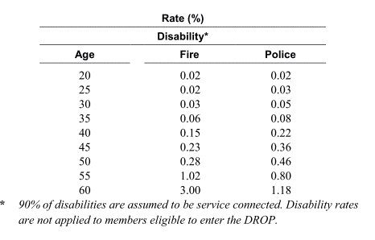
age | qxd.fire | qxd.plc
20 | 0.02% | 0.02%
25 | 0.02% | 0.03%
30 | 0.03% | 0.05%
35 | 0.06% | 0.08%
40 | 0.15% | 0.22%
45 | 0.23% | 0.36%
50 | 0.28% | 0.46%
55 | 1.02% | 0.80%
60 | 3.00% | 1.18%

 |  |  | source: AV16 pdf p78

Death_sum
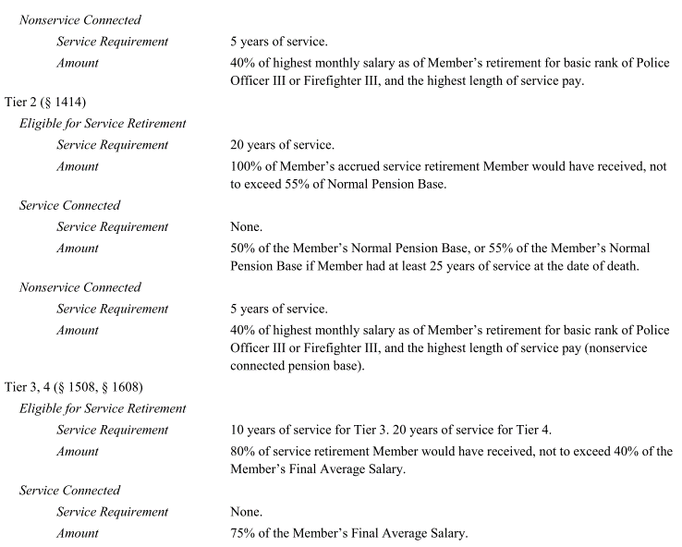
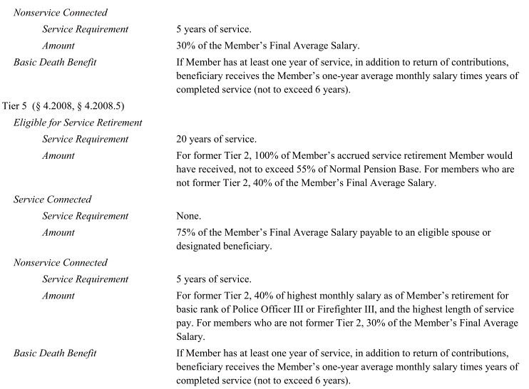
TOC

 |  | Tier1 | Tier2 | Tier3 | Tier4 | Tier5 | Tier6
Eligible for Service retirement | Eligibility | yos >=20 | yos>=20 | yos>=10 | yos>=20 | yos>=20
 | Benefit | 100% accrued retirement benefit Not to exceed 50% Normal pension base | 100% accrued retirement benefit Not to exceed 55% Normal pension base | 80% accrued retirement benefit Not to sceed 40% Normal pension base |  | For former Tier 2: 100% accrued benefit, not to exceed 55% of NPB For others: 40% of FAS
Service connected | Eligibility | None | none | none |  | none | none
Only model this type. | Benefit | 50% of normal pension base | 55% of Normal pension base if yos >=25, otherwise 50% (only need to model 55%) | 75% of FAS |  | 75% of FAS | 80% of FAS

Death before retirement |  | - Refund of contribution with interest. - limited pension for qualified survivor.

Death_dec
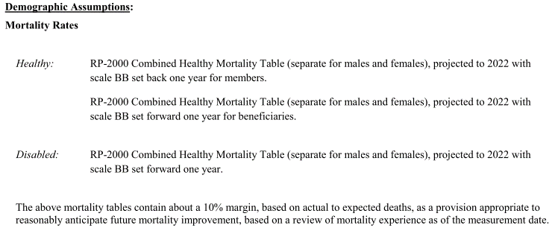
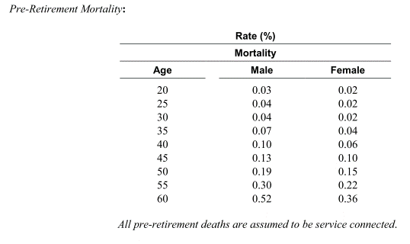
TOC

 | Healthy mortality table is used for disabled?

Fiscal
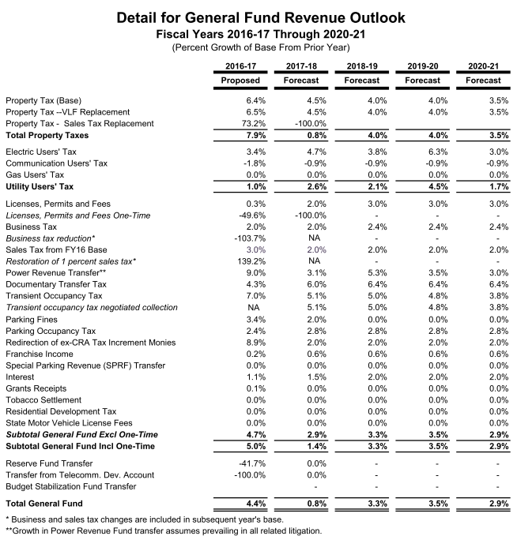
TOC
startcell | C5
endcell | D36

 |  | year | GenFund.original | GenFund.high | GenFund.med | GenFund.low | Growth.high | 0.035
 |  | 2015 | 5324062 | 5324062 | 5324062 | 5324062 | Grwoth.med | 0.029
 |  | 2016 | 5558321 | 5558321 | 5558321 | 5558321 | Growth.low | 0.020
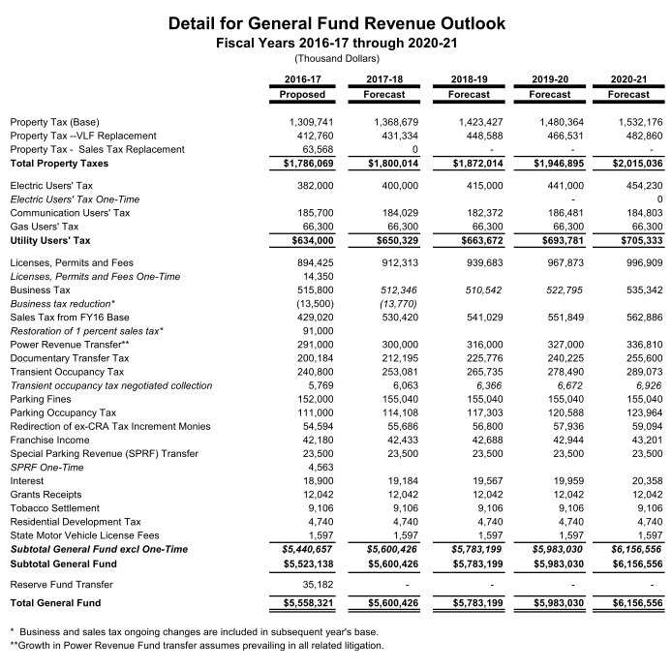
 |  | 2017 | 5600426 | 5600426 | 5600426 | 5600426
 |  | 2018 | 5783199 | 5783199 | 5783199 | 5783199
 |  | 2019 | 5983030 | 5983030 | 5983030 | 5983030
 |  | 2020 | 6156556 | 6156556 | 6156556 | 6156556
 |  | 2021 |  | 6372035 | 6335096 | 6279687
 |  | 2022 |  | 6595057 | 6518814 | 6405281
 |  | 2023 |  | 6825884 | 6707860 | 6533386
 |  | 2024 |  | 7064790 | 6902387 | 6664054
 |  | 2025 |  | 7312057 | 7102557 | 6797335
 |  | 2026 |  | 7567979 | 7308531 | 6933282
 |  | 2027 |  | 7832859 | 7520478 | 7071948
 |  | 2028 |  | 8107009 | 7738572 | 7213387
 |  | 2029 |  | 8390754 | 7962991 | 7357654
 |  | 2030 |  | 8684430 | 8193917 | 7504807
 |  | 2031 |  | 8988385 | 8431541 | 7654904
 |  | 2032 |  | 9302979 | 8676056 | 7808002
 |  | 2033 |  | 9628583 | 8927661 | 7964162
 |  | 2034 |  | 9965583 | 9186563 | 8123445
 |  | 2035 |  | 10314379 | 9452974 | 8285914
 |  | 2036 |  | 10675382 | 9727110 | 8451632
 |  | 2037 |  | 11049021 | 10009196 | 8620665
 |  | 2038 |  | 11435736 | 10299463 | 8793078
 |  | 2039 |  | 11835987 | 10598147 | 8968940
 |  | 2040 |  | 12250247 | 10905494 | 9148318
 |  | 2041 |  | 12679005 | 11221753 | 9331285
 |  | 2042 |  | 13122770 | 11547184 | 9517910
 |  | 2043 |  | 13582067 | 11882052 | 9708269
 |  | 2044 |  | 14057440 | 12226632 | 9902434
 |  | 2045 |  | 14549450 | 12581204 | 10100483

Fiscal2
model year | FY ending in | ERC including Health subsidy | actual EEC + ERC of pension | expected EEC | estimated actual ERC: (actual EEC+ERC) - expected EEC | Est. pensin ERC / total ERC | FY starting in | Pension ADC (AV2016 p.60) | Recommended ERC (1-year lag) (eg. AV2016 page 59) | Source of Recommended ERC | ADC/recom.ERC | expected EEC
2005 | 2006 |  | 223,219,844
2006 | 2007 | 286,167,278 | 314,980,319 | 91,545,104 | 223,435,215 | 78% | 2006 | 224,946,082 |  |  |  | 91,545,104 | 324,421,642
2007 | 2008 | 333,672,743 | 354,299,709 | 95,700,124 | 258,599,585 | 78% | 2007 | 261,635,491 | 232,876,538 | AV2006 | 1.12 | 95,700,124 | 313,636,003 | AV2006
2008 | 2009 | 326,876,839 | 342,383,376 | 102,485,719 | 239,897,657 | 73% | 2008 | 238,697,929 | 217,935,879 | AV2007 | 1.10 | 102,485,719 | 341,169,031
2009 | 2010 | 357,165,140 | 356,928,488 | 112,286,300 | 244,642,188 | 68% | 2009 | 250,516,858 | 238,683,312 | AV2008 | 1.05 | 112,286,300 | 402,597,241
2010 | 2011 | 388,773,459 | 382,563,515 | 111,732,379 | 270,831,136 | 70% | 2010 | 277,092,251 | 290,310,941 | AV2009 | 0.95 | 111,732,379 | 479,930,202
2011 | 2012 | 444,565,284 | 441,692,557 | 110,770,763 | 330,921,794 | 74% | 2011 | 321,593,433 | 368,197,823 | AV2010 | 0.87 | 110,770,763 | 547,044,996
2012 | 2013 | 508,387,283 | 497,225,747 | 127,343,851 | 369,881,896 | 73% | 2012 | 375,448,092 | 436,274,233 | AV2011 | 0.86 | 127,343,851 | 591,824,706
2013 | 2014 | 578,805,107 | 565,093,149 | 129,370,345 | 435,722,804 | 75% | 2013 | 440,698,260 | 464,480,855 | AV2012 | 0.95 | 129,370,345 | 627,464,983
2014 | 2015 | 628,808,763 | 626,119,974 | 132,691,115 | 493,428,859 | 78% | 2014 | 480,332,251 | 498,094,638 | AV2013 | 0.96 | 132,691,115 | 626,119,974
2015 | 2016 |  |  | 134,441,085 |  |  | 2015 | 478,385,438 | 493,428,859 | AV2014 | 0.97 | 134,441,085 | 591,225,013
 |  |  |  |  |  |  | 2016 |  | 456,783,928 | AV2015
 |  |  |  |  |  |  | Note: AV2006 means the actuarial valuation report for FY2005-2006. The same for other AVs.
- Assume pension ERC accounts for 75% of the total ERC (pension + health).

Fiscal3
 |  | LAFPP |  |  | LACERS |  |  | estimated actual ERC: (actual EEC+ERC) - expected EEC
model year | FY ending in | ERC including Health subsidy (AV) | ERC including health subsidy (budget) | growth rate | ERC including health subsidy (budget) | growth rate | ERC: LACERS/LAFPP
2005 | 2006
2006 | 2007 | 286,167,278 |  |  |  |  |  | 223435215
2007 | 2008 | 333,672,743 |  |  |  |  |  | 258599585
2008 | 2009 | 326,876,839 |  |  |  |  |  | 239897657
2009 | 2010 | 357,165,140 |  |  |  |  |  | 244642188
2010 | 2011 | 388,773,459 | 394,700,000 |  | 335,400,000 |  | 85.0% | 270831136 | 1.2384100475
2011 | 2012 | 444,565,284 | 475,765,622 |  | 482,498,572 |  | 101.4% | 330921794 | 1.4580441081
2012 | 2013 | 508,387,283 | 509,584,373 | 7.1% | 419,806,102 | -13.0% | 82.4% | 369881896 | 1.13497337
2013 | 2014 | 578,805,107 | 579,875,261 | 13.8% | 450,746,001 | 7.4% | 77.7% | 435722804 | 1.0344787945
2014 | 2015 | 628,808,763 | 629,359,763 | 8.5% | 500,035,962 | 10.9% | 79.5% | 493428859 | 1.0133901836
2015 | 2016 |  | 627,088,183 | -0.4% | 554,863,405 | 11.0% | 88.5%

We assume the total contribution of LACERS is about 85% of LAPFF

