Actives_t2
TOC
startcell | B7
endcell | M30

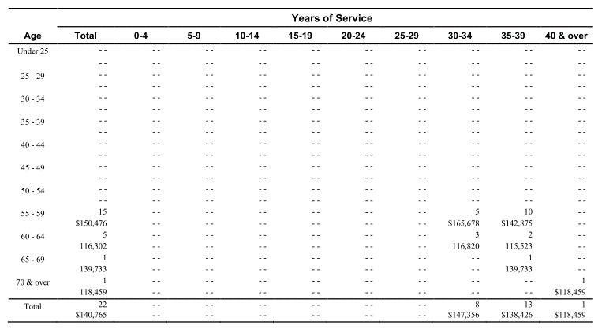
Age |  |  |  | 0-4 | 5-9 | 10-14 | 15-19 | 20-24 | 25-29 | 30-34 | 35-39 | 40 & over | Total
 | type | age.cell | age.grp | 2 | 7 | 12 | 17 | 22 | 27 | 32 | 37 | 42
 | yosgrp |  |  | 0-4 | 5-9 | 10-14 | 15-19 | 20-24 | 25-29 | 30-34 | 35-39 | 40-44
Under 25 | nactives | 22 | 20-24
 | salary | 22 | 20-24
25 - 29 | nactives | 27 | 25-29
 | salary | 27 | 25-29
30 - 34 | nactives | 32 | 30-34
 | salary | 32 | 30-34
35 - 39 | nactives | 37 | 35-39
 | salary | 37 | 35-39
40 - 44 | nactives | 42 | 40-44
 | salary | 42 | 40-44
45 - 49 | nactives | 47 | 45-49
 | salary | 47 | 45-49
50 - 54 | nactives | 52 | 50-54
 | salary | 52 | 50-54
55 - 59 | nactives | 57 | 55-59 |  |  |  |  |  |  | 5 | 10 |  | 15
 | salary | 57 | 55-59 |  |  |  |  |  |  | 165678 | 142875 |  | 150476
60 - 64 | nactives | 62 | 60-64 |  |  |  |  |  |  | 3 | 2 |  | 5
 | salary | 62 | 60-64 |  |  |  |  |  |  | 116820 | 115523 |  | 116302
65 - 69 | nactives | 67 | 65-69 |  |  |  |  |  |  |  | 1 |  | 1
 | salary | 67 | 65-69 |  |  |  |  |  |  |  | 139733 |  | 139733
70 & over | nactives | 72 | 70-74 |  |  |  |  |  |  |  |  | 1 | 1
 | salary | 72 | 70-74 |  |  |  |  |  |  |  |  | 118459 | 118459
Total |  |  |  |  |  |  |  |  |  | 8 | 13 | 1 | 22
 |  |  |  |  |  |  |  |  |  | 147356 | 138426 | 118459

Actives_t3
TOC
startcell | B7
endcell | M30

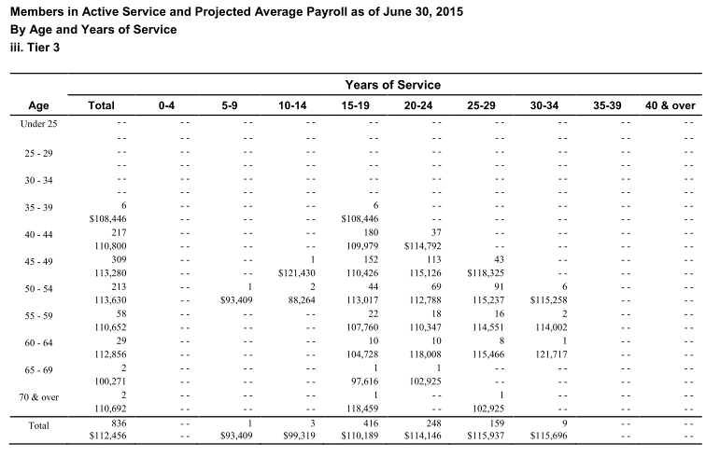
Age |  |  |  | 0-4 | 5-9 | 10-14 | 15-19 | 20-24 | 25-29 | 30-34 | 35-39 | 40 & over | Total
 | type | age.cell | age.grp | 2 | 7 | 12 | 17 | 22 | 27 | 32 | 37 | 42
 | yosgrp |  |  | 0-4 | 5-9 | 10-14 | 15-19 | 20-24 | 25-29 | 30-34 | 35-39 | 40-44
Under 25 | nactives | 22 | 20-24
 | salary | 22 | 20-24
25 - 29 | nactives | 27 | 25-29
 | salary | 27 | 25-29
30 - 34 | nactives | 32 | 30-34
 | salary | 32 | 30-34
35 - 39 | nactives | 37 | 35-39 |  |  |  | 6 |  |  |  |  |  | 6
 | salary | 37 | 35-39 |  |  |  | 108446 |  |  |  |  |  | 108446
40 - 44 | nactives | 42 | 40-44 |  |  |  | 180 | 37 |  |  |  |  | 217
 | salary | 42 | 40-44 |  |  |  | 109979 | 114792 |  |  |  |  | 110800
45 - 49 | nactives | 47 | 45-49 |  |  | 1 | 152 | 113 | 43 |  |  |  | 309
 | salary | 47 | 45-49 |  |  | 121430 | 110426 | 115126 | 118325 |  |  |  | 113280
50 - 54 | nactives | 52 | 50-54 |  | 1 | 2 | 44 | 69 | 91 | 6 |  |  | 213
 | salary | 52 | 50-54 |  | 93409 | 88264 | 113017 | 112788 | 115237 | 115258 |  |  | 113630
55 - 59 | nactives | 57 | 55-59 |  |  |  | 22 | 18 | 16 | 2 |  |  | 58
 | salary | 57 | 55-59 |  |  |  | 107760 | 110347 | 114551 | 114002 |  |  | 110652
60 - 64 | nactives | 62 | 60-64 |  |  |  | 10 | 10 | 8 | 1 |  |  | 29
 | salary | 62 | 60-64 |  |  |  | 104728 | 118008 | 115466 | 121717 |  |  | 112856
65 - 69 | nactives | 67 | 65-69 |  |  |  | 1 | 1 |  |  |  |  | 2
 | salary | 67 | 65-69 |  |  |  | 97616 | 102925 |  |  |  |  | 100271
70 & over | nactives | 72 | 70-74 |  |  |  | 1 |  | 1 |  |  |  | 2
 | salary | 72 | 70-74 |  |  |  | 118459 |  | 102925 |  |  |  | 110692
Total |  |  |  |  | 1 | 3 | 416 | 248 | 159 | 9 |  |  | 836
 |  |  |  |  | 93409 | 99319 | 110189 | 114146 | 115937 | 115696 |  |  | 112456

Actives_t4
TOC
startcell | B7
endcell | M30

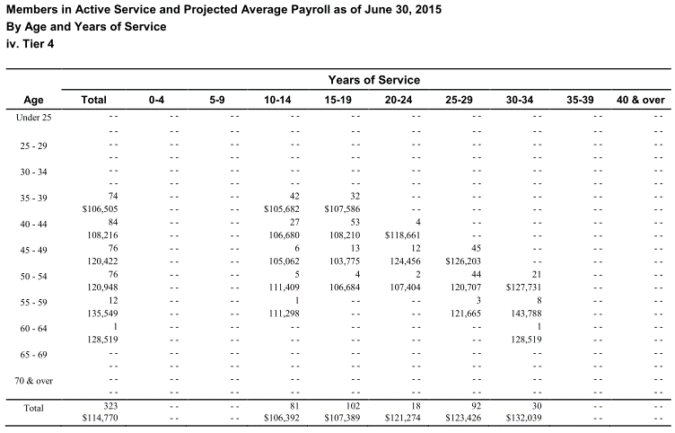
Age |  |  |  | 0-4 | 5-9 | 10-14 | 15-19 | 20-24 | 25-29 | 30-34 | 35-39 | 40 & over | Total
 | type | age.cell | age.grp | 2 | 7 | 12 | 17 | 22 | 27 | 32 | 37 | 42
 | yosgrp |  |  | 0-4 | 5-9 | 10-14 | 15-19 | 20-24 | 25-29 | 30-34 | 35-39 | 40-44
Under 25 | nactives | 22 | 20-24
 | salary | 22 | 20-24
25 - 29 | nactives | 27 | 25-29
 | salary | 27 | 25-29
30 - 34 | nactives | 32 | 30-34
 | salary | 32 | 30-34
35 - 39 | nactives | 37 | 35-39 |  |  | 42 | 32 |  |  |  |  |  | 74
 | salary | 37 | 35-39 |  |  | 105682 | 107586 |  |  |  |  |  | 106505
40 - 44 | nactives | 42 | 40-44 |  |  | 27 | 53 | 4 |  |  |  |  | 84
 | salary | 42 | 40-44 |  |  | 106680 | 108210 | 118661 |  |  |  |  | 108216
45 - 49 | nactives | 47 | 45-49 |  |  | 6 | 13 | 12 | 45 |  |  |  | 76
 | salary | 47 | 45-49 |  |  | 105062 | 103775 | 124456 | 126203 |  |  |  | 120422
50 - 54 | nactives | 52 | 50-54 |  |  | 5 | 4 | 2 | 44 | 21 |  |  | 76
 | salary | 52 | 50-54 |  |  | 111409 | 106684 | 107404 | 120707 | 127731 |  |  | 120948
55 - 59 | nactives | 57 | 55-59 |  |  | 1 |  |  | 3 | 8 |  |  | 12
 | salary | 57 | 55-59 |  |  | 111298 |  |  | 121665 | 143788 |  |  | 135549
60 - 64 | nactives | 62 | 60-64 |  |  |  |  |  |  | 1 |  |  | 1
 | salary | 62 | 60-64 |  |  |  |  |  |  | 128519 |  |  | 128519
65 - 69 | nactives | 67 | 65-69
 | salary | 67 | 65-69
70 & over | nactives | 72 | 70-74
 | salary | 72 | 70-74
Total |  |  |  |  |  | 81 | 102 | 18 | 92 | 30 |  |  | 323
 |  |  |  |  |  | 106392 | 107389 | 121274 | 123426 | 132039 |  |  | 114770

Actives_t5_noHPP
TOC
startcell | B7
endcell | M30

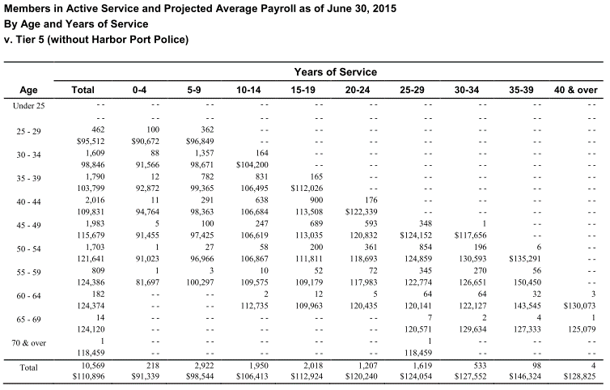
Age |  |  |  | 0-4 | 5-9 | 10-14 | 15-19 | 20-24 | 25-29 | 30-34 | 35-39 | 40 & over | Total
 | type | age.cell | age.grp | 2 | 7 | 12 | 17 | 22 | 27 | 32 | 37 | 42
 | yosgrp |  |  | 0-4 | 5-9 | 10-14 | 15-19 | 20-24 | 25-29 | 30-34 | 35-39 | 40-44
Under 25 | nactives | 22 | 20-24
 | salary | 22 | 20-24
25 - 29 | nactives | 27 | 25-29 | 100 | 362 |  |  |  |  |  |  |  | 462
 | salary | 27 | 25-29 | 90672 | 96849 |  |  |  |  |  |  |  | 95512
30 - 34 | nactives | 32 | 30-34 | 88 | 1357 | 164 |  |  |  |  |  |  | 1609
 | salary | 32 | 30-34 | 91566 | 98671 | 104200 |  |  |  |  |  |  | 98846
35 - 39 | nactives | 37 | 35-39 | 12 | 782 | 831 | 165 |  |  |  |  |  | 1790
 | salary | 37 | 35-39 | 92872 | 99365 | 106495 | 112026 |  |  |  |  |  | 103799
40 - 44 | nactives | 42 | 40-44 | 11 | 291 | 638 | 900 | 176 |  |  |  |  | 2016
 | salary | 42 | 40-44 | 94764 | 98363 | 106684 | 113508 | 122339 |  |  |  |  | 109831
45 - 49 | nactives | 47 | 45-49 | 5 | 100 | 247 | 689 | 593 | 348 | 1 |  |  | 1983
 | salary | 47 | 45-49 | 91455 | 97425 | 106619 | 113035 | 120832 | 124152 | 117656 |  |  | 115679
50 - 54 | nactives | 52 | 50-54 | 1 | 27 | 58 | 200 | 361 | 854 | 196 | 6 |  | 1703
 | salary | 52 | 50-54 | 91023 | 96966 | 106867 | 111811 | 118693 | 124859 | 130593 | 135291 |  | 121641
55 - 59 | nactives | 57 | 55-59 | 1 | 3 | 10 | 52 | 72 | 345 | 270 | 56 |  | 809
 | salary | 57 | 55-59 | 81697 | 100297 | 109575 | 109179 | 117983 | 122774 | 126651 | 150450 |  | 124386
60 - 64 | nactives | 62 | 60-64 |  |  | 2 | 12 | 5 | 64 | 64 | 32 | 3 | 182
 | salary | 62 | 60-64 |  |  | 112735 | 109963 | 120435 | 120141 | 122127 | 143545 | 130073 | 124374
65 - 69 | nactives | 67 | 65-69 |  |  |  |  |  | 7 | 2 | 4 | 1 | 14
 | salary | 67 | 65-69 |  |  |  |  |  | 120571 | 129634 | 127333 | 125079 | 124120
70 & over | nactives | 72 | 70-74 |  |  |  |  |  | 1 |  |  |  | 1
 | salary | 72 | 70-74 |  |  |  |  |  | 118459 |  |  |  | 118459
Total |  |  |  | 218 | 2922 | 1950 | 2018 | 1207 | 1619 | 533 | 98 | 4 | 10569
 |  |  |  | 91339 | 98544 | 106413 | 112924 | 120240 | 124054 | 127552 | 146324 | 128825 | 110896

Actives_t6_noHPP
TOC
startcell | B7
endcell | M30

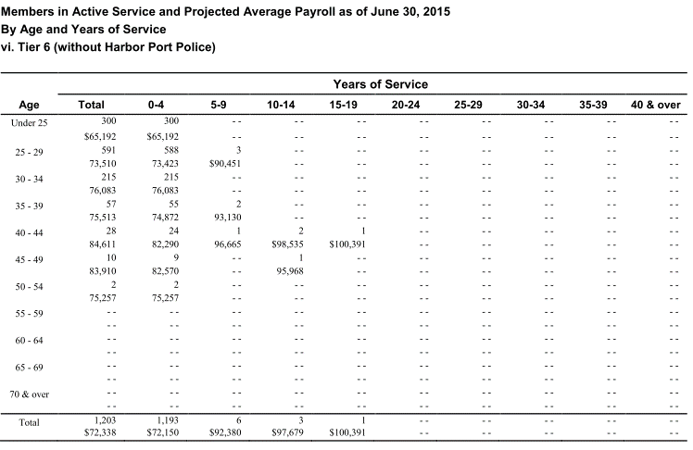
Age |  |  |  | 0-4 | 5-9 | 10-14 | 15-19 | 20-24 | 25-29 | 30-34 | 35-39 | 40 & over | Total
 | type | age.cell | age.grp | 2 | 7 | 12 | 17 | 22 | 27 | 32 | 37 | 42
 | yosgrp |  |  | 0-4 | 5-9 | 10-14 | 15-19 | 20-24 | 25-29 | 30-34 | 35-39 | 40-44
Under 25 | nactives | 22 | 20-24 | 300 |  |  |  |  |  |  |  |  | 300
 | salary | 22 | 20-24 | 65192 |  |  |  |  |  |  |  |  | 65192
25 - 29 | nactives | 27 | 25-29 | 588 | 3 |  |  |  |  |  |  |  | 591
 | salary | 27 | 25-29 | 73423 | 90451 |  |  |  |  |  |  |  | 73510
30 - 34 | nactives | 32 | 30-34 | 215 |  |  |  |  |  |  |  |  | 215
 | salary | 32 | 30-34 | 76083 |  |  |  |  |  |  |  |  | 76083
35 - 39 | nactives | 37 | 35-39 | 55 | 2 |  |  |  |  |  |  |  | 57
 | salary | 37 | 35-39 | 74872 | 93130 |  |  |  |  |  |  |  | 75513
40 - 44 | nactives | 42 | 40-44 | 24 | 1 | 2 | 1 |  |  |  |  |  | 28
 | salary | 42 | 40-44 | 82290 | 96665 | 98535 | 100391 |  |  |  |  |  | 84611
45 - 49 | nactives | 47 | 45-49 | 9 |  | 1 |  |  |  |  |  |  | 10
 | salary | 47 | 45-49 | 82570 |  | 95968 |  |  |  |  |  |  | 83910
50 - 54 | nactives | 52 | 50-54 | 2 |  |  |  |  |  |  |  |  | 2
 | salary | 52 | 50-54 | 75257 |  |  |  |  |  |  |  |  | 75257
55 - 59 | nactives | 57 | 55-59
 | salary | 57 | 55-59
60 - 64 | nactives | 62 | 60-64
 | salary | 62 | 60-64
65 - 69 | nactives | 67 | 65-69
 | salary | 67 | 65-69
70 & over | nactives | 72 | 70-74
 | salary | 72 | 70-74
Total |  |  |  | 1193 | 6 | 3 | 1 |  |  |  |  |  | 1203
 |  |  |  | 72150 | 92380 | 97679 | 100391 |  |  |  |  |  | 72338

Actives_t5_HPP
TOC
startcell | B7
endcell | M30

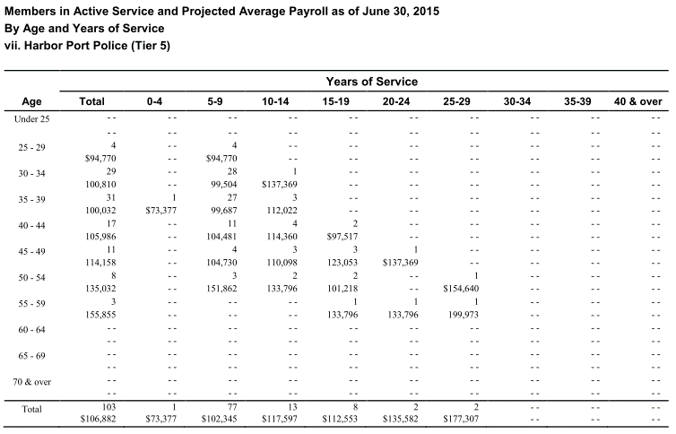
Age |  |  |  | 0-4 | 5-9 | 10-14 | 15-19 | 20-24 | 25-29 | 30-34 | 35-39 | 40 & over | Total
 | type | age.cell | age.grp | 2 | 7 | 12 | 17 | 22 | 27 | 32 | 37 | 42
 | yosgrp |  |  | 0-4 | 5-9 | 10-14 | 15-19 | 20-24 | 25-29 | 30-34 | 35-39 | 40-44
Under 25 | nactives | 22 | 20-24
 | salary | 22 | 20-24
25 - 29 | nactives | 27 | 25-29 |  | 4 |  |  |  |  |  |  |  | 4
 | salary | 27 | 25-29 |  | 94770 |  |  |  |  |  |  |  | 94770
30 - 34 | nactives | 32 | 30-34 |  | 28 | 1 |  |  |  |  |  |  | 29
 | salary | 32 | 30-34 |  | 99504 | 137369 |  |  |  |  |  |  | 100810
35 - 39 | nactives | 37 | 35-39 | 1 | 27 | 3 |  |  |  |  |  |  | 31
 | salary | 37 | 35-39 | 73377 | 99687 | 112022 |  |  |  |  |  |  | 100032
40 - 44 | nactives | 42 | 40-44 |  | 11 | 4 | 2 |  |  |  |  |  | 17
 | salary | 42 | 40-44 |  | 104481 | 114360 | 97517 |  |  |  |  |  | 105986
45 - 49 | nactives | 47 | 45-49 |  | 4 | 3 | 3 | 1 |  |  |  |  | 11
 | salary | 47 | 45-49 |  | 104730 | 110098 | 123053 | 137369 |  |  |  |  | 114158
50 - 54 | nactives | 52 | 50-54 |  | 3 | 2 | 2 |  | 1 |  |  |  | 8
 | salary | 52 | 50-54 |  | 151862 | 133796 | 101218 |  | 154640 |  |  |  | 135032
55 - 59 | nactives | 57 | 55-59 |  |  |  | 1 | 1 | 1 |  |  |  | 3
 | salary | 57 | 55-59 |  |  |  | 133796 | 133796 | 199973 |  |  |  | 155855
60 - 64 | nactives | 62 | 60-64
 | salary | 62 | 60-64
65 - 69 | nactives | 67 | 65-69
 | salary | 67 | 65-69
70 & over | nactives | 72 | 70-74
 | salary | 72 | 70-74
Total |  |  |  | 1 | 77 | 13 | 8 | 2 | 2 |  |  |  | 103
 |  |  |  | 73377 | 102345 | 117597 | 112553 | 135582 | 177307 |  |  |  | 106882

Actives_t6_HPP
TOC
startcell | B7
endcell | M30

Age |  |  |  | 0-4 | 5-9 | 10-14 | 15-19 | 20-24 | 25-29 | 30-34 | 35-39 | 40 & over | Total
 | type | age.cell | age.grp | 2 | 7 | 12 | 17 | 22 | 27 | 32 | 37 | 42
 | yosgrp |  |  | 0-4 | 5-9 | 10-14 | 15-19 | 20-24 | 25-29 | 30-34 | 35-39 | 40-44
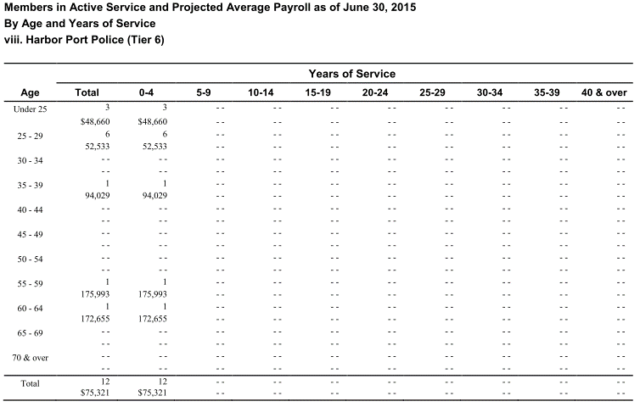
Under 25 | nactives | 22 | 20-24 | 3 |  |  |  |  |  |  |  |  | 3
 | salary | 22 | 20-24 | 48660 |  |  |  |  |  |  |  |  | 48660
25 - 29 | nactives | 27 | 25-29 | 6 |  |  |  |  |  |  |  |  | 6
 | salary | 27 | 25-29 | 52533 |  |  |  |  |  |  |  |  | 52533
30 - 34 | nactives | 32 | 30-34
 | salary | 32 | 30-34
35 - 39 | nactives | 37 | 35-39 | 1 |  |  |  |  |  |  |  |  | 1
 | salary | 37 | 35-39 | 94029 |  |  |  |  |  |  |  |  | 94029
40 - 44 | nactives | 42 | 40-44
 | salary | 42 | 40-44
45 - 49 | nactives | 47 | 45-49
 | salary | 47 | 45-49
50 - 54 | nactives | 52 | 50-54
 | salary | 52 | 50-54
55 - 59 | nactives | 57 | 55-59 | 1 |  |  |  |  |  |  |  |  | 1
 | salary | 57 | 55-59 | 175993 |  |  |  |  |  |  |  |  | 175993
60 - 64 | nactives | 62 | 60-64 | 1 |  |  |  |  |  |  |  |  | 1
 | salary | 62 | 60-64 | 172655 |  |  |  |  |  |  |  |  | 172655
65 - 69 | nactives | 67 | 65-69
 | salary | 67 | 65-69
70 & over | nactives | 72 | 70-74
 | salary | 72 | 70-74
Total |  |  |  | 12 |  |  |  |  |  |  |  |  | 12
 |  |  |  | 75321 |  |  |  |  |  |  |  |  | 75321

Other_t1
TOC

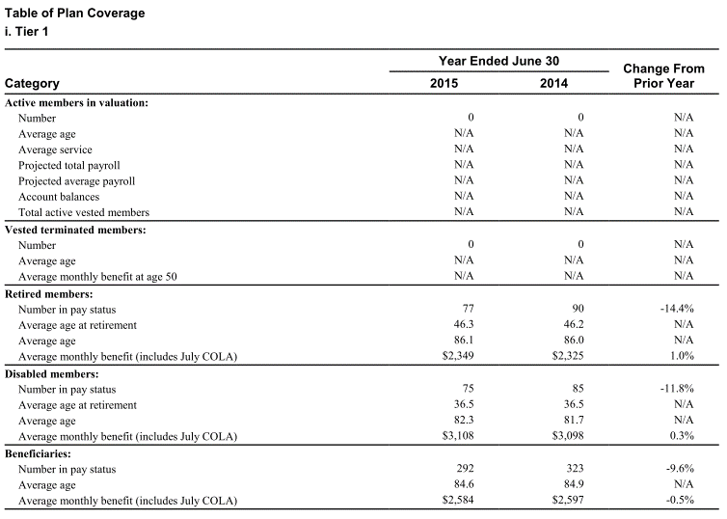
 | Category 2015 2014 Prior Year
 | Active members in valuation:
 | Number | 0 | 0 | N/A
 | Average age | N/A | N/A | N/A
 | Average service | N/A | N/A | N/A
 | Projected total payroll | N/A | N/A | N/A
 | Projected average payroll | N/A | N/A | N/A
 | Account balances | N/A | N/A | N/A
 | Total active vested members | N/A | N/A | N/A
 | Vested terminated members:
 | Number | 0 | 0 | N/A
 | Average age | N/A | N/A | N/A
 | Average monthly benefit at age 50 | N/A | N/A | N/A
 | Retired members:
 | Number in pay status | 77 | 90 | -14.4%
 | Average age at retirement | 46.3 | 46.2 | N/A
 | Average age | 86.1 | 86.0 | N/A
 | Average monthly benefit (includes July COLA) | $2,349 | $2,325 | 1.0%
 | Disabled members:
 | Number in pay status | 75 | 85 | -11.8%
 | Average age at retirement | 36.5 | 36.5 | N/A
 | Average age | 82.3 | 81.7 | N/A
 | Average monthly benefit (includes July COLA) | $3,108 | $3,098 | 0.3%
 | Beneficiaries:
 | Number in pay status | 292 | 323 | -9.6%
 | Average age | 84.6 | 84.9 | N/A
 | Average monthly benefit (includes July COLA) | $2,584 | $2,597 | -0.5%

Other_t2
TOC

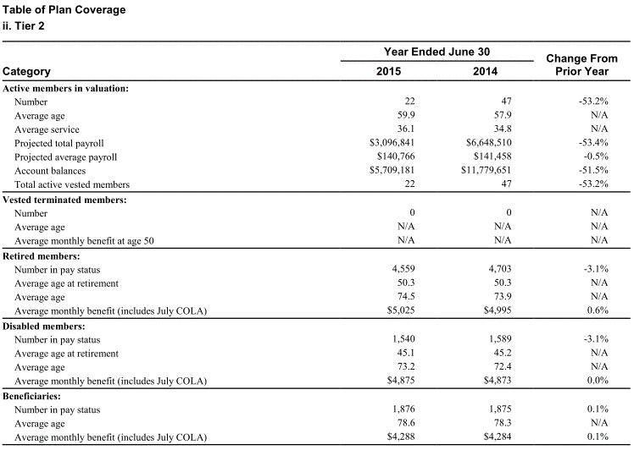
 | Category 2015 2014 Prior Year
 | Active members in valuation:
 | Number | 22 | 47 | -53.2%
 | Average age | 59.9 | 57.9 | N/A
 | Average service | 36.1 | 34.8 | N/A
 | Projected total payroll | $3,096,841 | $6,648,510 | -53.4%
 | Projected average payroll | $140,766 | $141,458 | -0.5%
 | Account balances | $5,709,181 | $11,779,651 | -51.5%
 | Total active vested members | 22 | 47 | -53.2%
 | Vested terminated members:
 | Number | 0 | 0 | N/A
 | Average age | N/A | N/A | N/A
 | Average monthly benefit at age 50 | N/A | N/A | N/A
 | Retired members:
 | Number in pay status | 4,559 | 4,703 | -3.1%
 | Average age at retirement | 50.3 | 50.3 | N/A
 | Average age | 74.5 | 73.9 | N/A
 | Average monthly benefit (includes July COLA) | $5,025 | $4,995 | 0.6%
 | Disabled members:
 | Number in pay status | 1,540 | 1,589 | -3.1%
 | Average age at retirement | 45.1 | 45.2 | N/A
 | Average age | 73.2 | 72.4 | N/A
 | Average monthly benefit (includes July COLA) | $4,875 | $4,873 | 0.0%
 | Beneficiaries:
 | Number in pay status | 1,876 | 1,875 | 0.1%
 | Average age | 78.6 | 78.3 | N/A
 | Average monthly benefit (includes July COLA) | $4,288 | $4,284 | 0.1%

Other_t3
TOC

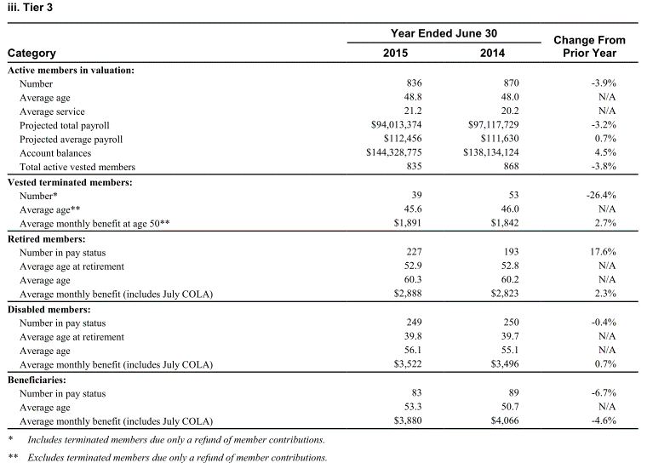
 | Category 2015 2014 Prior Year
 | Active members in valuation:
 | Number | 836 | 870 | -3.9%
 | Average age | 48.8 | 48.0 | N/A
 | Average service | 21.2 | 20.2 | N/A
 | Projected total payroll | $94,013,374 | $97,117,729 | -3.2%
 | Projected average payroll | $112,456 | $111,630 | 0.7%
 | Account balances | $144,328,775 | $138,134,124 | 4.5%
 | Total active vested members | 835 | 868 | -3.8%
 | Vested terminated members:
 | Number* | 39 | 53 | -26.4%
 | Average age** | 45.6 | 46.0 | N/A
 | Average monthly benefit at age 50** | $1,891 | $1,842 | 2.7%
 | Retired members:
 | Number in pay status | 227 | 193 | 17.6%
 | Average age at retirement | 52.9 | 52.8 | N/A
 | Average age | 60.3 | 60.2 | N/A
 | Average monthly benefit (includes July COLA) | $2,888 | $2,823 | 2.3%
 | Disabled members:
 | Number in pay status | 249 | 250 | -0.4%
 | Average age at retirement | 39.8 | 39.7 | N/A
 | Average age | 56.1 | 55.1 | N/A
 | Average monthly benefit (includes July COLA) | $3,522 | $3,496 | 0.7%
 | Beneficiaries:
 | Number in pay status | 83 | 89 | -6.7%
 | Average age | 53.3 | 50.7 | N/A
 | Average monthly benefit (includes July COLA) | $3,880 | $4,066 | -4.6%

Other_t4
TOC

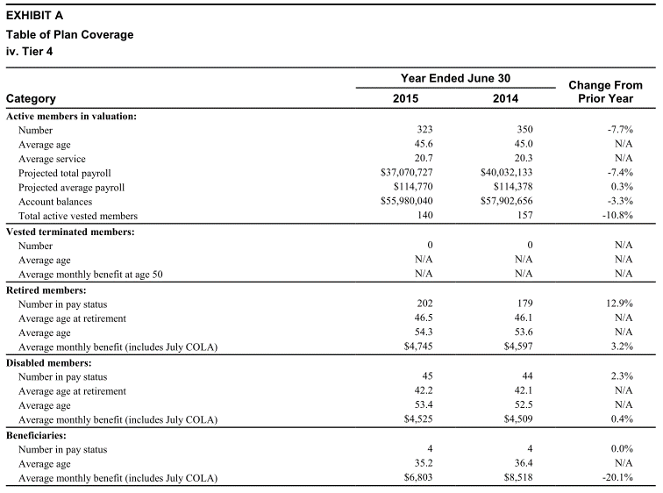
 | Category 2015 2014 Prior Year
 | Active members in valuation:
 | Number | 323 | 350 | -7.7%
 | Average age | 45.6 | 45.0 | N/A
 | Average service | 20.7 | 20.3 | N/A
 | Projected total payroll | $37,070,727 | $40,032,133 | -7.4%
 | Projected average payroll | $114,770 | $114,378 | 0.3%
 | Account balances | $55,980,040 | $57,902,656 | -3.3%
 | Total active vested members | 140 | 157 | -10.8%
 | Vested terminated members:
 | Number | 0 | 0 | N/A
 | Average age | N/A | N/A | N/A
 | Average monthly benefit at age 50 | N/A | N/A | N/A
 | Retired members:
 | Number in pay status | 202 | 179 | 12.9%
 | Average age at retirement | 46.5 | 46.1 | N/A
 | Average age | 54.3 | 53.6 | N/A
 | Average monthly benefit (includes July COLA) | $4,745 | $4,597 | 3.2%
 | Disabled members:
 | Number in pay status | 45 | 44 | 2.3%
 | Average age at retirement | 42.2 | 42.1 | N/A
 | Average age | 53.4 | 52.5 | N/A
 | Average monthly benefit (includes July COLA) | $4,525 | $4,509 | 0.4%
 | Beneficiaries:
 | Number in pay status | 4 | 4 | 0.0%
 | Average age | 35.2 | 36.4 | N/A
 | Average monthly benefit (includes July COLA) | $6,803 | $8,518 | -20.1%

Other_t5_noHPP
TOC

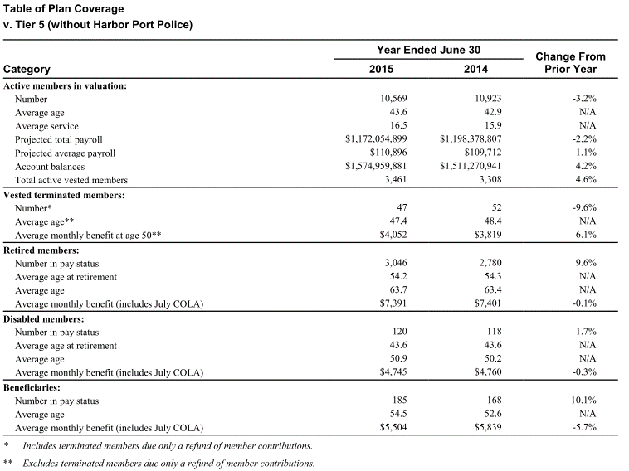
 | Category 2015 2014 Prior Year
 | Active members in valuation:
 | Number | 10,569 | 10,923 | -3.2%
 | Average age | 43.6 | 42.9 | N/A
 | Average service | 16.5 | 15.9 | N/A
 | Projected total payroll | $1,172,054,899 | $1,198,378,807 | -2.2%
 | Projected average payroll | $110,896 | $109,712 | 1.1%
 | Account balances | $1,574,959,881 | $1,511,270,941 | 4.2%
 | Total active vested members | 3,461 | 3,308 | 4.6%
 | Vested terminated members:
 | Number* | 47 | 52 | -9.6%
 | Average age** | 47.4 | 48.4 | N/A
 | Average monthly benefit at age 50** | $4,052 | $3,819 | 6.1%
 | Retired members:
 | Number in pay status | 3,046 | 2,780 | 9.6%
 | Average age at retirement | 54.2 | 54.3 | N/A
 | Average age | 63.7 | 63.4 | N/A
 | Average monthly benefit (includes July COLA) | $7,391 | $7,401 | -0.1%
 | Disabled members:
 | Number in pay status | 120 | 118 | 1.7%
 | Average age at retirement | 43.6 | 43.6 | N/A
 | Average age | 50.9 | 50.2 | N/A
 | Average monthly benefit (includes July COLA) | $4,745 | $4,760 | -0.3%
 | Beneficiaries:
 | Number in pay status | 185 | 168 | 10.1%
 | Average age | 54.5 | 52.6 | N/A
 | Average monthly benefit (includes July COLA) | $5,504 | $5,839 | -5.7%

Other_t6_noHPP
TOC


 | Category 2015 2014 Prior Year | 2015 | 2014 | Change
 | Active members in valuation:
 | Number
 | Average age | 1203 | 798 | 1
 | Average service | 28 | 28 | N/A
 | Projected total payroll | 87022646 | 49200011 | 1
 | Projected average payroll | 72338 | 61654 | 0
 | Account balances | 8715512 | 5614899 | 1
 | Total active vested members | 0 | 0 | N/A
 | Vested terminated members:
 | Number* | 26 | 25 | 0
 | Average age** | N/A | N/A | N/A
 | Average monthly benefit at age 50** | N/A | N/A | N/A
 | Retired members:
 | Number in pay status | 0 | 0 | N/A
 | Average age at retirement | N/A | N/A | N/A
 | Average age | N/A | N/A | N/A
 | Average monthly benefit (includes July COLA) | N/A | N/A | N/A
 | Disabled members:
 | Number in pay status | 0 | 0 | N/A
 | Average age at retirement | N/A | N/A | N/A
 | Average age | N/A | N/A | N/A
 | Average monthly benefit (includes July COLA) | N/A | N/A | N/A
 | Beneficiaries:
 | Number in pay status | 0 | 0 | N/A
 | Average age | N/A | N/A | N/A
 | Average monthly benefit (includes July COLA) | N/A | N/A | N/A

Other_t5_HPP
TOC

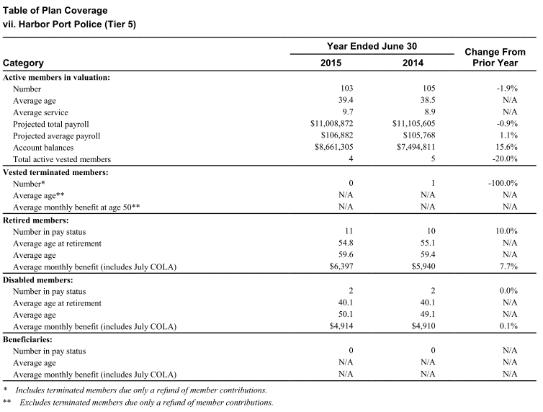
 | Category 2015 2014 Prior Year
 | Active members in valuation:
 | Number | 103 | 105 | -1.9%
 | Average age | 39.4 | 38.5 | N/A
 | Average service | 9.7 | 8.9 | N/A
 | Projected total payroll | $11,008,872 | $11,105,605 | -0.9%
 | Projected average payroll | $106,882 | $105,768 | 1.1%
 | Account balances | $8,661,305 | $7,494,811 | 15.6%
 | Total active vested members | 4 | 5 | -20.0%
 | Vested terminated members:
 | Number* | 0 | 1 | -100.0%
 | Average age** | N/A | N/A | N/A
 | Average monthly benefit at age 50** | N/A | N/A | N/A
 | Retired members:
 | Number in pay status | 11 | 10 | 10.0%
 | Average age at retirement | 54.8 | 55.1 | N/A
 | Average age | 59.6 | 59.4 | N/A
 | Average monthly benefit (includes July COLA) | $6,397 | $5,940 | 7.7%
 | Disabled members:
 | Number in pay status | 2 | 2 | 0.0%
 | Average age at retirement | 40.1 | 40.1 | N/A
 | Average age | 50.1 | 49.1 | N/A
 | Average monthly benefit (includes July COLA) | $4,914 | $4,910 | 0.1%
 | Beneficiaries:
 | Number in pay status | 0 | 0 | N/A
 | Average age | N/A | N/A | N/A
 | Average monthly benefit (includes July COLA) | N/A | N/A | N/A

Other_t6_HPP
TOC

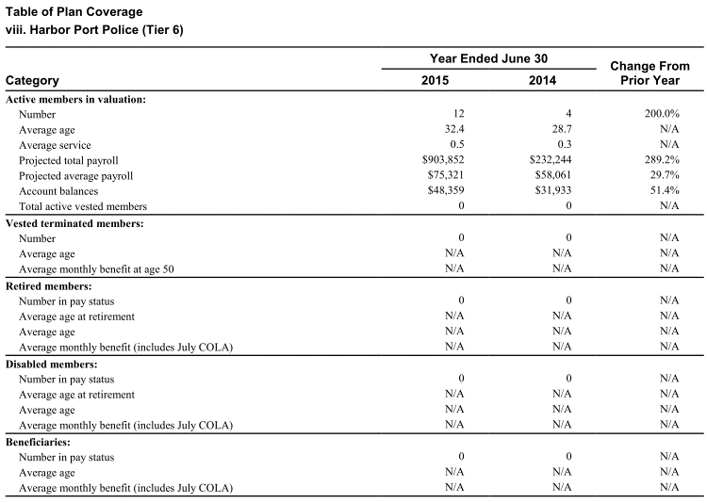
 | Category 2015 2014 Prior Year
 | Active members in valuation:
 | Number
 | Average age | 12 | 4 | 2
 | Average service | 1 | 0 | N/A
 | Projected total payroll | 903852 | 232244 | 3
 | Projected average payroll | 75321 | 58061 | 0
 | Account balances | 48359 | 31933 | 1
 | Total active vested members | 0 | 0 | N/A
 | Vested terminated members:
 | Number | 0 | 0 | N/A
 | Average age | N/A | N/A | N/A
 | Average monthly benefit at age 50 | N/A | N/A | N/A
 | Retired members:
 | Number in pay status | 0 | 0 | N/A
 | Average age at retirement | N/A | N/A | N/A
 | Average age | N/A | N/A | N/A
 | Average monthly benefit (includes July COLA) | N/A | N/A | N/A
 | Disabled members:
 | Number in pay status | 0 | 0 | N/A
 | Average age at retirement | N/A | N/A | N/A
 | Average age | N/A | N/A | N/A
 | Average monthly benefit (includes July COLA) | N/A | N/A | N/A
 | Beneficiaries:
 | Number in pay status | 0 | 0 | N/A
 | Average age | N/A | N/A | N/A
 | Average monthly benefit (includes July COLA) | N/A | N/A | N/A

