returns
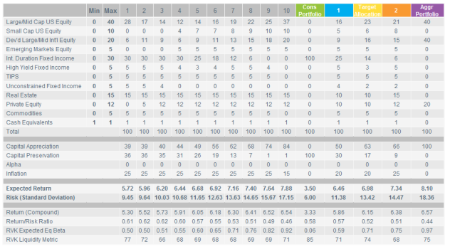
scenario | note | r.mean | r.sd | period | return_det | r.geoMean
Dev |  | 0.0822 | 0.12 | 50 | 0.075 | 7.5%
RS1 |  | 0.0822 | 0.12 | 30 | 0.075 | 7.5%
RS2 |  | 0.05000 | 0.12 | 1 | 0.05000 | 4.3%
RS2 |  | 0.05500 | 0.12 | 1 | 0.05500 | 4.8%
RS2 |  | 0.06000 | 0.12 | 1 | 0.06000 | 5.3%
RS2 |  | 0.06500 | 0.12 | 1 | 0.06500 | 5.8%
RS2 |  | 0.07000 | 0.12 | 1 | 0.07000 | 6.3%
RS2 |  | 0.08220 | 0.12 | 25 | 0.06875 | 7.5%
RS3 |  | 0.0572 | 0.12 | 10 | 0.05 | 5.0%
RS3 |  | 0.0722 | 0.12 | 5 | 0.065 | 6.5%
RS3 |  | 0.0822 | 0.12 | 15 | 0.075 | 7.5%
RS4 | Callan | 0.08979 | 0.172 | 30 | 0.07500 | 7.5%
RS5 | RVK | 0.06980 | 0.1342 | 30 | 0.06080 | 6.1%
RS.closed |  | 0.0404 | 0.00 | 1 | 0.040 | 4.0%
RS.closed |  | 0.0822 | 0.12 | 69 | 0.075 | 7.5%

 |  |  |  | 0.089792

GASB67 Cash flow
TOC
startcell | B6
endcell | G31

 | Year Beginning July 1, | Projected Beginning Plan Fiduciary Net Position (a) | Projected Total Contributions (b) | Projected Benefit Payments (c) | Projected Administrative Expenses (d) | Projected Investment Earnings (e)
 | year | MA.GASB | C.GASB | B.GASB | AdminExp.GASB | InvIncome.GASB
 | 2014 | 16990 | 607 | 919 | 18 | 686
 | 2015 | 17347 | 632 | 970 | 13 | 1306
 | 2016 | 18302 | 634 | 1104 | 13 | 1372
 | 2017 | 19190 | 609 | 1050 | 13 | 1439
 | 2018 | 20176 | 616 | 1149 | 13 | 1509
 | 2019 | 21139 | 586 | 1267 | 12 | 1574
 | 2020 | 22019 | 538 | 1212 | 12 | 1639
 | 2021 | 22971 | 537 | 1283 | 12 | 1707
 | 2022 | 23920 | 538 | 1350 | 12 | 1775
 | 2023 | 24871 | 539 | 1416 | 12 | 1844
 | 2038 | 32905 | 197 | 2584 | 5 | 2370
 | 2039 | 32883 | 214 | 2667 | 4 | 2366
 | 2040 | 32791 | 174 | 2734 | 4 | 2353
 | 2041 | 32581 | 91 | 2785 | 3 | 2329
 | 2042 | 32213 | 74 | 2824 | 2 | 2298
 | 2082 | 1097 | 0 | 290 | 0 | 70
 | 2083 | 877 | 0 | 239 | 0 | 55
 | 2084 | 694 | 0 | 194 | 0 | 44
 | 2085 | 543 | 0 | 156 | 0 | 34
 | 2086 | 420 | 0 | 124 | 0 | 26
 | 2101 | 2 | 0 | 1 | 0 | 0
 | 2102 | 2 | 0 | 1 | 0 | 0
 | 2103 | 1 | 0 | 0 | 0 | 0
 | 2115 | 0 | 0 | 0 | 0 | 0
 | 2116 | 0 | 0 | 0 | 0 | 0

2014 | 919
2015 | 970
2016 | 1104
2017 | 1050
2018 | 1149
2019 | 1267
2020 | 1212
2021 | 1283
2022 | 1350
2023 | 1416
2024 | 1496
2025 | 1576
2026 | 1657
2027 | 1737
2028 | 1817
2029 | 1897
2030 | 1977
2031 | 2058
2032 | 2138 |  | 80.214285714
2033 | 2218
2034 | 2298
2035 | 2378
2036 | 2459
2037 | 2539
2038 | 2584
2039 | 2667
2040 | 2734
2041 | 2785
2042 | 2824

 |  | year B
 |  | 801488530
 |  | 856928805
 |  | 912909170
 |  | 970452852
 |  | 1030325552
 |  | 1093470116
 |  | 1161292912
 |  | 1230195651
 |  | 1300963525

Calibration
 | AV | Model | diff | Model.calib | diff.calib
PVFB for actives | 12.3 | 11.49 | 93.41% | 12.62 | 102.60%
PVFB for retirees/bens | 10.1 | 9.679 | 95.83% | 10.05 | 99.50%
AL total | 18.34 | 17.21 | 93.84% | 18.17 | 99.07%
AL for actives | 8.2 |  |  | 8.12 | 99.02%
VVA | 16.77 |  |  | 16.62 | 99.11%
MVA | 17.35 |  |  | 17.19 | 99.08%
NC | 0.397 | 0.37 | 93.20% | 0.396 | 99.75%
SC | 0.182 | 0.17 | 93.41% | 0.1792 | 98.46%
EEC | 0.134 | 0.122 | 91.04% | 0.1342 | 100.15%
ERC | 0.4443 | 0.417 | 93.86% | 0.439 | 98.81%
payroll | 1.405 | 1.402 | 99.79% | 1.402 | 99.79%
B | 0.802 | 0.795 | 99.13% | 0.8015 | 99.94%

Duration:
AAL DR: 18174710587
AAL +1%: AAL: 16192752562 (AL.act: 6941488396, PVFB.act = 9984484403)
Change: 16192752562/18174710587 -1=-0.1091
Target: -10.9
AAL -1% AAL: 20564421674 (AL.act = 9573882561, PVFB.act = 15528002079)
Change: 20564421674/18174710587 -1=0.1315
Target: 13.3
Duration: (20564421674 - 16192752562)/(2*18174710587) = 0.1203
Target: 12.12

